Bug Report
HEART MATES
Version NO:Demo |  |  |  | Date:3/01/2023
Identified By:Annmariya |  |  |  | OS:Android
Reported To:Luminar |  |  |  | Application:smitha memorial hospital and research centre
Bug ID | Expected Result | Bug Description | Steps to Reproduce | Severity | Priority | Screenshot | Status

SM__HP_01 | When entering name it should accept valid | it shown as invalid | 1.Open website 2.Click on chat box 3.type a message | Major | High |  | new

SM_CU_02 | When entering a phone number check if it accepts numbers. | it should not accept numbers. | 1.click on website and click on contact us 2.Enter your phone number | Trivial | Medium |  | new
SM_SF_03 | when click on to neurology department it should shown same department | The neourology department accept dental department | 1.click on services and facility page 2.click on to neurolgy | Major | High |  | new
SM_CU_04 | Appointment Page should accept the exact page | The appoint ment page accepts contact us page or special character | 1.Go to home page. 2.click on to appointment page | Trivial | Medium |  | new
SM_SF_05 | health check up page should be applicable for booking | health check up page is not applicable for booking | 1.click on service and facilities. 2.open health check up | Major | High |  | new

SM_HP_06 | Click on the subscribe new letter should be applicable for subscribing. | The subscribing news letter is not accepting the mail id. | 1.Click on the home page. 2.click on to the subscribe news letter. | Trivial | medium |  | new
SM_HP_07 | Click on page should be stable | When searched for a page iis not stable | 1.Click on home page . 2.open oncology department. | Major | High |  | new
SM_SF_08 | Click on a page should get proper update should get | covid update page is not shown proper updates. | 1.Click on the service and facility 2.Open covid update | trivial | medium |  | new
SM_SF_09 | payment work properly | Payment page lead to an error message. | 1.Cick on service and facility 2.select online payment | Major | 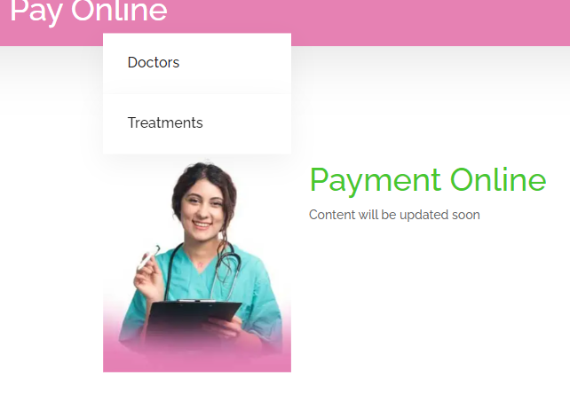 High |  | new
SM_SF_10 | Click on lab services page it should be available | it display an empty page. | 1.Click on website. 2.Select services and facility from nav bar. 3.Click on to lab services. | Trivial | Medium |  | new
 |  |  | .

Defect Distribution
DEFECT DISTRIBUTION
SI No. | Module Name | Defect Distribution
1 | home Page | 3
2 | service and facility Page | 5
3 | contact us Page | 2

DEFECT DISTRIBUTION CHART

