BUG REPORT
DESIGN FAKTORY
OS: Windows |  |  | Date: 06-07-2023
Verified By: Rakhy Basil |  |  | Tested By: Anns Philo Anto A
Bug Id | Expected Result | Bug Description | Steps to Reproduce | Screenshot | Severity | Priority | Status
ABOUT US
DEF_DF_AU_01 | Should be able navigate to right page when '© 2019 All Rights Reserved. Created by Design Faktory' in footer is clicked in About us page | Didn't navigate to right page | 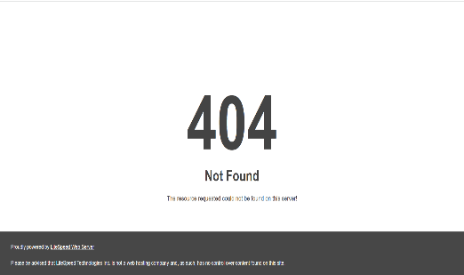 1. Open the link http://www.designfaktory.com/ 2. Click hamburger menu 3. Click About us 4. Click '© 2019 All Rights Reserved. Created by Design Faktory' in footer |  | Major | Low | New
SERVICES
DEF_DF_S_01 | Shouldn't contain any spelling or grammar mistakes in Services page | Space missing between the words in Web Interactive section | 1. Open the link http://www.designfaktory.com/ 2. Click hamburger menu 3. Click Services 4. Verify Services page |  | Minor | High | New
DEF_DF_S_02 | Should be able navigate to right page when '© 2019 All Rights Reserved. Created by Design Faktory' in footer is clicked in Services page | Didn't navigate to right page | 1. Open the link http://www.designfaktory.com/ 2. Click hamburger menu 3. Click Services 4. Click '© 2019 All Rights Reserved. Created by Design Faktory' in footer |  | Major | Low | New
OUR PROCESS
DEF_DF_OP_01 | Should be able navigate to right page when '© 2019 All Rights Reserved. Created by Design Faktory' in footer is clicked in Our Process page | Didn't navigate to right page | 1. Open the link http://www.designfaktory.com/ 2. Click hamburger menu 3. Click Our Process 4. Click '© 2019 All Rights Reserved. Created by Design Faktory' in footer |  | Major | Low | New
BLOG
DEF_DF_B_01 | Footer should be present in a page | Footer is not present | 1. Open the link http://www.designfaktory.com/ 2. Click hamburger menu 3. Click Blog 4. Verify Blog page |  | Major | Medium | New
DEF_DF_B_02 | Page shouldn't contain contents that's not related to the page | Shows some error message | 1. Open the link http://www.designfaktory.com/ 2. Click hamburger menu 3. Click Blog 4. Verify Blog page |  | Critical | High | New
DEF_DF_B_03 | Page should contain contents related to page | Didn't find any required contents | 1. Open the link http://www.designfaktory.com/ 2. Click hamburger menu 3. Click Blog 4. Verify Blog page |  | Enhancement | High | New
DEF_DF_B_04 | Page should have good user interface | There is scope to improve | 1. Open the link http://www.designfaktory.com/ 2. Click hamburger menu 3. Click Blog 4. Verify Blog page |  | Enhancement | High | New
DEF_DF_B_05 | Page should be user friendly | There is scope to improve | 1. Open the link http://www.designfaktory.com/ 2. Click hamburger menu 3. Click Blog 4. Verify Blog page |  | Enhancement | High | New
PORTFOLIO
DEF_DF_P_01 | Should be able navigate to right page when '© 2019 All Rights Reserved. Created by Design Faktory' in footer is clicked in Portfolio page | Didn't navigate to right page | 1. Open the link http://www.designfaktory.com/ 2. Click hamburger menu 3. Click Portfolio 4. Click '© 2019 All Rights Reserved. Created by Design Faktory' in footer |  | Major | Low | New
DEF_DF_P_02 | Should show only Logo related learning options when it is clicked | Logo and other options where also shown | 1. Open the link http://www.designfaktory.com/ 2. Click hamburger menu 3. Click Portfolio 4. Verify Portfolio page 5. Click Logo icon | 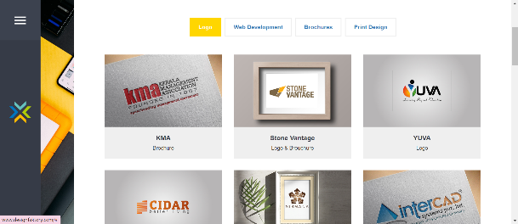 | Major | Medium | New
DEF_DF_P_03 | Should show Brochures related learning options | Couldn't find any learning options when Brochures option is selected | 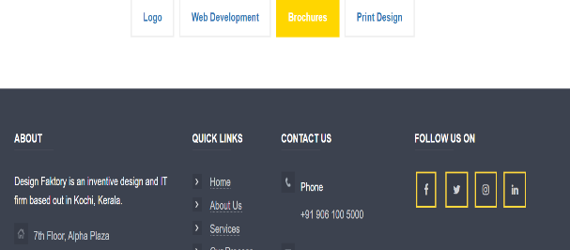 1. Open the link http://www.designfaktory.com/ 2. Click hamburger menu 3. Click Portfolio 4. Verify Portfolio page 5. Click Brochures icon |  | Critical | High | New
DEF_DF_P_04 | Should show Print Design related learning options | Couldn't find any learning options when Print Design option is selected | 1. Open the link http://www.designfaktory.com/ 2. Click hamburger menu 3. Click Portfolio 4. Verify Portfolio page 5. Click Print Design icon | 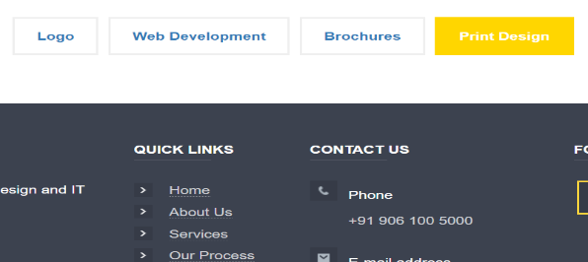 | Critical | High | New
DEF_DF_P_05 | Should be able to access more details about the images in Logo icon when we click on them | Didn't load to detailed page | 1. Open the link http://www.designfaktory.com/ 2. Click hamburger menu 3. Click Portfolio 4. Verify Portfolio page 5. Click Logo icon 6. Click on any images |  | Major | High | New
DEF_DF_P_06 | Should be able to access more details about the images in Web Development icon when we click on them | Didn't load to detailed page | 1. Open the link http://www.designfaktory.com/ 2. Click hamburger menu 3. Click Portfolio 4. Verify Portfolio page 5. Click Web Development icon 6. Click on any images |  | Major | High | New
DEF_DF_P_07 | Page should contain required details | Couldn't access detailed contents | 1. Open the link http://www.designfaktory.com/ 2. Click hamburger menu 3. Click Portfolio 4. Verify Portfolio page |  | Major | High | New
CONTACT
DEF_DF_C_01 | Should be able navigate to right page when '© 2019 All Rights Reserved. Created by Design Faktory' in footer is clicked in Contact page | Didn't navigate to right page | 1. Open the link http://www.designfaktory.com/ 2. Click hamburger menu 3. Click Contact 4. Click '© 2019 All Rights Reserved. Created by Design Faktory' in footer |  | Major | Low | New
DEF_DF_C_02 | Whole page contents and labels should contain English language only | Spanish language is shown in recaptcha field | 1. Open the link http://www.designfaktory.com/ 2. Click hamburger menu 3. Click Contact 4. Verify Contact page |  | Minor | High | New
DEF_DF_C_03 | Entered name should start with uppercase after each space in drop us a line section | Didn't popup any warning when invalid input is given | 1. Open the link http://www.designfaktory.com/ 2. Click hamburger menu 3. Click Contact 4. Verify Contact page 5. Enter name in drop us a line section |  | Major | High | New
DEF_DF_C_04 | Should have a word limit upto 30 characters in full name field | Didn't popup any warning when invalid input is given | 1. Open the link http://www.designfaktory.com/ 2. Click hamburger menu 3. Click Contact 4. Verify Contact page 5. Enter name in drop us a line section |  | Major | High | New
DEF_DF_C_05 | Should only be able to enter alphabets and space characters in full name field | Didn't popup any warning when invalid input is given | 1. Open the link http://www.designfaktory.com/ 2. Click hamburger menu 3. Click Contact 4. Verify Contact page 5. Enter name in drop us a line section |  | Major | High | New
DEF_DF_C_06 | Emailid field should only accepts emailid type | Didn't show any warning sign when invalid email format is entered | 1. Open the link http://www.designfaktory.com/ 2. Click hamburger menu 3. Click Contact 4. Verify Contact page 5. Enter invalid emailid in drop us a line section |  | Major | High | New
DEF_DF_C_07 | Subject field in drop us a line should have word limit | Didn't show any warning when infinite words where entered | 1. Open the link http://www.designfaktory.com/ 2. Click hamburger menu 3. Click Contact 4. Verify Contact page 5. Enter infinite words in Subject field in drop us a line section |  | Major | High | New
DEF_DF_C_08 | Warnings should be shown in universial language only | Warning shown in different language | 1. Open the link http://www.designfaktory.com/ 2. Click hamburger menu 3. Click Contact 4. Verify Contact page 5. Verify Recaptcha field in Drop us a line section |  | Major | High | New
DEF_DF_C_09 | Should show notification about the message delivery after pressing submit button | Didn't show any notification | 1. Open the link http://www.designfaktory.com/ 2. Click hamburger menu 3. Click Contact 4. Verify Contact page 5. Enter all details in drop us a line section 6. Click Submit |  | Major | High | New

DEFECT DISTRIBUTION GRAPH
DEFECT DISTRIBUTION GRAPH
Module Name | Defect Distribution
Home | 0
About Us | 1
Services | 2
Our Process | 1
Blog | 5
Portfolio | 7
Contact | 9

