nrisk_calc
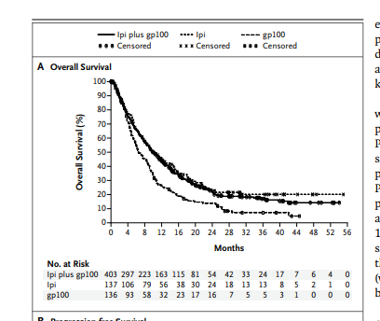
Treatment Experienced |  | 60
Time (In Years) | Nrisk
0 | 136 | interval | time | lower | upper | nrisk
0.33333333333 | 93 | 1 | 0 | 1 | 9 | 136
0.66666666667 | 58 | 2 | 0.33333333333 | 10 | 17 | 93
1 | 32 | 3 | 0.66666666667 | 18 | 22 | 58
1.3333333333 | 23 | 4 | 1 | 23 | 26 | 32
1.6666666667 | 17 | 5 | 1.3333333333 | 27 | 30 | 23
2 | 16 | 6 | 1.6666666667 | 31 | 34 | 17
2.3333333333 | 7 | 7 | 2 | 35 | 39 | 16
2.6666666667 | 5 | 8 | 2.3333333333 | 40 | 43 | 7
3 | 5 | 9 | 2.6666666667 | 44 | 47 | 5
3.3333333333 | 3 | 10 | 3 | 48 | 52 | 5
3.6666666667 | 1 | 11 | 3.3333333333 | 53 | 55 | 3
4 | 0 | 12 | 3.6666666667 | 56 | 60 | 1
4.3333333333 | 0 | 13 | 4 | 61 | 60 | 0
4.6666666667 | 0 | 14 | 4.3333333333 | 61 | 60 | 0

