survival
time | survival
0.033242297713 | 0.99324563484 | TRUE | TRUE
0.068354929748 | 0.97175521128 | TRUE | TRUE
0.094145249933 | 0.94721915676 | TRUE | TRUE
0.12657943886 | 0.85879064413 | TRUE | TRUE
0.1888854461 | 0.73093520091 | TRUE | TRUE
0.21157155018 | 0.66230912463 | TRUE | TRUE
0.22361408857 | 0.59809991402 | TRUE | TRUE
0.22651878992 | 0.55724391624 | TRUE | TRUE
0.24738583022 | 0.44646735286 | TRUE | TRUE
0.24804865622 | 0.3920802316 | TRUE | TRUE
0.25036056137 | 0.33227574986 | TRUE | TRUE
0.2597678991 | 0.28287233541 | TRUE | TRUE
0.27952889842 | 0.25156055461 | TRUE | TRUE
0.32899785044 | 0.15208353184 | TRUE | TRUE
0.38679490886 | 0.1215999424 | TRUE | TRUE
0.42293889064 | 0.099068786335 | TRUE | TRUE
0.49674256956 | 0.077157894737 | TRUE | TRUE
0.56285107817 | 0.052717679769 | TRUE | TRUE
0.63980278131 | 0.052717679769 | TRUE | TRUE
0.71411726077 | 0.052717679769 | TRUE | TRUE
0.79020838291 | 0.052717679769 | TRUE | TRUE
0.94760959389 | 0.04759189947 | TRUE | TRUE
1.0298080041 | 0.041342140634 | TRUE | TRUE
1.1015130002 | 0.034634652981 | TRUE | TRUE
1.1784647033 | 0.029188853733 | TRUE | TRUE
1.2554164065 | 0.027134942378 | TRUE | TRUE
1.3323681096 | 0.024494199208 | TRUE | TRUE
1.4093198127 | 0.021959085764 | TRUE | TRUE
1.4862715159 | 0.018297255235 | TRUE | TRUE
1.563223219 | 0.017827789782 | TRUE | TRUE
1.6401749222 | 0.015339622884 | TRUE | TRUE
1.7171266253 | 0.015198783248 | TRUE | TRUE
1.7940783285 | 0.015198783248 | TRUE | TRUE
1.8710300316 | 0.015198783248 | TRUE | TRUE
1.9479817348 | 0.015198783248 | TRUE | TRUE
2.0249334379 | 0.015198783248 | TRUE | TRUE
2.101885141 | 0.015198783248 | TRUE | TRUE
2.1788368442 | 0.015198783248 | TRUE | TRUE
2.2557885473 | 0.015198783248 | TRUE | TRUE
2.3327402505 | 0.015198783248 | TRUE | TRUE
2.4096919536 | 0.015198783248 | TRUE | TRUE
2.4866436568 | 0.015198783248 | TRUE | TRUE
2.5635953599 | 0.015198783248 | TRUE | TRUE
2.640547063 | 0.015198783248

nrisk_calc
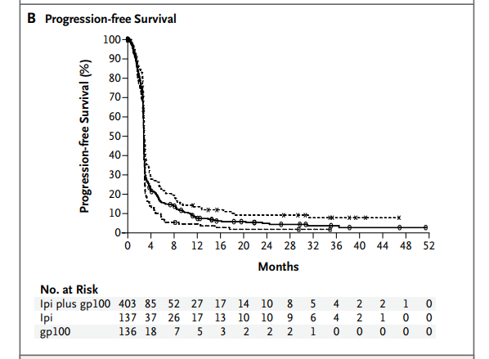
Treatment Experienced |  | 44
Time (In Years) | Nrisk
0 | 136 | interval | time | lower | upper | nrisk
0.33333333333 | 18 | 1 | 0 | 1 | 14 | 136
0.66666666667 | 7 | 2 | 0.33333333333 | 15 | 19 | 18
1 | 5 | 3 | 0.66666666667 | 20 | 22 | 7
1.3333333333 | 3 | 4 | 1 | 23 | 27 | 5
1.6666666667 | 2 | 5 | 1.3333333333 | 28 | 31 | 3
2 | 2 | 6 | 1.6666666667 | 32 | 35 | 2
2.3333333333 | 2 | 7 | 2 | 36 | 40 | 2
2.6666666667 | 1 | 8 | 2.3333333333 | 41 | 44 | 2
3 | 0
3.3333333333 | 0
3.6666666667 | 0
4 | 0
4.3333333333 | 0
4.6666666667 | 0

