nrisk_calc
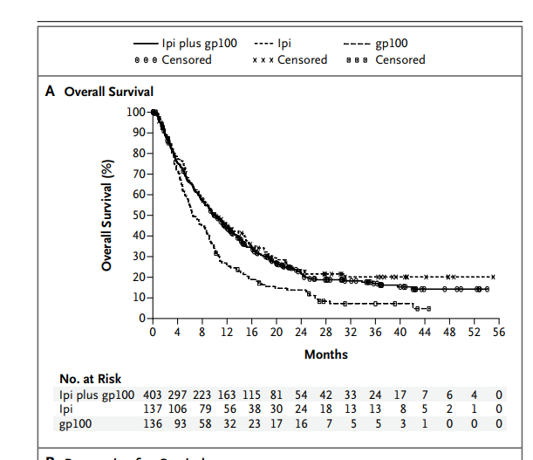
Treatment Experienced |  | 64
Time (In Years) | Nrisk
0 | 540 | interval | time | lower | upper | nrisk
0.33333333333 | 403 | 1 | 0 | 1 | 8 | 540
0.66666666667 | 302 | 2 | 0.33333333333 | 9 | 16 | 403
1 | 219 | 3 | 0.66666666667 | 17 | 22 | 302
1.3333333333 | 153 | 4 | 1 | 23 | 26 | 219
1.6666666667 | 110 | 5 | 1.3333333333 | 27 | 31 | 153
2 | 78 | 6 | 1.6666666667 | 32 | 35 | 110
2.3333333333 | 60 | 7 | 2 | 36 | 39 | 78
2.6666666667 | 46 | 8 | 2.3333333333 | 40 | 42 | 60
3 | 37 | 9 | 2.6666666667 | 43 | 47 | 46
3.3333333333 | 25 | 10 | 3 | 48 | 51 | 37
3.6666666667 | 12 | 11 | 3.3333333333 | 52 | 55 | 25
4 | 8 | 12 | 3.6666666667 | 56 | 60 | 12
4.3333333333 | 5 | 13 | 4 | 61 | 64 | 8

