survival_calc
time | survival
0.027686960855 | 0.98688286647 | TRUE | TRUE
0.069660617115 | 0.95175822579 | TRUE | TRUE | FALSE
0.094145249933 | 0.91411082086 | TRUE | TRUE | FALSE
0.1337870364 | 0.87115914238 | TRUE | TRUE | FALSE
0.1641013437 | 0.82375704903 | TRUE | TRUE | FALSE
0.18858597652 | 0.78261658591 | TRUE | TRUE | FALSE
0.20957280465 | 0.74916085081 | TRUE | TRUE | FALSE | x1 | 0.22146534059 | y1 | 0.70732177605
0.22146534059 | 0.70732177605 | TRUE | TRUE | FALSE | x2 | 0.23634937798 | y2 | 0.58576335107
0.22642668639 | 0.66680230106 | TRUE | TRUE | FALSE
0.23138803218 | 0.62628282606 | TRUE | TRUE | FALSE | m | -8.1670330286
0.23634937798 | 0.58576335107 | TRUE | TRUE | FALSE | c | 2.5160365273
0.24123272859 | 0.5337555958 | TRUE | TRUE | FALSE
0.24446540288 | 0.4993924808 | TRUE | TRUE | FALSE
0.24769807717 | 0.46502936579 | TRUE | TRUE | FALSE
0.25093075145 | 0.43066625078 | TRUE | TRUE | FALSE
0.25416342574 | 0.39630313578 | TRUE | TRUE | FALSE
0.25739610003 | 0.36194002077 | TRUE | TRUE | FALSE | x1 | 0.24123272859 | y1 | 0.5337555958
0.26579083128 | 0.31051036575 | TRUE | TRUE | FALSE | x2 | 0.25739610003 | y2 | 0.36194002077
0.28827341014 | 0.27488117222 | TRUE | TRUE | FALSE
0.33899157812 | 0.23539902966 | TRUE | TRUE | FALSE | m | -10.629934213
0.40894767188 | 0.2149816929 | TRUE | TRUE | FALSE | c | 3.0980436308
0.47890376565 | 0.17993349962 | TRUE | TRUE | FALSE
0.55585546879 | 0.16356199457 | TRUE | TRUE | FALSE
0.63280717194 | 0.15721097968 | TRUE | TRUE | FALSE
0.70975887508 | 0.1350529944 | TRUE | TRUE | FALSE
0.78671057822 | 0.12079849432 | TRUE | TRUE | FALSE
0.86366228137 | 0.10971479722 | TRUE | TRUE | FALSE
0.94061398451 | 0.10019297934 | TRUE | TRUE | FALSE
1.0175656877 | 0.094077187225 | TRUE | TRUE | FALSE
1.0945173908 | 0.090333784798 | TRUE | TRUE | FALSE
1.1714690939 | 0.084649458456 | TRUE | TRUE | FALSE
1.2484207971 | 0.078458395052 | TRUE | TRUE | FALSE
1.3253725002 | 0.075071187111 | TRUE | TRUE | FALSE
1.4023242034 | 0.071260578178 | TRUE | TRUE | FALSE
1.4792759065 | 0.0699903752 | TRUE | TRUE | FALSE
1.5562276097 | 0.066462033594 | TRUE | TRUE | FALSE
1.6331793128 | 0.066038632602 | TRUE | TRUE | FALSE
1.7101310159 | 0.063357092982 | TRUE | TRUE | FALSE
1.7870827191 | 0.063357092982 | TRUE | TRUE | FALSE
1.8640344222 | 0.062510290996 | TRUE | TRUE | FALSE
1.9409861254 | 0.060252152369 | TRUE | TRUE | FALSE
2.0179378285 | 0.057711746413 | TRUE | TRUE | FALSE
2.0948895317 | 0.057147211756 | TRUE | TRUE | FALSE
2.1718412348 | 0.057147211756 | TRUE | TRUE | FALSE
2.2487929379 | 0.057147211756 | TRUE | TRUE | FALSE
2.3257446411 | 0.057147211756 | TRUE | TRUE | FALSE
2.4026963442 | 0.057147211756 | TRUE | TRUE | FALSE
2.4796480474 | 0.057147211756 | TRUE | TRUE | FALSE
2.5565997505 | 0.05559474145 | TRUE | TRUE | FALSE
2.6335514537 | 0.048114657247 | TRUE | TRUE | FALSE
2.7105031568 | 0.047832389918 | TRUE | TRUE | FALSE
2.78745486 | 0.047832389918 | TRUE | TRUE | FALSE
2.8644065631 | 0.047832389918 | TRUE | TRUE | FALSE
2.9413582662 | 0.047691256254 | TRUE | TRUE | FALSE
3.0183099694 | 0.043457246328 | TRUE | TRUE | FALSE
3.0952616725 | 0.041622508693 | TRUE | TRUE | FALSE
3.1722133757 | 0.041622508693 | TRUE | TRUE | FALSE
3.2491650788 | 0.041622508693 | TRUE | TRUE | FALSE
3.326116782 | 0.041622508693 | TRUE | TRUE | FALSE
3.4030684851 | 0.041622508693 | TRUE | TRUE | FALSE
3.4800201882 | 0.041622508693 | TRUE | TRUE | FALSE
3.5569718914 | 0.041622508693 | TRUE | TRUE | FALSE
3.6339235945 | 0.041622508693 | TRUE | TRUE | FALSE
3.7108752977 | 0.041622508693 | TRUE | TRUE | FALSE
3.7878270008 | 0.041622508693 | TRUE | TRUE | FALSE
3.864778704 | 0.041622508693 | TRUE | TRUE | FALSE
3.9417304071 | 0.041622508693 | TRUE | TRUE | FALSE
4.0186821102 | 0.041622508693 | TRUE | TRUE | FALSE
4.0956338134 | 0.041622508693 | TRUE | TRUE | FALSE
4.1725855165 | 0.041622508693 | TRUE | TRUE | FALSE
4.2495372197 | 0.041622508693 | TRUE | TRUE | FALSE
4.2915108759 | 0.041622508693 | FALSE | TRUE | FALSE

nrisk_calc
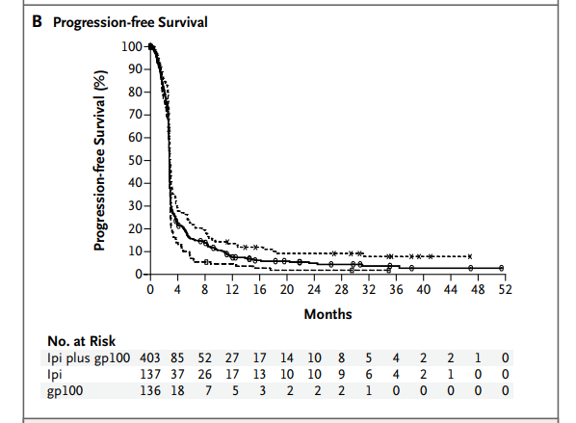
Treatment Experienced |  | 72
Time (In Years) | Nrisk
0 | 540 | interval | time | lower | upper | nrisk
0.33333333333 | 122 | 1 | 0 | 1 | 19 | 540
0.66666666667 | 78 | 2 | 0.33333333333 | 20 | 24 | 122
1 | 44 | 3 | 0.66666666667 | 25 | 28 | 78
1.3333333333 | 30 | 4 | 1 | 29 | 33 | 44
1.6666666667 | 24 | 5 | 1.3333333333 | 34 | 37 | 30
2 | 20 | 6 | 1.6666666667 | 38 | 41 | 24
2.3333333333 | 17 | 7 | 2 | 42 | 46 | 20
2.6666666667 | 11 | 8 | 2.3333333333 | 47 | 50 | 17
3 | 8 | 9 | 2.6666666667 | 51 | 54 | 11
3.3333333333 | 4 | 10 | 3 | 55 | 59 | 8
3.6666666667 | 3 | 11 | 3.3333333333 | 60 | 63 | 4
4 | 1 | 12 | 3.6666666667 | 64 | 67 | 3
4.3333333333 | 0 | 13 | 4 | 68 | 72 | 1
4.6666666667 | 0

