Overview
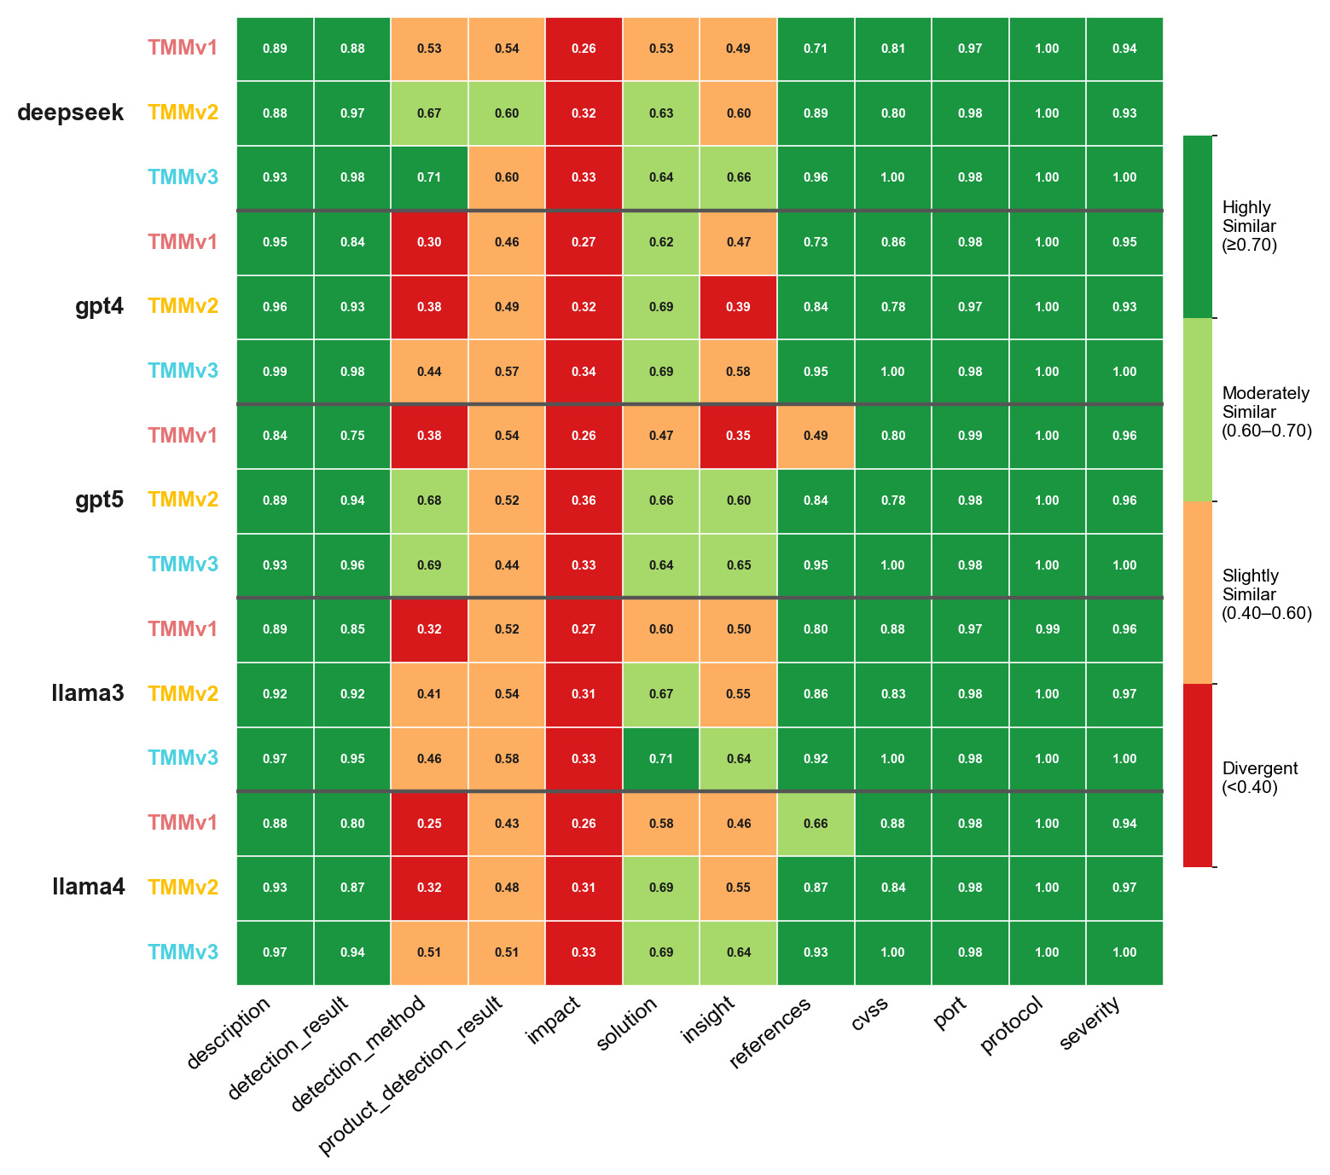
Overview
TMM — deepseek|TMMv1, deepseek|TMMv2, deepseek|TMMv3, gpt4|TMMv1, gpt4|TMMv2, gpt4|TMMv3, gpt5|TMMv1, gpt5|TMMv2, gpt5|TMMv3, llama3|TMMv1, llama3|TMMv2, llama3|TMMv3, llama4|TMMv1, llama4|TMMv2, llama4|TMMv3 | vulnnet_scans_openvas.csv

Overview TMMv1
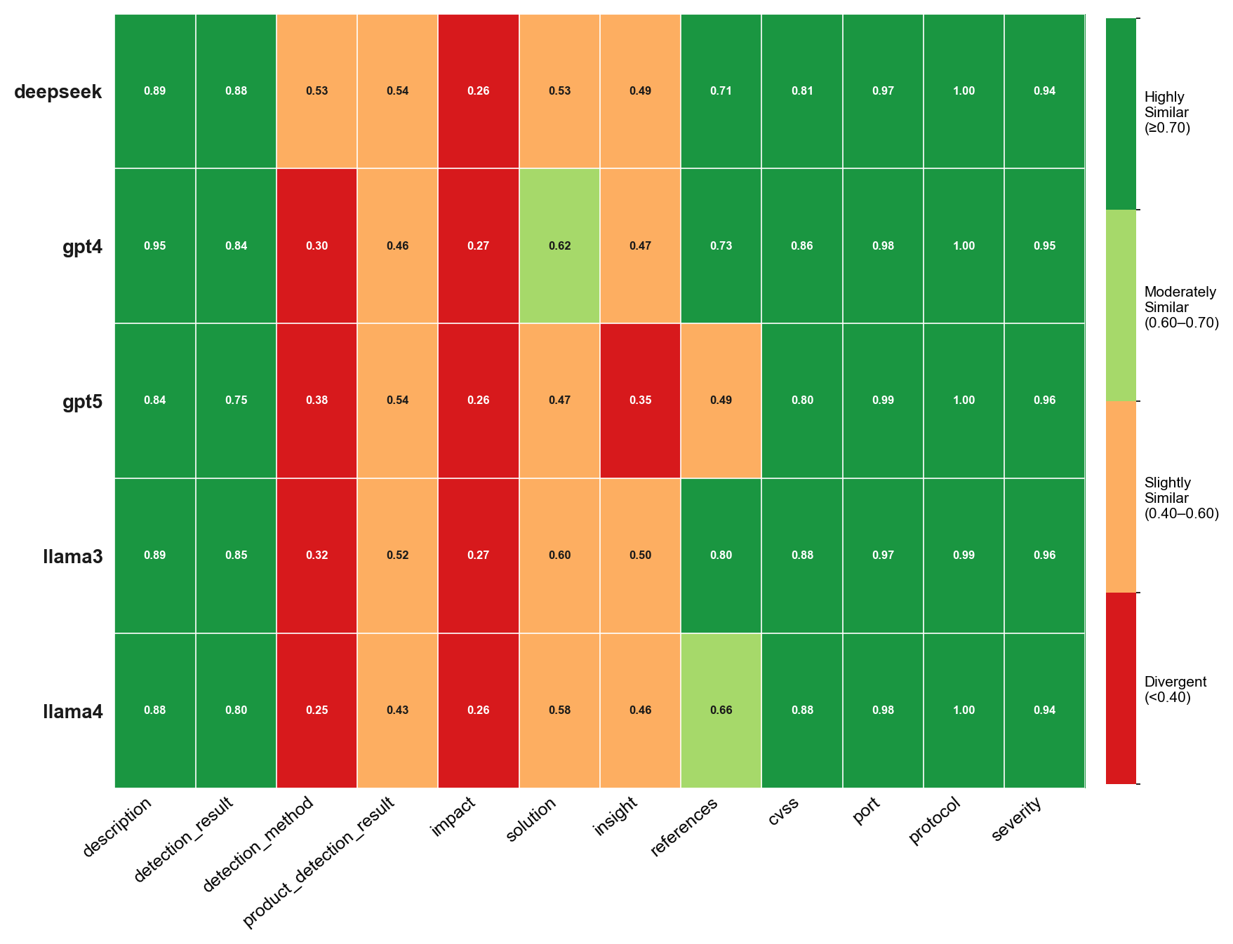
Overview TMMv1
TMM — deepseek|TMMv1, deepseek|TMMv2, deepseek|TMMv3, gpt4|TMMv1, gpt4|TMMv2, gpt4|TMMv3, gpt5|TMMv1, gpt5|TMMv2, gpt5|TMMv3, llama3|TMMv1, llama3|TMMv2, llama3|TMMv3, llama4|TMMv1, llama4|TMMv2, llama4|TMMv3 | vulnnet_scans_openvas.csv

Overview TMMv2
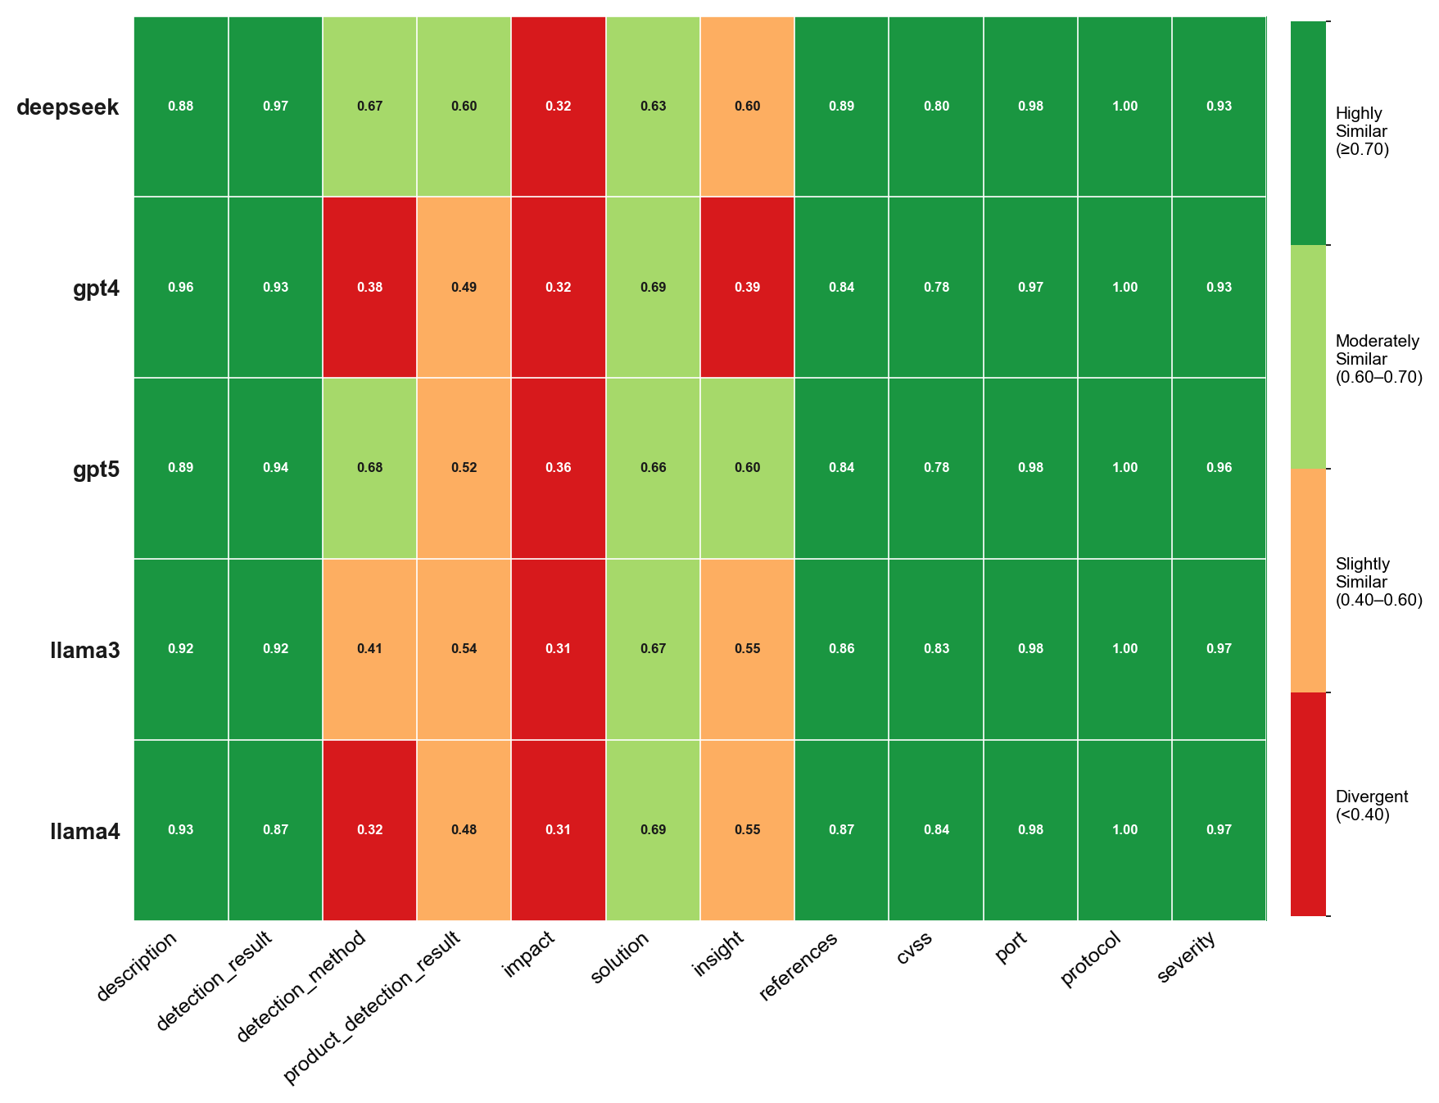
Overview TMMv2
TMM — deepseek|TMMv1, deepseek|TMMv2, deepseek|TMMv3, gpt4|TMMv1, gpt4|TMMv2, gpt4|TMMv3, gpt5|TMMv1, gpt5|TMMv2, gpt5|TMMv3, llama3|TMMv1, llama3|TMMv2, llama3|TMMv3, llama4|TMMv1, llama4|TMMv2, llama4|TMMv3 | vulnnet_scans_openvas.csv

Overview TMMv3
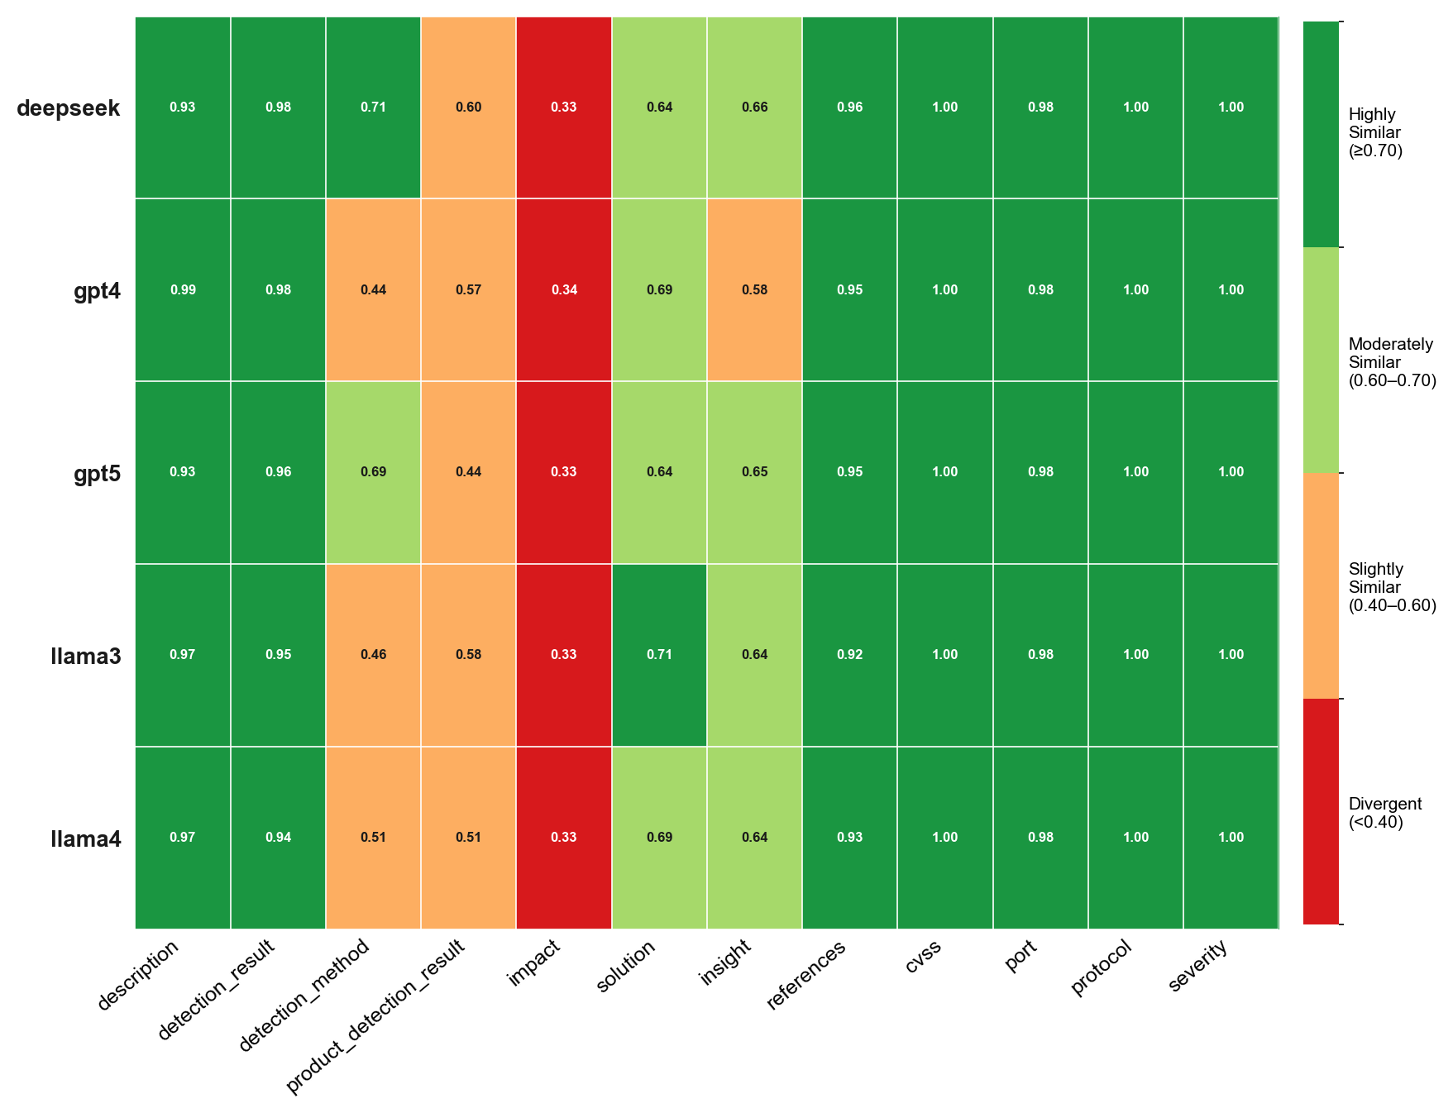
Overview TMMv3
TMM — deepseek|TMMv1, deepseek|TMMv2, deepseek|TMMv3, gpt4|TMMv1, gpt4|TMMv2, gpt4|TMMv3, gpt5|TMMv1, gpt5|TMMv2, gpt5|TMMv3, llama3|TMMv1, llama3|TMMv2, llama3|TMMv3, llama4|TMMv1, llama4|TMMv2, llama4|TMMv3 | vulnnet_scans_openvas.csv

All LLMs

All LLMs
TMM — deepseek|TMMv1, deepseek|TMMv2, deepseek|TMMv3, gpt4|TMMv1, gpt4|TMMv2, gpt4|TMMv3, gpt5|TMMv1, gpt5|TMMv2, gpt5|TMMv3, llama3|TMMv1, llama3|TMMv2, llama3|TMMv3, llama4|TMMv1, llama4|TMMv2, llama4|TMMv3 | vulnnet_scans_openvas.csv

DEEPSEEK
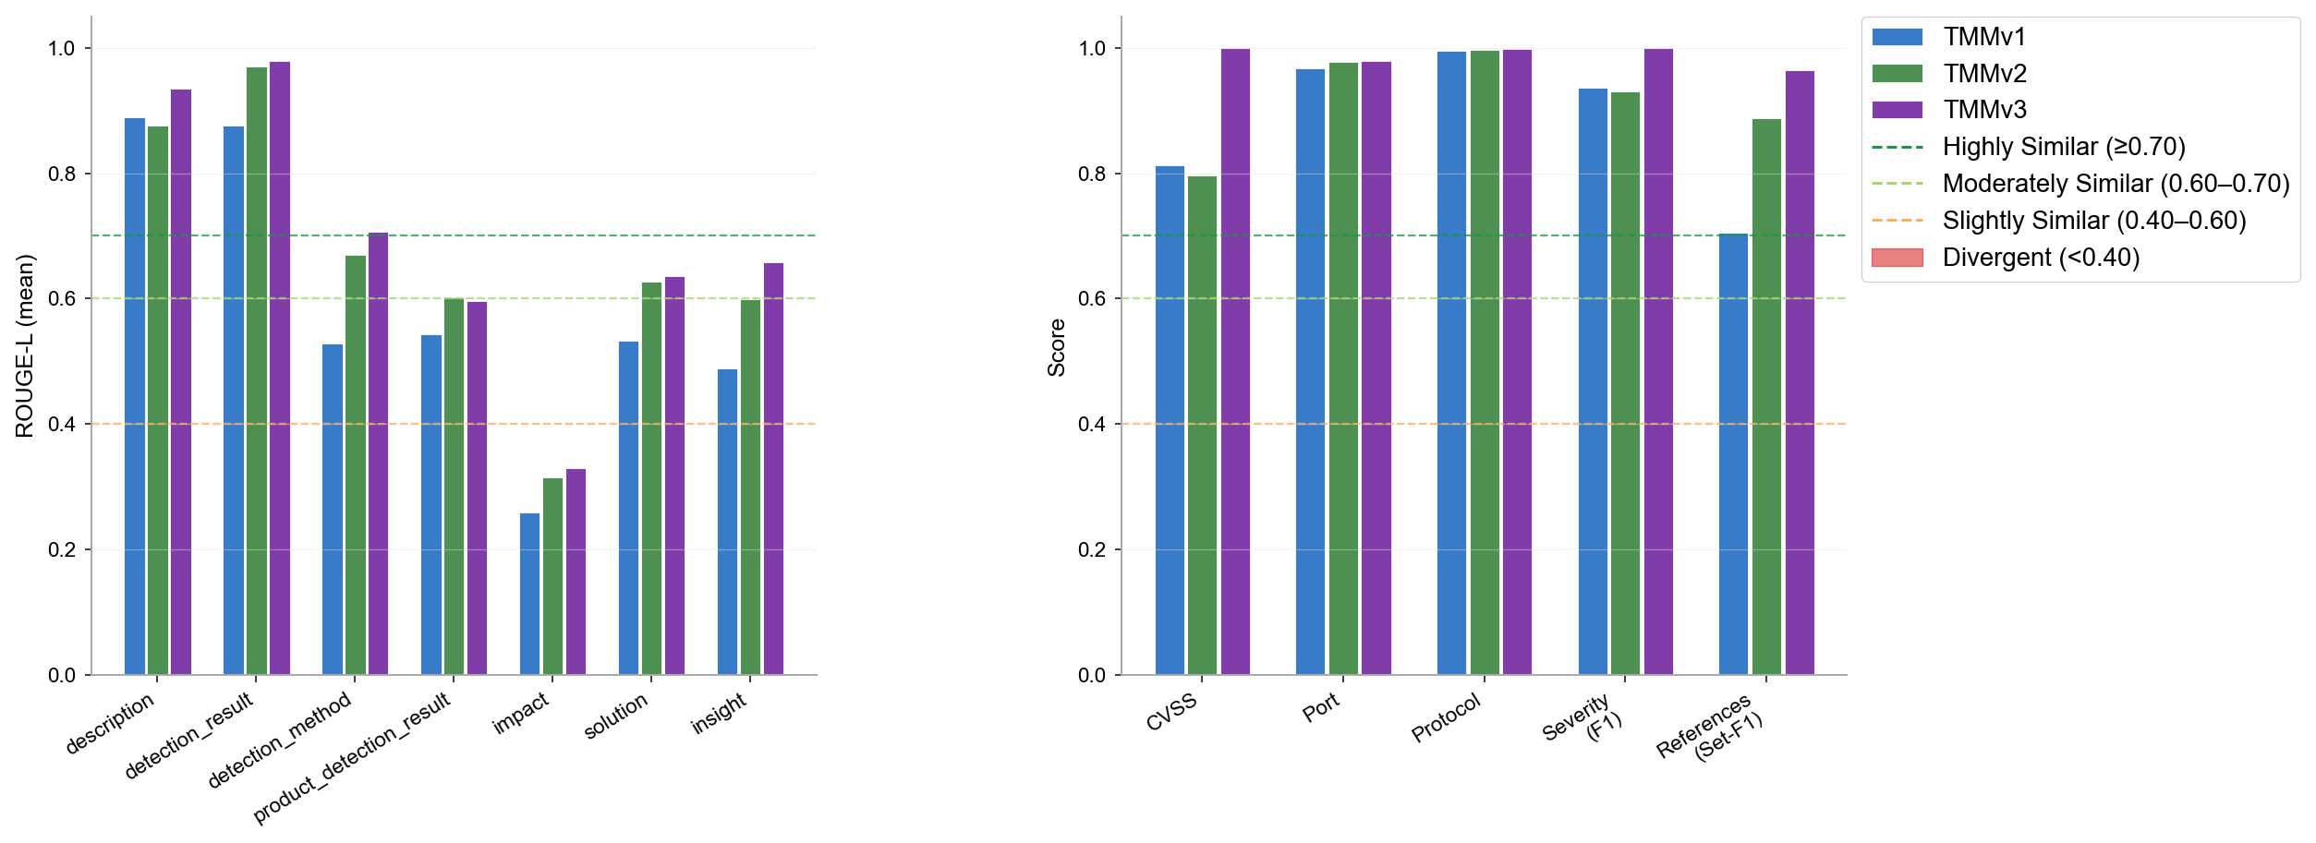
DEEPSEEK
TMM — deepseek|TMMv1, deepseek|TMMv2, deepseek|TMMv3, gpt4|TMMv1, gpt4|TMMv2, gpt4|TMMv3, gpt5|TMMv1, gpt5|TMMv2, gpt5|TMMv3, llama3|TMMv1, llama3|TMMv2, llama3|TMMv3, llama4|TMMv1, llama4|TMMv2, llama4|TMMv3 | vulnnet_scans_openvas.csv

GPT4
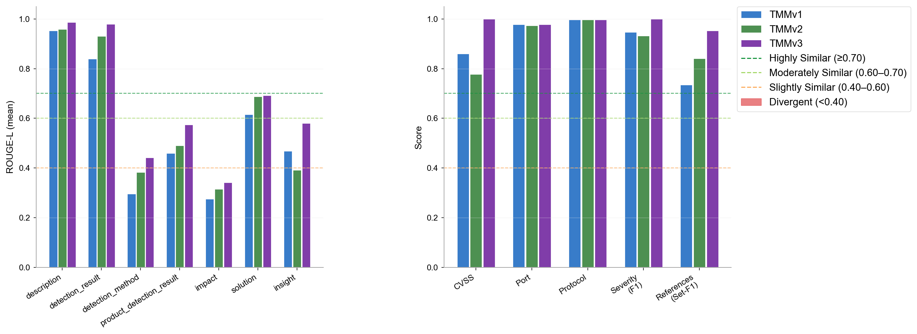
GPT4
TMM — deepseek|TMMv1, deepseek|TMMv2, deepseek|TMMv3, gpt4|TMMv1, gpt4|TMMv2, gpt4|TMMv3, gpt5|TMMv1, gpt5|TMMv2, gpt5|TMMv3, llama3|TMMv1, llama3|TMMv2, llama3|TMMv3, llama4|TMMv1, llama4|TMMv2, llama4|TMMv3 | vulnnet_scans_openvas.csv

GPT5
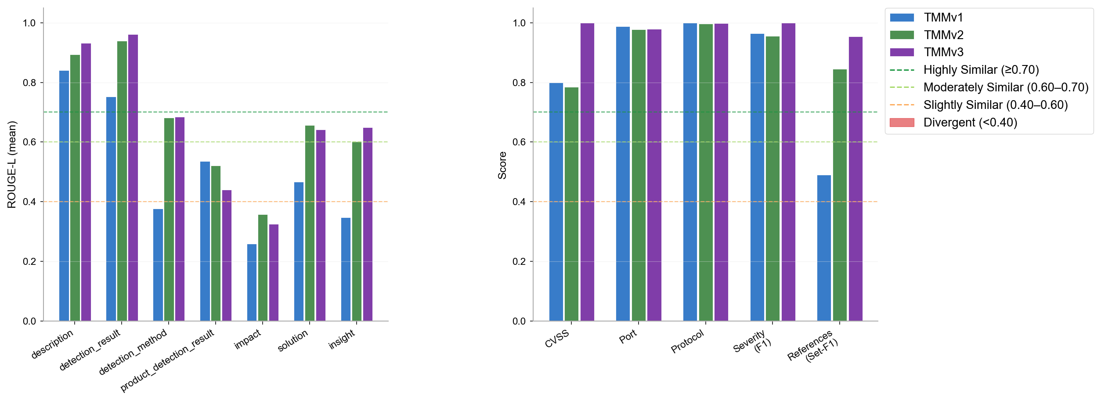
GPT5
TMM — deepseek|TMMv1, deepseek|TMMv2, deepseek|TMMv3, gpt4|TMMv1, gpt4|TMMv2, gpt4|TMMv3, gpt5|TMMv1, gpt5|TMMv2, gpt5|TMMv3, llama3|TMMv1, llama3|TMMv2, llama3|TMMv3, llama4|TMMv1, llama4|TMMv2, llama4|TMMv3 | vulnnet_scans_openvas.csv

LLAMA3

LLAMA3
TMM — deepseek|TMMv1, deepseek|TMMv2, deepseek|TMMv3, gpt4|TMMv1, gpt4|TMMv2, gpt4|TMMv3, gpt5|TMMv1, gpt5|TMMv2, gpt5|TMMv3, llama3|TMMv1, llama3|TMMv2, llama3|TMMv3, llama4|TMMv1, llama4|TMMv2, llama4|TMMv3 | vulnnet_scans_openvas.csv

LLAMA4
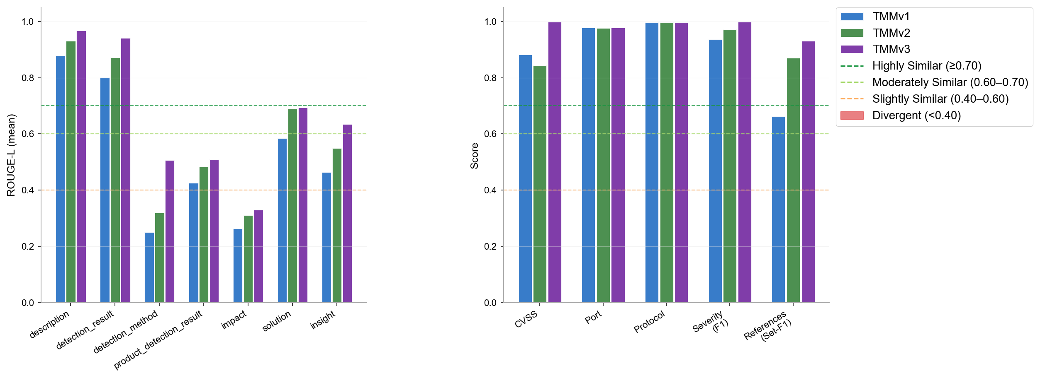
LLAMA4
TMM — deepseek|TMMv1, deepseek|TMMv2, deepseek|TMMv3, gpt4|TMMv1, gpt4|TMMv2, gpt4|TMMv3, gpt5|TMMv1, gpt5|TMMv2, gpt5|TMMv3, llama3|TMMv1, llama3|TMMv2, llama3|TMMv3, llama4|TMMv1, llama4|TMMv2, llama4|TMMv3 | vulnnet_scans_openvas.csv

Omission & Halluc.
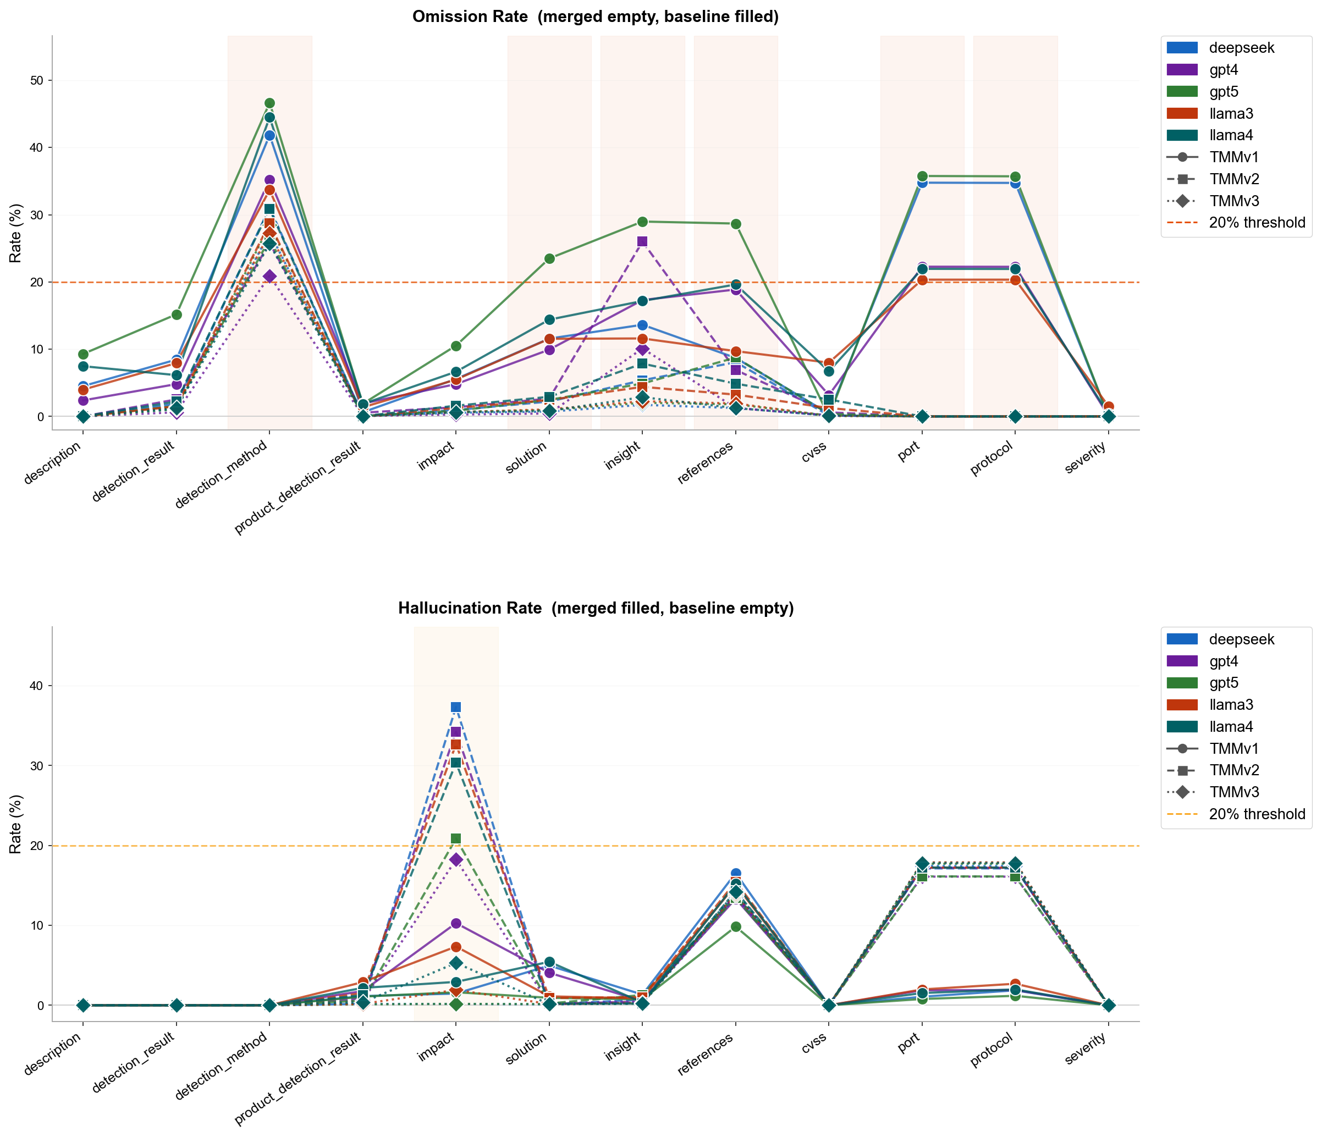
Omission & Halluc.
TMM — deepseek|TMMv1, deepseek|TMMv2, deepseek|TMMv3, gpt4|TMMv1, gpt4|TMMv2, gpt4|TMMv3, gpt5|TMMv1, gpt5|TMMv2, gpt5|TMMv3, llama3|TMMv1, llama3|TMMv2, llama3|TMMv3, llama4|TMMv1, llama4|TMMv2, llama4|TMMv3 | vulnnet_scans_openvas.csv

Omission Summary
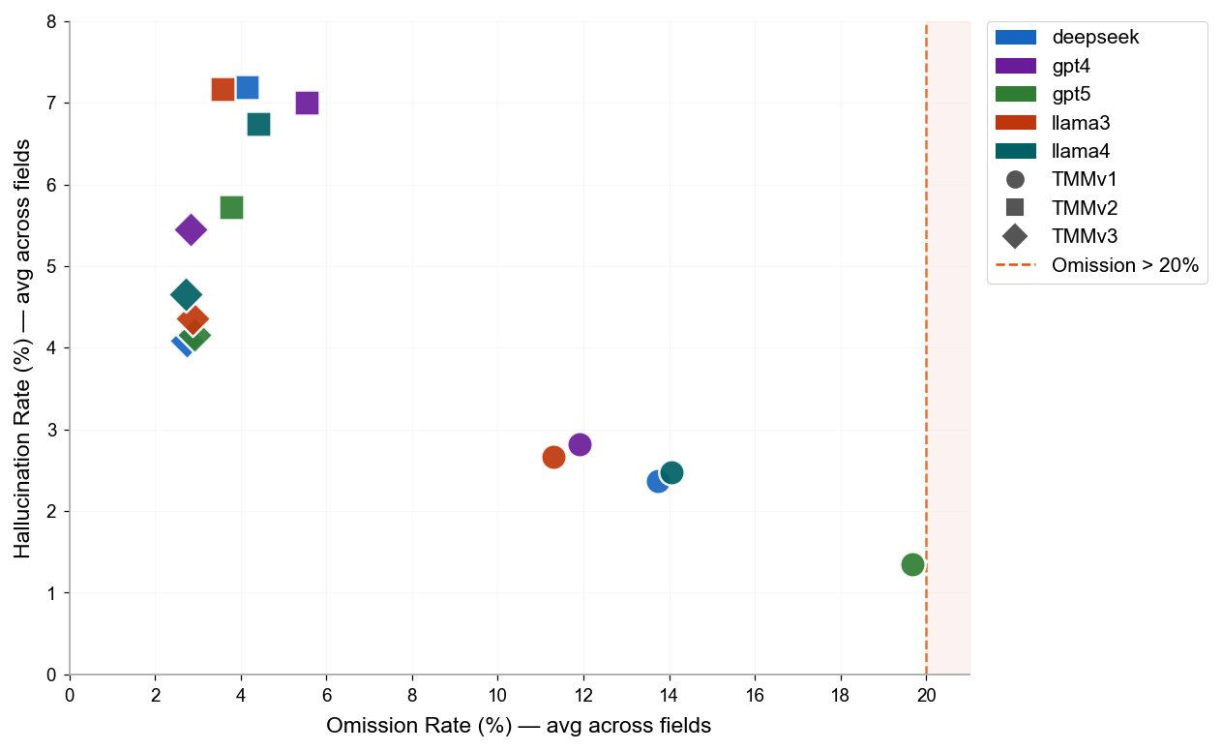
Omission & Hallucination — Cross-Version Summary
LLM | Version | N Pairs | N Field Obs. | OK | OK % | Omission | Omission % | Hallucination | Halluc. %
deepseek | TMMv1 | 5978 | 71736 | 48380 | 67.4% | 9852 | 13.7% | 1699 | 2.4%
deepseek | TMMv2 | 5953 | 71436 | 55010 | 77.0% | 2960 | 4.1% | 5140 | 7.2%
deepseek | TMMv3 | 5859 | 70308 | 55085 | 78.3% | 1925 | 2.7% | 2877 | 4.1%
gpt4 | TMMv1 | 5950 | 71400 | 49423 | 69.2% | 8510 | 11.9% | 2012 | 2.8%
gpt4 | TMMv2 | 5927 | 71124 | 53747 | 75.6% | 3935 | 5.5% | 4978 | 7.0%
gpt4 | TMMv3 | 5688 | 68256 | 53867 | 78.9% | 1926 | 2.8% | 3720 | 5.5%
gpt5 | TMMv1 | 2022 | 24264 | 15489 | 63.8% | 4775 | 19.7% | 328 | 1.4%
gpt5 | TMMv2 | 5189 | 62268 | 49016 | 78.7% | 2351 | 3.8% | 3565 | 5.7%
gpt5 | TMMv3 | 5763 | 69156 | 53899 | 77.9% | 2026 | 2.9% | 2877 | 4.2%
llama3 | TMMv1 | 5890 | 70680 | 49345 | 69.8% | 7980 | 11.3% | 1885 | 2.7%
llama3 | TMMv2 | 5918 | 71016 | 55043 | 77.5% | 2535 | 3.6% | 5092 | 7.2%
llama3 | TMMv3 | 5708 | 68496 | 53385 | 77.9% | 1973 | 2.9% | 2987 | 4.4%
llama4 | TMMv1 | 5732 | 68784 | 46309 | 67.3% | 9671 | 14.1% | 1699 | 2.5%
llama4 | TMMv2 | 5830 | 69960 | 53638 | 76.7% | 3081 | 4.4% | 4714 | 6.7%
llama4 | TMMv3 | 5726 | 68712 | 53696 | 78.1% | 1867 | 2.7% | 3199 | 4.7%

