Overview
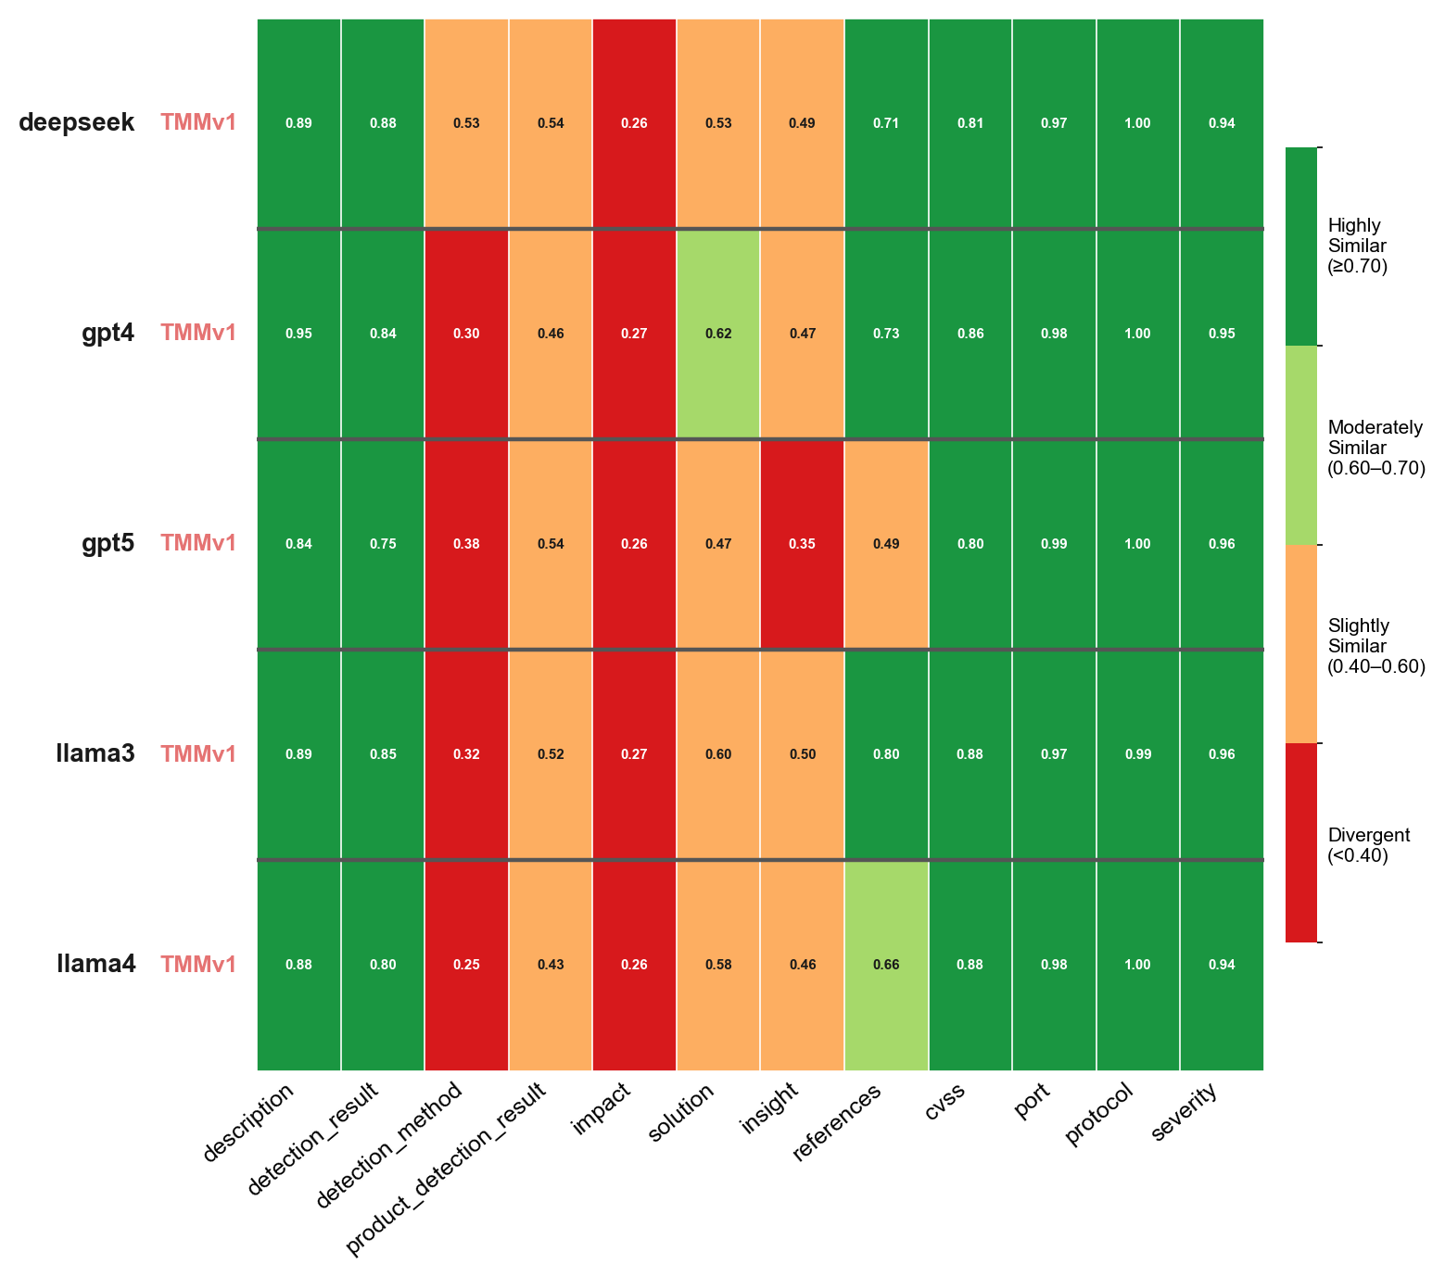
Overview
MulitaMiner — deepseek|TMMv1, gpt4|TMMv1, gpt5|TMMv1, llama3|TMMv1, llama4|TMMv1 | vulnnet_scans_openvas.csv

Overview TMMv1
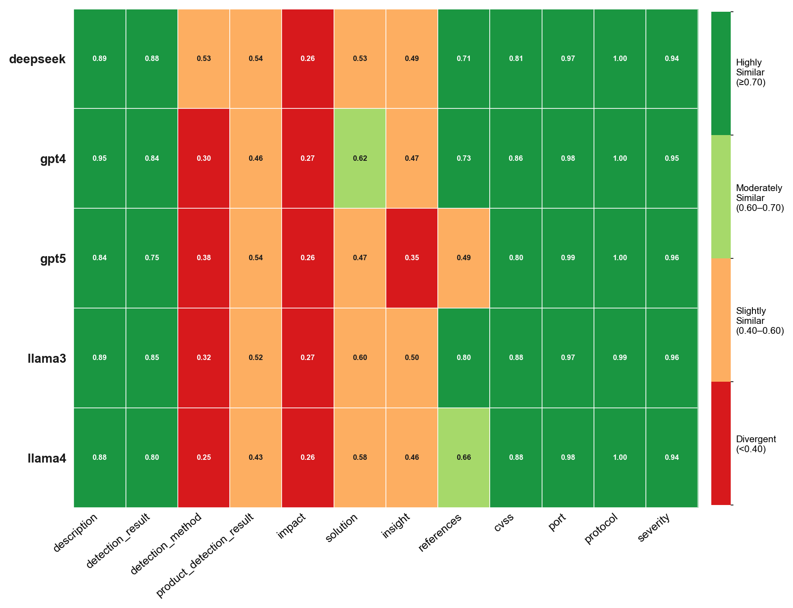
Overview TMMv1
MulitaMiner — deepseek|TMMv1, gpt4|TMMv1, gpt5|TMMv1, llama3|TMMv1, llama4|TMMv1 | vulnnet_scans_openvas.csv

Overview TMMv2
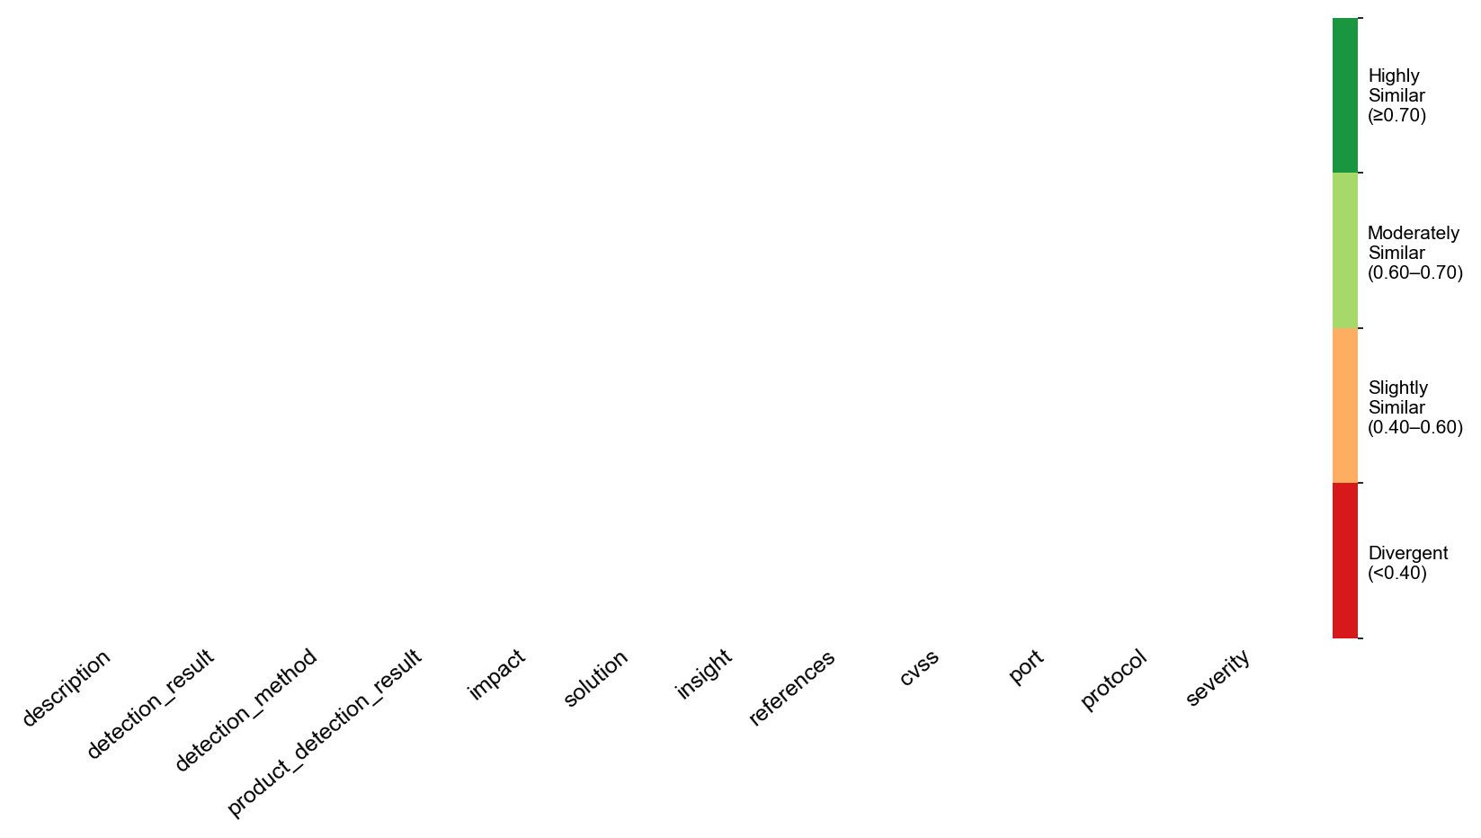
Overview TMMv2
MulitaMiner — deepseek|TMMv1, gpt4|TMMv1, gpt5|TMMv1, llama3|TMMv1, llama4|TMMv1 | vulnnet_scans_openvas.csv

All LLMs

All LLMs
MulitaMiner — deepseek|TMMv1, gpt4|TMMv1, gpt5|TMMv1, llama3|TMMv1, llama4|TMMv1 | vulnnet_scans_openvas.csv

DEEPSEEK
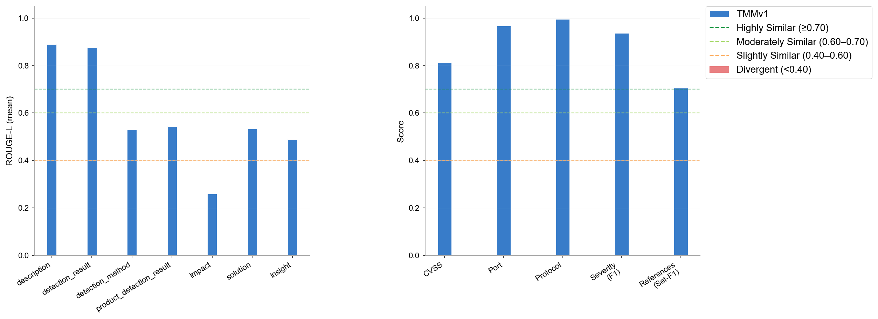
DEEPSEEK
MulitaMiner — deepseek|TMMv1, gpt4|TMMv1, gpt5|TMMv1, llama3|TMMv1, llama4|TMMv1 | vulnnet_scans_openvas.csv

GPT4
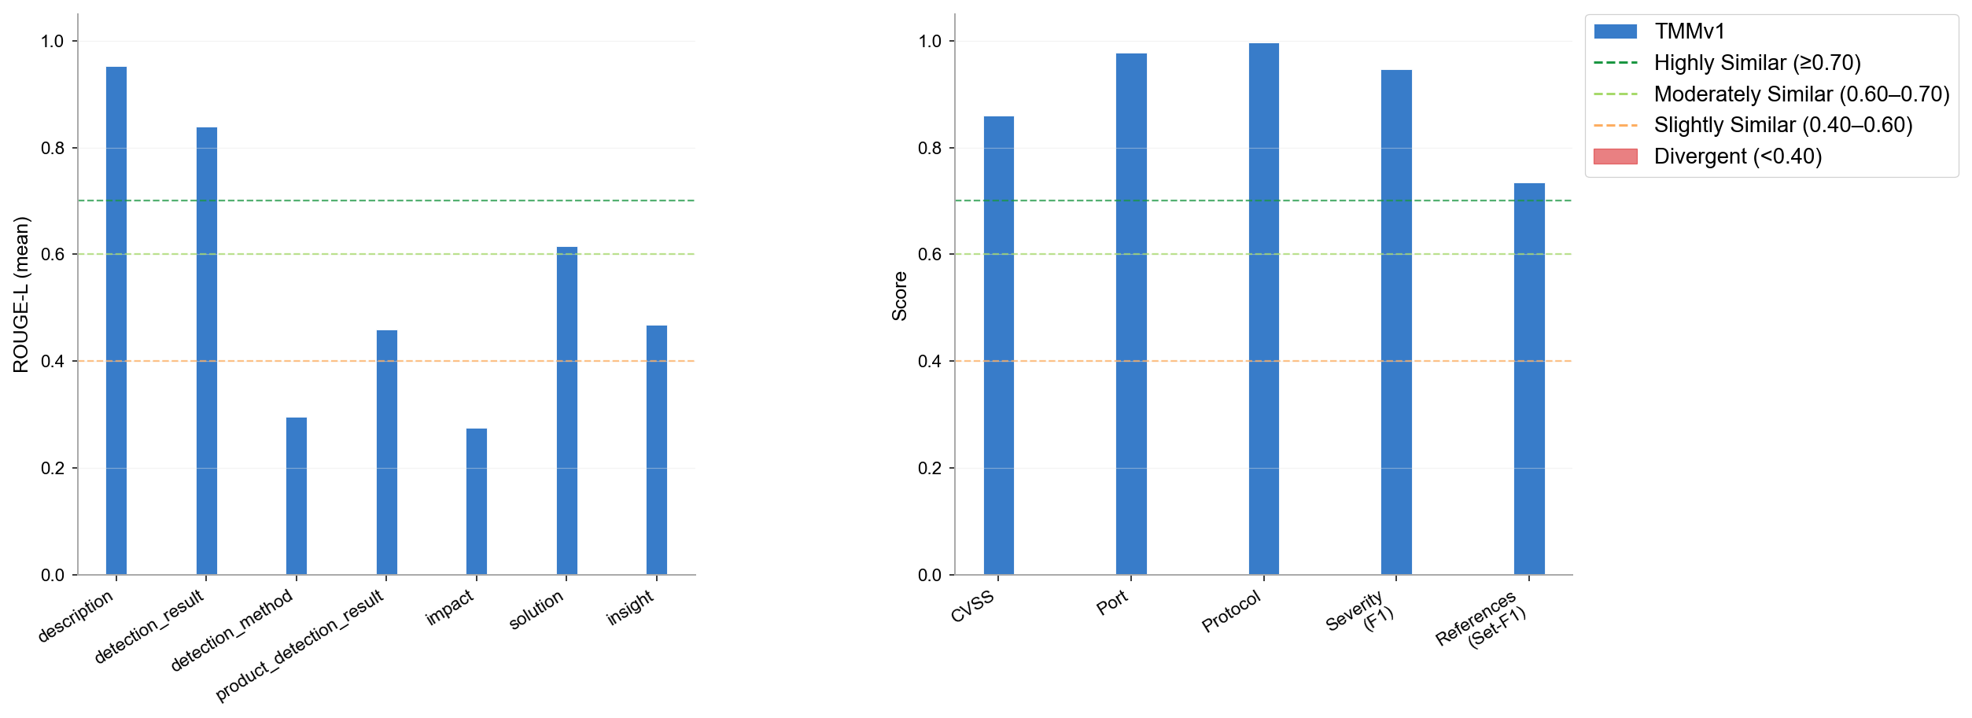
GPT4
MulitaMiner — deepseek|TMMv1, gpt4|TMMv1, gpt5|TMMv1, llama3|TMMv1, llama4|TMMv1 | vulnnet_scans_openvas.csv

GPT5
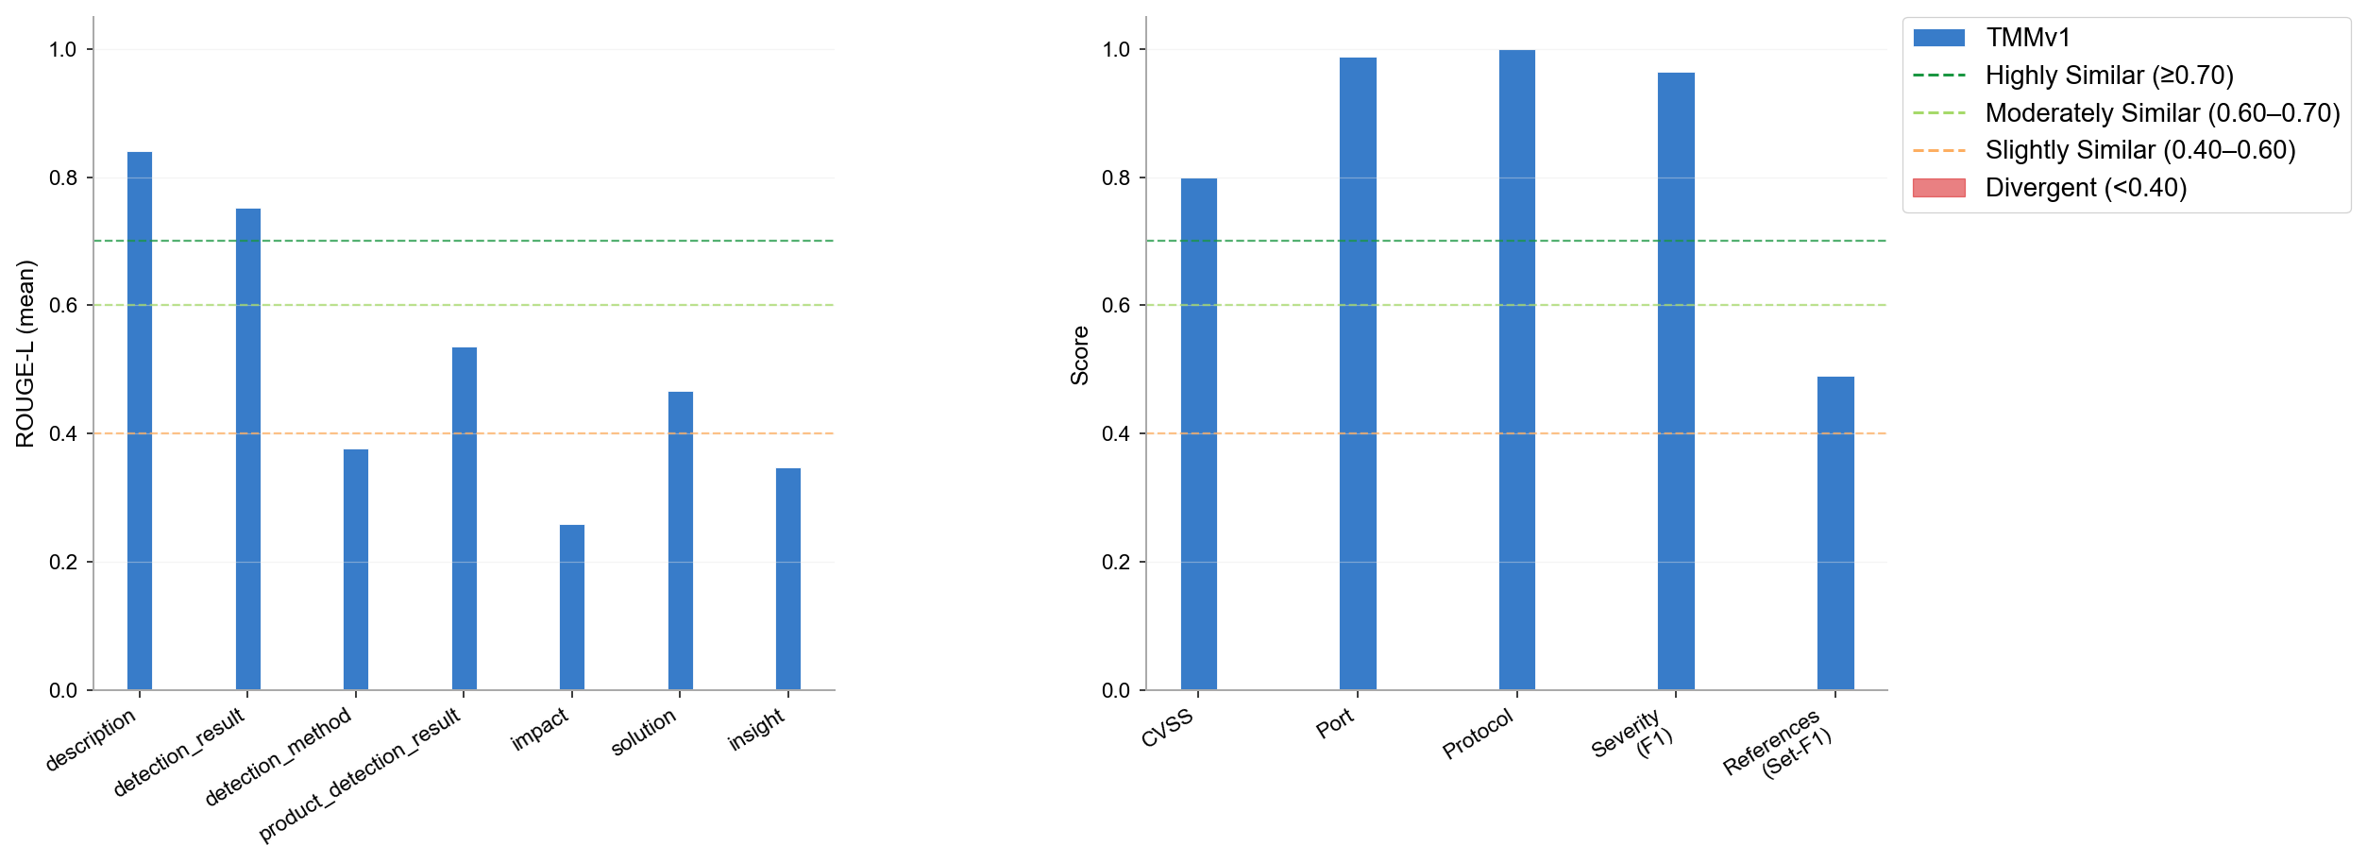
GPT5
MulitaMiner — deepseek|TMMv1, gpt4|TMMv1, gpt5|TMMv1, llama3|TMMv1, llama4|TMMv1 | vulnnet_scans_openvas.csv

LLAMA3
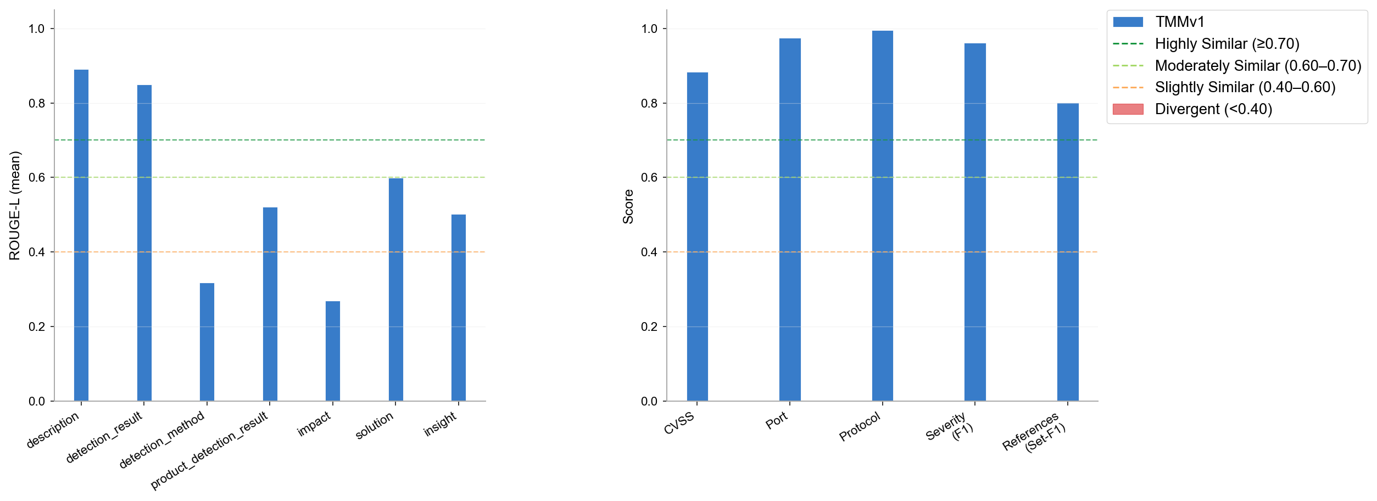
LLAMA3
MulitaMiner — deepseek|TMMv1, gpt4|TMMv1, gpt5|TMMv1, llama3|TMMv1, llama4|TMMv1 | vulnnet_scans_openvas.csv

LLAMA4
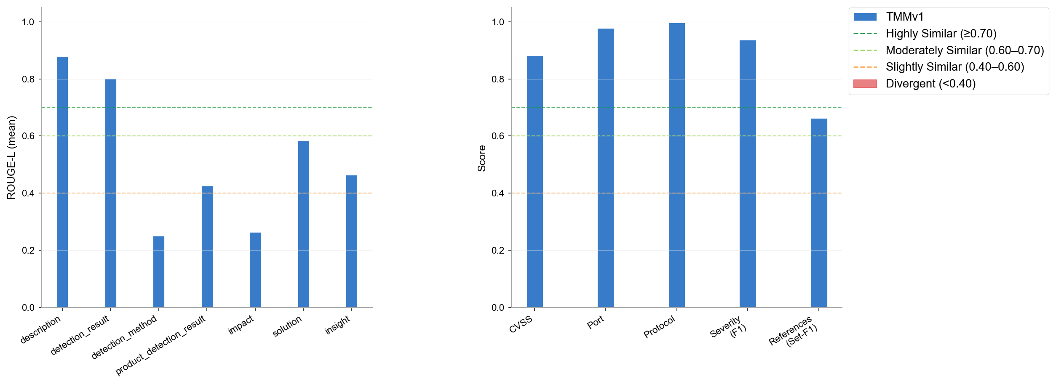
LLAMA4
MulitaMiner — deepseek|TMMv1, gpt4|TMMv1, gpt5|TMMv1, llama3|TMMv1, llama4|TMMv1 | vulnnet_scans_openvas.csv

Omission & Halluc.
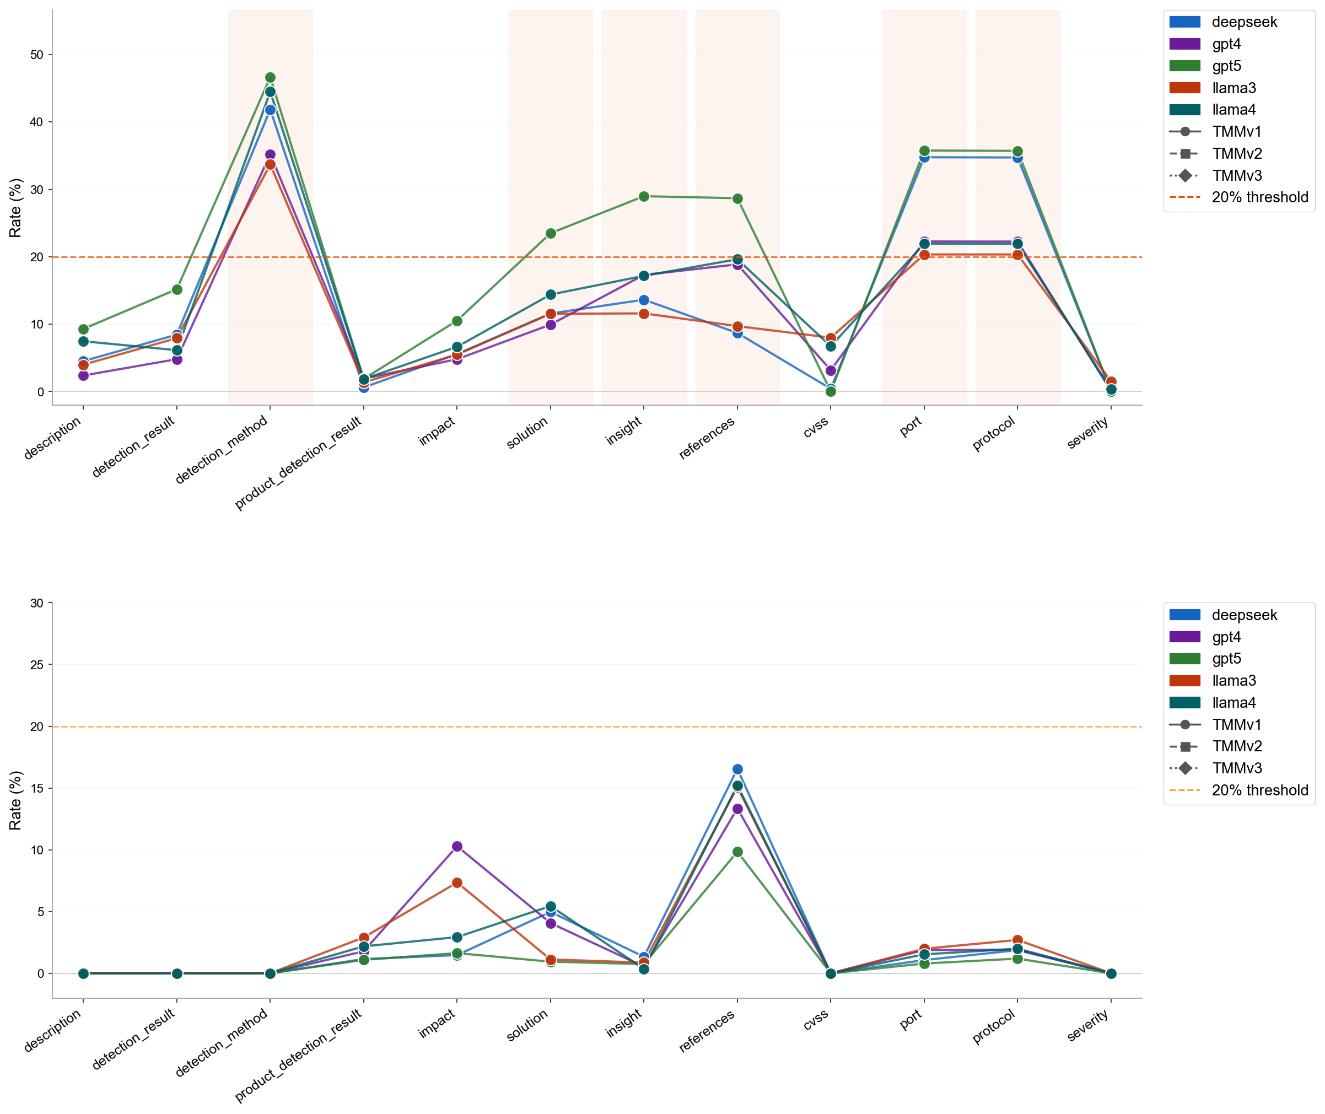
Omission & Halluc.
MulitaMiner — deepseek|TMMv1, gpt4|TMMv1, gpt5|TMMv1, llama3|TMMv1, llama4|TMMv1 | vulnnet_scans_openvas.csv

Omission Summary
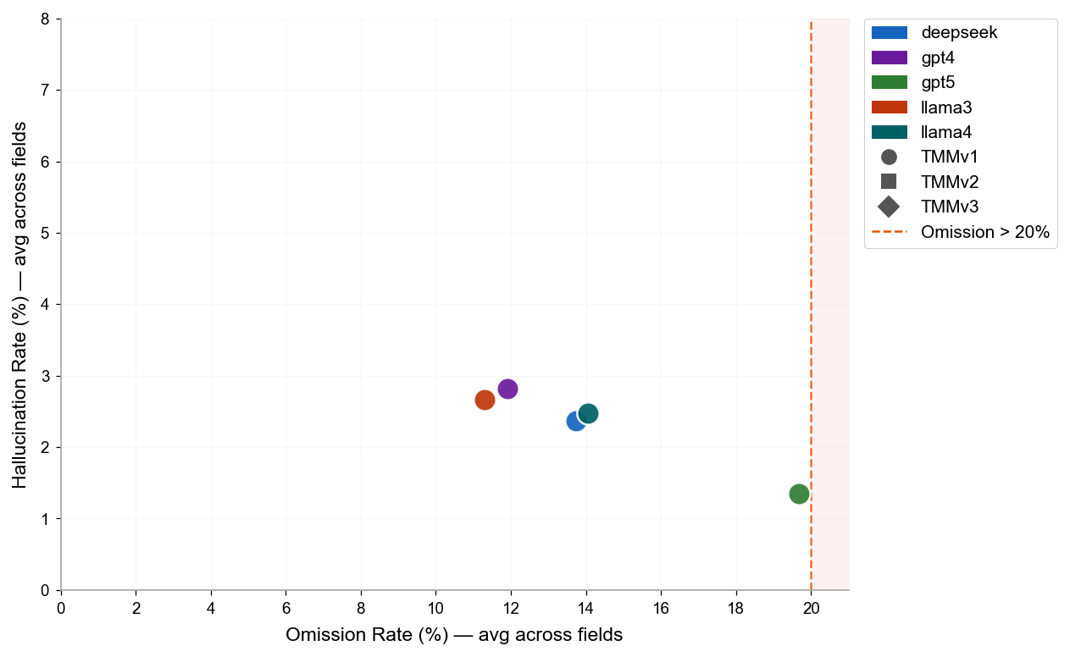
Omission & Hallucination — Cross-Version Summary
LLM | Version | N Pairs | N Field Obs. | OK | OK % | Omission | Omission % | Hallucination | Halluc. %
deepseek | TMMv1 | 5978 | 71736 | 48380 | 67.4% | 9852 | 13.7% | 1699 | 2.4%
gpt4 | TMMv1 | 5950 | 71400 | 49423 | 69.2% | 8510 | 11.9% | 2012 | 2.8%
gpt5 | TMMv1 | 2022 | 24264 | 15489 | 63.8% | 4775 | 19.7% | 328 | 1.4%
llama3 | TMMv1 | 5890 | 70680 | 49345 | 69.8% | 7980 | 11.3% | 1885 | 2.7%
llama4 | TMMv1 | 5732 | 68784 | 46309 | 67.3% | 9671 | 14.1% | 1699 | 2.5%

