Overview
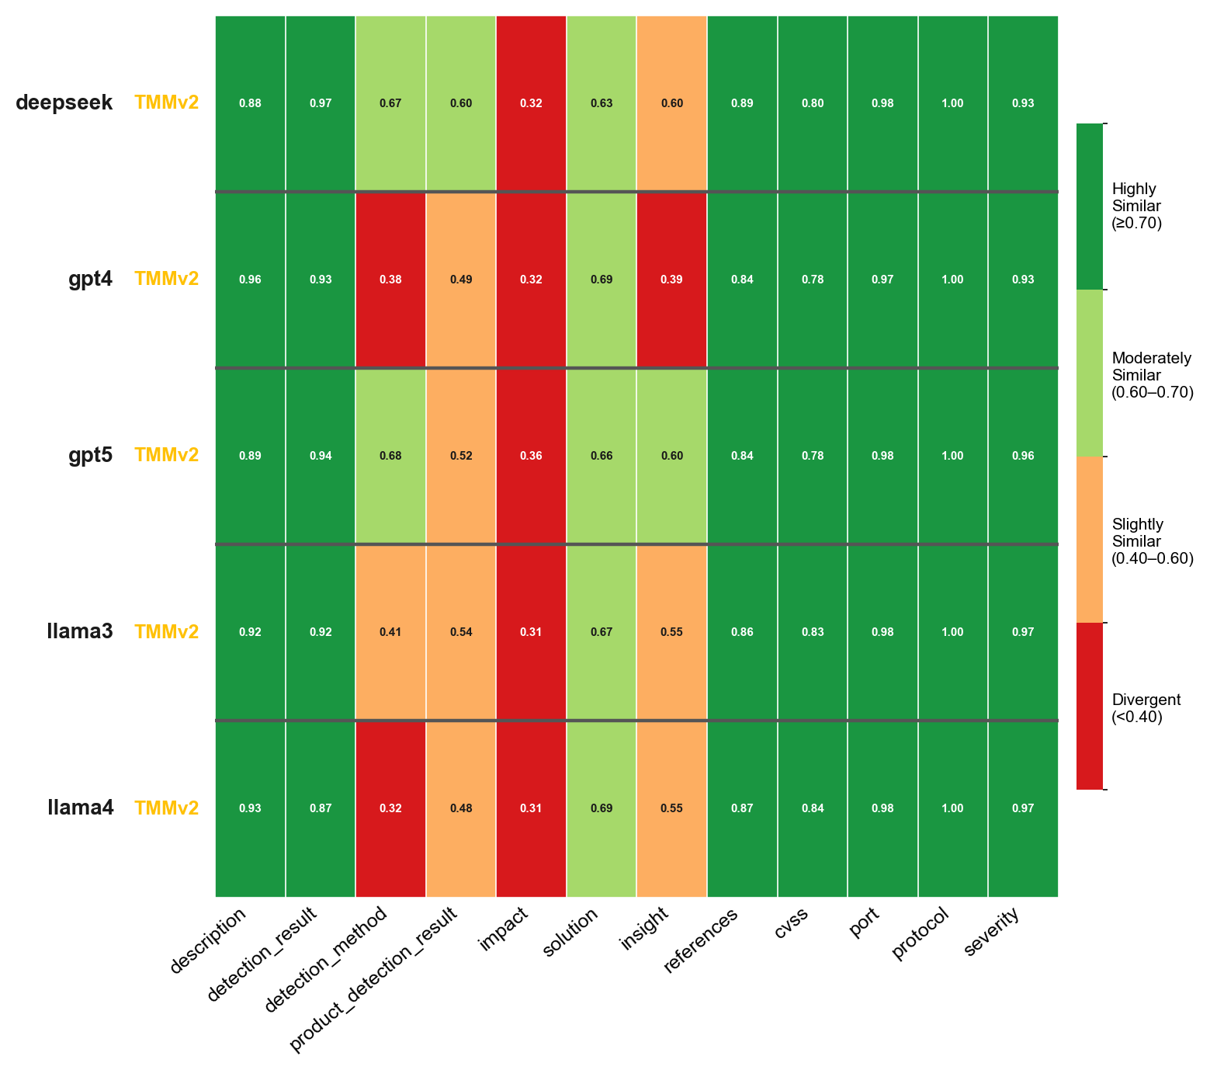
Overview
MulitaMiner — deepseek|TMMv2, gpt4|TMMv2, gpt5|TMMv2, llama3|TMMv2, llama4|TMMv2 | vulnnet_scans_openvas.csv

Overview TMMv1
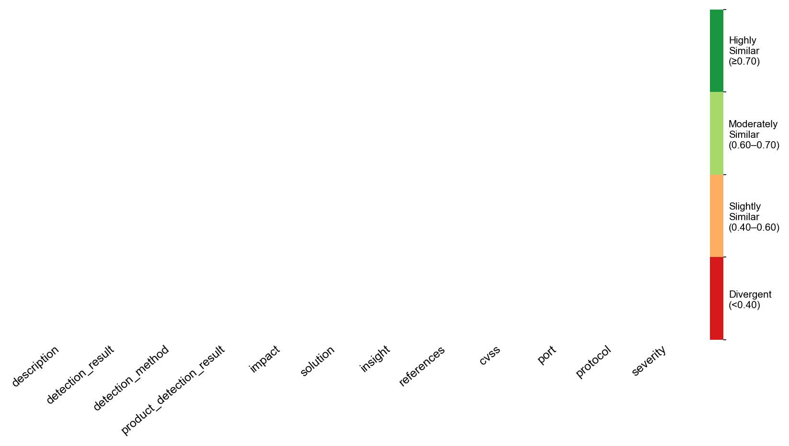
Overview TMMv1
MulitaMiner — deepseek|TMMv2, gpt4|TMMv2, gpt5|TMMv2, llama3|TMMv2, llama4|TMMv2 | vulnnet_scans_openvas.csv

Overview TMMv2
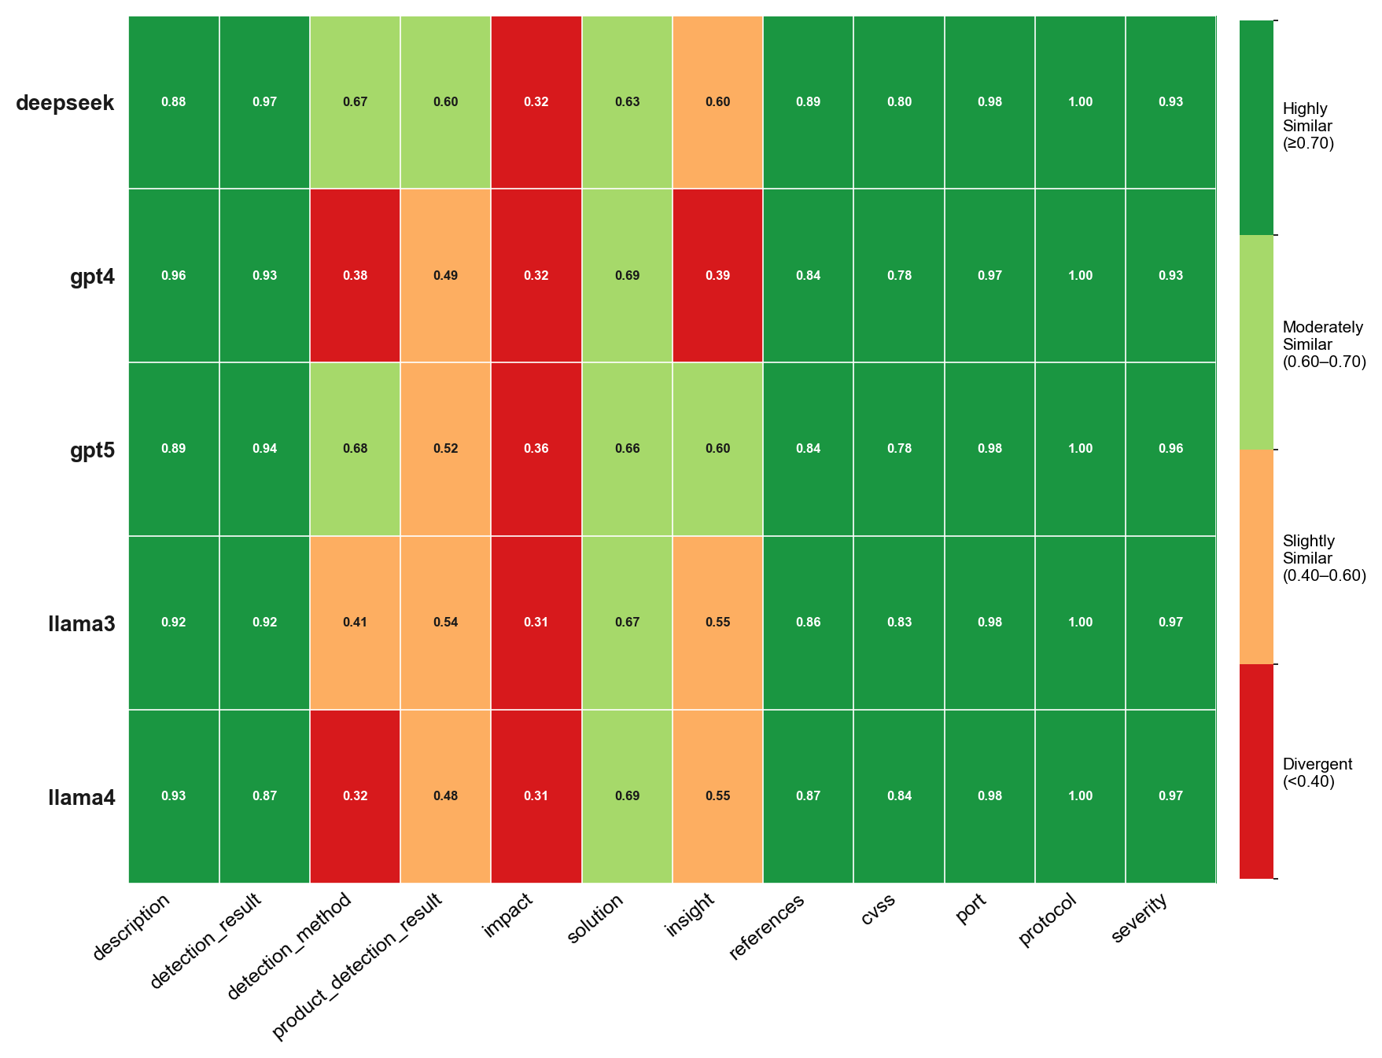
Overview TMMv2
MulitaMiner — deepseek|TMMv2, gpt4|TMMv2, gpt5|TMMv2, llama3|TMMv2, llama4|TMMv2 | vulnnet_scans_openvas.csv

All LLMs

All LLMs
MulitaMiner — deepseek|TMMv2, gpt4|TMMv2, gpt5|TMMv2, llama3|TMMv2, llama4|TMMv2 | vulnnet_scans_openvas.csv

DEEPSEEK
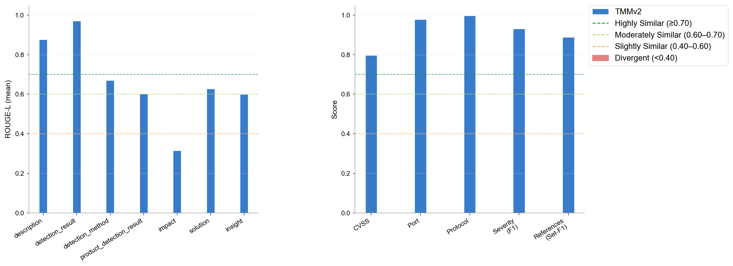
DEEPSEEK
MulitaMiner — deepseek|TMMv2, gpt4|TMMv2, gpt5|TMMv2, llama3|TMMv2, llama4|TMMv2 | vulnnet_scans_openvas.csv

GPT4
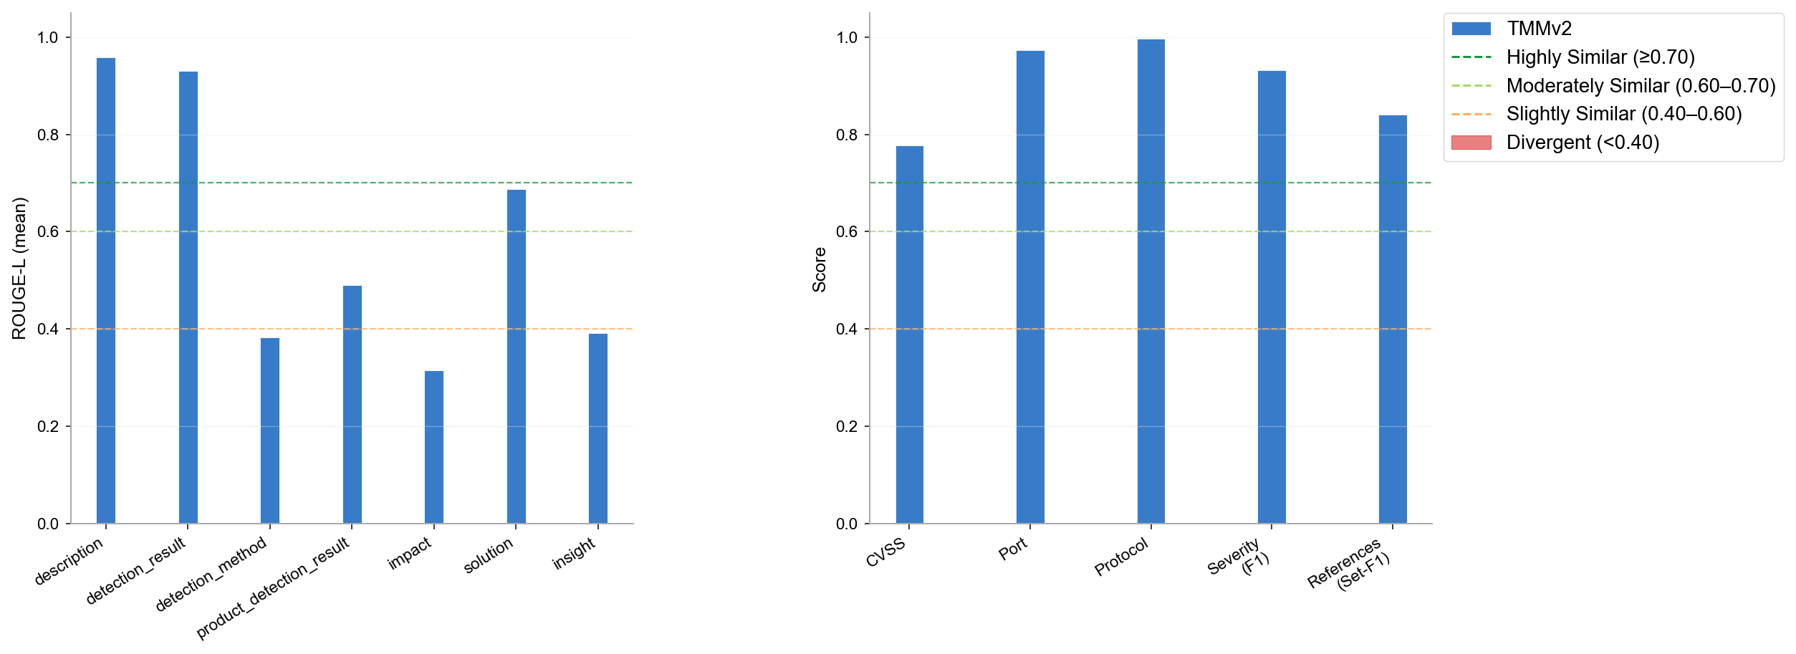
GPT4
MulitaMiner — deepseek|TMMv2, gpt4|TMMv2, gpt5|TMMv2, llama3|TMMv2, llama4|TMMv2 | vulnnet_scans_openvas.csv

GPT5
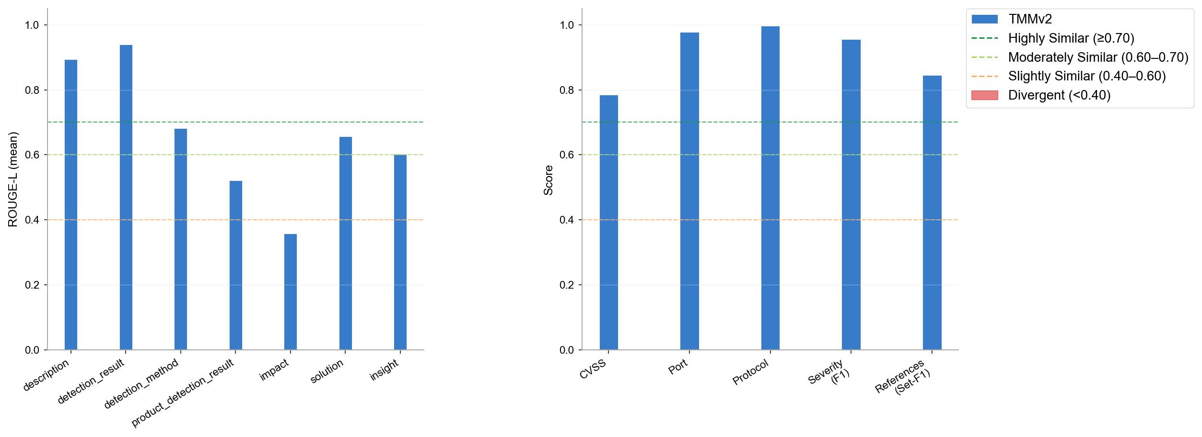
GPT5
MulitaMiner — deepseek|TMMv2, gpt4|TMMv2, gpt5|TMMv2, llama3|TMMv2, llama4|TMMv2 | vulnnet_scans_openvas.csv

LLAMA3
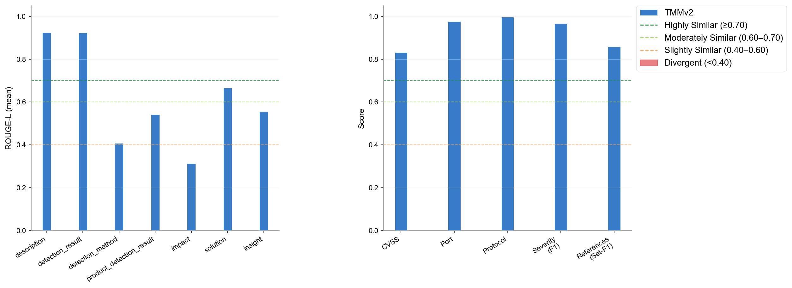
LLAMA3
MulitaMiner — deepseek|TMMv2, gpt4|TMMv2, gpt5|TMMv2, llama3|TMMv2, llama4|TMMv2 | vulnnet_scans_openvas.csv

LLAMA4
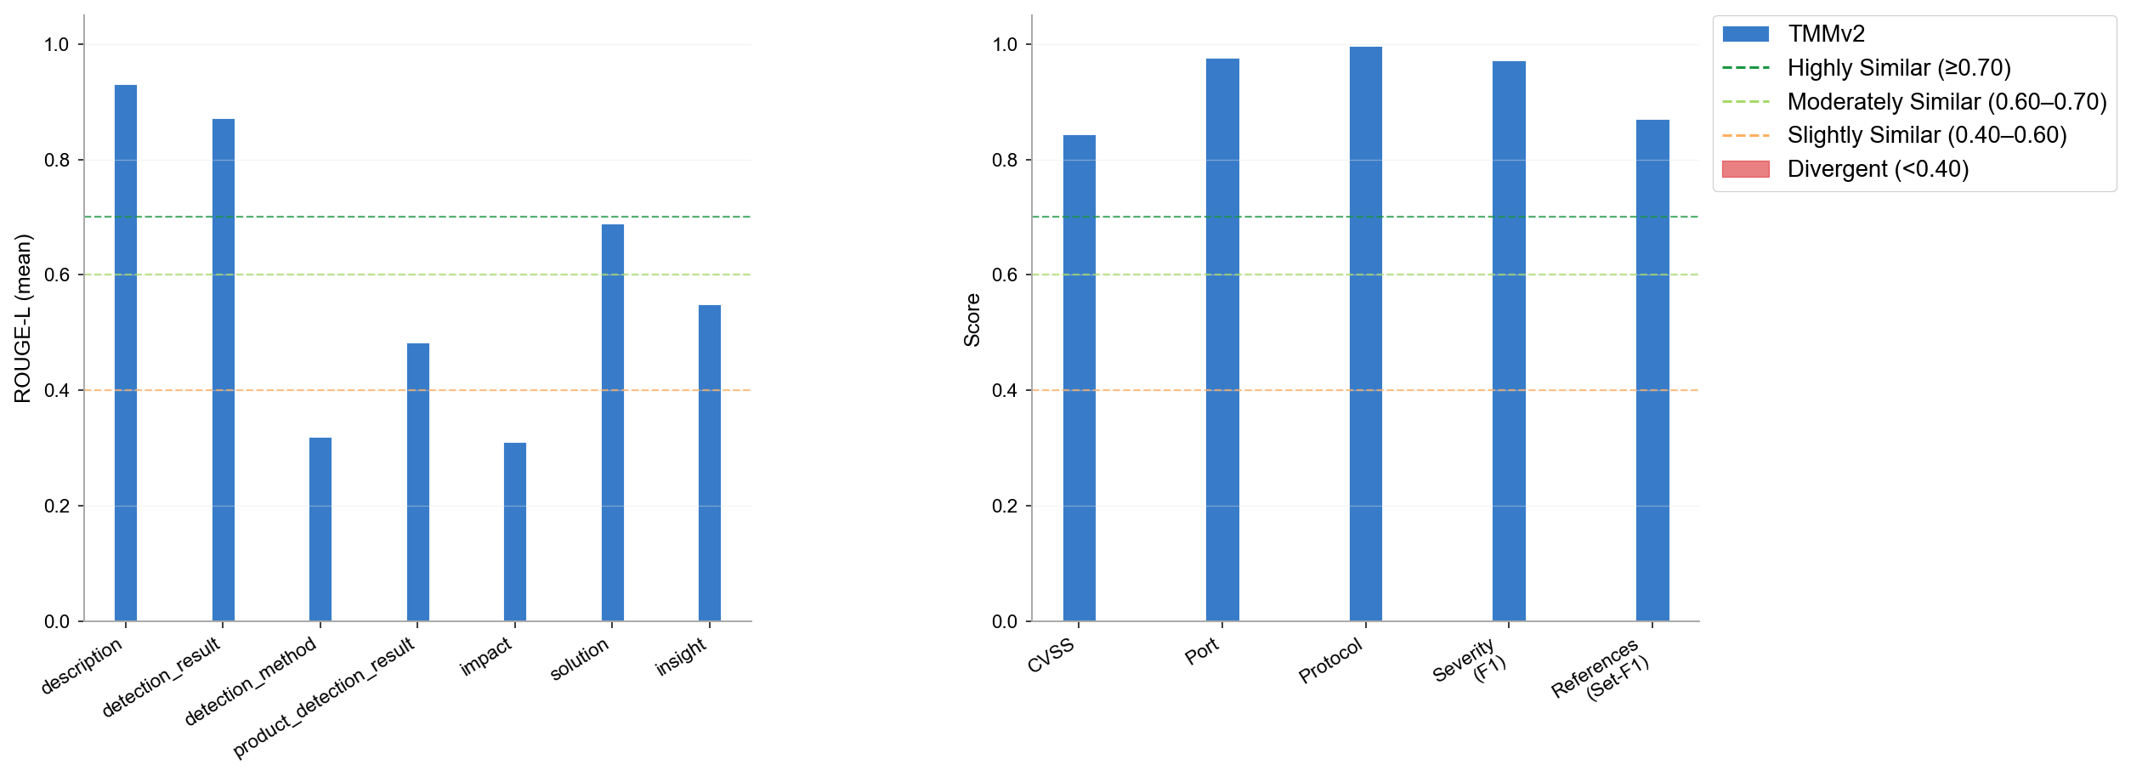
LLAMA4
MulitaMiner — deepseek|TMMv2, gpt4|TMMv2, gpt5|TMMv2, llama3|TMMv2, llama4|TMMv2 | vulnnet_scans_openvas.csv

Omission & Halluc.
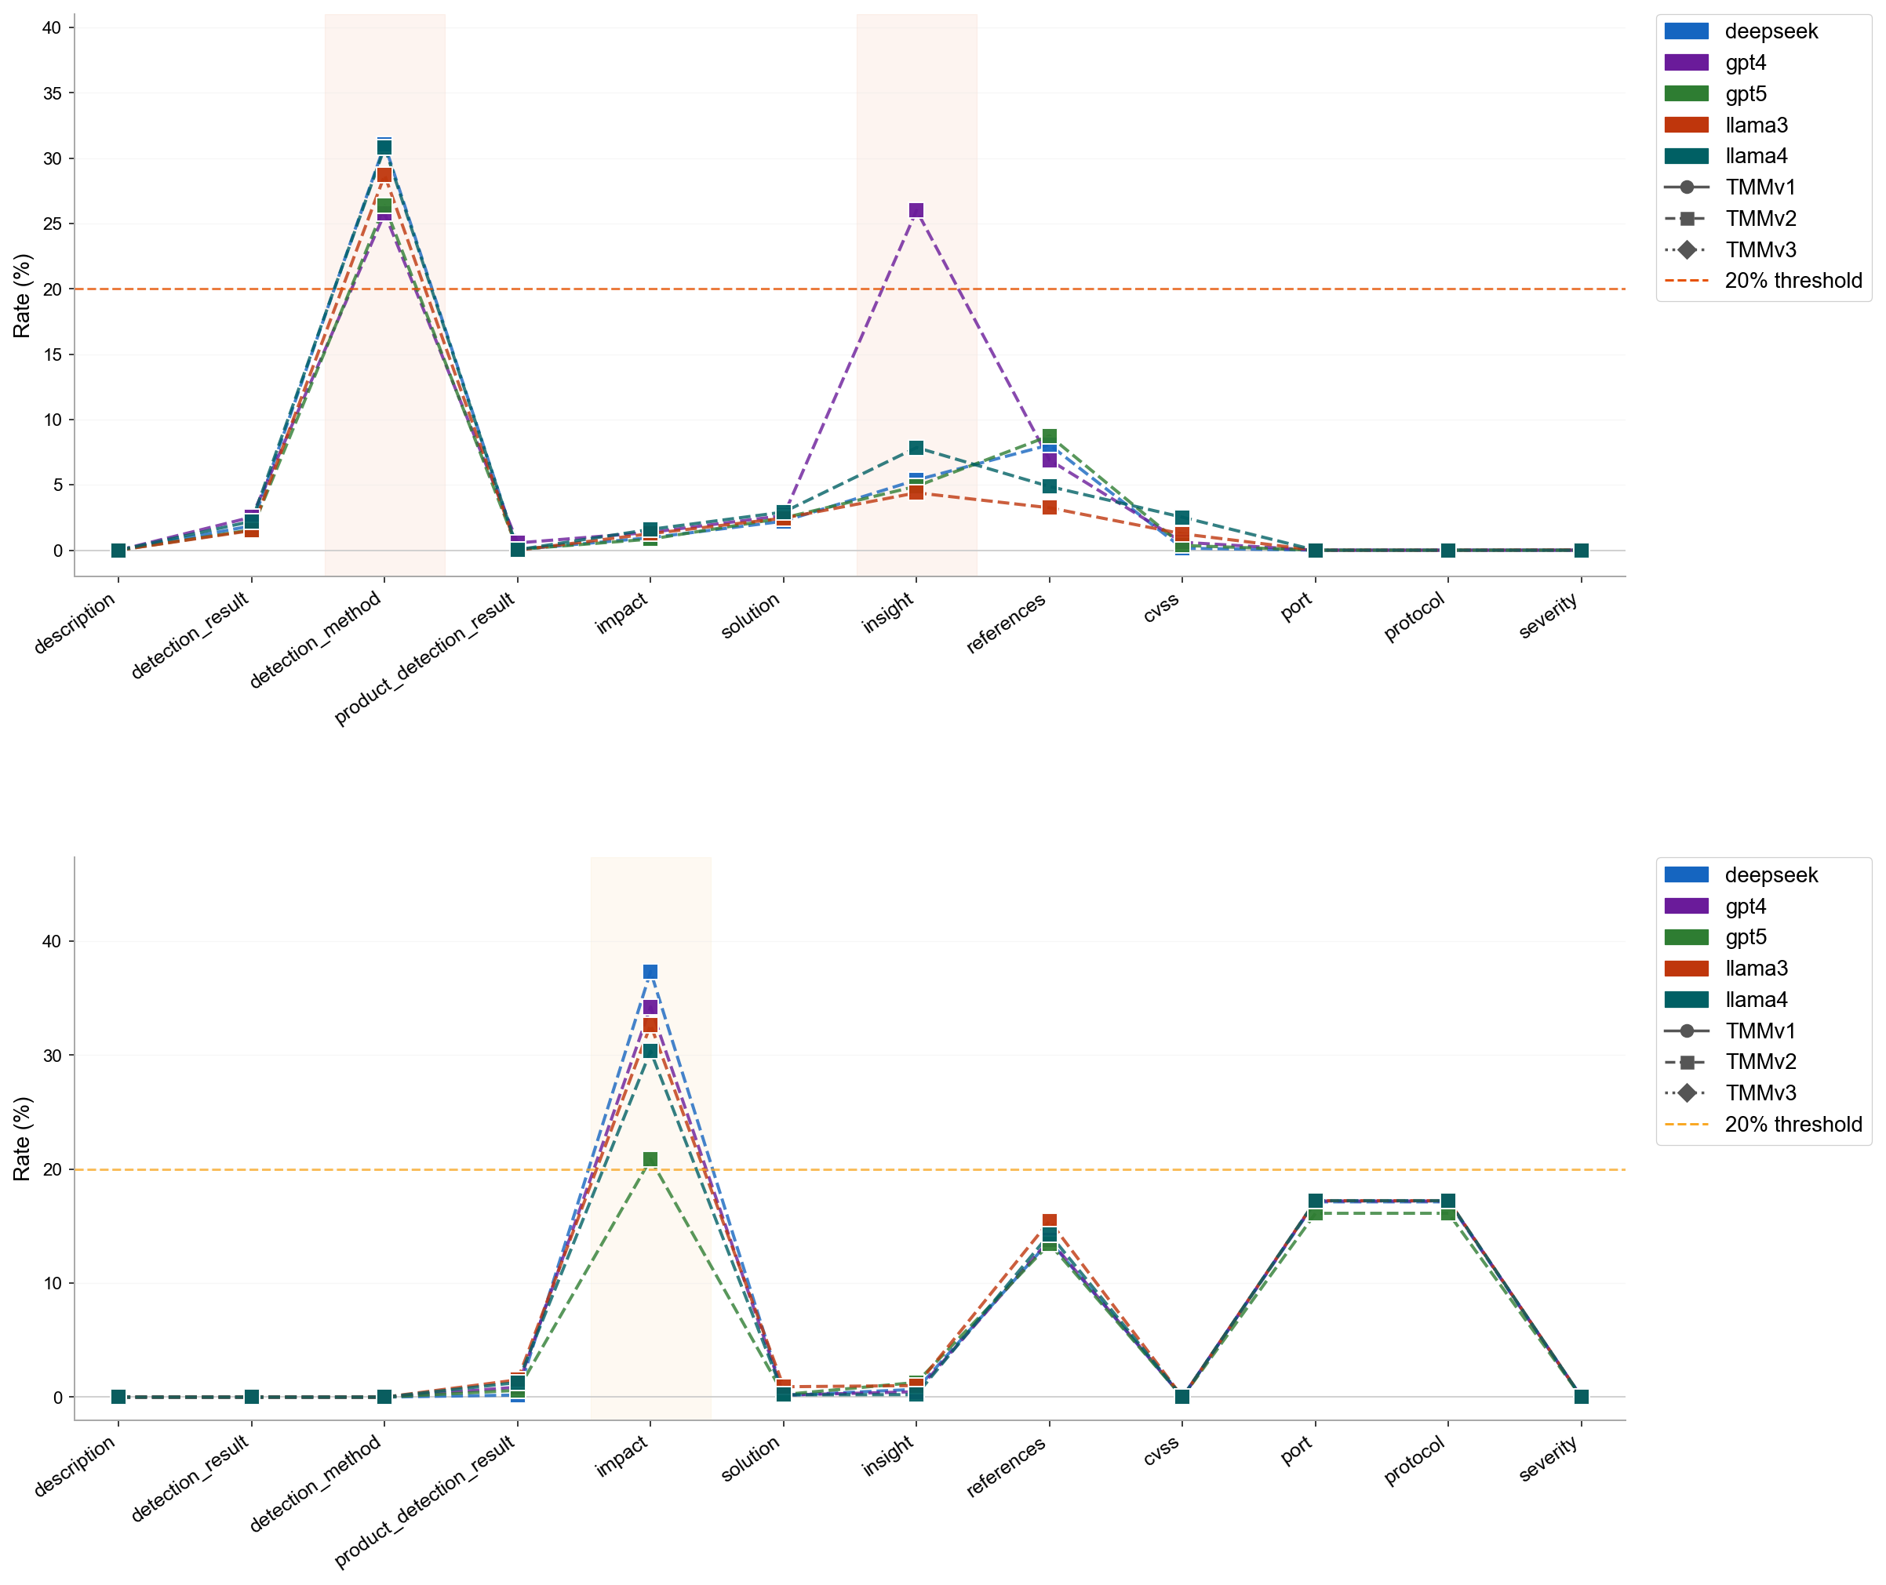
Omission & Halluc.
MulitaMiner — deepseek|TMMv2, gpt4|TMMv2, gpt5|TMMv2, llama3|TMMv2, llama4|TMMv2 | vulnnet_scans_openvas.csv

Omission Summary
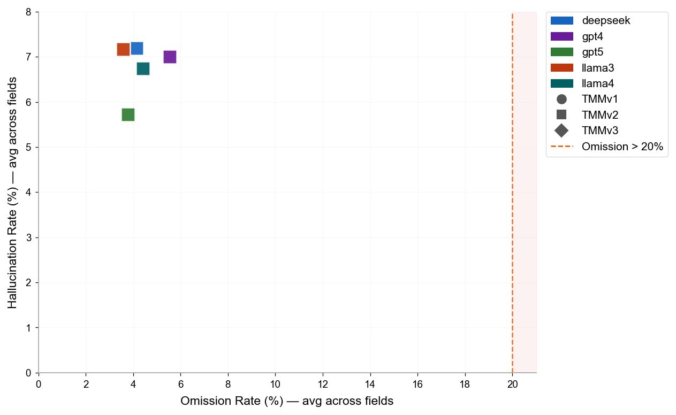
Omission & Hallucination — Cross-Version Summary
LLM | Version | N Pairs | N Field Obs. | OK | OK % | Omission | Omission % | Hallucination | Halluc. %
deepseek | TMMv2 | 5953 | 71436 | 55010 | 77.0% | 2960 | 4.1% | 5140 | 7.2%
gpt4 | TMMv2 | 5927 | 71124 | 53747 | 75.6% | 3935 | 5.5% | 4978 | 7.0%
gpt5 | TMMv2 | 5189 | 62268 | 49016 | 78.7% | 2351 | 3.8% | 3565 | 5.7%
llama3 | TMMv2 | 5918 | 71016 | 55043 | 77.5% | 2535 | 3.6% | 5092 | 7.2%
llama4 | TMMv2 | 5830 | 69960 | 53638 | 76.7% | 3081 | 4.4% | 4714 | 6.7%

