Overview
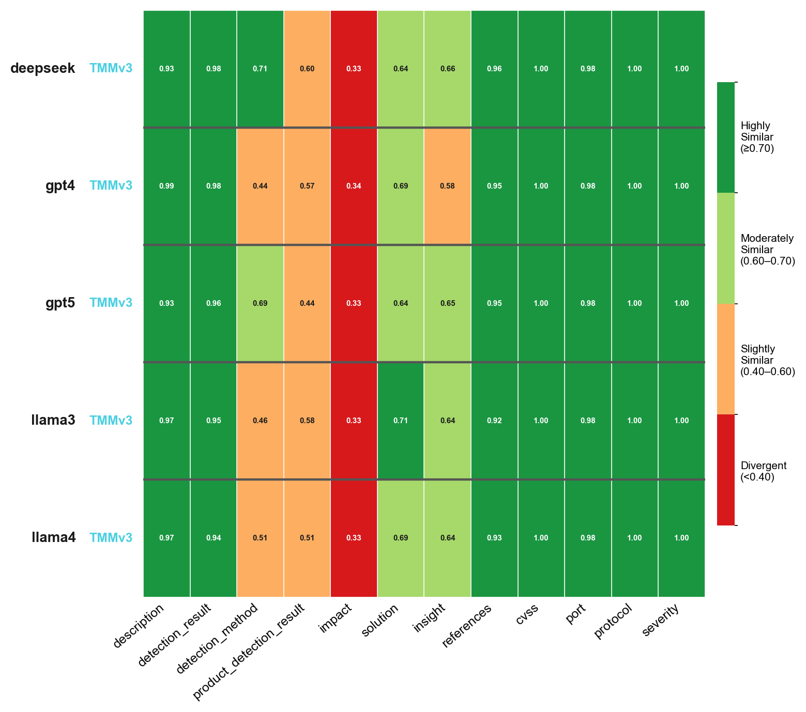
Overview
MulitaMiner — deepseek|TMMv3, gpt4|TMMv3, gpt5|TMMv3, llama3|TMMv3, llama4|TMMv3 | vulnnet_scans_openvas.csv

Overview TMMv1
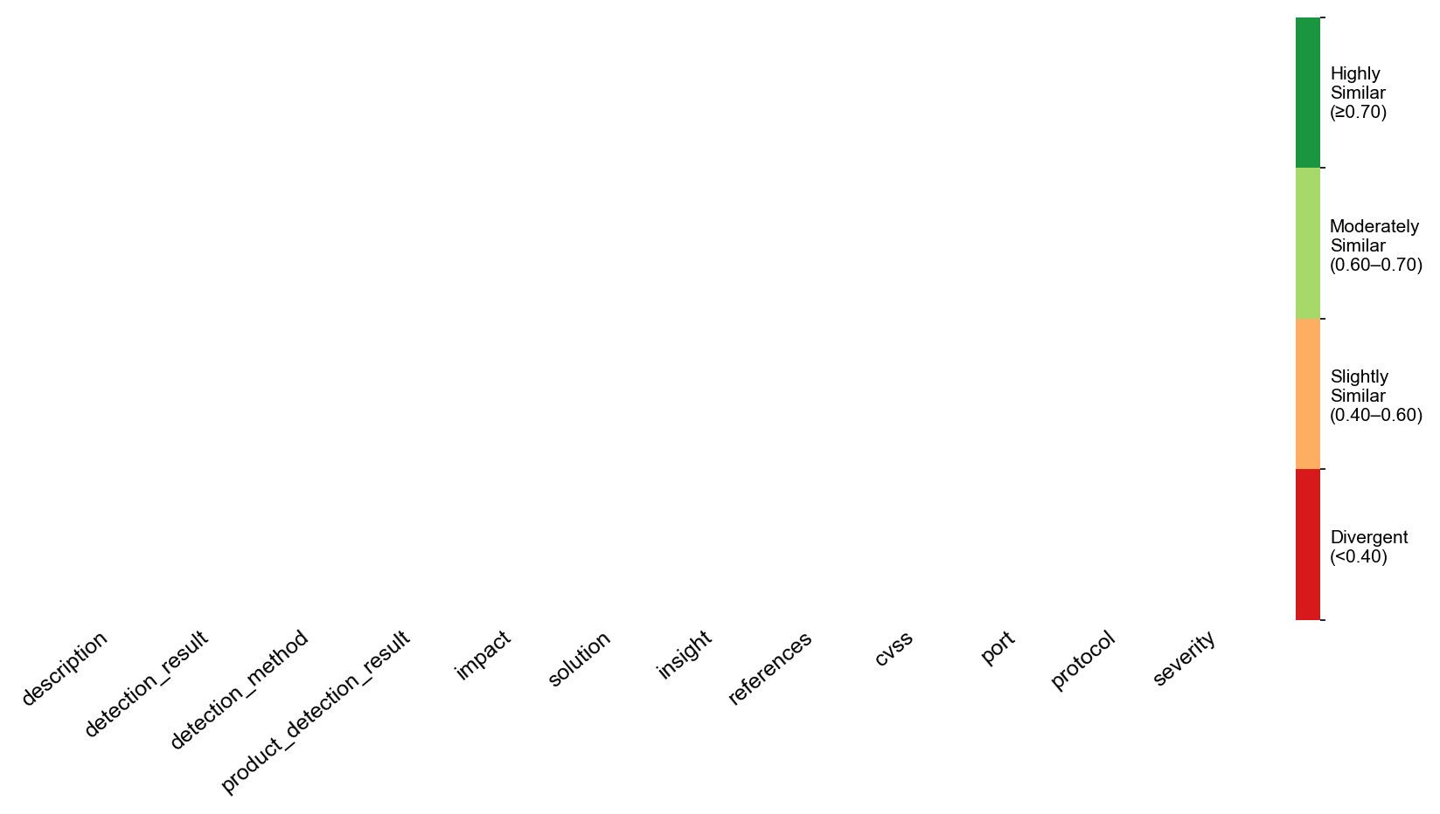
Overview TMMv1
MulitaMiner — deepseek|TMMv3, gpt4|TMMv3, gpt5|TMMv3, llama3|TMMv3, llama4|TMMv3 | vulnnet_scans_openvas.csv

Overview TMMv3
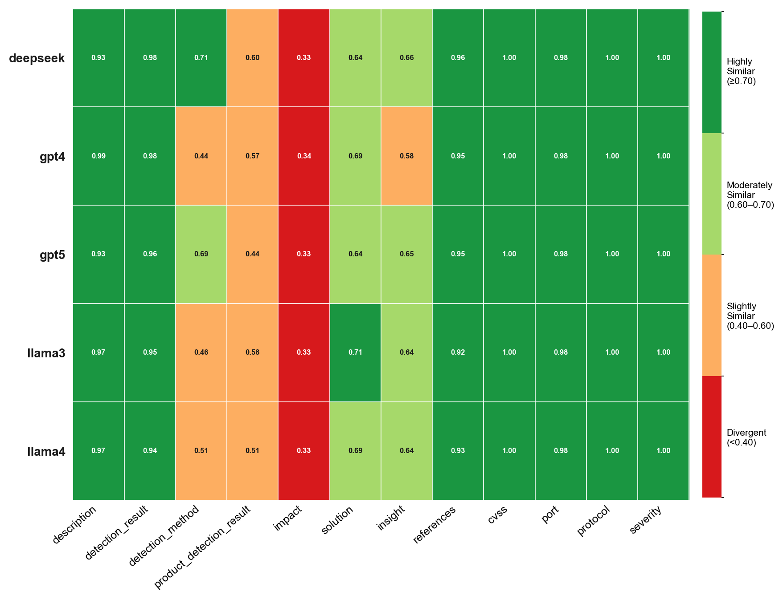
Overview TMMv3
MulitaMiner — deepseek|TMMv3, gpt4|TMMv3, gpt5|TMMv3, llama3|TMMv3, llama4|TMMv3 | vulnnet_scans_openvas.csv

All LLMs

All LLMs
MulitaMiner — deepseek|TMMv3, gpt4|TMMv3, gpt5|TMMv3, llama3|TMMv3, llama4|TMMv3 | vulnnet_scans_openvas.csv

DEEPSEEK
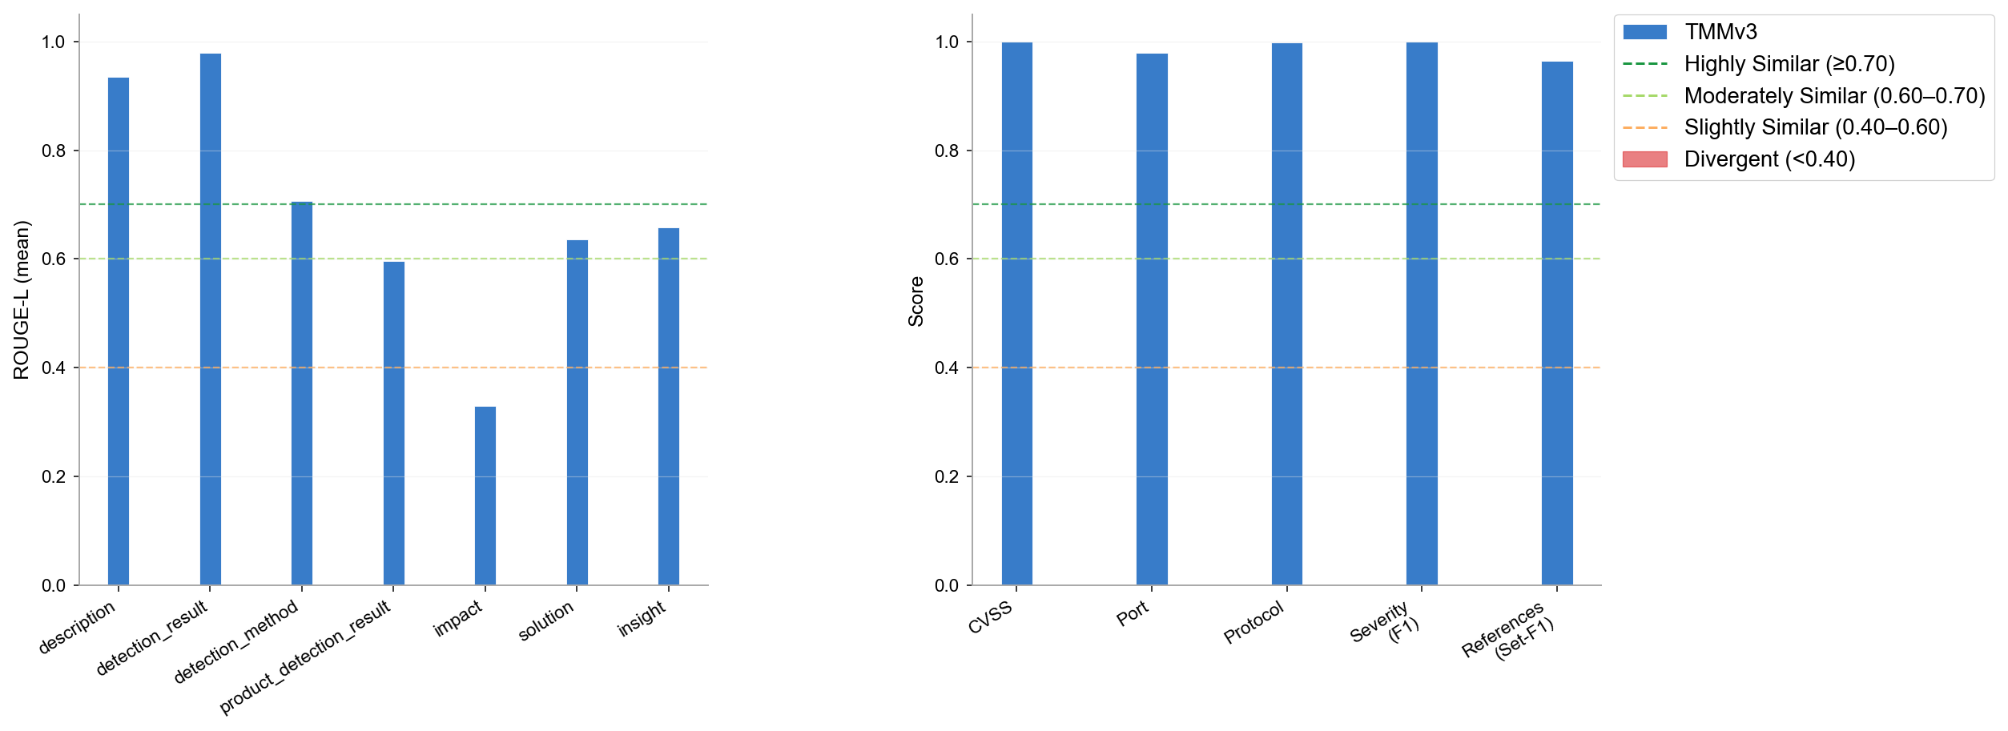
DEEPSEEK
MulitaMiner — deepseek|TMMv3, gpt4|TMMv3, gpt5|TMMv3, llama3|TMMv3, llama4|TMMv3 | vulnnet_scans_openvas.csv

GPT4
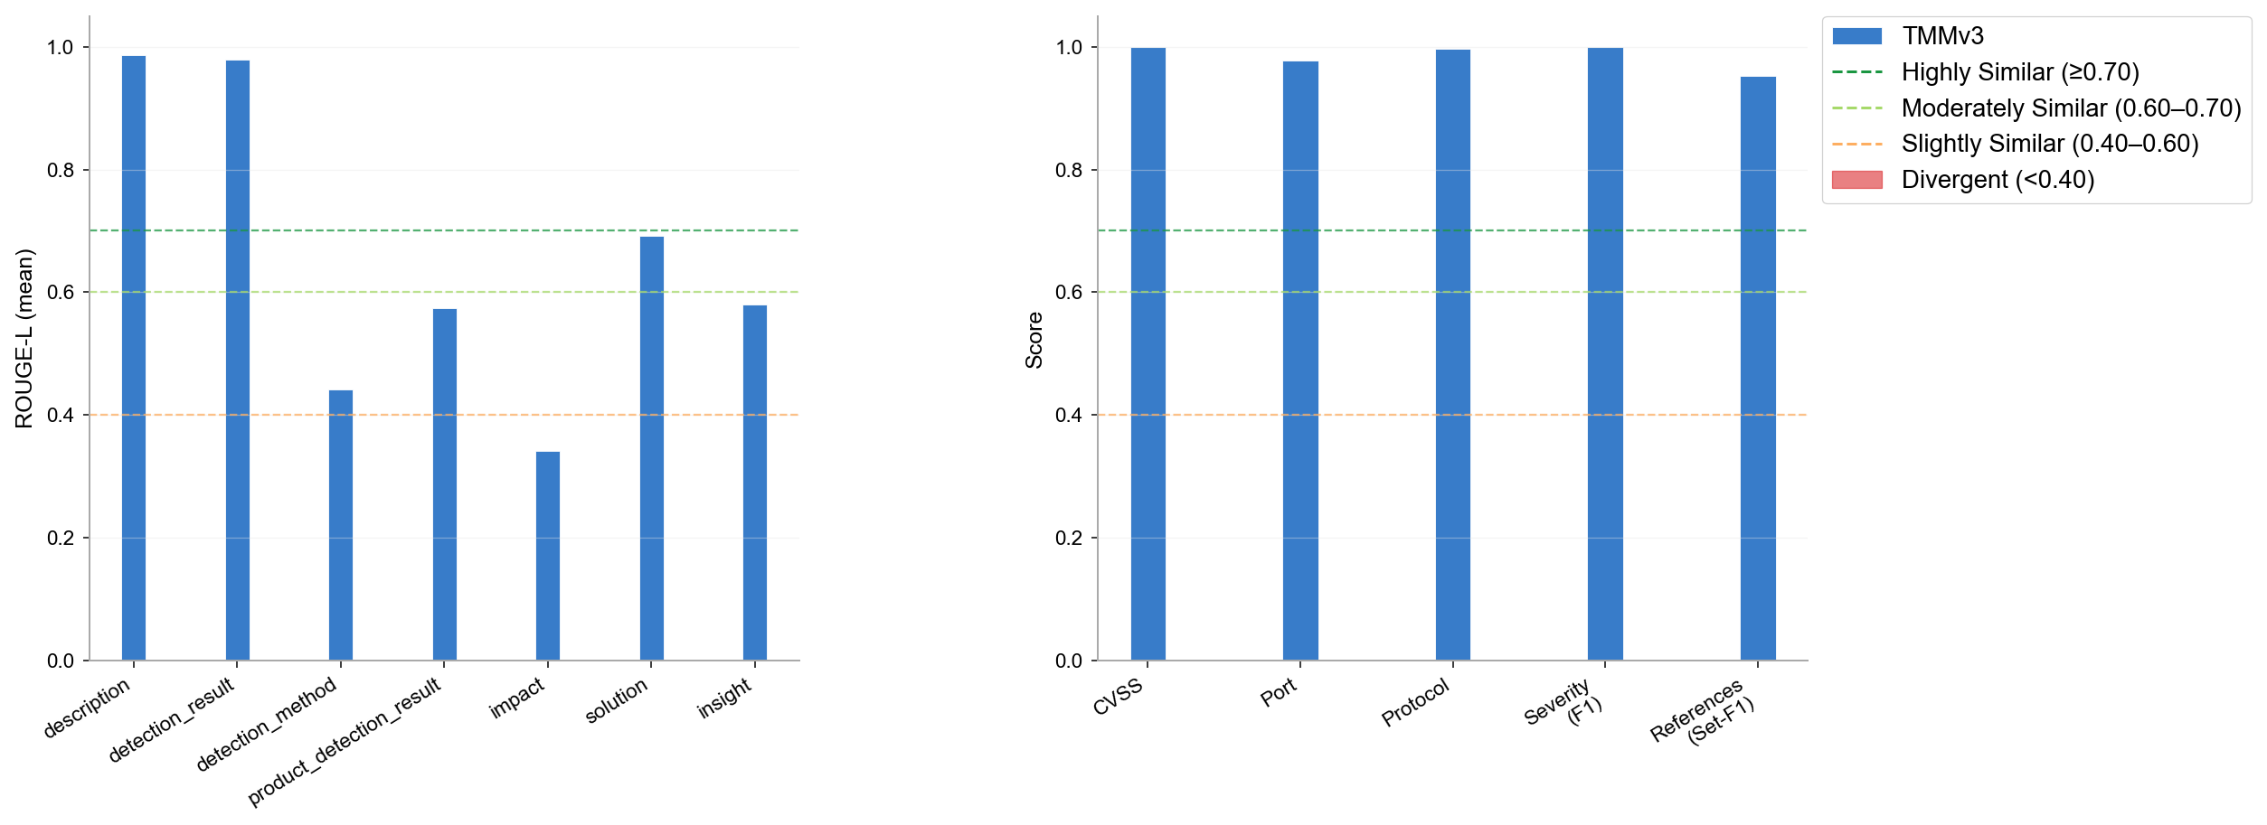
GPT4
MulitaMiner — deepseek|TMMv3, gpt4|TMMv3, gpt5|TMMv3, llama3|TMMv3, llama4|TMMv3 | vulnnet_scans_openvas.csv

GPT5
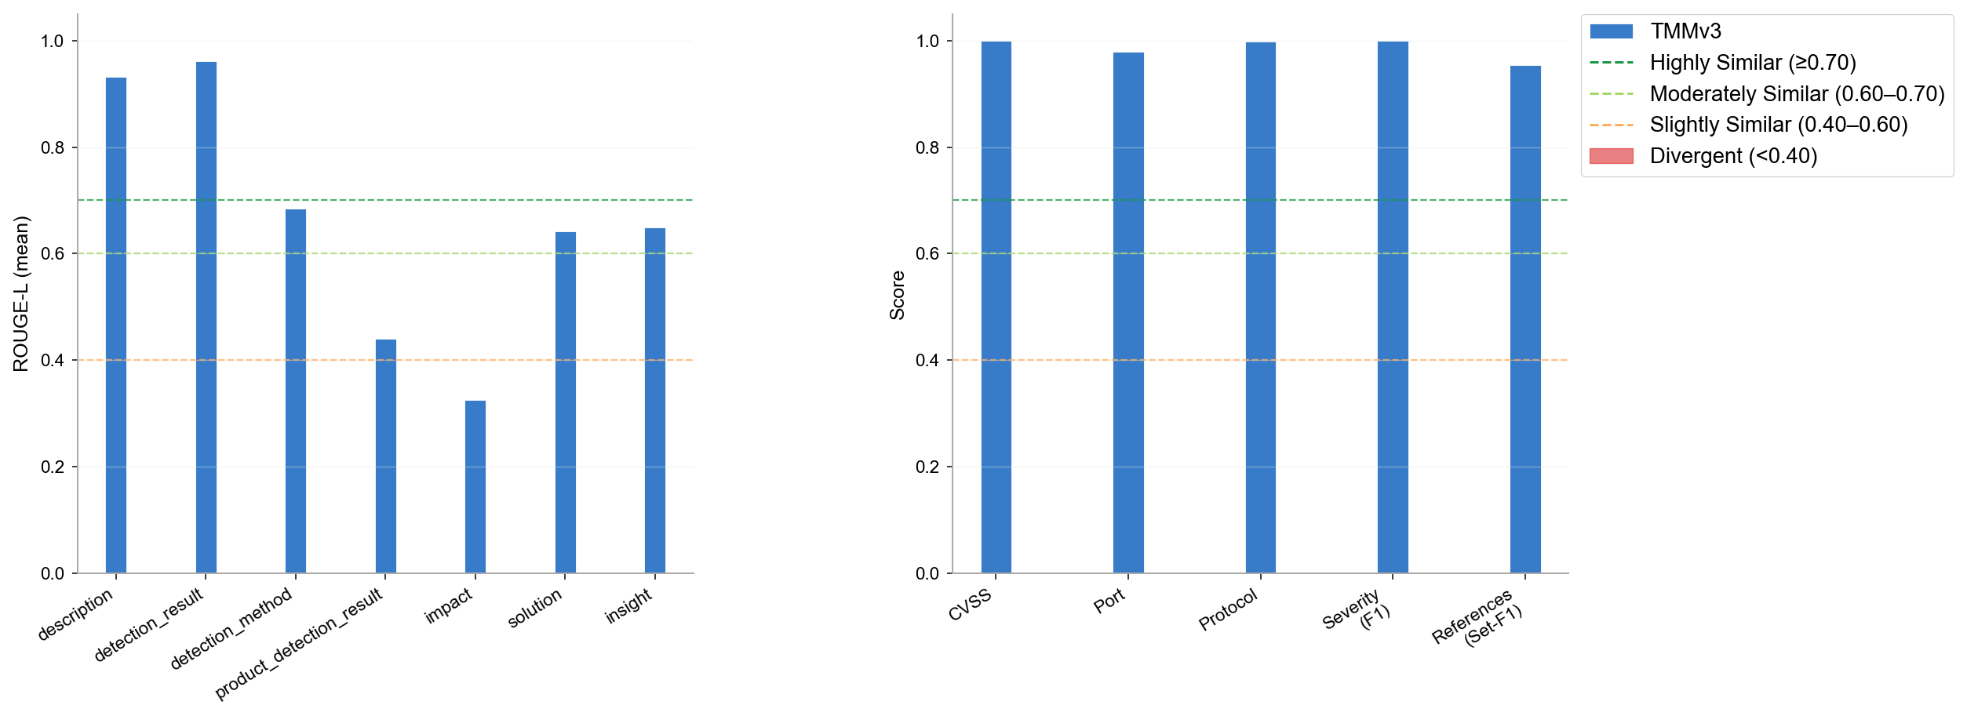
GPT5
MulitaMiner — deepseek|TMMv3, gpt4|TMMv3, gpt5|TMMv3, llama3|TMMv3, llama4|TMMv3 | vulnnet_scans_openvas.csv

LLAMA3
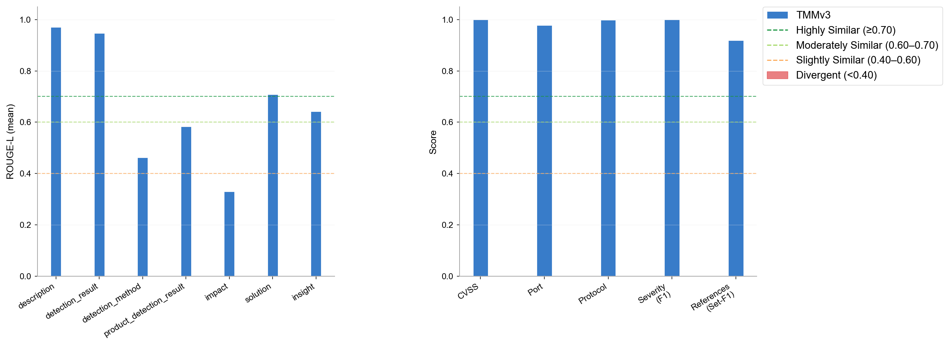
LLAMA3
MulitaMiner — deepseek|TMMv3, gpt4|TMMv3, gpt5|TMMv3, llama3|TMMv3, llama4|TMMv3 | vulnnet_scans_openvas.csv

LLAMA4

LLAMA4
MulitaMiner — deepseek|TMMv3, gpt4|TMMv3, gpt5|TMMv3, llama3|TMMv3, llama4|TMMv3 | vulnnet_scans_openvas.csv

Omission & Halluc.
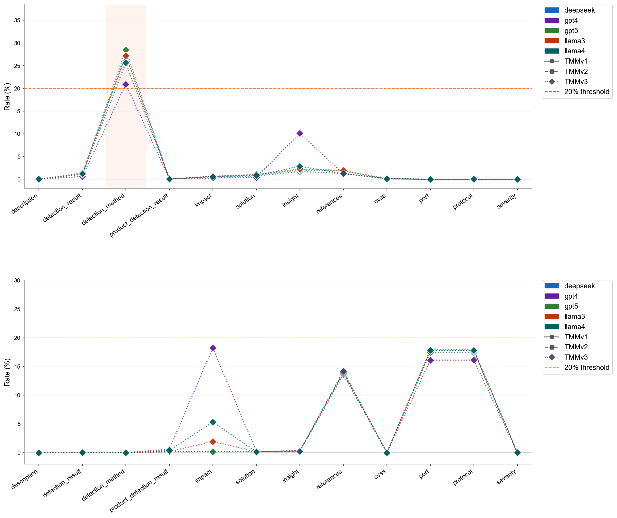
Omission & Halluc.
MulitaMiner — deepseek|TMMv3, gpt4|TMMv3, gpt5|TMMv3, llama3|TMMv3, llama4|TMMv3 | vulnnet_scans_openvas.csv

Omission Summary
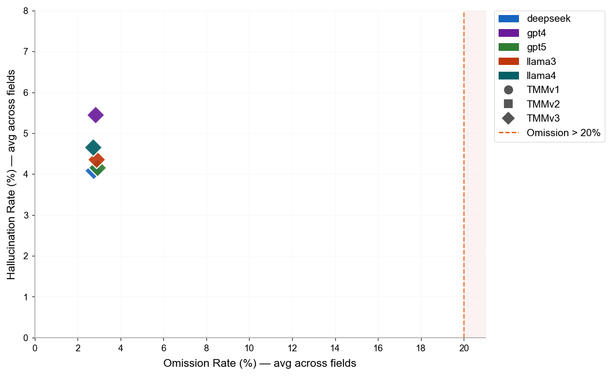
Omission & Hallucination — Cross-Version Summary
LLM | Version | N Pairs | N Field Obs. | OK | OK % | Omission | Omission % | Hallucination | Halluc. %
deepseek | TMMv3 | 5859 | 70308 | 55085 | 78.3% | 1925 | 2.7% | 2877 | 4.1%
gpt4 | TMMv3 | 5688 | 68256 | 53867 | 78.9% | 1926 | 2.8% | 3720 | 5.5%
gpt5 | TMMv3 | 5763 | 69156 | 53899 | 77.9% | 2026 | 2.9% | 2877 | 4.2%
llama3 | TMMv3 | 5708 | 68496 | 53385 | 77.9% | 1973 | 2.9% | 2987 | 4.4%
llama4 | TMMv3 | 5726 | 68712 | 53696 | 78.1% | 1867 | 2.7% | 3199 | 4.7%

