Performance
Pre calculations (in terms of speedup)
 | Per component accuracy |  |  | Cascade: accuracy(top),speedup(bottom)
Dataset | M_0 | M_1 | M_2 | \epsilon=0% | \epsilon=1% | \epsilon=2% | \epsilon=4% | \epsilon=7% | \epsilon=8%
\cft | 77.50% | 81.40% | 93.10% | 93.12% | 92.70% | 91.90% | 91.10% | 87.32% | 86.35%
 |  |  |  | 1.064 | 1.377 | 1.513 | 1.735 | 1.985 | 2.064
\cfoh | 48.10% | 50.00% | 70.50% | 70.50% | 70.65% | 70.50% | 70.30% | 69.94% | 69.78%
 |  |  |  | 1.009 | 1.044 | 1.072 | 1.116 | 1.175 | 1.194
\svhn | 89.80% | 85.20% | 97.03% | 97.03% | 95.60% | 94.00% | 91.30% | 89.76% | 89.80%
 |  |  |  | 1.001 | 2.168 | 2.438 | 2.773 | 2.953 | 2.953

 | Per component accuracy |  |  | Cascade: accuracy(top),speedup(bottom)
Dataset | M_0 | M_1 | M_2 | \epsilon=0% | \epsilon=1% | \epsilon=2% | \epsilon=5% | \epsilon=6% | \epsilon=7%
\inet, top-1 | 46.69% | 62.76% | 76.51% | 76.51% | 76.51% | 76.50% | 75.90% | 75.56% | 75.19%
 |  |  |  | 0.999 | 1.033 | 1.074 | 1.158 | 1.178 | 1.198
\inet, top-5 | 70.22% | 84.31% | 93.21% | 93.21% | 92.84% | 92.02% | 88.54% | 87.30% | 86.13%
 |  |  |  | 0.999 | 1.118 | 1.211 | 1.397 | 1.449 | 1.499 | Transforming speedup to computational reduction by the relation: comp_reduction = 1 - 1/speedup

For the ICML19 article - computational reduction
 | Per component accuracy |  |  | Cascade(\epsilon): accuracy(top), computational reduction(bottom)
Dataset | M_0 | M_{0,1} | M_{0,1,2} | \epsilon=0% | \epsilon=1% | \epsilon=2% | \epsilon=4% | \epsilon=7% | \epsilon=8%
\cft | 77.50% | 81.40% | 93.10% | 93.12% | 92.70% | 91.90% | 91.10% | 87.32% | 86.35%
 |  |  |  | 6% | 27% | 34% | 42% | 50% | 52%
\cfoh | 48.10% | 50.00% | 70.50% | 70.50% | 70.65% | 70.50% | 70.30% | 69.94% | 69.78%
 |  |  |  | 1% | 4% | 7% | 10% | 15% | 16%
\svhn | 89.80% | 85.20% | 97.03% | 97.03% | 95.60% | 94.00% | 91.30% | 89.76% | 89.80%
 |  |  |  | 0% | 54% | 59% | 64% | 66% | 66%
 |  |  |  | \epsilon=0% | \epsilon=1% | \epsilon=2% | \epsilon=5% | \epsilon=6% | \epsilon=7%
\inet | 46.69% | 62.76% | 76.51% | 76.51% | 76.51% | 76.50% | 75.90% | 75.56% | 75.19%
top-1 |  |  |  | 0% | 3% | 7% | 14% | 15% | 17%
\inet | 70.22% | 84.31% | 93.21% | 93.21% | 92.84% | 92.02% | 88.54% | 87.30% | 86.13%
top-5 |  |  |  | 0% | 11% | 17% | 28% | 31% | 33%

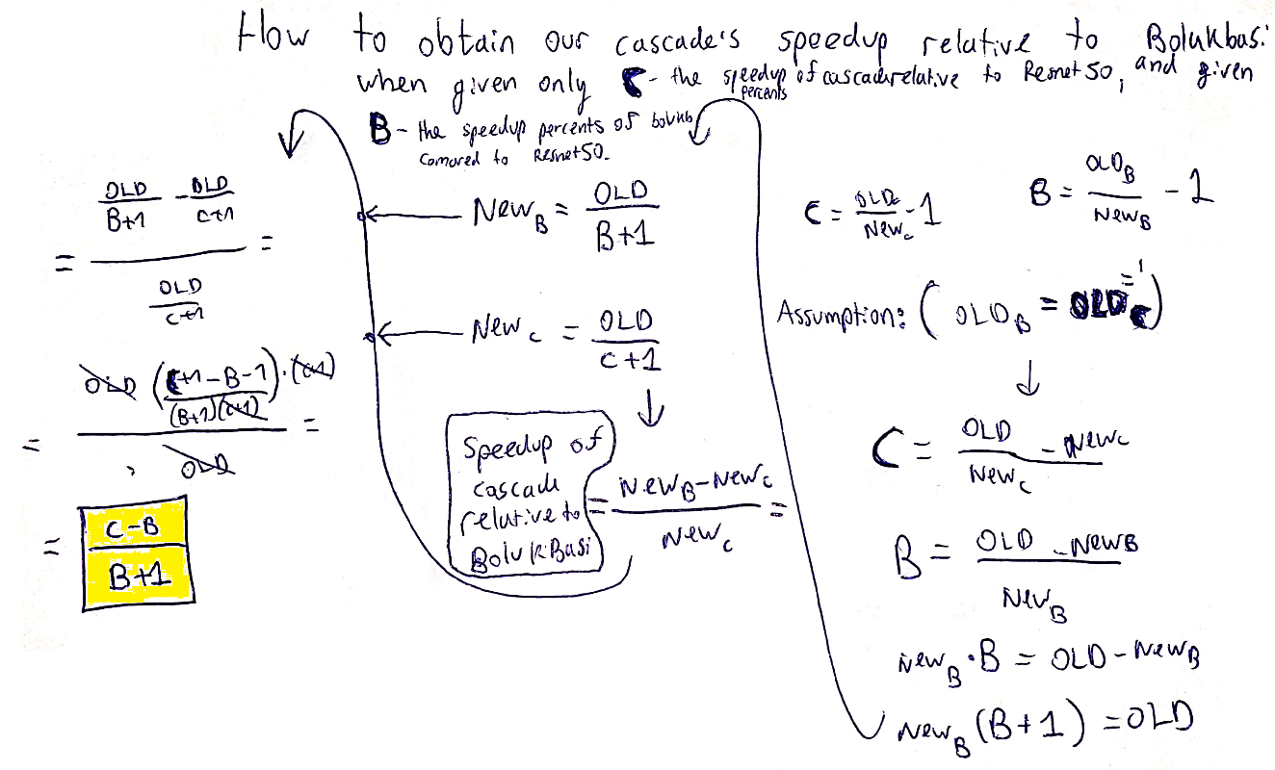
For the ICML19 article - comparison to Bolukbasi |  |  |  | The speedup is given by (old - new) / new x 100% |  |  |  | which is exactly equal to the speedup computed by our framework minus 1
Accuracy | Bolukbasi et al. 2017 | Cascade
reduction | speedup | speedup
1% | 8% | 20% | at \epsilon=1.8%
2% | 18% | 27% | at \epsilon=2.8%
5% | 22% | 41% | at \epsilon=5.3%

