RQ1 result
 | tp | fp | tp+fp |  | tp | fp | tp+fp |  | tp | fp | tp+fp |  | tp | fp | tp+fp |  | tp | fp | tp+fp |  | tp | fp | tp+fp
Best Practices | 16 | 5 | 3 | Best Practices | 14 | 0 | 9 | Best Practices | 26 | 6 | 12 | Best Practices | 16 | 4 | 2 | Best Practices | 13 | 1 | 0 | Best Practices | 85 | 16 | 26
Code Style | 18 | 1 | 26 | Code Style | 25 | 2 | 26 | Code Style | 29 | 13 | 17 | Code Style | 28 | 10 | 10 | Code Style | 17 | 2 | 0 | Code Style | 117 | 28 | 79
Design | 13 | 1 | 5 | Design | 17 | 2 | 4 | Design | 27 | 4 | 9 | Design | 11 | 0 | 0 | Design | 10 | 0 | 0 | Design | 78 | 7 | 18
Documentation | 0 | 0 | 10 | Documentation | 0 | 0 | 6 | Documentation | 7 | 5 | 8 | Documentation | 6 | 3 | 5 | Documentation | 1 | 1 | 0 | Documentation | 14 | 9 | 29
Error Prone | 9 | 3 | 4 | Error Prone | 22 | 0 | 0 | Error Prone | 23 | 7 | 11 | Error Prone | 26 | 5 | 9 | Error Prone | 5 | 0 | 0 | Error Prone | 85 | 15 | 24
Performance | 7 | 0 | 1 | Performance | 9 | 0 | 0 | Performance | 19 | 4 | 2 | Performance | 19 | 1 | 2 | Performance | 5 | 1 | 0 | Performance | 59 | 6 | 5
 |  |  |  |  |  |  |  | Multithreading |  |  | 2 | Multithreading |  |  |  | Multithreading |  |  |  | Multithreading | 0 | 0 | 2

fp
tp
tp+fp

 | tp | fp | tp+fp
Best Practices | 30 | 5 | 12
Code Style | 43 | 3 | 52
Design | 30 | 3 | 9
Documentation | 0 | 0 | 16
Error Prone | 31 | 3 | 4
Performance | 16 | 0 | 1

RQ2 result
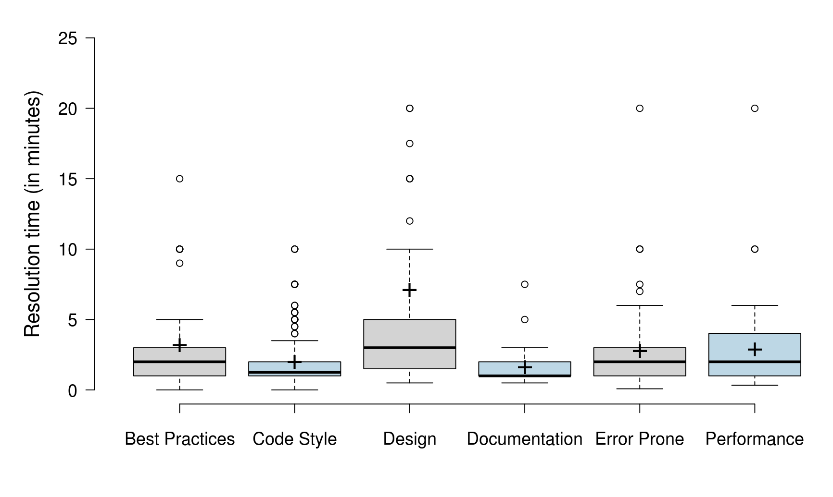
Best Practices | Code Style | Design | Documentation | Error Prone | Performance
1 | 1 | 5 | 1 | 4 | 1
1 | 2 | 5 | 2 | 2 | 2
2 | 3 | 5 | 2 | 5 | 3
2 | 2 | 2 | 1 | 4 | 2
3 | 2 | 2 | 1 | 1 | 2
2 | 2 | 2 | 1 | 2 | 2
2 | 1 | 2 | 2 | 2 | 1
3 | 2 | 8 | 1 | 7.5 | 2
9 | 5 | 2 | 0.5 | 1 | 10
1 | 1 | 10 | 2 | 3 | 20
1 | 2 | 1 | 1 | 1 | 10
2 | 1 | 2 | 1 | 4 | 2
2 | 2 | 7.5 | 1 | 6 | 2
2 | 2 | 1 | 2 | 10 | 1
5 | 1 | 10 | 1.5 | 7 | 1
2 | 1 | 1 | 2 | 3 | 6
3 | 2 | 10 | 3 | 10 | 1.5
1 | 6 | 15 | 1 | 1 | 5
10 | 2 | 1 | 3 | 0.5 | 5
1 | 2 | 3 | 1 | 1 | 2
1 | 2 | 4 | 2 | 2 | 3
3 | 2 | 2 | 1 | 1.5 | 5
15 | 2 | 10 | 1 | 1 | 2
1 | 1 | 5 | 2.5 | 1 | 5
5 | 0.5 | 2 | 7.5 | 1 | 5
2.5 | 1 | 2 | 0.5 | 1 | 2
2 | 1 | 3 | 0.5 | 1 | 2
3 | 1 | 1 | 1 | 2 | 1
2 | 1 | 5 | 1 | 3 | 5
1 | 2 | 1 | 1 | 1 | 5
3 | 1 | 1 | 1 | 1 | 1
1 | 1 | 2 | 1 | 2 | 2
3 | 2 | 1 | 5 | 1 | 3
3 | 7.5 | 2 | 1 | 3 | 2
3 | 7.5 | 1 | 1 | 3 | 1
3 | 7.5 | 1 |  | 1 | 1
4 | 7.5 | 4 |  | 3 | 2.5
10 | 4 | 3 |  | 2.5 | 2.5
2 | 5 | 1.5 |  | 5 | 2
2.5 | 3 | 17.5 |  | 4 | 2
1 | 5 | 20 |  | 2 | 4
1 | 6 | 15 |  | 2 | 2
1.5 | 1 | 1.5 |  | 2.5 | 5
1.5 | 0.5 | 20 |  | 0.5 | 0.5
1 | 1 | 1 |  | 1 | 5
2 | 2 | 2 |  | 5 | 2
1 | 10 | 1 |  | 1 | 4
3 | 10 | 5 |  | 1 | 4
5 | 0.5 | 5 |  | 2 | 0.33
1 | 1 | 10 |  | 20 | 1
1 | 2 | 5 |  | 10 | 2
1 | 0.5 | 10 |  | 1.5 | 1
3 | 2 | 5 |  | 4 | 1
2 | 5 | 10 |  | 1.5 | 2
3 | 2 | 2 |  | 1 | 2
2 | 2 | 15 |  | 2 | 0.33
1 | 1 | 5 |  | 2 | 0.66
4 | 1 | 5 |  | 2 | 5
3 | 2.5 | 1 |  | 3 | 3
1.5 | 5.5 | 2 |  | 3 | 2
1 | 5.5 | 2 |  | 1 | 1
1 | 3 | 5 |  | 5 | 1
3 | 2 | 12 |  | 1 | 1
2 | 4 | 3 |  | 1 | 1
1.5 | 2 | 2.5 |  | 5
1.5 | 2 | 0.5 |  | 2
1 | 1 | 2 |  | 4
2 | 2 | 2 |  | 0.5
60 | 2 | 1 |  | 2
1 | 2 | 40 |  | 0.16
3 | 2 | 5 |  | 0.08
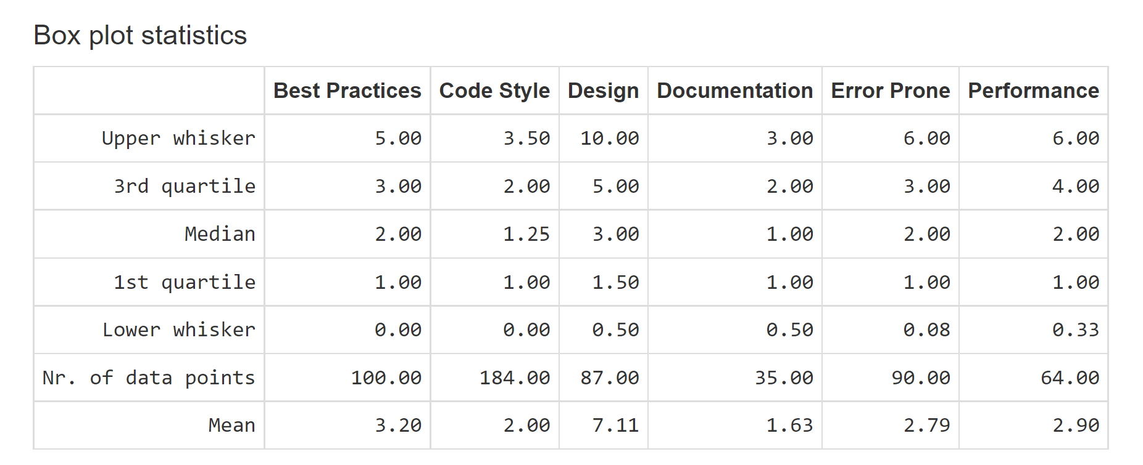
2 | 1 | 3 |  | 0.33
2 | 2 | 2 |  | 2
2 | 2 | 1.5 |  | 4
3 | 2 | 1 |  | 3
1 | 1 | 3 |  | 3
1 | 1 | 1 |  | 3
2 | 1 | 5 |  | 2
2 | 1 | 30 |  | 2
4 | 2 | 60 |  | 3
1 | 2 | 120 |  | 3
1 | 2 | 3 |  | 4
1 | 3 | 1 |  | 1
1 | 10 | 2 |  | 1
2 | 0.5 | 1 |  | 2
1 | 0.5 | 1 |  | 5
10 | 2 | 5 |  | 5
5 | 2.5 |  |  | 1
10 | 4.5 |  |  | 2
10 | 2 |  |  | 1
10 | 2.5
2 | 1.5
1 | 1
1 | 1
1 | 1
1 | 1
1 | 1
0.16 | 2
0.008 | 2.5
1.67E-06 | 2
 | 1.5
 | 2
 | 1
 | 1
 | 1
 | 1
 | 1
 | 2.5
 | 3
 | 2
 | 1
 | 2
 | 2.5
 | 5.5
 | 3
 | 1
 | 1
 | 1
 | 1
 | 1.5
 | 3
 | 2
 | 1
 | 5
 | 1
 | 2.5
 | 1
 | 1
 | 1
 | 4.5
 | 1
 | 2
 | 2
 | 1
 | 2
 | 1
 | 1
 | 0.5
 | 1
 | 1
 | 3
 | 0.5
 | 0.5
 | 2
 | 2
 | 1
 | 3.5
 | 3.5
 | 1
 | 1
 | 2
 | 2
 | 1
 | 2
 | 1
 | 1
 | 1
 | 1
 | 1
 | 1
 | 1
 | 1
 | 0.33
 | 1
 | 1
 | 1
 | 0.03
 | 1
 | 2
 | 1
 | 1
 | 1
 | 1
 | 1
 | 1
 | 1
 | 1
 | 1
 | 1
 | 1
 | 0.16
 | 0.008
 | 1.67E-06
 | 8.33E-05

