RQ1 result
 | tp | fp | tp+fp |  | tp | fp | tp+fp |  | tp | fp | tp+fp |  | tp | fp | tp+fp |  | tp | fp | tp+fp |  | tp | fp | tp+fp
Best Practices | 16 | 5 | 3 | Best Practices | 14 | 0 | 9 | Best Practices | 26 | 6 | 12 | Best Practices | 16 | 4 | 2 | Best Practices | 13 | 1 | 0 | Best Practices | 85 | 16 | 26
Code Style | 18 | 1 | 26 | Code Style | 25 | 2 | 26 | Code Style | 29 | 13 | 17 | Code Style | 28 | 10 | 10 | Code Style | 17 | 2 | 0 | Code Style | 117 | 28 | 79
Design | 13 | 1 | 5 | Design | 17 | 2 | 4 | Design | 27 | 4 | 9 | Design | 11 | 0 | 0 | Design | 10 | 0 | 0 | Design | 78 | 7 | 18
Documentation | 0 | 0 | 10 | Documentation | 0 | 0 | 6 | Documentation | 7 | 5 | 8 | Documentation | 6 | 3 | 5 | Documentation | 1 | 1 | 0 | Documentation | 14 | 9 | 29
Error Prone | 9 | 3 | 4 | Error Prone | 22 | 0 | 0 | Error Prone | 23 | 7 | 11 | Error Prone | 26 | 5 | 9 | Error Prone | 5 | 0 | 0 | Error Prone | 85 | 15 | 24
Performance | 7 | 0 | 1 | Performance | 9 | 0 | 0 | Performance | 19 | 4 | 2 | Performance | 19 | 1 | 2 | Performance | 5 | 1 | 0 | Performance | 59 | 6 | 5
 |  |  |  |  |  |  |  | Multithreading |  |  |  | Multithreading |  |  |  | Multithreading |  |  |  | Multithreading | 0 | 0 | 0

fp
tp
tp+fp

 | tp | fp | tp+fp
Best Practices | 30 | 5 | 12
Code Style | 43 | 3 | 52
Design | 30 | 3 | 9
Documentation | 0 | 0 | 16
Error Prone | 31 | 3 | 4
Performance | 16 | 0 | 1

RQ2 result
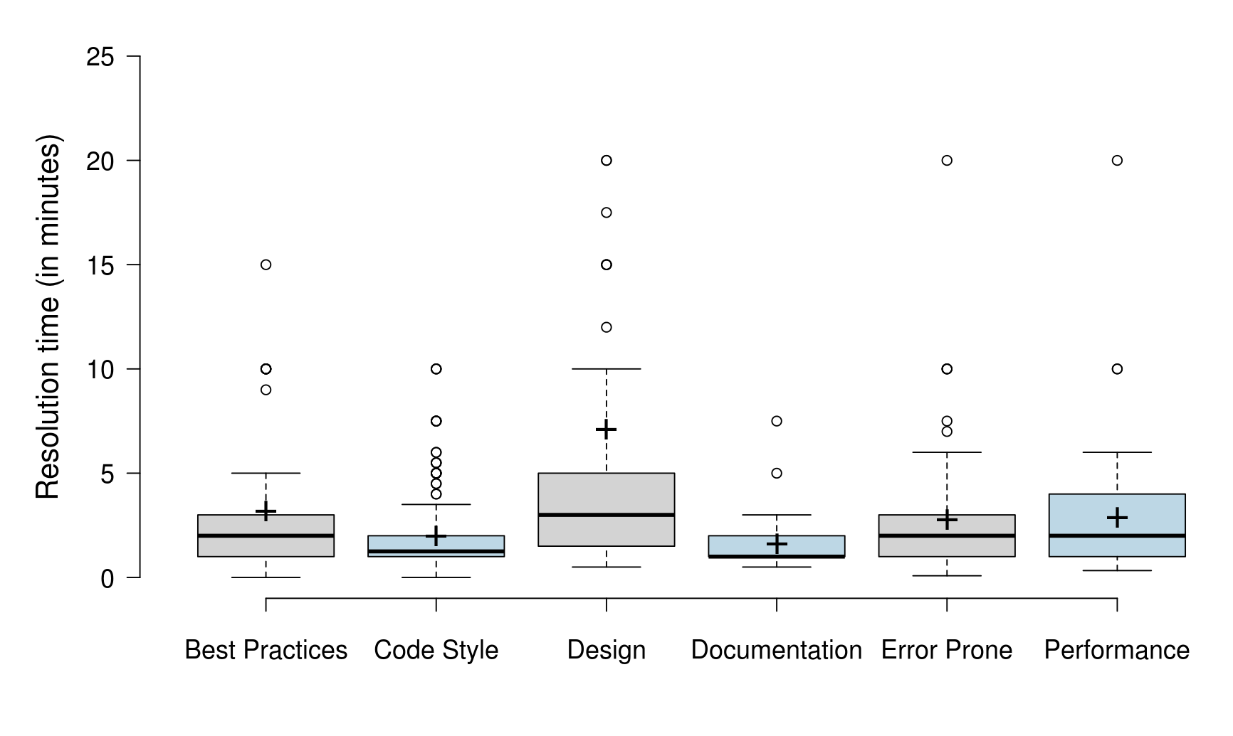
Best Practices | Code Style | Design | Documentation | Error Prone | Performance
1 | 1 | 5 | 1 | 4 | 1
1 | 2 | 5 | 2 | 2 | 2
2 | 3 | 5 | 2 | 5 | 3
2 | 2 | 2 | 1 | 4 | 2
3 | 2 | 2 | 1 | 1 | 2
2 | 2 | 2 | 1 | 2 | 2
2 | 1 | 2 | 2 | 2 | 1
3 | 2 | 8 | 1 | 7.5 | 2
9 | 5 | 2 | 0.5 | 1 | 10
1 | 1 | 10 | 2 | 3 | 20
1 | 2 | 1 | 1 | 1 | 10
2 | 1 | 2 | 1 | 4 | 2
2 | 2 | 7.5 | 1 | 6 | 2
2 | 2 | 1 | 2 | 10 | 1
5 | 1 | 10 | 1.5 | 7 | 1
2 | 1 | 1 | 2 | 3 | 6
3 | 2 | 10 | 3 | 10 | 1.5
1 | 6 | 15 | 1 | 1 | 5
10 | 2 | 1 | 3 | 0.5 | 5
1 | 2 | 3 | 1 | 1 | 2
1 | 2 | 4 | 2 | 2 | 3
3 | 2 | 2 | 1 | 1.5 | 5
15 | 2 | 10 | 1 | 1 | 2
1 | 1 | 5 | 2.5 | 1 | 5
5 | 0.5 | 2 | 7.5 | 1 | 5
2.5 | 1 | 2 | 0.5 | 1 | 2
2 | 1 | 3 | 0.5 | 1 | 2
3 | 1 | 1 | 1 | 2 | 1
2 | 1 | 5 | 1 | 3 | 5
1 | 2 | 1 | 1 | 1 | 5
3 | 1 | 1 | 1 | 1 | 1
1 | 1 | 2 | 1 | 2 | 2
3 | 2 | 1 | 5 | 1 | 3
3 | 7.5 | 2 | 1 | 3 | 2
3 | 7.5 | 1 | 1 | 3 | 1
3 | 7.5 | 1 |  | 1 | 1
4 | 7.5 | 4 |  | 3 | 2.5
10 | 4 | 3 |  | 2.5 | 2.5
2 | 5 | 1.5 |  | 5 | 2
2.5 | 3 | 17.5 |  | 4 | 2
1 | 5 | 20 |  | 2 | 4
1 | 6 | 15 |  | 2 | 2
1.5 | 1 | 1.5 |  | 2.5 | 5
1.5 | 0.5 | 20 |  | 0.5 | 0.5
1 | 1 | 1 |  | 1 | 5
2 | 2 | 2 |  | 5 | 2
1 | 10 | 1 |  | 1 | 4
3 | 10 | 5 |  | 1 | 4
5 | 0.5 | 5 |  | 2 | 0.33
1 | 1 | 10 |  | 20 | 1
1 | 2 | 5 |  | 10 | 2
1 | 0.5 | 10 |  | 1.5 | 1
3 | 2 | 5 |  | 4 | 1
2 | 5 | 10 |  | 1.5 | 2
3 | 2 | 2 |  | 1 | 2
2 | 2 | 15 |  | 2 | 0.33
1 | 1 | 5 |  | 2 | 0.66
4 | 1 | 5 |  | 2 | 5
3 | 2.5 | 1 |  | 3 | 3
1.5 | 5.5 | 2 |  | 3 | 2
1 | 5.5 | 2 |  | 1 | 1
1 | 3 | 5 |  | 5 | 1
3 | 2 | 12 |  | 1 | 1
2 | 4 | 3 |  | 1 | 1
1.5 | 2 | 2.5 |  | 5
1.5 | 2 | 0.5 |  | 2
1 | 1 | 2 |  | 4
2 | 2 | 2 |  | 0.5
60 | 2 | 1 |  | 2
1 | 2 | 40 |  | 0.16
3 | 2 | 5 |  | 0.08
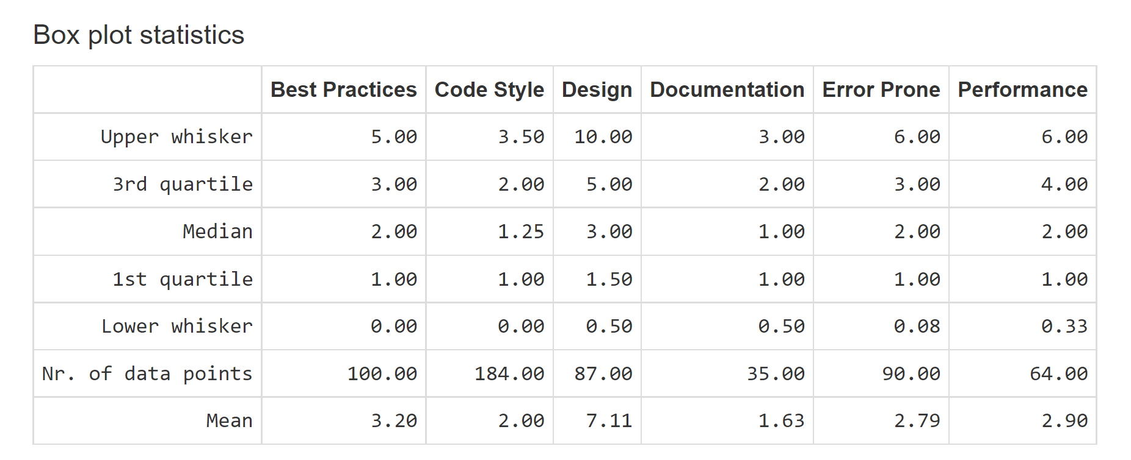
2 | 1 | 3 |  | 0.33
2 | 2 | 2 |  | 2
2 | 2 | 1.5 |  | 4
3 | 2 | 1 |  | 3
1 | 1 | 3 |  | 3
1 | 1 | 1 |  | 3
2 | 1 | 5 |  | 2
2 | 1 | 30 |  | 2
4 | 2 | 60 |  | 3
1 | 2 | 120 |  | 3
1 | 2 | 3 |  | 4
1 | 3 | 1 |  | 1
1 | 10 | 2 |  | 1
2 | 0.5 | 1 |  | 2
1 | 0.5 | 1 |  | 5
10 | 2 | 5 |  | 5
5 | 2.5 |  |  | 1
10 | 4.5 |  |  | 2
10 | 2 |  |  | 1
10 | 2.5
2 | 1.5
1 | 1
1 | 1
1 | 1
1 | 1
1 | 1
0.16 | 2
0.008 | 2.5
1.67E-06 | 2
 | 1.5
 | 2
 | 1
 | 1
 | 1
 | 1
 | 1
 | 2.5
 | 3
 | 2
 | 1
 | 2
 | 2.5
 | 5.5
 | 3
 | 1
 | 1
 | 1
 | 1
 | 1.5
 | 3
 | 2
 | 1
 | 5
 | 1
 | 2.5
 | 1
 | 1
 | 1
 | 4.5
 | 1
 | 2
 | 2
 | 1
 | 2
 | 1
 | 1
 | 0.5
 | 1
 | 1
 | 3
 | 0.5
 | 0.5
 | 2
 | 2
 | 1
 | 3.5
 | 3.5
 | 1
 | 1
 | 2
 | 2
 | 1
 | 2
 | 1
 | 1
 | 1
 | 1
 | 1
 | 1
 | 1
 | 1
 | 0.33
 | 1
 | 1
 | 1
 | 0.03
 | 1
 | 2
 | 1
 | 1
 | 1
 | 1
 | 1
 | 1
 | 1
 | 1
 | 1
 | 1
 | 1
 | 0.16
 | 0.008
 | 1.67E-06
 | 8.33E-05

RQ3 result
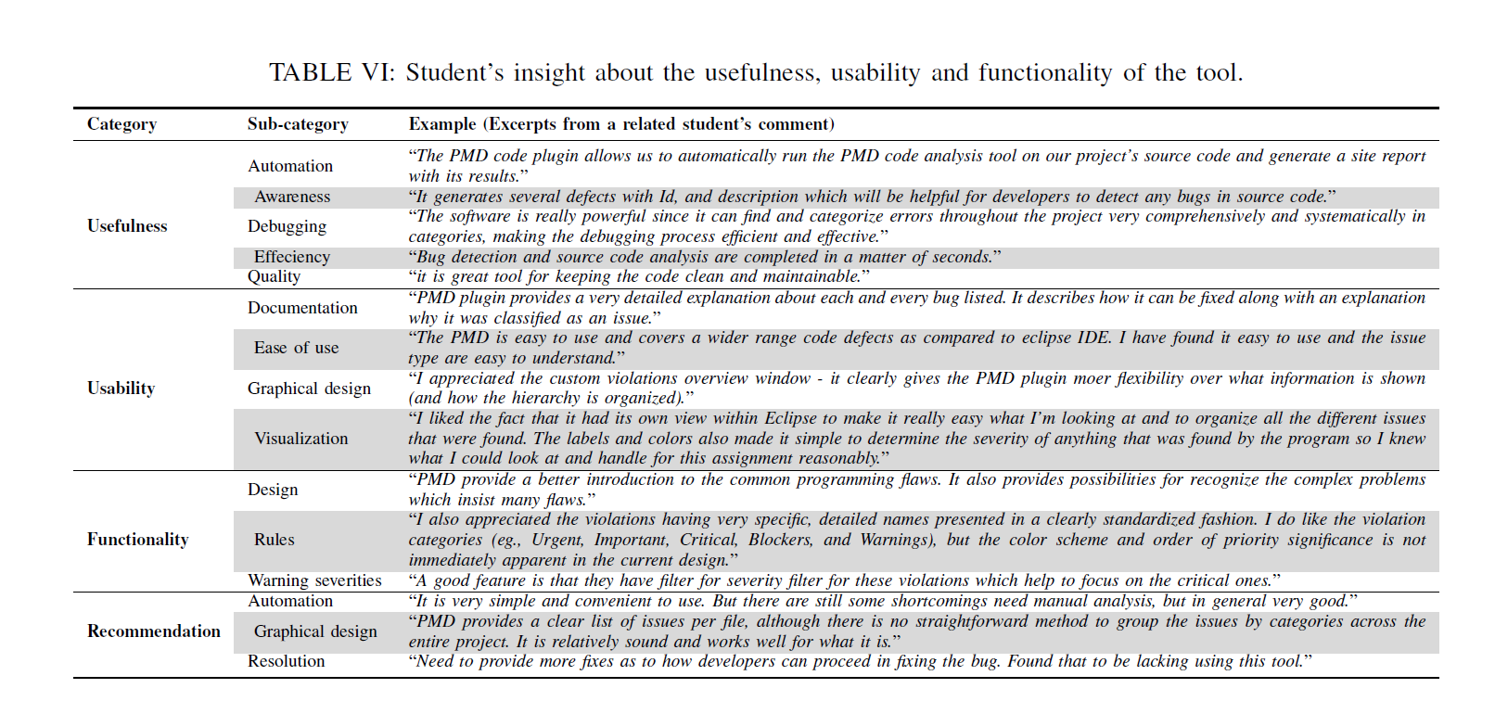
Comparing to FindBugs, PMD's checking is wider and more detailed. It contains more perspectives of code checking, even the code style & documentation are checked. It is true a overall check, but this also brings more unclear cases in its results, we cannot simply say the design of the developer is wrong, it is actually a trade off. (For example, performance and security trade off.) Sometimes, its advice obeys the rule too much and too detailed, will acually increase the complexity of the project and lose the focus for the developer to improve code. | Usefulness | Awareness
 | Usability | Documentation
 | Recommendation | Resolution

Like FindBugs, PMD was easy to use and found a ton of interesting issues. I may not agree with all the flags, but I understand why they would make notice of them. This was easy to understand and allowed me to properly understand the issue they were flagging. I liked these suggestions more from PMD compared to FindBugs even though I do not agree with all of them. | Usefulness

Overall I liked to use this plugin. It’s very useful. I could analyze the violations in very easy way

Positives: The PMD is easy to use and covers a wider range code defects as compared to eclipse IDE. I have found it easy to use and the issue type are easy to understand. Negatieves: some issue types are not actually bugs but rather based on best programming practices. One must consider that before applying any change. | Usefulness

Comments: Pmd is operated friendly, I can study and know it much quickly. And there are many manual instructions on it’s website, those are really helpful. | Usefulness

PMD REPORT: PMD can report the found rule violations in various formats. Some formats can be customized further via properties. Violations might also be suppressed and there might be processing errors or configuration errors. Its fun finding violations and solving it; usually it gets idea of statitics of violations in our code. Its easy to use and handful. | Usefulness

Comments about PMD: unlike FindBus, PMD focus more on coding behaviors. It won’t stop project running with those flaws , but fixing them can make project more readable and elegant | Usefulness

Comment – Using the PMD tool was a bit difficult to understand at first but later, it gets very easy and efficient to use. This helps make our code concise and remove unnessary things present making our code ineffecient. | Usefulness

Comments about PMD: I liked the fact that it had its own view within Eclipse to make it really easy what I’m looking at and to organize all the different issues that were found. The labels and colors also made it simple to determine the severity of anything that was found by the program so I knew what I could look at and handle for this assignment reasonably, and what might be too large and with my inexperience in Java, too much to work on. | Usefulness

Comment about PMD: Compared to the FindBugs, the PMD provide a better introduction to the common programming flaws. It also provides possibilities for recognize the complex problems which insist many flaws. While the shortness also comes from poor guide, it is hard and may cause confusion while too many flaws crushed in the same class. And I also find some flaws that the PMD gives which I think is false positive and may decrease the readability or cause other flaws if fix it. I think the PMD required more time to master but it’s still recommended. | Usefulness

Comments about PMD: Detected bugs are clearly and consistently performed both in report text and Violations Outline window, we can also got the hint in code editor by flags showed beside easily. However, the reported bugs have two problems: First, the bugs sometimes repeat in reports. For example, “LiteralsFirstInComparisons” and “PositionLiteralsFirstInComparisons” are almost same bug issues, maybe they are different at some detail in rules, but the performed result are identical. Another Problem is too much bugs about conventions in reported bugs. It’s quite excellent to make standardized name for variables, but in actual developments, especially informatization project, the name of variables should conform to the meaning, not to the conventions. Both of these two problems could be fixed with rules option, but for real use PMD needs more improvement. | Usefulness

It takes a while to configure it. However, it is a much better tool than FindBugs. Provides meaningful documentation with examples. Overall it is a very good tool and it is user-friendly. | Usefulness

PMD is stricter than FINDBUG. Mainly include: Empty try/catch/finally/switch statement block, Unused local variables, parameters, and private methods, Empty the if/while statement, Overly complex expressions, such as unnecessary if statements, Complex class, And it is very simple and convenient to use. But there are still some shortcomings need manual analysis, but in general very good. | Usefulness

PMD is a very onery tool that actively hates legacy Java code yet can be helpful for current development cycles. It provides a clear list of issues per file, although there is no straightforward method to group the issues by categories across the entire project. It is relatively sound and works well for what it is. | Usefulness

The PMD tool was easy to use but seemed to produce a lot more warnings than the SpotBugs tool. I liked the detailed descriptions of the rule violations as it helped me decide whether or not the code should be fixed or if the detected “bug” was acceptable. The presentation of the violations was a bit cluttered but it was sorted by severity which was helpful. Grouping by type might be appropriate when dealing with the large list of violations such as grouping all “AvoidThowingNulllPointer” bugs. | Usefulness

My experience using the PMD Eclipse plugin was also straightforward. I appreciated the custom violations overview window - it clearly gives the PMD plugin moer flexibility over what information is shown (and how the hierarchy is organized) over SpotBugs. I also appreciated the violations having very specific, detailed names presented in a clearly standardized fashion. I do like the violation categories (eg., Urgent, Important, Critical, Blockers, and Warnings) better than SpotBugs, but the color scheme and order of priority significance is not immediately apparent in the current design. | Usefulness

This plugin is less graphically intuitive than Spotbugs, but the taxonomy is straightforward. The bug description directly is a solution recommendation whereas Spotbugs describes the problem. | Usefulness

PMD seemed easier to use and click through than spotbugs, however, PMD seemed to give more stylistic suggestions than actual bug issues. I’m not sure which is actually more helpful to full-on developers. It’s integration with eclipse was simple to get going and work through. | Usefulness

I installed PMD plugins in IntelliJ. It generates several defects with Id, and description which will be helpful for developers to detect any bugs in source code. Depending upon the size of project, it takes time to run PMD on IntelliJ. It generates one report containing information about bugs and refactoring messages. PMD gives a lot of information on different categories of violations like: 1. Best Practices 2. Code Style 3. Design It displays lot of duplicate issues which can be reduced to increase the accuracy of the plugin. | Usefulness

PWD was complicated for me, it gave me a lot of bugs for a simple project. Imagine using the same for a really big project. There were a lot of false positives, which demanded close monitoring of each of the bugs. | Usefulness

Advantages: PMD has a wide range of definitions for bugs. A good feature is that they have filter for severity filter for these violations which help to focus on the critical ones. Disadvantages: Using it helps in following the good coding practices. Although, most of the identified bugs were not actually bugs, but moreover was on the coding practices violations. Not all the violations were correct. At the same time, it suggests way too many bugs, and going over each of them looks like another time consuming tasks Overall, it is great tool for keeping the code clean and maintainable. | Usefulness

Like PMD, Bug detection and source code analysis is completed in a matter of seconds by using PMD. The bug location, issue description, class and method affected are provided. Need to provide more fixes as to how developers can proceed in fixing the bug. Found that to be lacking using this tool. | Usefulness

The plugin detects defects in uncompiled code, making it easier for developers of all levels to find issues. Bug detection and source code analysis are completed in a matter of seconds. On comparison to the SpotBugs plug-in the PMD plug-in was able to detect a higher number of flaws. | Usefulness

In my experience working PMD plugin, I found the following pros and cons: i. Positive: PMD plugin provides a very detailed explanation about each and every bug listed. It describes how it can be fixed along with an explanation why it was classified as an issue. Moreover, the explanation helps to determine if the listed bug is false/true positive. ii. Negative: The user interface isn’t as user friendly as the findbugs plugin. Moreover, I have to do more steps to get to the detailed explanation. Moreover, it takes a long time to run the errors and sometimes it breaks while running and doesn’t return all of the bugs. | Usefulness

PMD does a good job at showing flaws and bugs for the entire project. The UI isn’t as clean as FindBugs, but it does take you straight to the code and offers a suggestion for a fix. The program seems to detect much more than just bugs, so it can feel clustered when looking for higher priority items. | Usefulness

Experience with using PMD: This is another good tool that works as a code analyzer to detect code bugs and violations. This tool's strength is the way it detects and categorized the bugs into a proper section for example best practice, code style, and design. That makes locating the bugs much easier. Also, I noticed that the PMD gave a different bugs list that entirely not detected by the other tool FindBugs (SpotBugs). So, After some search to understand what is the different algorithm they used to generate the bug report, I found the PMD depending on source code to find the violations, and FIndBugs(SoftBugs) works on bytecode and detect different type of violations such as "Bad comparison of a signed byte with 132" which also I found on my report. However, While the previous tool takes a lot of time to install, this tool is much easy to install and use. In addition, it is the same to FindBugs tool in since of detecting error that does not exist, in other work it detects many false-positive cases that do not affect the code performance or quality. To conclude, it is good to know these tools and I will use these tools in my upcoming projects. | Usefulness

PMD is a Programming Mistake Detector, it is a free, distributed and open source static source code for code analyzer that reports issues found within application code. PMD emcompasses built in rule sets and support it to write custom rules. It locates common programming flaws like unused variables, empty catch blocks unnecessary object creations, etc. PMD does not report compilation errors, as it only execute with well formed source files. PMD reports issues which are inefficient code, bad programming skills which can either reduce the performance or it can reduce the maintainability of the program if they are accumulated later. | Usefulness

After implementing the PMD plugin in the Ant.java software. I realized it had executed around 5 - 6 min, which compared to the findbugs plugin is much longer. There is a catch to this, the detection of bugs was so much greater, nearly 73,000 bugs and 7 subgroups of these detections. This is accurate and responsive in larger files, and can help enhance readability of the code and the code in general. | Usefulness

I believed PMD was less intuitive than Find Bug. I think this because PMD did not give any description of the issues or advice on how to correct the issue. I also felt that PMD was reviewing more subjective and best practice points than actual bug issues. | Usefulness

PMD is a source code analyzer which finds common programming flaws like unused variables, empty catch blocks, and so on similar to that of SpotBugs and FindBugs. Compared to SpotBugs, which helps explain the issue, PMD doesn’t give a lot of information about the issue without some analysis by the debugger. Here are some Advantages: 1. Supports multiple languages 2. Built in checks 3. Enforces coding standard for the codebase Here are some Disadvantages: 1. When running rulesets on a file or a set of files, there is no way to tell which ruleset generated which error without direct examination of the ruleset itself. 2. Most of the issues that were listed turned out to be false positives. | Usefulness

The PMD code plugin allows us to automatically run the PMD code analysis tool on our project’s source code and generate a site report with its results. PMD generates the number of defects with Id and description which will be helpful for developer to detect any bugs in source code. Upon running the PMD plugin on our code, it generates a report containing information about bugs and refactoring messages. | Usefulness

PMD was helpful in finding the bugs in the code. Although it doesn’t give much description about the particular code, it helps to get a general idea of the buggy code. It was insightful in finding the bad practices and dodgy code in the project. PMD is found to be supporting multiple languages and enforces coding standards for the project. A few disadvantages were seen, such as, getting false positives and not being able to check which error belongs to which ruleset. | Usefulness

Overall, a great experience as well. PMD’s Maven plugin is one of the supported plugins in the Apache Maven project, and comes with a robust set of default rules. If I am not happy with these rules, I can change them and define my own rules. However, compared to SpotBugs, PMD doesn’t detect all the issues in the code level though, new observant like myself may notice some bigger problems. It is also possible to suppress warnings in a variety of ways so I may need to write your own rules in either Java or XPath, but at least for a good learning lesson for myself moving on the future. | Usefulness

PMD aids us in discovering the programming flaws such as adding empty strings, empty catch blocks. PMD gives a broader area of impact on the code. PMD supports multiple languages which is an advantage. PMD, like SpotBugs and FindBugs, gives us false positives. | Usefulness

PMD has a clear UI and clear recommendation to the user how to solve current flaws. For example, it put the possible solution at the title and link the problem to correct location. However, it is strange that it still has different result on same project but different computer. Same issue as the BugsFind one. I am not sure where the root issue is. I will give a neutral to this plugin. | Usefulness

PMD is a source code analyzer. It finds common programming flaws like unused variables, empty catch blocks, unnecessary object creation, and so forth. It includes CPD, the copy-pastedetector. Working with PMD was quite similar to FindBugs. The analyzer is quite easy to use and is user-friendly. It lists the flaws categorically with proper explanation and effective fix suggestions. PMD was fast in terms of analyzing huge and complex software. Identifying God Class, Data Class was one of the perks. PMD also is open source and supports more than one programming languages. Some of the drawbacks of PMD includes, reporting fslse positive flaws, which also comes with unexplainable fixes(suggestions). | Usefulness

We installed PMD plugins in IntellijA. It generates number of defects with Id, and description which will be helpful for developer to detect any bugs in source code. Depending upon the size of project, it takes time to run PMD on IntelliJ. It generates one report containing information about bugs and refactoring messages. | Usefulness

We installed PMD plugins in Intellij. It generates a number of defects with Id, and description which will be helpful for developers to detect any bugs in source code. Depending upon the size of project, it takes time to run PMD on IntelliJ. It generates one report containing information about bugs and refactoring messages. PMD gives a lot of informations on different types of violations like : 1. BestPractices 2. CodeStyle 3. Design 4. Documentation 5. error Prone 6. Multithreading 7. performance | Usefulness

PMD is a source code analyzer used to find common defects like unused variables, unwanted object creation. It is intuitive. The software is really powerful since it can find and categorize errors throughout the project very comprehensively and systematically in categories, making the debugging process efficient and effective. The software also describes the error along with the reason and also possible solutions for it which is a big learning experience. Unfortunately, like all software, it is not free from faults. The software does tend to become a little too comprehensive and hence, can report certain bugs and suspicious reports that are not necessarily bugs or need solving and are international coding actions. | Usefulness

PMD is an open source tool used as a static source code analyzer. It find common programming flaws like unused variables or import, empty catch blocks, unnecessary object creation, etc. It includes copy-paste-detector. It’s a commonly used tool for Code Review. It offers insights into various optimization possibilities and possible flaws in the code. It categorizes them as best-practices, code style, design, documentation, error prone, multi-threading and performance. Withing each of these 7 broad categories, there are various sub-category that further provides granular insights on the problem. It can analyze an entire project or specific codes/modules and hence is easily customizable. It integrates really well with the IDE and hence flaws can be detected during development process. It also supports other languages such as JavaScript, PLSQL, XML etc. It allows the developers to suppress warnings in many ways and can build your own rules for Java or Python. However, it also spawns false positive results as can be seen from the above table. Hence, there is always a risk of achieving accuracy. Also, PMD does suggest in few cases for possible refactoring and it would be great if they could also integrate refactoring technique with a click instead of manually making those changes, which will provide a great user experience | Usefulness

My interaction with PMD was slightly worse than SpotBugs because some of the descriptions offered here were not as informative as I would have liked. That said, it was very helpful in identifying what sections of the code were not the best practices and it pointed out poor code style. In that regard, it was a very effective tool. | Usefulness

PMD was very easy to use 2 clicks and it produces results. I enjoyed how the bugs were broken down and displayed to the user. I would like to see more descriptions of the potential issue as well as how to fix it. | Usefulness

In my experience the reviews remain same as part 1, as QAPlug doesn’t work on compliable codes and displays error whenever it is run. But the results shown are very effective in fixing minor bugs and make code and output more readable than before. | Usefulness

Although most of the issues highlighted by PMD were True Positives in this project, I did not find many of them too critical that they needed to be changed. Other than that found this tool to be useful like SpotBugs in analysing the code for a lot of things like variables, function names, import libraries etc. It is a plugin that can be used to properly structure a project according to the rules of Java. | Usefulness

PMD focused more on user side and it was a good tool to use. Lot more suggestions were given compared to spot bugs. Many minor errors and ease of understanding of code for other developers is considered in PMD. Minor errors like braces and empty statements have been identified which makes the code less vulnerable to errors. Other fixes like large comments have also been implemented in PMD | Usefulness

I decided to merge the report for the two as my experience with both were near identical. The plugins are very powerful, and helped tremendously in finding the bugs present in the given project. I was expecting a hassle in the installation, but both were pretty simple to set up in Eclipse. The main take away from both these plugins was that it may be easy to generate a list of potential bugs, but in order to fix them, it does take a good amount of time to parse through the code and figure out potential fixes. | Usefulness

Most of the bugs reported are True positives. Sometimes, PMD instantly marks the bug as “invalid node” once I fix the issue which is helpful but it is not consistent. PMD spotted so many simple bugs that are critical and super easy to fix. None of the 10 bugs took me more than 2 mins to fix and the fastest was 5 seconds. The volume of bugs reported is high but a lot of them are pretty easy to fix and can be very easily avoided while coding rather than having to refactor later. PMD is the most effective tool I have used in this semester till this part across all assignments. | Usefulness

Using PMD was a good experience. Errors were easy to locate and debugging them requires knowledge of java programming. All in all I had a good time working with it. | Usefulness

The PMD tool was very effective in identifying minute details in the code such as inconsistent use of naming conventions, absence of methods, useless code etc. The only negative point is that a few of the issues for eg. Naming conventions were tagged as blockers whereas they can be of less priority as compared to the others like making authentication variable final which was flagged as a lower priority issue. | Usefulness

PMD is a static source code anlyzer. Positive is that it’s open source and supports multiple languages. Negative is it’s time-consuming to understand the bugs founded. | Usefulness

My experience with PMD has been good. Like with FindBugs, I didn’t have many false positives, which I was impressed with. It was able to find a lot of real issues in the code which improved its quality. It was able to find a good variety of different types of issues as well. | Usefulness

The PMD plugin is an accessible and easy to use violation detector. Although it has flaws, there are positives as well: 1. The plugin can detect bugs in an uncompiled code, helping any level of coders to find errors. 2. The bug detection and source code analysis are extremely quick. 3. A high number of flaws were detected compared to SpotBugs. 4. A lot of trivial or negligible areas were detected as errors. 5. Fair share of false positives. | Usefulness

1. The quality of issues detected and reported by PMD were poor compared to FindBugs. In my project, I found 5 out of the 10 reported issues as false positives. 2. Although some of the issues detected were not necessarily issues per se, it is good that PMD analyzes the code much deeply compared to FindBugs. 3. I found that the time taken by PMD to analyze the source code was quicker than FindBugs. 4. Overall, a learning experience using PMD to analyze a project’s source code and find the bugs. | Usefulness

This tool identifies the programming faults in our code and gives suggestions.Even in this tool, all of the 10 previously discussed issues were true positives.Further the suggested changes are extremely accurate. If a change is made to some code, the plugin immediately detects the change and marks the issue as an invalid node. But if that change is reverted and the code goes back to its original version, the plugin still has them marked as invalid nodes. | Usefulness

The majority of the bugs found by PMD were not very critical. Many of them were deviations form naming conventions, strict variable scopes, etc. Overall, I found the tool helpful to find bugs in Java code. | Usefulness

Like FindBug tool I found PMD tool very helpful. It gave most of the code optimization errors just like FindBug. Apart from that it gave some suggestions for fixing cyclomatic complexities. | Usefulness

Positive: a. The tool is easy to use Negative: a. It doesn’t provide accurate recommendations, or sometimes none. Other Comment: a. Eclipse Plugin for FindBugs is outdated, slightly accurate, and inefficient as compared to other tools used for finding bugs in Eclipse, as well as other IDEs. For example, QAPlug – PMD, and SonarQube in IntelliJ performed better from my experiment. | Usefulness

PMD looks at the source code to find possible bugs, unused code, suboptimal code, complicated expressions, and duplicated code. I found this tool to be equally useful in finding bugs. I was able to easy install and use this in IntelliJ IDE to find bugs and bad practices used in my project and to fix them. However, it suggested some false positives in the report although there was no problem in the code. | Usefulness

This tool was much more specific than FindBugs, and I felt it had much more false positives where it focused more on specific issues without taking into account the fact that the code might be written that way on purpose, or it’s a classic “bug” that isn’t necessarily a bug. However, I thought that the GUI appearance was equally easy to use, however a lot of the bugs found in PMD were more generic and easier to understand than some of the ones found in FindBugs. | Usefulness

A lot of hits with this one. I will say that although some of the names of the ‘issues’ are very self-explanatory, others are not. I would also say there are some style things I do not agree with and I think are irrelevant. The log for PMD can be found in the project for CoopPuzzler, under reports. | Usefulness

