RCC
RCC Register
Register | Bit
 | H/L bit | 15 | 14 | 13 | 12 | 11 | 10 | 9 | 8 | 7 | 6 | 5 | 4 | 3 | 2 | 1 | 0
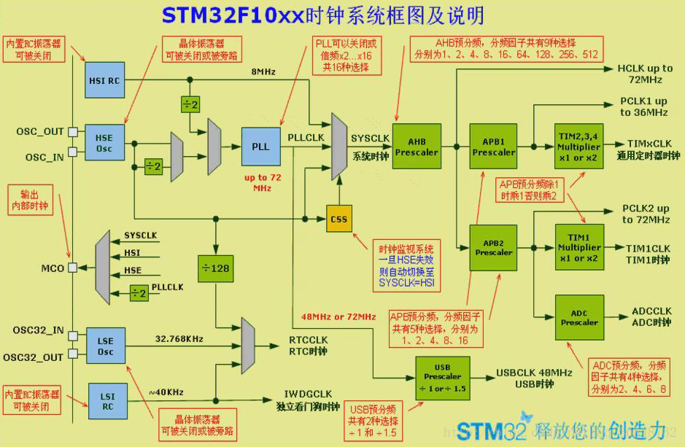
RCC_CR | H | Reserved |  |  |  |  |  | PLL RDY | PLL ON | Reserved |  |  |  | CSS ON | HSE BYP | HSE RDY | HSE ON
 |  |  |  |  |  |  |  | r | rw |  |  |  |  | rw | rw | r | rw
 | L | HSICAL[7:0] |  |  |  |  |  |  |  | HSITRIM[4:0] |  |  |  |  | Res. | HSI RDY | HSI ON
 |  | r | r | r | r | r | r | r | r | rw | rw | rw | rw | rw |  | r | rw

RCC_CIR | H | Reserved |  |  |  |  |  |  |  | CSSC | Reserved |  | PLL RDYC | HSERDYC | HSI RDYC | LSE RDYC | LSI RDYC
 |  |  |  |  |  |  |  |  |  | w |  |  | w | w | w | w | w
 | L | Reserved |  |  | PLL RDYE | HSE RDYE | HSI RDYE | LSE RDYE | LSI RDYE | CSSF | Reserved |  | PLL RDYF | HSERDYF | HSI RDYF | LSE RDYF | LSI RDYF
 |  |  |  |  | rw | rw | rw | rw | rw | r |  |  | r | r | r | r | r

RCC_CFGR | H | Reserved |  |  |  |  | MCO[2:0] |  |  | Res. | USB PRE | PLLMUL[3:] |  |  |  | PLL XTPRE | PLL SRC
 |  |  |  |  |  |  | rw | rw | rw |  | rw | rw | rw | rw | rw | rw | rw
 | L | ADC PRE [1:0] |  | PPRE2 [2:0] |  |  | PPRE1 [2:0] |  |  | HPRE [3:0] |  |  |  | SWS [1:0] |  | SW [1:0]
 |  | rw | rw | rw | rw | rw | rw | rw | rw | rw | rw | rw | rw | r | r | rw | rw

RCC_AHBENR | H | Reserved

 | L | Reserved |  |  |  |  | SDIO EN | Res. | FSMCEN | Res. | CRCEEN | Res. | FLITF EN | Res. | SRAM EN | DMA2 EN | SRAM EN
 |  |  |  |  |  |  | rw |  | rw |  | rw |  | rw |  | rw | rw | rw

RCC_APB2RSTR | H | Reserved |  |  |  |  |  |  |  |  |  | TIM11RST | TIM10RST | TIM9 RST | Reserved
 |  |  |  |  |  |  |  |  |  |  |  | rw | rw | rw
 | L | ADC3RST | USART1 RST | TIM8 RST | SPI1 RST | TIM1 RST | ADC2RST | ADC1RST | IOPG RST | IOPF RST | IOPE RST | IOPD RST | IOPC RST | IOPB RST | IOPA RST | Res. | AFIO RST
 |  | rw | rw | rw | rw | rw | rw | rw | rw | rw | rw | rw | rw | rw | rw |  | rw

RCC_APB2ENR | H | Reserved |  |  |  |  |  |  |  |  |  | TIM11EN | TIM10EN | TIM9 EN | Reserved
 |  |  |  |  |  |  |  |  |  |  |  | rw | rw | rw
 | L | ADC3EN | USART1 EN | TIM8 EN | SPI1 EN | TIM1 EN | ADC2EN | ADC1EN | IOPG EN | IOPF EN | IOPE EN | IOPD EN | IOPC EN | IOPB EN | IOPA EN | Res. | AFIO EN
 |  | rw | rw | rw | rw | rw | rw | rw | rw | rw | rw | rw | rw | rw | rw |  | rw

RCC_APB1RSTR | H | Reserved |  | DAC RST | PWR RST | BKP RST | Res. | CAN RST | Res. | USB RST | I2C2 RST | I2C1 RST | UART5 RST | UART4RST | USART3 RST | USART2 RST | Res.
 |  |  |  | rw | rw | rw |  | rw
 | L | SPI3 RST | SPI2 RST | Reserved |  | WWDG RST | Reserved |  | TIM14 RST | TIM13 RST | TIM12 RST | TIM7 RST | TIM6RST | TIM5 RST | TIM4 RST | TIM3 RST | TIM2 RST
 |  | rw | rw |  |  | rw |  |  | rw | rw | rw | rw | rw | rw | rw | rw | rw

RCC_APB1ENR | H | Reserved |  | DAC EN | PWR EN | BKP EN | Res. | CAN EN | Res. | USB ENT | I2C2 EN | I2C1 EN | UART5 EN | UART4EN | USART3 EN | USART2 EN | Res.
 |  |  |  | rw | rw | rw |  | rw
 | L | SPI3 EN | SPI2 EN | Reserved |  | WWDG EN | Reserved |  | TIM14 EN | TIM13 EN | TIM12 EN | TIM7 EN | TIM6REN | TIM5 EN | TIM4 EN | TIM3 EN | TIM2 EN
 |  | rw | rw |  |  | rw |  |  | rw | rw | rw | rw | rw | rw | rw | rw | rw

RCC_BDCR | H | Reserved |  |  |  |  |  |  |  |  |  |  |  |  |  |  | BD RST
 |  |  |  |  |  |  |  |  |  |  |  |  |  |  |  |  | RW
 | L | RTC EN | Reserved |  |  |  |  | RTCSEL[1:0] |  | Reserved |  |  |  |  | LSE BYP | LSE RDY | LSE ON
 |  | rw |  |  |  |  |  | rw | rw |  |  |  |  |  | rw | rw | rw

RCC_CSR | H | LPWR RSTF | WWDG RSTF | IWDG RSTF | SFT RSTF | POR RSTF | PIN RSTF | Res. | RMVF | Reserved
 |  | rw | rw | rw | rw | rw | rw |  | rw
 | L | Reserved |  |  |  |  |  |  |  |  |  |  |  |  |  | LSI RDY | LSI ON
 |  |  |  |  |  |  |  |  |  |  |  |  |  |  |  | r | rw

