Series
Mindtickle Series Template v3 |  |  |  |  |  |  |  |  |  |  |  |  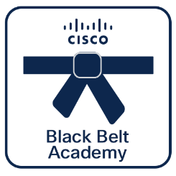 

Webex Calling
Pre-Sales
 | Black Belt Webex Calling Pre-Sales Stage 1 (Aug 2026)
 | This foundational series breaks down the essential concepts of Webex Calling . Participants will explore the core architecture and learn how to present the value of the solution to business decision-makers, while also gaining a clear understanding of fundamental deployment topics like PSTN options, calling regions, and location planning. Cisco 360 Aligned Portfolio: Collaboration. Estimated series completion duration: 1 h 40 m

Series Title | Generated |  | Black Belt Webex Calling Pre-Sales Stage 1

Stage 1
Description | This foundational series breaks down the essential concepts of Webex Calling . Participants will explore the core architecture and learn how to present the value of the solution to business decision-makers, while also gaining a clear understanding of fundamental deployment topics like PSTN options, calling regions, and location planning.
 |  |  |  |  |  |  |  |  |  |  |  | **Note, this is a non-final static preview. The Partner 360 logo will be included based on your selection.**
Program Track | Webex Calling | Track | Pre-Sales | Stage | Stage 1 | Persona | Partner | Language | English |  |  | Legend
 | Black Belt Webex Calling |  | Pre-Sales |  |  |  |  |  |  |  |  |  | Info not required
Duration (mins) | 100 | BE | Collaboration | Sub BE | Other | Category | Collaboration | Request Type | New |  |  |  | Missing or inaccurate info
 |  |  |  |  |  |  |  |  |  |  |  |  | Caution
Series Owners | anuniyal, rahula2, umangupt | Certificate | Yes | Checkpoints | 15/15 | Folder Name | Black_Belt_Webex_Calling_Pre-Sales_Stage_1_(Aug_2026) | Template Name | 260812_Black_Belt_Webex_Calling_Pre-Sales_Stage_1_(Aug_2026) |  |  | 2026-08-24 | Upcoming Release Date

P360 | Yes | Portfolios Aligned | Collaboration

6 | 6 | 10 | 10 | 10 | 10 | 10 | 10 | 10 | 10 | 10
Section Order | Section Name | Section (M/O) | Module Order | Module Type | Module Title | Duration (mins) | Module Description | Module (M/O) | Module File Name | Module Link |  | Notes
1 | Introduction to Webex Calling | Optional | 1 | Video | Webex Calling Introduction | 9 | This session introduces Webex Calling, a flexible, cloud-based solution designed to simplify global communication strategies. Webex Calling provides the agility of the cloud while supporting hybrid environments that integrate with on-premise CUCM. Managed centrally through Control Hub, the platform offers deep analytics, robust security, and feature parity with traditional telephony. Estimated duration : 9 mins. | Optional | Webex_Calling_Introduction.mp4
1 | Introduction to Webex Calling | Optional | 2 | Video | Administration with Control Hub | 6 | This session provides an overview of Webex Control Hub as the centralized management platform and "single source of truth" for Webex Calling. Estimation duration : 6 mins. | Optional | Administration_with_Control_Hub.mp4
1 | Introduction to Webex Calling | Optional | 3 | PPT | Webex Calling BDM | 10 | This reference module serves as a comprehensive guide for Business Decision Makers (BDMs) regarding the current state, strategy, and roadmap of Cisco’s Webex Calling platform. It provides a detailed overview of how Webex Calling integrates cloud innovation, artificial intelligence, and flexible deployment models to support modern enterprise communication. Estimated duration : 10 mins. | Optional | Webex_Calling_BDM.pptx
2 | Webex Calling Architecture | Optional | 1 | SCORM | Webex Calling Architecture Overview | 10 | This module provides a comprehensive overview of the two primary architectures available in Webex Calling: Multi-tenant and Dedicated Instance. Estimated duration : 10 mins. | Optional | Webex_Calling_Architechure_Overview.zip |  | Modify
3 | Webex Calling Customer Assist | Optional | 1 | Video | Webex Calling Customer Assist overview | 7 | This overview provides a comprehensive introduction to Webex Calling Customer Assist (formerly rebranded from Webex Customer Experience Essentials). Estimated duration : 7 mins. | Optional | Webex_Calling_Customer_Assist_overview.mp4
4 | Migration to Webex Calling | Optional | 1 | Video | PSTN Connectivity Options | 22 | This module provides an overview of the three primary PSTN (Public Switched Telephone Network) connectivity options available for Webex Calling: On-premises PSTN, Cisco Calling Plans, and Cloud Connected PSTN. Estimated duration : 22 mins. | Optional | PSTN_Options.mp4
4 | Migration to Webex Calling | Optional | 2 | Video | Calling Regions | 5 | This module explains the architecture of Webex Calling regions, emphasizing that the initial region selected during the creation of an organization's first location serves as the permanent "home" for all provisioning, user data, and signaling traffic. Estimated duration : 5 mins . | Optional | Calling_Regions.mp4
4 | Migration to Webex Calling | Optional | 3 | Video | Location Consideration | 6 | This module provides an overview of the core concepts and configuration requirements for Locations within Webex Calling. Estimated duration : 6 mins. | Optional | Location_Consideration.mp4
5 | Winning with Webex Calling | Optional | 1 | PDF | Why lead with Webex Calling | 5 | As a Cisco Partner you have exclusive access to programs, resources and tools, designed to make your cloud calling practice a success. Use this reference eBook to access profitability programs, enablement resources and partner success stories for Webex Calling. Estimated duration : 5 mins. | Optional | Why_lead_with_Webex_Calling.pdf
6 | Assessment | Mandatory | 1 | Assessment | Black Belt Webex Calling Pre-Sales Stage 1 Assessment | 20 |  | Mandatory | 260518_Black_Belt_Webex_Calling_Presales_Stage_1_Assessment.xlsx | https://cisco.sharepoint.com/:x:/r/Sites/CiscoBlackBeltPartnerAcademy/Shared%20Documents/Mindtickle%20Publishing/Assessment%20Template/260518_Black_Belt_Webex_Calling_Presales_Stage_1_Assessment.xlsx?d=w19845e208336481a893deffa46626065&csf=1&web=1&e=t1atYz

1 | 1 | 1 | 1 | 1 | 1 | 1 | 1 | 1 | 1 | 1 | 1 | 1 | 1

Missions
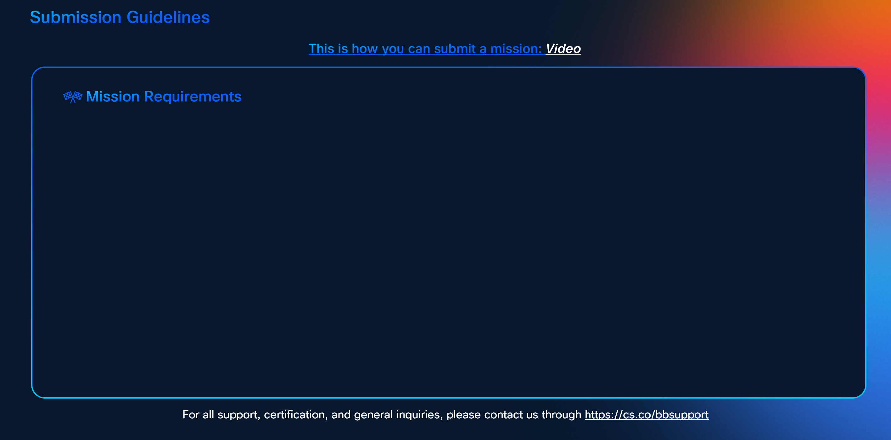

To earn certification, successfully complete the following missions:-

**Note, this is only a preview. The actual SG will feature the missions listed above, with a layout adjusted according to the number of missions.**

