Series
Mindtickle Series Template v3 |  |  |  |  |  |  |  |  |  |  |  |  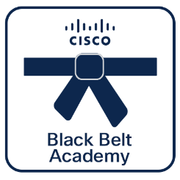 

Webex Calling
Pre-Sales
 | Black Belt Webex Calling Pre-Sales Stage 2 (Jul 2026)
 | This learning series is designed to deepen your understanding of Webex Calling, focusing on advanced features, deployment options, licensing, PSTN connectivity, and migration strategies. This series enables partners to confidently guide customers through the Webex Calling adoption journey, addressing technical, licensing, and migration considerations while highlighting the value of both multi-tenant and Dedicated Instance deployments. Cisco 360 Aligned Portfolio: Collaboration. Estimated series completion duration: 4 h 55 m

Series Title | Generated

Stage 2
Description | This learning series is designed to deepen your understanding of Webex Calling, focusing on advanced features, deployment options, licensing, PSTN connectivity, and migration strategies. This series enables partners to confidently guide customers through the Webex Calling adoption journey, addressing technical, licensing, and migration considerations while highlighting the value of both multi-tenant and Dedicated Instance deployments.
 |  |  |  |  |  |  |  |  |  |  |  | **Note, this is a non-final static preview. The Partner 360 logo will be included based on your selection.**
Program Track | Webex Calling | Track | Pre-Sales | Stage | Stage 2 | Persona | Partner | Language | English |  |  | Legend
 |  |  |  |  |  |  |  |  |  |  |  |  | Info not required
Duration (mins) | 295 | BE | Collaboration | Sub BE | Other | Category | Collaboration | Request Type | Update |  |  |  | Missing or inaccurate info
 |  |  |  |  |  |  |  |  |  |  |  |  | Caution
Series Owners | anuniyal, rahula2, umangupt | Certificate | Yes | Checkpoints | 15/15 | Folder Name | Black_Belt_Webex_Calling_Pre-Sales_Stage_2_(Jul_2026) | Template Name | 260713_Black_Belt_Webex_Calling_Pre-Sales_Stage_2_(Jul_2026) |  |  | 2026-07-27 | Upcoming Release Date

P360 | Yes | Portfolios Aligned | Collaboration

6 | 6 | 23 | 23 | 23 | 23 | 23 | 23 | 23 | 23 | 23 | 2
Section Order | Section Name | Section (M/O) | Module Order | Module Type | Module Title | Duration (mins) | Module Description | Module (M/O) | Module File Name | Module Link | Update | Notes
1 | Deep dive into Webex Calling | Optional | 1 | Video | More about Dedicated Instance | 8 | This session provides a deep dive into Dedicated Instance (DI) for Webex Calling. Designed for Pre-Sales, this video explains how to transition on-premises UCM workloads to a Cisco-managed cloud. Learn how to position DI to help customers shift from CapEx to OpEx, bypass complex hardware/OS refreshes, and maintain critical integrations. | Optional | More_about_Dedicated_Instance.mp4
1 | Deep dive into Webex Calling | Optional | 2 | Video | More about Webex Calling -Part 1 | 22 | his session provides a technical deep dive into the global expansion and advanced configuration of Webex Calling. Designed for Pre-Sales engineers, this video covers critical elements of regional deployment, including dial-plan management, outgoing call permissions, and destination selection. We explore the global footprint of Webex Calling, identifying calling regions and media pops to ensure optimal performance. | Optional | More_about_Webex_Calling_-Part_1.mp4
1 | Deep dive into Webex Calling | Optional | 3 | Video | More about Webex Calling -Part 2 | 27 | Master advanced Webex Calling provisioning and lifecycle management. This session explores using APIs/SDKs to automate location setup, PSTN selection, and user call handling. Learn about workspace licensing—including hot-desking and emergency (ELIN) allocation—and explore strategic PSTN migration paths, from manual to Cisco-managed options. Gain the tools to streamline deployments and scale complex Webex Calling environments efficiently. | Optional | More_about_Webex_Calling_-Part_2.mp4
1 | Deep dive into Webex Calling | Optional | 4 | Video | More about Webex Calling -Part 3 | 30 | This session covers the latest enhanced features for Webex Calling, focusing on AI-driven productivity and advanced administrative control. Learn how to leverage Calling AI for live transcriptions, optimize call routing with enhanced personal rules, and manage complex environments using new supervisor notification tones and directed call pickup. We also explore critical updates for emergency services, including PIDF-LO support, emergency call recording, and hunt group callback options. From bulk management tools and Unicode support to exposing PSTN across the Webex Suite, this training provides the technical edge needed to configure, secure, and scale high-performance calling environments. | Optional | More_about_Webex_Calling_-Part_3.mp4
1 | Deep dive into Webex Calling | Optional | 5 | HTML | Dedicated Instance - Demo | 10 | This demo helps you in demonstrating the value and added benefits of Dedicated Instance. | Optional |  | https://demotoolbox.cat-dcloud.com/demo/demo-webex-calling-dedicated-instance
2 | Licensing | Optional | 1 | Video | Webex Calling Licensing - Part 1 | 8 | This session provides an essential introduction to Webex Wholesale, a partner-centric model designed for high-velocity, high-volume service providers. Webex Wholesale offers a co-branded, monthly consumption-based experience (committed or uncommitted) that integrates seamlessly with partner billing and OSS/BSS systems via robust APIs. | Optional | Webex_Calling_Licensing_-_Part_1.mp4
2 | Licensing | Optional | 2 | Video | Webex Calling Licensing - Part 2 | 4 | This session continues the deep dive into Webex Wholesale, focusing on the billing model and license packaging. Webex Wholesale utilizes a fixed, predictable per-user/per-month pricing structure with monthly billing in arrears and automated proration for user additions or removals. | Optional | Webex_Calling_Licensing_-_Part_2.mp4
2 | Licensing | Optional | 3 | Video | Flex licensing | 7 | This session provides a comprehensive overview of Webex Flex licensing, designed to help Pre-Sales engineers navigate various buying models and deployment scenarios. Learn how to position Named User, Active User, and Enterprise Agreement models to meet diverse customer needs. We explore the value of the Webex Suite, including its AI capabilities, webinar/event tiers, and bundled features. | Optional | Flex_licensing.mp4
3 | PSTN Connectivity | Optional | 1 | Video | PSTN Options for Webex Calling | 13 | This session provides an essential overview of PSTN connectivity options for Webex Calling. As a cloud-based PBX, Webex Calling requires robust PSTN integration to handle local, long-distance, and emergency services. We explore the platform’s global architecture, including the differences between Multi-Tenant and Dedicated Instance, and how to scale deployments effectively. | Optional | PSTN_Options_for_Webex_Calling.mp4
4 | Migration best practices | Optional | 1 | Video | Webex Calling Migration Strategy | 24 | This session provides overview of the Migration strategy and transition to cloud. It covers introduction to Webex Calling Migration Tools, partner migration services and certified migration programs. | Optional | Webex_Calling_Migration_Strategy.mp4 |  | Add
4 | Migration best practices | Optional | 2 | Video | Migration Lifecycle | 12 | Webex Calling is a powerful cloud platform, not a UCM emulator. This session shows you how to avoid moving legacy "technical debt" and unused features into your new environment. Learn to use the PPDIO framework to focus on your customer’s current needs, ensuring a cleaner, more efficient transition to the cloud. | Optional | Migration_Lifecycle.mp4
4 | Migration best practices | Optional | 3 | Video | Migration Journey - Connect to the Cloud | 8 | Start your migration journey by "connecting to the cloud." This session explains how to link on-premises UCM to Control Hub using Cloud Connected UC to assess your migration readiness. Learn to perform deep inventory and integration assessments using Migration Insights, config exports, and AXL. We also cover how to analyze Call Detail Records (CDRs) to identify unused features, ensuring you only migrate what the business truly needs. Master these discovery tools to build a data-driven foundation for a successful cloud transition. | Optional | Migration_Journey_-_Connect_to_the_Cloud.mp4
4 | Migration best practices | Optional | 4 | Video | Design and Planning | 12 | This module provides guidance on the design and planning considerations for migrating from Cisco Unified Communications Manager (UCM) to Webex Calling. It emphasizes that a successful migration requires focusing on underlying business requirements rather than attempting a direct, feature-for-feature mapping of existing UCM configurations. | Optional | Design_and_Planning.mp4
4 | Migration best practices | Optional | 5 | Video | Move at your own pace | 4 | This module outlines the "move at your own pace" strategy for migrating from Cisco Unified Communications Manager (UCM) to Webex Calling, allowing organizations to transition users in phases rather than all at once. | Optional | Move_at_your_own_pace.mp4
4 | Migration best practices | Optional | 6 | Video | Migration considerations | 4 | This module outlines key migration considerations when transitioning from Cisco Unified Communications Manager (UCM) to Webex Calling, focusing on how to adapt legacy workflows to a cloud-based environment. | Optional | Migration_considerations.mp4
4 | Migration best practices | Optional | 7 | Video | Phased Migrations | 4 | This document focuses on the complexities of executing a phased migration from Cisco Unified Communications Manager (UCM) to Webex Calling, specifically addressing the challenges of interdependent user groups. | Optional | Phased_Migrations.mp4
4 | Migration best practices | Optional | 8 | Video | Migration Tools | 5 | This module overview introduces the key migration tools for Webex Calling. Learn how to leverage the Calling Migration Tool, Control Hub, and Tuki automation to seamlessly transition UCM features and execute an efficient cloud migration. | Optional | Migration_Tools.mp4
4 | Migration best practices | Optional | 9 | HTML | Wrangler Migration Tool Demo | 10 | This dcloud lab is intended for a Unified Communications Manager (Unified CM) administrator who needs hands-on experience to learn how to more efficiently transition from on-premises Unified CM to Cisco Webex Dedicated Instance or Multi-Tenant using Wrangler tool. | Optional |  | https://dcloud2-sng.cisco.com/content/demo/wrangler-migration-tool-for-webex-di-and-mt?returnPathTitleKey=content-view
4 | Migration best practices | Optional | 10 | Video | Executing migrations | 19 | This video provides a comprehensive guide to managing migration projects for Webex Calling and the Webex Suite, outlining the end-to-end process from initial kickoff to final customer acceptance. You will learn how to define business objectives and establish clear roles and responsibilities during the kickoff phase, understand the importance of maintaining a consistent cadence for project tracking, and discover how to leverage built-in Control Hub tools and APIs to streamline transitions from legacy platforms like CUCM or BroadWorks. | Optional | Executing_Migrations.mp4 |  | Add
5 | Webex Calling Customer Assist | Optional | 1 | Video | Webex Calling Customer Assist Deep Dive - Part 1 | 8 | This session introduces Webex Calling Customer Assist, an extension of Webex Calling designed to provide lightweight contact center capabilities directly within the Webex App. It is ideal for branch offices, retail, healthcare, and logistics—organizations that need efficient customer service tools without the complexity of a full-fledged Contact Center-as-a-Service (CCaaS) solution. | Optional | Webex_Calling_Customer_Assist_Deep_Dive_-_Part_1.mp4
5 | Webex Calling Customer Assist | Optional | 2 | Video | Webex Calling Customer Assist Deep Dive - Part 2 | 4 | This session concludes the deep dive into Webex Calling Customer Assist, focusing on advanced queue management and AI-driven productivity features. Learn how to leverage built-in AI assistants to automate note-taking and call summarization, ensuring seamless handoffs between agents. We explore upcoming innovations like real-time call sentiment analysis, which enables supervisors to intervene proactively, and advanced auto-attendant capabilities including text-to-speech and multi-level menus. | Optional | Webex_Calling_Customer_Assist_Deep_Dive_-_Part_2.mp4
5 | Webex Calling Customer Assist | Optional | 3 | Video | CCW Configuration | 22 | This session provides a technical walkthrough of the Cisco Commerce Workspace (CCW) for configuring Webex Calling and Webex Suite estimates. Designed for Pre-Sales, this training covers how to build accurate Bills of Material (BOM) for both Enterprise Agreements (EA) and Named User models, including hybrid (On-Prem + Cloud) deployment scenarios. | Optional | CCW_Configuration.mp4
6 | Assessment | Mandatory | 1 | Assessment | Black Belt Webex Calling Pre-Sales Stage 2 Assessment | 30 |  | Mandatory | 260519_Black_Belt_Webex_Calling_Presales_Stage_2_Assessment.xlsx

1 | 1 | 1 | 1 | 1 | 1 | 1 | 1 | 1 | 1 | 1 | 1 | 1 | 1

Missions
Black Belt Webex Calling Pre-Sales Stage 2 (Jul 2026) Submission Guidelines

1 | 1 | 1 | 1 | 1 | 1
Missions | Choice | Mission Title | Mission Subtitle | Mission Description | Link
Mission: CTF | And | Webex Calling Customer Assist | Customer Assist is best suitable for customers who need low-end professional key contact center capabilities and do not need the advanced features of a comprehensive contact center solution. | In this mission, you will learn how to use the Webex Calling Customer Assist feature. | https://blackbelt.ciscoctf.io/user/event/join?e=BBWCPS2FY26&key=4bf4cdda-1ce1-4ff2-bd68-0b82a5d2461e

Attention: You are guiding users to complete 1 missions. Choose one from each of the following groups: (Webex Calling Customer Assist or ).

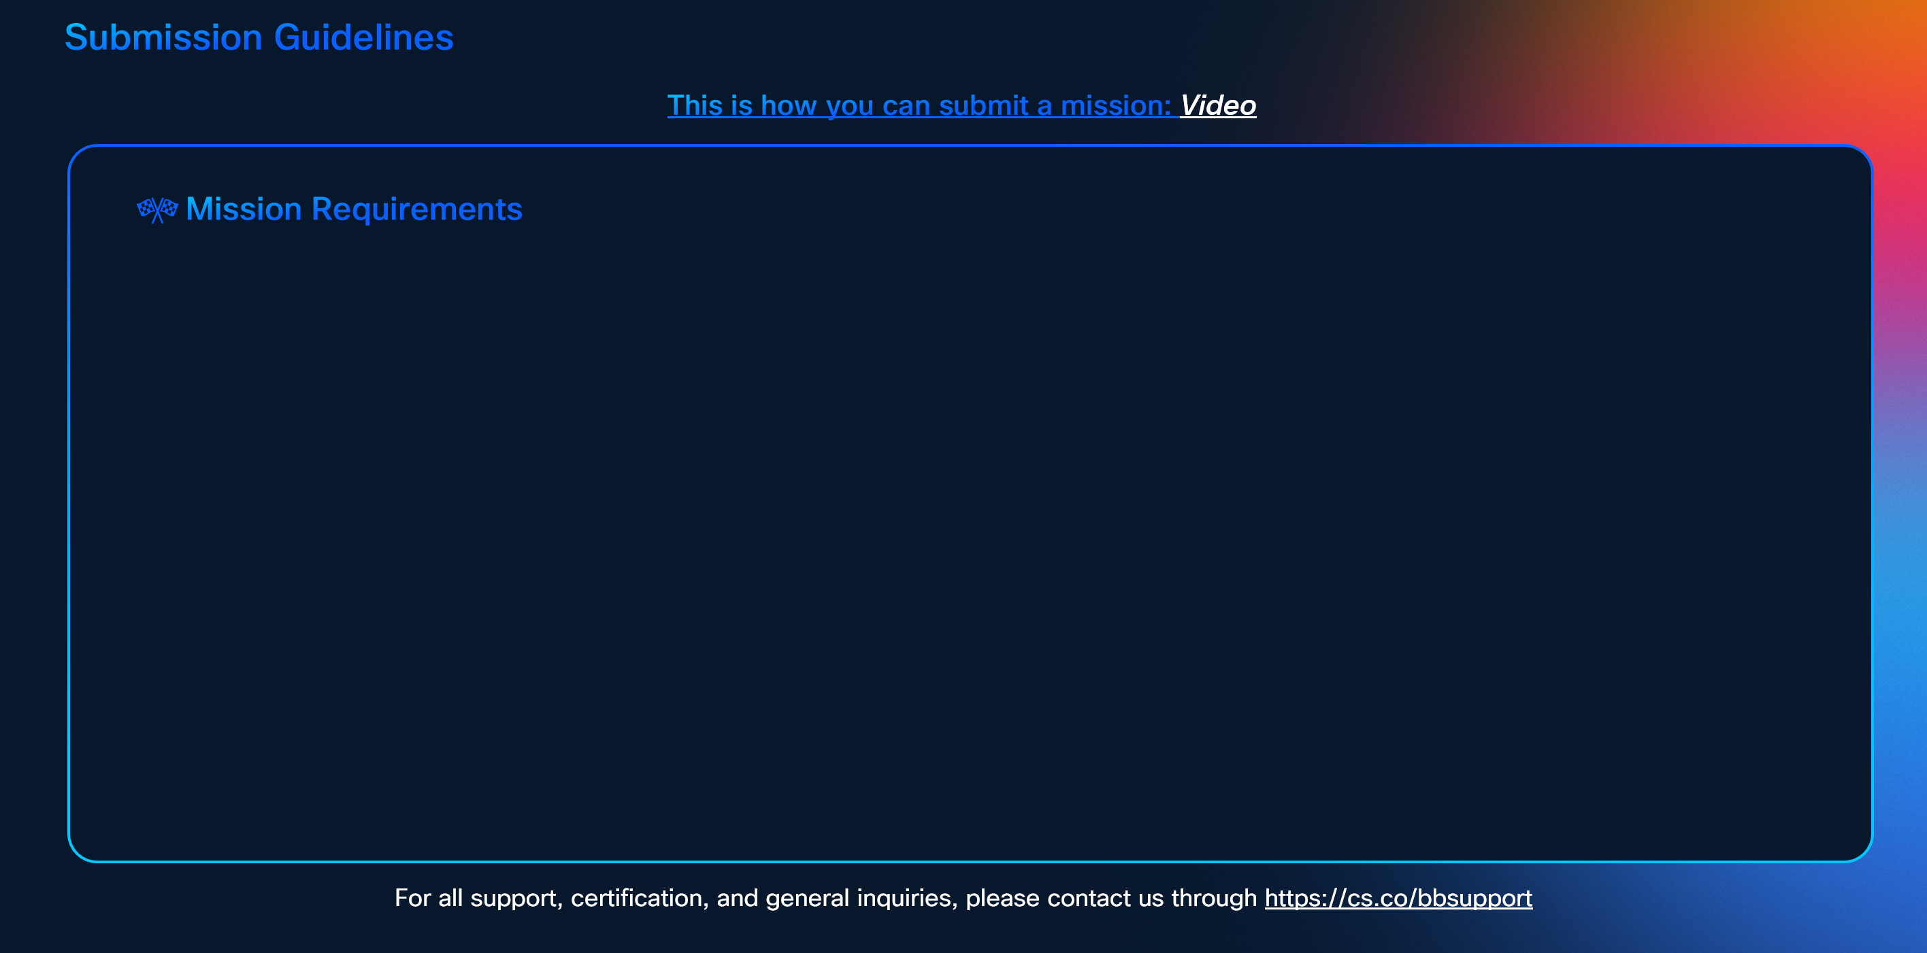

To earn certification, successfully complete the following missions:-
Customer Assist is best suitable for customers who need low-end professional key contact center capabilities and do not need the advanced features of a comprehensive contact center solution.
Webex Calling Customer Assist

**Note, this is only a preview. The actual SG will feature the missions listed above, with a layout adjusted according to the number of missions.**

