Series
Mindtickle Series Template v3 |  |  |  |  |  |  |  |  |  |  |  |  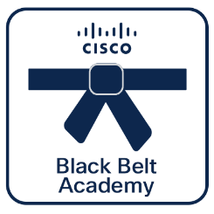 

Webex Calling
Pre-Sales
 | Black Belt Webex Calling Pre-Sales Stage 3 (Aug 2026)
 | This learning series is designed to equip presales professionals with the technical depth and strategic insights required to position Webex Calling as a market-leading, intelligent communication platform. In this stage, we move beyond foundational concepts to explore the cutting-edge capabilities of AI, the power of programmability through APIs, and strategies for seamless interoperability with Microsoft ecosystems. Cisco 360 Aligned Portfolio: Collaboration. Estimated series completion duration: 2 h 34 m

Series Title | Generated

Stage 3
Description | This learning series is designed to equip presales professionals with the technical depth and strategic insights required to position Webex Calling as a market-leading, intelligent communication platform. In this stage, we move beyond foundational concepts to explore the cutting-edge capabilities of AI, the power of programmability through APIs, and strategies for seamless interoperability with Microsoft ecosystems.
 |  |  |  |  |  |  |  |  |  |  |  | **Note, this is a non-final static preview. The Partner 360 logo will be included based on your selection.**
Program Track | Webex Calling | Track | Pre-Sales | Stage | Stage 3 | Persona | Partner | Language | English |  |  | Legend
 |  |  |  |  |  |  |  |  |  |  |  |  | Info not required
Duration (mins) | 154 | BE | Collaboration | Sub BE | Other | Category | Collaboration | Request Type | New |  |  |  | Missing or inaccurate info
 |  |  |  |  |  |  |  |  |  |  |  |  | Caution
Series Owners | anuniyal, rahula2, umangupt | Certificate | Yes | Checkpoints | 15/15 | Folder Name | Black_Belt_Webex_Calling_Pre-Sales_Stage_3_(Aug_2026) | Template Name | 260812_Black_Belt_Webex_Calling_Pre-Sales_Stage_3_(Aug_2026) |  |  | 2026-08-24 | Upcoming Release Date

P360 | Yes | Portfolios Aligned | Collaboration

4 | 4 | 10 | 10 | 10 | 10 | 10 | 10 | 10 | 10 | 10
Section Order | Section Name | Section (M/O) | Module Order | Module Type | Module Title | Duration (mins) | Module Description | Module (M/O) | Module File Name | Module Link |  | Notes
1 | AI in Webex Calling | Optional | 1 | Video | AI Innovations in Webex Calling - Part 1 | 11 | This module provides an overview of how Cisco is integrating artificial intelligence to enhance the Webex Calling experience. These AI-driven features are designed to improve interaction quality and administrative efficiency, with the AI Assistant being available at no extra cost within professional licenses. | Optional | AI_Innovations_in_Webex_Calling_-_Part_1.mp4 |  | Modify
1 | AI in Webex Calling | Optional | 2 | Video | AI Innovations in Webex Calling - Part 2 | 13 | This module details the future roadmap and advanced AI-driven features being integrated into the Webex Calling platform. | Optional | AI_Innovations_in_Webex_Calling_-_Part_2.mp4
1 | AI in Webex Calling | Optional | 3 | Video | AI Innovations in Webex Calling - Part 3 | 6 | This module outlines significant AI-driven enhancements to the Webex Calling platform aimed at improving communication quality and user productivity. Key innovations include an AI codec that automatically preserves audio quality during network fluctuations by rebuilding lost packets, as well as advanced noise removal capabilities that now support both the user and external callers. | Optional | AI_Innovations_in_Webex_Calling_-_Part_3.mp4
2 | APIs for Webex Calling | Optional | 1 | Video | APIs for Webex Calling - Part 1 | 11 | Get started with Webex Calling APIs in this introductory module, designed to guide you through the essentials of integrating and automating communication services within the Webex ecosystem. | Optional | APIs_for_Webex_Calling_-_Part_1.mp4
2 | APIs for Webex Calling | Optional | 2 | Video | APIs for Webex Calling - Part 2 | 23 | This module provides a foundational guide to starting your journey with Webex APIs. It covers the essential setup of your development environment, how to leverage the Webex Developer Sandbox for testing, and best practices for configuring your IDE to streamline your integration projects. | Optional | APIs_for_Webex_Calling_-_Part_2.mp4
2 | APIs for Webex Calling | Optional | 3 | Video | APIs for Webex Calling - Part 3 | 28 | Tokens are the cornerstone of API security and authentication. This module is critical for developers to understand how to manage access, refresh tokens, and implement OAuth 2.0 flows, ensuring that their applications can securely communicate with Webex services. | Optional | APIs_for_Webex_Calling_-_Part_3.mp4
2 | APIs for Webex Calling | Optional | 4 | Video | APIs for Webex Calling - Part 4 | 6 | This module explores advanced use cases for Webex APIs, focusing on operational efficiency and feature customization. Learn how to automate bulk provisioning tasks and implement specific user calling features to tailor the Webex experience to your organization's unique requirements. | Optional | APIs_for_Webex_Calling_-_Part_4.mp4
2 | APIs for Webex Calling | Optional | 5 | Video | APIs for Webex Calling - Part 5 | 23 | This module examines the implementation of a custom user web portal designed to empower end users with limited administrative capabilities. Learn how to leverage service app tokens and Webex APIs to securely delegate specific management tasks, enhancing operational efficiency while maintaining strict security boundaries. | Optional | APIs_for_Webex_Calling_-_Part_5.mp4
3 | Webex Calling with Microsoft | Optional | 1 | Video | Webex Calling with Microsoft Teams | 9 | This section introduces Cisco call for Microsoft Teams, an approved application that allows users to access Cisco call controls directly within the Microsoft Teams interface. It explains that the solution utilizes the Webex app to manage the "in-call" experience, ensuring users retain access to advanced features like voicemail, call history, and presence synchronization. | Optional | Webex_Calling_with_Microsoft_Teams.mp4
4 | Assessment | Mandatory | 1 | Assessment | Black Belt Webex Calling Pre-Sales Stage 3 Assessment | 24 |  | Mandatory | 260519_Black_Belt_Webex_Calling_Presales_Stage_3_Assessment.xlsx

1 | 1 | 1 | 1 | 1 | 1 | 1 | 1 | 1 | 1 | 1 | 1 | 1 | 1

Missions
Black Belt Webex Calling Pre-Sales Stage 3 (Aug 2026) Submission Guidelines

1 | 1 | 1 | 1 | 2 | 1
Missions | Choice | Mission Title | Mission Subtitle | Mission Description | Link
Mission: CTF | And | Webex Calling API Basics | Get started with Webex Calling APIs through immersive Capture the Flag challenges. | This mission will guide you through the basics of Webex Calling APIs, how to use them and experience our API documentation. | https://blackbelt.ciscoctf.io/user/event/join?e=BBWCPS3FY26&key=3cb631b8-8354-4595-b211-a9f6268c07d6
 |  |  |  | Through this mission, you will learn using AI receptionist feature in Webex Calling.

Attention: You are guiding users to complete 1 missions. Choose one from each of the following groups: (Webex Calling API Basics or ).

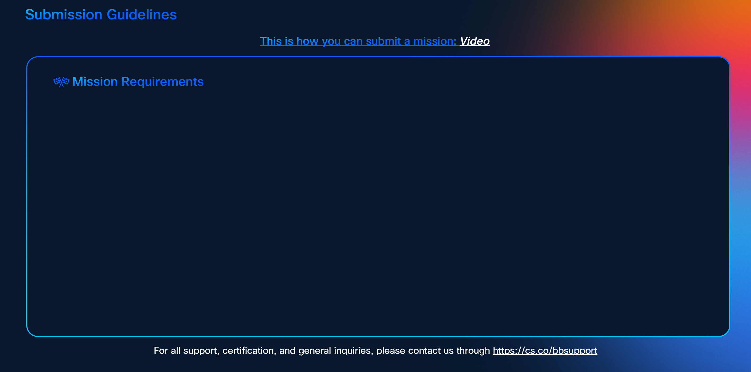

To earn certification, successfully complete the following missions:-
Get started with Webex Calling APIs through immersive Capture the Flag challenges.
Webex Calling API Basics

**Note, this is only a preview. The actual SG will feature the missions listed above, with a layout adjusted according to the number of missions.**

