Series
Mindtickle Series Template v3 |  |  |  |  |  |  |  |  |  |  |  |  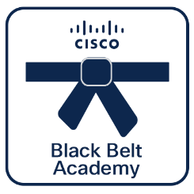 

Webex Calling
Deployment
 | Black Belt Webex Calling Deployment Stage 1 (Aug 2026)
 | This series establishes the technical foundation for Webex Calling deployments. It covers the cloud-first architecture, license management, and initial environment provisioning, enabling partners to move from Proof of Concept to a stable, production-ready deployment. Cisco 360 Aligned Portfolio: Collaboration. Estimated series completion duration: 2 h 21 m

Series Title | Generated

Stage 1
Description | This series establishes the technical foundation for Webex Calling deployments. It covers the cloud-first architecture, license management, and initial environment provisioning, enabling partners to move from Proof of Concept to a stable, production-ready deployment.
 |  |  |  |  |  |  |  |  |  |  |  | **Note, this is a non-final static preview. The Partner 360 logo will be included based on your selection.**
Program Track | Webex Calling | Track | Deployment | Stage | Stage 1 | Persona | Partner | Language | English |  |  | Legend
 |  |  |  |  |  |  |  |  |  |  |  |  | Info not required
Duration (mins) | 141 | BE | Collaboration | Sub BE | Other | Category | Collaboration | Request Type | Update |  |  |  | Missing or inaccurate info
 |  |  |  |  |  |  |  |  |  |  |  |  | Caution
Series Owners | rahula2,anuniyal | Certificate | Yes | Checkpoints | 15/15 | Folder Name | Black_Belt_Webex_Calling_Deployment_Stage_1_(Aug_2026) | Template Name | 260812_Black_Belt_Webex_Calling_Deployment_Stage_1_(Aug_2026) |  |  | 2026-08-24 | Upcoming Release Date

P360 | Yes | Portfolios Aligned | Collaboration

5 | 5 | 16 | 16 | 16 | 16 | 16 | 16 | 16 | 16 | 16 | 0
Section Order | Section Name | Section (M/O) | Module Order | Module Type | Module Title | Duration (mins) | Module Description | Module (M/O) | Module File Name | Module Link | Update | Notes
1 | Webex Calling Architecture: Cloud-first design | Optional | 1 | Video | Introduction to Webex calling | 9 | Get a clear, high-level overview of the Webex Calling platform. This video traces the evolution of our calling strategy—from the Broadsoft acquisition to the modern, unified Cisco collaboration portfolio—and explains how we provide the flexibility to support both cloud and hybrid environments through a single, seamless experience. | Optional | Introduction_to_Webex_calling.mp4
1 | Webex Calling Architecture: Cloud-first design | Optional | 2 | SCORM | Webex Calling Architecture Overview | 10 | This module provides a comprehensive overview of the two primary architectures available in Webex Calling: Multi-tenant and Dedicated Instance. | Optional | Webex_Calling_Architecture_Overview.zip | https://cisco.sharepoint.com/Sites/CiscoBlackBeltPartnerAcademy/_layouts/15/stream.aspx?id=%2FSites%2FCiscoBlackBeltPartnerAcademy%2FShared%20Documents%2FMindtickle%20Publishing%2FBlack_Belt_Collaboration_Deployment_Stage_1_%28Jul_2026%29%2FAdministration_with_Control_Hub%2Emp4
1 | Webex Calling Architecture: Cloud-first design | Optional | 3 | Video | Dedicated Instance: Architecture & Use Cases | 8 | Discover how Dedicated Instance (DI) brings the power of on-premises Cisco Unified Communications Manager (CUCM) into the cloud. This session explores key use cases, such as transitioning to an OpEx model and supporting complex hybrid deployments, while highlighting the architectural benefits of bridging your dedicated environment with the Webex multi-tenant site. | Optional | Dedicated_Instance_Architecture_&_Use_Cases.mp4
2 | Control Hub Mangement | Optional | 1 | Video | Administration with Control Hub | 6 | Master your Webex Calling deployment with this overview of Control Hub. Learn how to centralize your management, leverage ThousandEyes for advanced troubleshooting, set up proactive call quality notifications, and implement granular, role-based administration to secure your environment. | Optional | Administration_with_Control_Hub.mp4 | https://cisco.sharepoint.com/Sites/CiscoBlackBeltPartnerAcademy/_layouts/15/stream.aspx?id=%2FSites%2FCiscoBlackBeltPartnerAcademy%2FShared%20Documents%2FMindtickle%20Publishing%2FBlack%5FBelt%5FCollaboration%5FDeployment%5FStage%5F1%5F%28Jul%5F2026%29%2FProvisioning%20Licensing%20%26%20Organization%20Setup%2Emp4&referrer=StreamWebApp%2EWeb&referrerScenario=AddressBarCopied%2Eview%2E81ca4122%2D7f2a%2D4b4d%2D841c%2Db403dc2ebf92
2 | Control Hub Mangement | Optional | 2 | Video | Provisioning : Licensing & Organization Setup | 3 | Master the essentials of Webex organization setup. This video covers critical data residency requirements and clarifies how UCM and Unity calling integrate into Webex, ensuring you understand the licensing landscape without needing additional, separate Webex subscriptions. | Optional | Provisioning_Licensing_&_Organization_Setup.mp4 | https://cisco.sharepoint.com/Sites/CiscoBlackBeltPartnerAcademy/_layouts/15/stream.aspx?id=%2FSites%2FCiscoBlackBeltPartnerAcademy%2FShared%20Documents%2FMindtickle%20Publishing%2FBlack%5FBelt%5FCollaboration%5FDeployment%5FStage%5F1%5F%28Jul%5F2026%29%2FDomain%20Claiming%20%26%20User%20Onboarding%2Emp4&referrer=StreamWebApp%2EWeb&referrerScenario=AddressBarCopied%2Eview%2E929d2646%2D30f0%2D4bf3%2Dbf11%2D16ee96781ae6
2 | Control Hub Mangement | Optional | 3 | Video | Domain Claiming & User Onboarding | 9 | Streamline your Webex deployment by mastering domain management and user onboarding. This video explains how to verify and claim domains to ensure organizational control, how to automate license assignments with templates, and how to simplify the user experience using Single Sign-On (SSO) and directory synchronization for seamless access. | Optional | Domain_Claiming_&_User_Onboarding.mp4 | https://cisco.sharepoint.com/Sites/CiscoBlackBeltPartnerAcademy/_layouts/15/stream.aspx?id=%2FSites%2FCiscoBlackBeltPartnerAcademy%2FShared%20Documents%2FMindtickle%20Publishing%2FBlack_Belt_Collaboration_Deployment_Stage_1_%28Jul_2026%29%2FLocation%20Configuration%20Strategy%2Emp4
2 | Control Hub Mangement | Optional | 4 | Video | Location Configuration Strategy | 5 | Master site-specific management in Webex Control Hub. Learn to configure location-based requirements like PSTN breakout, manage main numbers, and implement delegated admin roles. Discover how to balance administrative productivity with security using enhanced roles and audit logs. | Optional | Location_Configuration_Strategy.mp4 | https://cisco.sharepoint.com/Sites/CiscoBlackBeltPartnerAcademy/_layouts/15/stream.aspx?id=%2FSites%2FCiscoBlackBeltPartnerAcademy%2FShared%20Documents%2FMindtickle%20Publishing%2FBlack%5FBelt%5FCollaboration%5FDeployment%5FStage%5F1%5F%28Jul%5F2026%29%2FEnabling%20User%20Calling%20Services%2Emp4&referrer=StreamWebApp%2EWeb&referrerScenario=AddressBarCopied%2Eview%2E02cecdfc%2Dd183%2D4542%2D8ef3%2Df5c67a8234c4
2 | Control Hub Mangement | Optional | 5 | Video | Enabling User Calling Services | 1 | This video shows you how to quickly provision a user for Webex Calling by assigning a directory number in Control Hub | Optional | Enabling_User_Calling_Services.mp4 | https://cisco.sharepoint.com/Sites/CiscoBlackBeltPartnerAcademy/_layouts/15/stream.aspx?id=%2FSites%2FCiscoBlackBeltPartnerAcademy%2FShared%20Documents%2FMindtickle%20Publishing%2FBlack%5FBelt%5FCollaboration%5FDeployment%5FStage%5F1%5F%28Jul%5F2026%29%2FWebex%20App%20Deployment%20%26%20Configuration%2Emp4&referrer=StreamWebApp%2EWeb&referrerScenario=AddressBarCopied%2Eview%2E6385bdc3%2D41e2%2D45d5%2Dbb61%2D3d9f5ccf9147
2 | Control Hub Mangement | Optional | 6 | Video | Webex App Deployment & Configuration | 5 | Upgrade your collaboration experience. This video highlights why the Webex App is the superior, AI-powered successor to Jabber. Learn how to manage enterprise calling—including UCM, Webex Calling, and BroadWorks—and simplify your infrastructure by configuring user services directly in Control Hub. | Optional | Webex_App_Deployment_&_Configuration.mp4
3 | Migration Planning & Readiness | Optional | 1 | Video | The Migration Lifecycle | 11 | Moving from UCM to Webex Calling isn't just a "lift and shift" process. This video explains why migrations are inherently complex and why you should avoid treating them as simple, automated tasks. Learn to apply the PPDIO (Prepare, Plan, Design, Implement, Optimize) lifecycle iteratively, focusing on "what you need" rather than just migrating legacy "tombstone" configurations from your existing UCM environment. | Optional | The_Migration_Lifecycle.mp4
3 | Migration Planning & Readiness | Optional | 2 | Video | Network & Security Readiness: Part 1 | 2 | Ensure network readiness for your Webex deployment. This video covers using the Cisco network requirements tool to map ports and protocols, verifying your DNS SRV records, and the critical requirement that internal and external voice domains must match for the Webex App. | Optional | Network_&_Security_Readiness_Part_1.mp4
3 | Migration Planning & Readiness | Optional | 3 | Video | Network & Security Readiness: Part 2 | 2 | Deepen your understanding of Webex network connectivity. This video covers critical technical requirements, including 802.1X access support, proxy configuration guidelines, and IPv6 roadmap updates. Reference these publicly available standards to ensure your environment is fully optimized for Webex App and physical device performance. | Optional | Network_&_Security_Readiness_Part_2.mp4
4 | PSTN Connectivity Models | Optional | 1 | Video | PSTN Service Options Overview | 22 | Master your PSTN strategy for Webex Calling. This video compares the three primary connectivity options—On-premises, Cisco Calling Plans, and Cloud Connected PSTN—explaining how to manage migrations, configure local gateways, and leverage hybrid trunking to ensure seamless connectivity during your transition from UCM. | Optional | PSTN_Service_Options_Overview.mp4
4 | PSTN Connectivity Models | Optional | 2 | Video | Calling Regions and Media PoP | 8 | Understand the global architecture of Webex Calling. This video explains how Webex instances are regionally anchored to your headquarters location—a choice that is fixed upon setup—and how Media Points of Presence (Media PoPs) are strategically deployed to minimize latency and keep media traffic local, even when call control is hosted in a different region. | Optional | Calling_Regions_and_Media_PoP.mp4
4 | PSTN Connectivity Models | Optional | 3 | Video | Location-Based Routing Considerations | 20 | Master the complexities of location-based routing in Webex Calling. This video covers critical management tasks, including the manual update process for outbound proxies when new Media PoPs are added, the importance of configuring main numbers and voice portals, and how to implement internal dialing policies. Learn to navigate location-specific feature limitations and scaling guidelines to ensure a robust, enterprise-grade deployment. | Optional | Location-Based_Routing_Considerations.mp4
5 | Assessment | Mandatory | 1 | Assessment | Black Belt Webex Calling Deployment Stage 1 Assessment | 20 |  | Mandatory | 260731_Black_Belt_Webex_Calling_Deployment_Stage_1_Assessment.xlsx

1 | 1 | 1 | 1 | 1 | 1 | 1 | 1 | 1 | 1 | 1 | 1 | 1 | 1

Missions
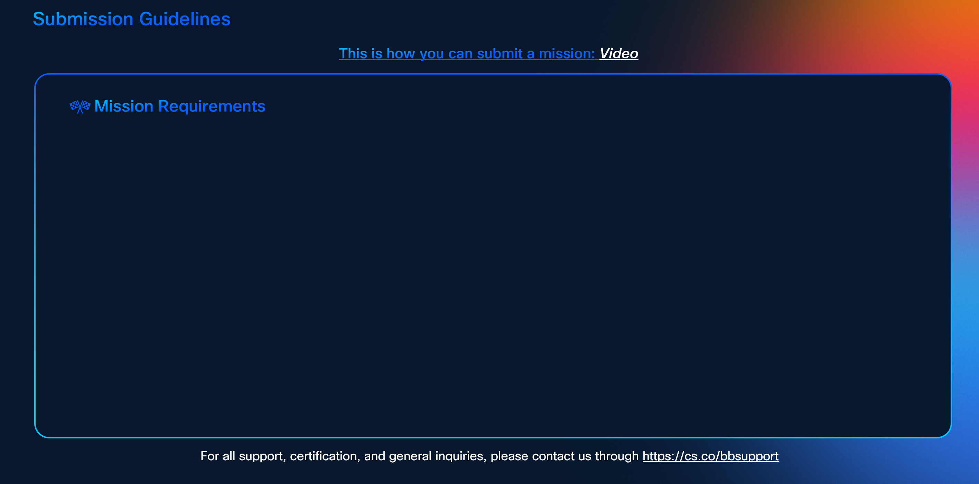

To earn certification, successfully complete the following missions:-

**Note, this is only a preview. The actual SG will feature the missions listed above, with a layout adjusted according to the number of missions.**

