Series
Mindtickle Series Template v3 |  |  |  |  |  |  |  |  |  |  |  |  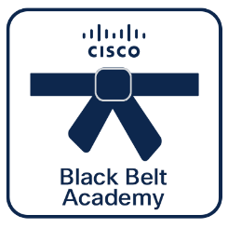 

Black Belt
Support
 | Black Belt Support Stage 1 (Oct 2026)
 | This learning series will be covering Cisco TAC Engagement Overview, Cisco Smart Accounts and Licensing, Cisco RMA and Cisco Self help tools. Cisco 360 Aligned Portfolio: Services. Estimated series completion duration: 5 h 56 m

Fundamentals
Series Title | Manual | Custom Title | Black Belt Support Stage 1

Stage 1
Description | This learning series will be covering Cisco TAC Engagement Overview, Cisco Smart Accounts and Licensing, Cisco RMA and Cisco Self help tools.
 |  |  |  |  |  |  |  |  |  |  |  | **Note, this is a non-final static preview. The Partner 360 logo will be included based on your selection.**
Program Track | TAC Fundamentals | Track | Support | Stage | Stage 1 | Persona | Partner | Language | English |  |  | Legend
TL1 | Black Belt | TL2 | Support | TL3 | Fundamentals |  |  |  |  |  |  |  | Info not required
Duration (mins) | 356 | BE | Other | Sub BE | Other | Category | Services | Request Type | New |  |  |  | Missing or inaccurate info
 |  |  |  |  |  |  |  |  |  |  |  |  | Caution
Series Owners | kartyada, avatts | Certificate | Yes | Checkpoints | 18/18 | Folder Name | Black_Belt_Support_Stage_1_(Oct_2026) | Template Name | 261021_Black_Belt_Support_Stage_1_(Oct_2026) |  |  | 2026-10-26 | Upcoming Release Date

P360 | Yes | Portfolios Aligned | Services

7 | 7 | 22 | 22 | 22 | 22 | 22 | 22 | 22 | 22 | 22
Section Order | Section Name | Section (M/O) | Module Order | Module Type | Module Title | Duration (mins) | Module Description | Module (M/O) | Module File Name | Module Link |  | Notes
1 | Key Considerations Before Engaging TAC | Optional | 1 | HTML | Cisco Field Notice Overview | 10 | This talks about Cisco field notices. | Optional | Cisco Field Notice Overview.html | https://www.cisco.com/c/en/us/support/web/field-notice-overview.html
1 | Key Considerations Before Engaging TAC | Optional | 2 | PDF | Field Notices Addendum 2 Daily Syslog Report | 10 | This module talks about field notices | Optional | 00_43_11_06_2026_1_2_pdf.pdf | https://cisco.sharepoint.com/:f:/r/Sites/CiscoBlackBeltPartnerAcademy/Shared%20Documents/Mindtickle%20Publishing/Black_Belt_Support_Stage_1_(Jun_2026)?csf=1&web=1&e=yPZoMJ
1 | Key Considerations Before Engaging TAC | Optional | 3 | PDF | Cisco AI Assistant for Support | 10 | This document will provide information about Cisco AI Assistant for support. | Optional | 00_43_11_06_2026_1_3_pdf.pdf | https://cisco.sharepoint.com/Sites/CiscoBlackBeltPartnerAcademy/Shared%20Documents/Forms/AllItems.aspx?id=%2FSites%2FCiscoBlackBeltPartnerAcademy%2FShared%20Documents%2FMindtickle%20Publishing%2FBlack%5FBelt%5FSupport%5FStage%5F1%5F%28Jun%5F2026%29&viewid=6c369227%2D0aff%2D4ac4%2Dae91%2D14b5dcdb72ee
1 | Key Considerations Before Engaging TAC | Optional | 4 | HTML | Guide for Partners to Upload Log Files | 10 | Secure portal for customers to upload logs and support files to Cisco TAC for troubleshooting and issue resolution. | Optional | kcbte.html | https://www.cisco.com/c/en/us/support/web/tac/tac-customer-file-uploads.html
2 | Smart License And Smart Accounts | Optional | 1 | PDF | Cisco Software Licensing Guide | 10 | This document will provide information about Cisco Software Licensing Guide. | Optional | 00_43_11_06_2026_2_1_pdf.pdf | https://cisco.sharepoint.com/Sites/CiscoBlackBeltPartnerAcademy/Shared%20Documents/Forms/AllItems.aspx?id=%2FSites%2FCiscoBlackBeltPartnerAcademy%2FShared%20Documents%2FMindtickle%20Publishing%2FBlack%5FBelt%5FSupport%5FStage%5F1%5F%28Jun%5F2026%29&viewid=6c369227%2D0aff%2D4ac4%2Dae91%2D14b5dcdb72ee
2 | Smart License And Smart Accounts | Optional | 2 | Video | Smart Licensing Troubleshooting and Case studies | 38 | This video will cover smart licensing case studies, troubleshooting, common pitfalls and how to avoid them. | Optional | 00_43_11_06_2026_2_2_video.mp4
2 | Smart License And Smart Accounts | Optional | 3 | HTML | Cisco Licensing Central | 40 | Experience the future of license management. Cisco License Central offers a comprehensive view for managing licenses, devices, services, and subscriptions without switching platforms. | Optional | Cisco_Licensing_central.html | https://video.cisco.com/detail/video/6373877589112
2 | Smart License And Smart Accounts | Optional | 4 | Video | Limited Use Smart Account | 4 | This video provides an overview of Limited use Smart Accounts for Small and Medium Business Customers and Steps to create One. | Optional | 00_43_11_06_2026_2_4_video.mp4
2 | Smart License And Smart Accounts | Optional | 5 | Video | Upgrading Limited Use Smart Accounts | 2 | This video provides an overview on Steps needed in upgrading Limited Use smart Account to a Standard Smart Account. | Optional | 00_43_11_06_2026_2_5_video.mp4
2 | Smart License And Smart Accounts | Optional | 6 | Video | Best Practice Smart Accounts,Virtual Accounts and License Tagging | 10 | This video provides you some best practices on Smart Accounts and License Tagging. | Optional | 00_43_11_06_2026_2_6_video.mp4
2 | Smart License And Smart Accounts | Optional | 7 | Video | Asset Management - License Tagging | 7 | This video provides an overview of Smart Account Asset Management and License Tagging. | Optional | 00_43_11_06_2026_2_7_video.mp4
3 | Cisco RMA | Optional | 1 | PDF | 3-Way RMA – Self Sparing Quick Reference Guide | 10 | This Pdf explains the 3 way RMA process and how to use Part return tool and highlights on lifecycle of a product in Cisco. | Optional | 00_43_11_06_2026_3_1_pdf.pdf | https://cisco.sharepoint.com/Sites/CiscoBlackBeltPartnerAcademy/Shared%20Documents/Forms/AllItems.aspx?id=%2FSites%2FCiscoBlackBeltPartnerAcademy%2FShared%20Documents%2FMindtickle%20Publishing%2FBlack%5FBelt%5FSupport%5FStage%5F1%5F%28Jun%5F2026%29&viewid=6c369227%2D0aff%2D4ac4%2Dae91%2D14b5dcdb72ee
4 | Self-Help Tools and Cisco AI Assistant for Support | Optional | 1 | Video | Cisco AI Assistant for Support Overview | 4 | This video will explains the Cisco AI Assistant for Support. | Optional | 00_43_11_06_2026_4_1_video.mp4 | https://cisco.sharepoint.com/Sites/CiscoBlackBeltPartnerAcademy/Shared%20Documents/Forms/AllItems.aspx?id=%2FSites%2FCiscoBlackBeltPartnerAcademy%2FShared%20Documents%2FMindtickle%20Publishing%2FBlack%5FBelt%5FSupport%5FStage%5F1%5F%28Jun%5F2026%29&viewid=6c369227%2D0aff%2D4ac4%2Dae91%2D14b5dcdb72ee
4 | Self-Help Tools and Cisco AI Assistant for Support | Optional | 2 | Video | Cisco RadKit ( Rapid Adoption Kit ) | 5 | This document provide infirmation regarding RADKIT | Optional | 00_43_11_06_2026_4_2_video.mp4
4 | Self-Help Tools and Cisco AI Assistant for Support | Optional | 3 | Video | Bug Search Tool | 2 | This video tells us how to use bug search tool | Optional | 00_43_11_06_2026_4_3_video.mp4
4 | Self-Help Tools and Cisco AI Assistant for Support | Optional | 4 | HTML | Cisco Bug Search Tool (BST) Help & Documentation | 10 | Learn how to search, filter, and analyze Cisco bugs using the Cisco Bug Search Tool, including applicability checks, software versions, and troubleshooting guidance. | Optional | BST.html | https://www.cisco.com/c/en/us/support/web/tools/bst/bsthelp/index.html
5 | Radkit | Optional | 1 | Video | Partner Support Automation – RADKit & AutoRCA Overview and Demo | 46 | This video provides information about Cisco Partner Support Automation tools, including RADKit and AutoRCA. It covers the basic overview, key features, and live demonstrations of RADKit and AutoRCA workflows, followed by a feedback and Q&A session to help users better understand support automation capabilities and troubleshooting processes. | Optional | 00_43_11_06_2026_5_1_video.mp4 | https://cisco.sharepoint.com/Sites/CiscoBlackBeltPartnerAcademy/Shared%20Documents/Forms/AllItems.aspx?id=%2FSites%2FCiscoBlackBeltPartnerAcademy%2FShared%20Documents%2FMindtickle%20Publishing%2FBlack%5FBelt%5FSupport%5FStage%5F1%5F%28Jun%5F2026%29&viewid=6c369227%2D0aff%2D4ac4%2Dae91%2D14b5dcdb72ee
6 | How to Engage with TAC | Optional | 1 | Video | How to Engage with TAC New | 2 | Learn how to search, filter, and analyze Cisco bugs using the Cisco Bug Search Tool, including applicability checks, software versions, and troubleshooting guidance. | Optional | 00_43_11_06_2026_6_1_video.mp4 | https://cisco.sharepoint.com/Sites/CiscoBlackBeltPartnerAcademy/Shared%20Documents/Forms/AllItems.aspx?id=%2FSites%2FCiscoBlackBeltPartnerAcademy%2FShared%20Documents%2FMindtickle%20Publishing%2FBlack%5FBelt%5FSupport%5FStage%5F1%5F%28Jun%5F2026%29&viewid=6c369227%2D0aff%2D4ac4%2Dae91%2D14b5dcdb72ee
6 | How to Engage with TAC | Optional | 2 | Video | Meet the Cisco Technical Assistance Center | 45 | This video provides information about Cisco Partner Support Automation tools, including RADKit and AutoRCA. It covers the basic overview, key features, and live demonstrations of RADKit and AutoRCA workflows, followed by a feedback and Q&A session to help users better understand support automation capabilities and troubleshooting processes. | Optional | 00_43_11_06_2026_6_2_video.mp4 | https://cisco.sharepoint.com/Sites/CiscoBlackBeltPartnerAcademy/Shared%20Documents/Forms/AllItems.aspx?id=%2FSites%2FCiscoBlackBeltPartnerAcademy%2FShared%20Documents%2FMindtickle%20Publishing%2FBlack%5FBelt%5FSupport%5FStage%5F1%5F%28Jun%5F2026%29&viewid=6c369227%2D0aff%2D4ac4%2Dae91%2D14b5dcdb72ee
6 | How to Engage with TAC | Optional | 3 | PDF | Cisco TAC Best Practices & Innovations – Technical Support Excellence Guide | 10 | Learn Cisco TAC best practices, case lifecycle management, troubleshooting techniques, and support innovations that help deliver faster issue resolution and improved customer experience. | Optional | 00_43_11_06_2026_6_3_pdf.pdf | https://cisco.sharepoint.com/Sites/CiscoBlackBeltPartnerAcademy/Shared%20Documents/Forms/AllItems.aspx?id=%2FSites%2FCiscoBlackBeltPartnerAcademy%2FShared%20Documents%2FMindtickle%20Publishing%2FBlack%5FBelt%5FSupport%5FStage%5F1%5F%28Jun%5F2026%29&viewid=6c369227%2D0aff%2D4ac4%2Dae91%2D14b5dcdb72ee
6 | How to Engage with TAC | Optional | 4 | Video | Cisco TAC Best Practices & Innovations | TAC Workflow, Case Lifecycle & Modern Support Strategies | 41 | Explore Cisco TAC workflows, troubleshooting methodologies, case management processes, and the latest innovations in technical support. A practical session for network and support professionals. | Optional | 00_43_11_06_2026_6_4_video.mp4 | https://cisco.sharepoint.com/Sites/CiscoBlackBeltPartnerAcademy/Shared%20Documents/Forms/AllItems.aspx?id=%2FSites%2FCiscoBlackBeltPartnerAcademy%2FShared%20Documents%2FMindtickle%20Publishing%2FBlack%5FBelt%5FSupport%5FStage%5F1%5F%28Jun%5F2026%29&viewid=6c369227%2D0aff%2D4ac4%2Dae91%2D14b5dcdb72ee
7 | Assessment | Mandatory | 1 | Assessment | Black Belt Support Stage 1 Assessment | 30 | To test the knowledge of the learner upon their completion of Black Belt Cisco Spaces Presales Stage 2 Learning Series. | Mandatory | 260605_Black_Belt_Support_Stage_1(june_2026)_Assessment.xlsx

1 | 1 | 1 | 1 | 1 | 1 | 1 | 1 | 1 | 1 | 1 | 1 | 1 | 1

Missions
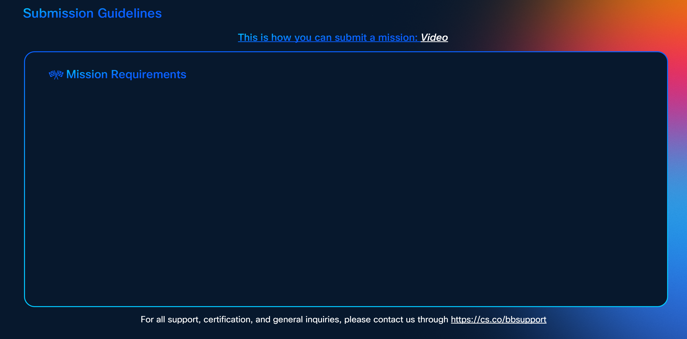

To earn certification, successfully complete the following missions:-

**Note, this is only a preview. The actual SG will feature the missions listed above, with a layout adjusted according to the number of missions.**

