DashBoard
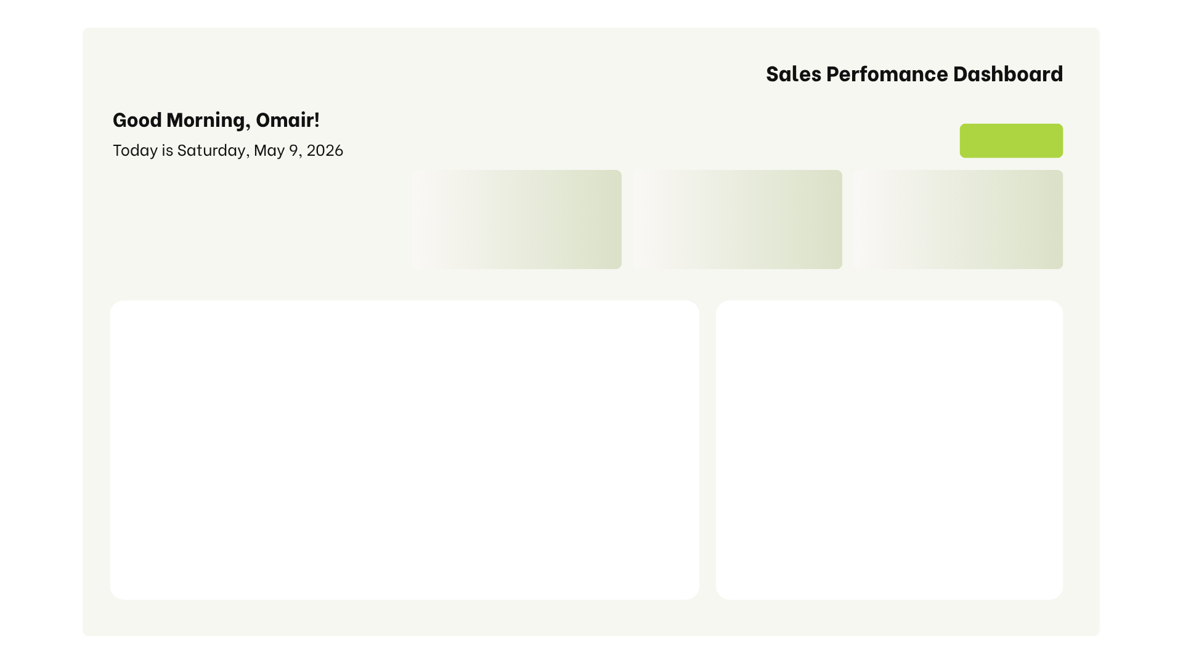

 | Total
Food | 2684659.16
Home | 2314046.11
Office | 2623694.23
Toys | 2445342.41
Sales by City
Sales Trend

Product Contribution
 | Total
Abha | 1644938.73
Dammam | 1873614.87
Hail | 1481391.43
Jeddah | 1708037.57
Jubail | 1562105.63
Riyadh | 1797653.68
 | Total
Jan | 879743.05
Feb | 721007.54
Mar | 853670.78
Apr | 734101.05
May | 888683.42
Jun | 791888.06
Jul | 903898.79
Aug | 857529.43
Sep | 903510.07
Oct | 858537.66
Nov | 695435.49
Dec | 979736.57

 | Sum of Sale | Sum of Profit
Abdul | 1816895.49 | 663681.19
Ghalia | 2107132.67 | 814239.22
Maliha | 2088024.54 | 763067.50
Mjeed | 1877766.01 | 703113.15
Yahia | 2177923.20 | (49160994.37)

Rep Performance

