Codification Summary
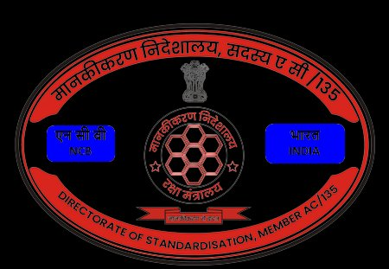
 |  | भारत सरकार / GOVERNMENT OF INDIA
 |  | रक्षा मंत्रालय / MINISTRY OF DEFENCE
 |  | मानकीकरण निदेशालय, सदस्य ए सी/135
 |  | DIRECTORATE OF STANDARDISATION, MEMBER AC/135
★ CODIFICATION INTELLIGENCE SYSTEM ★
CODIFICATION SUMMARY — JUNE 2024
Monthly Progress Report | JUNE 2024
Report Type: MONTHLY | Period: JUNE 2024 |  |  |  | Generated: 28 April 2026, 01:52 hrs |  |  |  |  | Overall Accuracy: 54.55% | Avg Processing: 18.7 days
TOTAL ITEMS |  |  | FWD TO DCA |  |  | NSN ALLOTTED |  |  | RETURNED |  | PENDING
22 |  |  | 18 |  |  | 12 |  |  | 7 |  | 15

S.No | AsHSP / DPSU | NAME OF EQUIPMENT | TARGETS (25-27) |  | CODIFICATION PROGRESS |  |  |  | UPDATION |  | ACCURACY % | REMARKS
 |  |  | Codification Target | As per DPSU MRL | Total Items Codified | Fwd to DCA | NSN Allotted | Returned | Updation Target | Updation Done
1 | BEL | ARJUN MK-1 |  |  | 1 | 1 | 1 | 1 |  |  | 100.0%
 |  | IGLA MISSILE |  |  | 1 | 1 | 1 | 0 |  |  | 100.0%
2 | BEML | DHRUV HELICOPTER |  |  | 1 | 1 | 1 | 1 |  |  | 100.0%
 |  | IGLA MISSILE |  |  | 1 | 1 | 0 | 0 |  |  | 0.0%
3 | BHEL | AK-630 GUN SYSTEM |  |  | 1 | 1 | 1 | 1 |  |  | 100.0%
 |  | PINAKA MLRS |  |  | 2 | 2 | 1 | 0 |  |  | 50.0%
4 | GRSE | BMP-2 IFV |  |  | 1 | 1 | 1 | 1 |  |  | 100.0%
 |  | BOFORS ARTLY |  |  | 1 | 1 | 1 | 1 |  |  | 100.0%
 |  | INS DESTROYER |  |  | 1 | 1 | 0 | 0 |  |  | 0.0%
5 | HAL | ARJUN MK-1 |  |  | 1 | 0 | 0 | 0 |  |  | 0.0%
 |  | BOFORS ARTLY |  |  | 1 | 0 | 0 | 0 |  |  | 0.0%
 |  | BRAHMOS CRUISE MISSILE |  |  | 1 | 1 | 0 | 0 |  |  | 0.0%
6 | MDL | AK-630 GUN SYSTEM |  |  | 1 | 1 | 1 | 1 |  |  | 100.0%
 |  | BOFORS ARTLY |  |  | 1 | 0 | 0 | 0 |  |  | 0.0%
 |  | IGLA MISSILE |  |  | 1 | 0 | 0 | 0 |  |  | 0.0%
 |  | MIG-29 AIRCRAFT |  |  | 1 | 1 | 1 | 0 |  |  | 100.0%
7 | MIDHANI | AK-630 GUN SYSTEM |  |  | 2 | 2 | 1 | 0 |  |  | 50.0%
 |  | INS DESTROYER |  |  | 1 | 1 | 1 | 1 |  |  | 100.0%
 |  | MIG-29 AIRCRAFT |  |  | 1 | 1 | 0 | 0 |  |  | 0.0%
 |  | PINAKA MLRS |  |  | 1 | 1 | 1 | 0 |  |  | 100.0%
G R A N D T O T A L |  |  |  |  | 22 | 18 | 12 | 7 |  |  | 54.55%

______________________________ |  |  |  | ______________________________ |  |  |  |  | ______________________________
Prepared By |  |  |  | Checked By / DS Member |  |  |  |  | Approved By / Dir Std

DEFENCE STANDARDISATION, BENGALURU | Member AC/135 | Directorate of Standardisation | Ministry of Defence, Govt. of India | Developed by: Cobra Tech, ABVGIET Shimla

