POSITIONAL ENCODING-1
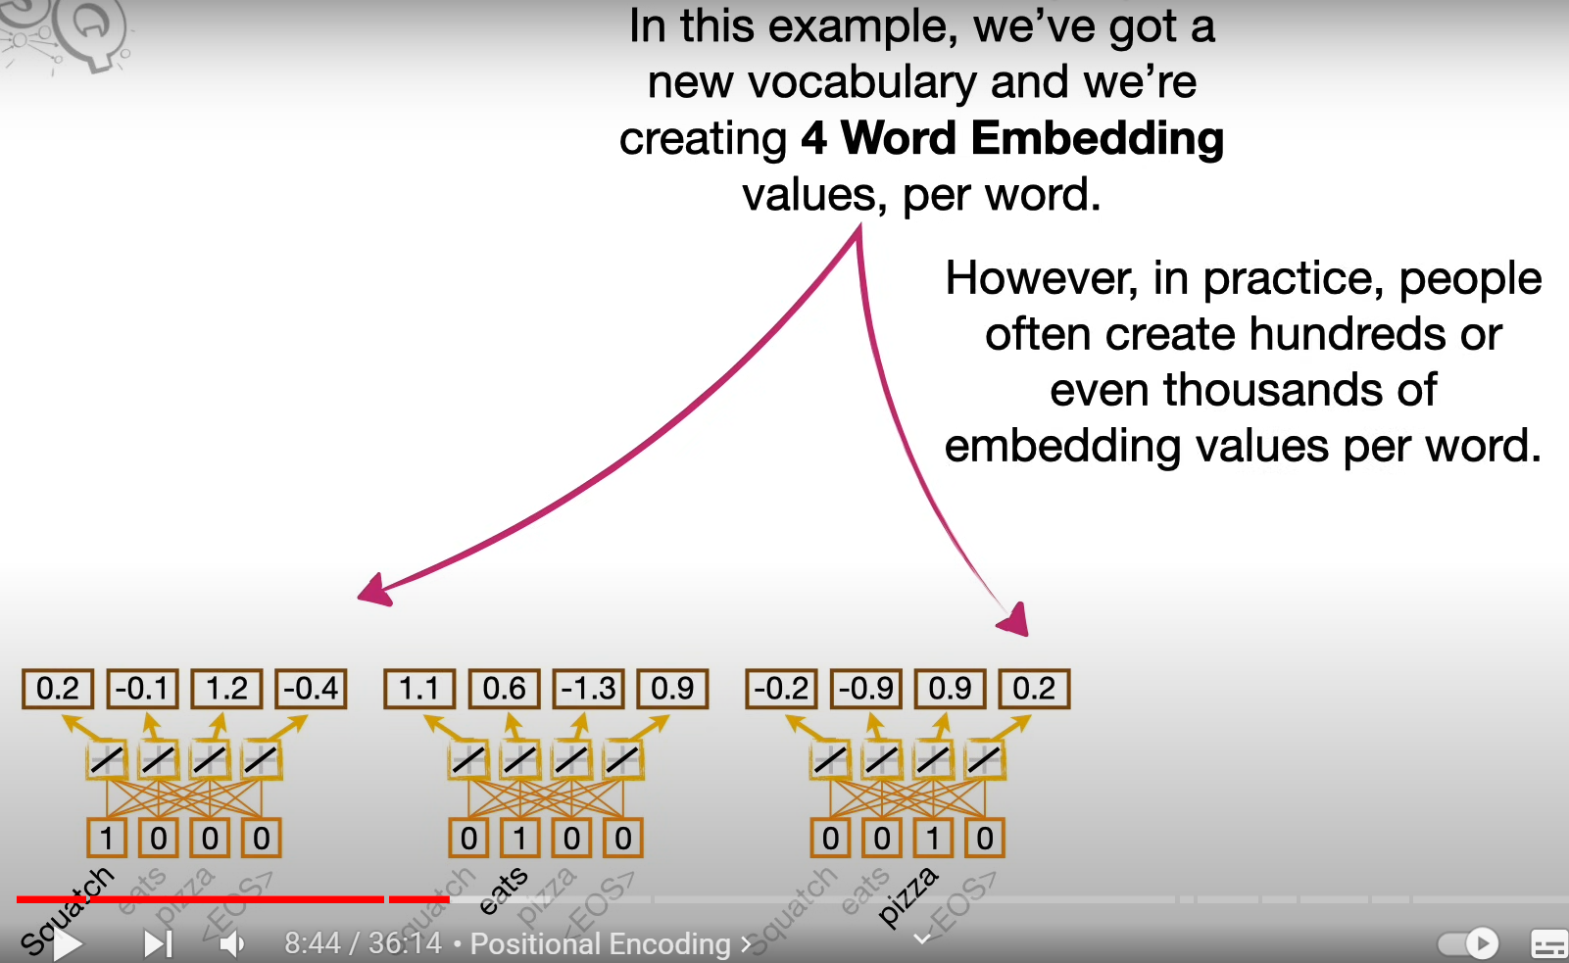
POSITIONAL ENCODING - EXAMPLE
Technique that transformers use to keep track of word order | INPUT PHRASE |  | WEIGHTS | ACTIVATION FUNCTION 1 |  | OUTPUT
 | SQUATCH EATS PIZZA |  |  | FOR THE TOKEN "SQUATCH" |  | SUM OF ALL VALUES FOR THE ACTIVATION FUNCTION

 | SQUATCH | 1 | 0.2 | 0.2 |  | 0.2
 | EATS | 0 | -1.45 | 0
 | PIZZA | 0 | -0.78 | 0
 | <EOS> | 0 | 2.21 | 0

 | 4 WORD EMBEDDING VALUES PER WORD
 |  | VALUE1 | VALUE2 | VALUE3 | VALUE4
 | SQUATCH | 0.2 | -0.1 | 1.2 | -0.4

 | EATS | 1.1 | 0.6 | -1.3 | 0.9

 | PIZZA | -0.2 | -0.9 | 0.9 | 0.2

 | WORD ORDER
 |  | VALUE1 | VALUE2 | VALUE3 | VALUE4
 | SQUATCH | 0.2 | -0.1 | 1.2 | -0.4
 | WORD ORDER VALUES | 0 | 1 | 0 | 1
 | TOTAL | 0.2 | 0.9 | 1.2 | 0.6

 | EATS | 1.1 | 0.6 | -1.3 | 0.9
 | WORD ORDER VALUES | -0.9 | 0.4 | 0.1 | -0.9
 | TOTAL | 0.2 | 1 | -1.2 | 0

POINT DISCUSSED AT THE 9TH MINUTE | PIZZA | -0.2 | -0.9 | 0.9 | 0.2
 | WORD ORDER VALUES | -0.9 | -0.9 | -0.7 | 0.9
SINE COSINE SQUIGGLES | TOTAL | -1.1 | -1.8 | 0.2 | 1.1

EACH SQUIGGLE GIVES US SPECIFIC POSITION VALUES
FOR EACH WORD'S EMBEDDINGS

POSITIONAL ENCODING-2
POSITIONAL ENCODING - FOR "LET'S GO" PHRASE

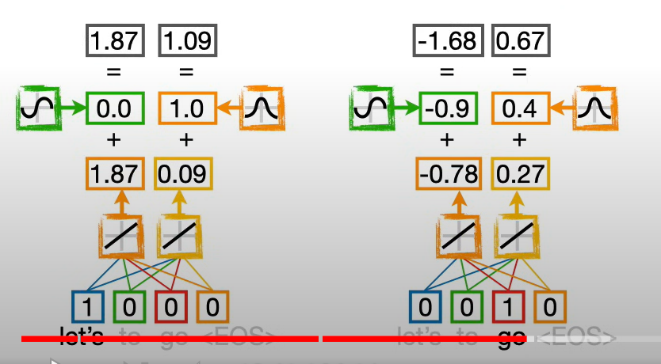
 | WORD ORDER
 |  | VALUE1 | VALUE2
 | LET'S | 1.87 | 0.09
 | WORD ORDER VALUES | 0 | 1
 | TOTAL | 1.87 | 1.09

 | GO | -0.78 | 0.27
 | WORD ORDER VALUES | -0.9 | 0.4
 | TOTAL | -1.68 | 0.67

SELF ATTENTION
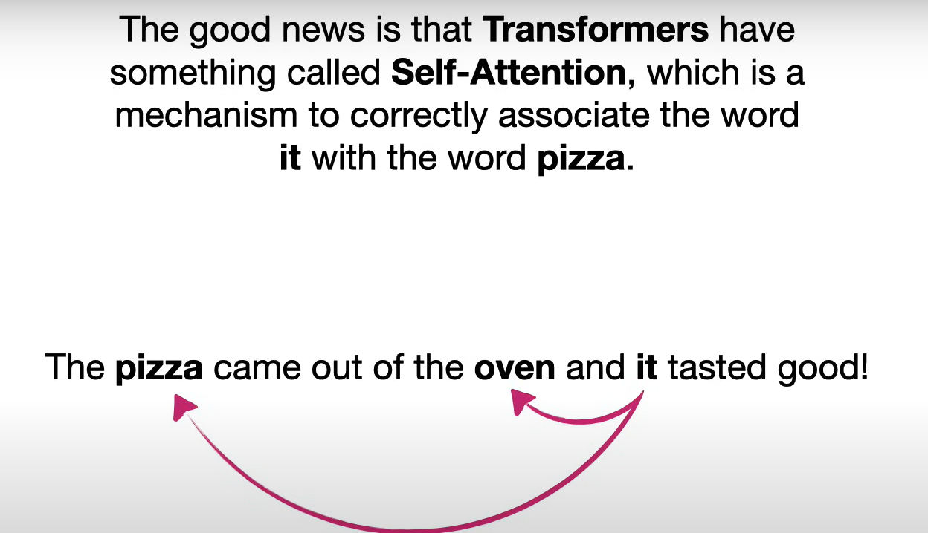
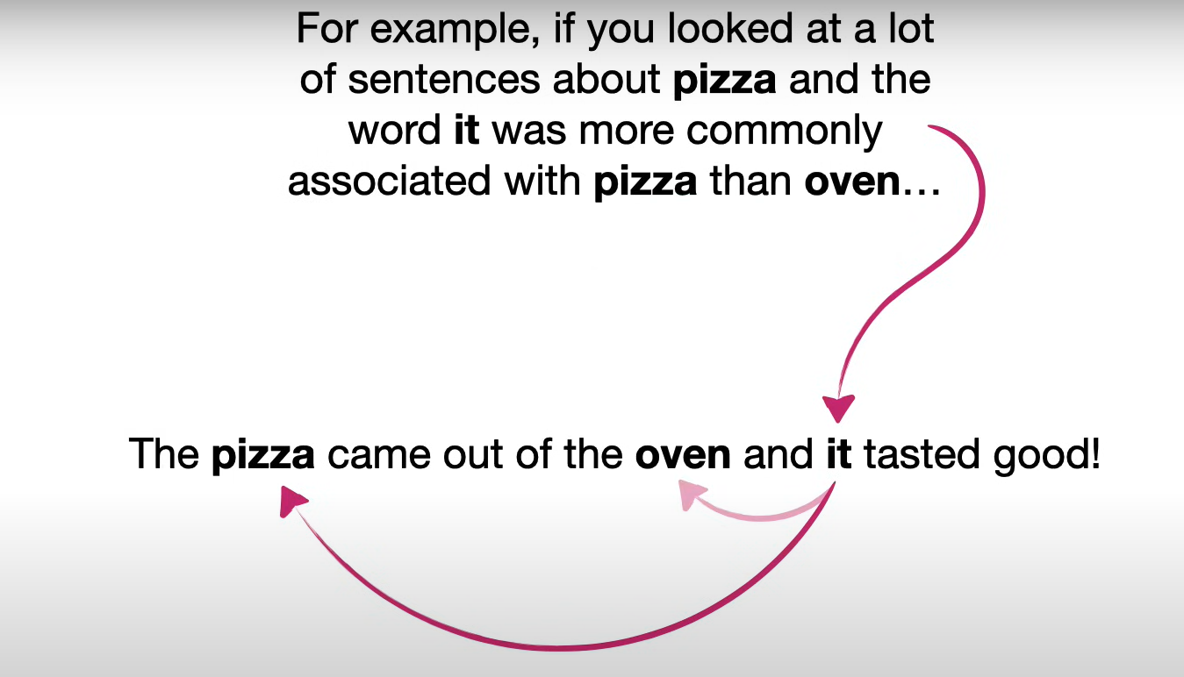
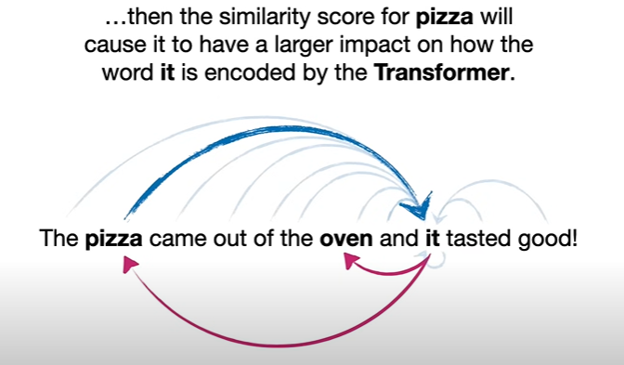
Note: To learn more about self attention, watch the given video from 13th minute

SELF ATTENTION -2
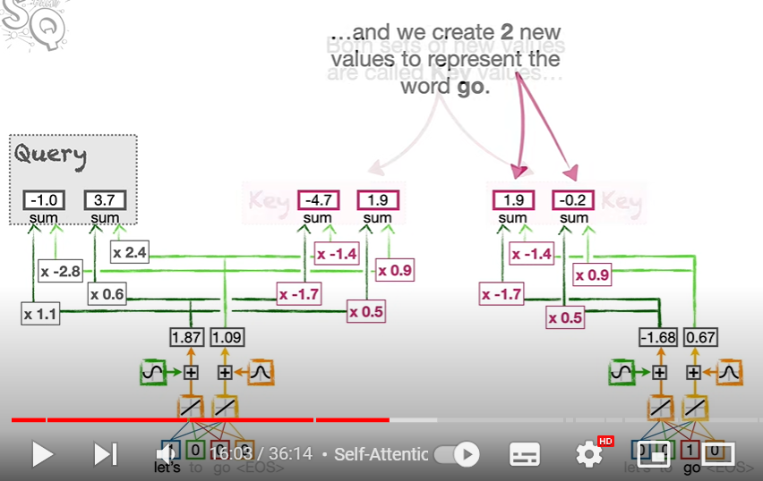
WORD ORDER |  |  | CALCULATE SIMILARITY BETWEEN "LET'S" AND "GO"
 | VALUE1 | VALUE2
LET'S | 1.87 | 0.09
WORD ORDER VALUES | 0 | 1
TOTAL | 1.87 | 1.09

GO | -0.78 | 0.27
WORD ORDER VALUES | -0.9 | 0.4
TOTAL | -1.68 | 0.67

