key
column | parcelid | venn graph
sample_value | 11425604 11941987 | 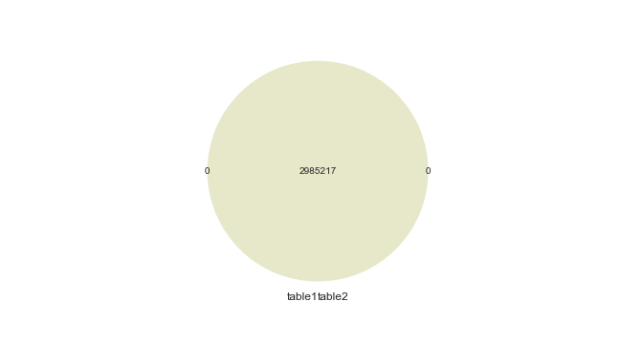
nan_rate | 0.0 0.0
num_uni | 2985217/2985217 2985217/2985217
overlap | 2985217
only in table1 | 0
only in table2 | 0
overlap rate | 1

column | rawcensustractandblock | venn graph
sample_value | 60376704.031 60374008.001 | 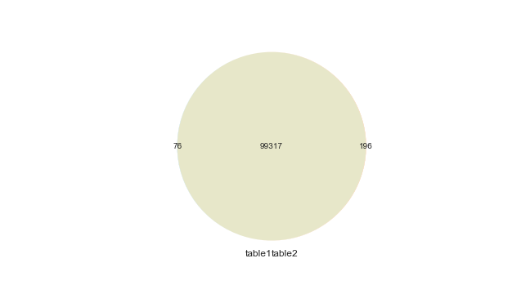
nan_rate | 0.004 0.001
num_uni | 99393/2973780 99513/2982285
overlap | 99317
only in table1 | 76
only in table2 | 196
overlap rate | 0.997

column | censustractandblock | venn graph
sample_value | 6.0375418013e+13 6.0378003324e+13 | 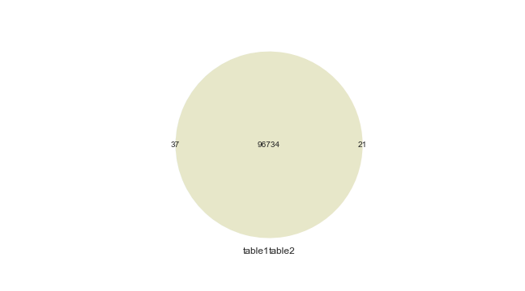
nan_rate | 0.025 0.025
num_uni | 96771/2910091 96755/2910232
overlap | 96734
only in table1 | 37
only in table2 | 21
overlap rate | 0.999

numeric
column | basementsqft | consistency check
corr | 1 | 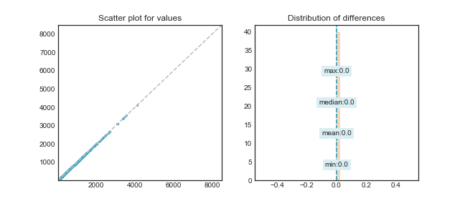
min diff% | 0
mean diff% | 0
median diff% | 0
max diff% | 0

column | bathroomcnt | consistency check
corr | 0.992 | 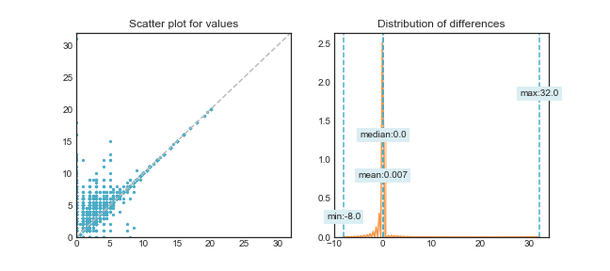
min diff% | -100
mean diff% | 0.078
median diff% | 0
max diff% | 1100

column | bedroomcnt | consistency check
corr | 0.994 | 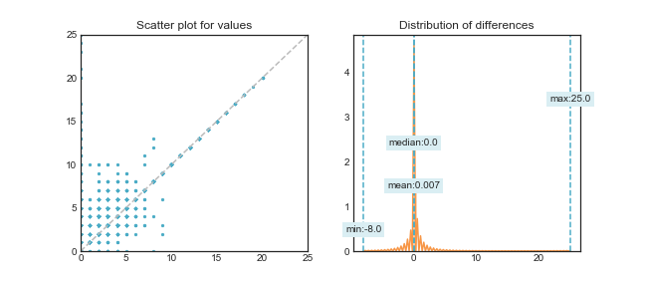
min diff% | -100
mean diff% | 0.034
median diff% | 0
max diff% | 900

column | calculatedbathnbr | consistency check
corr | 0.999 | 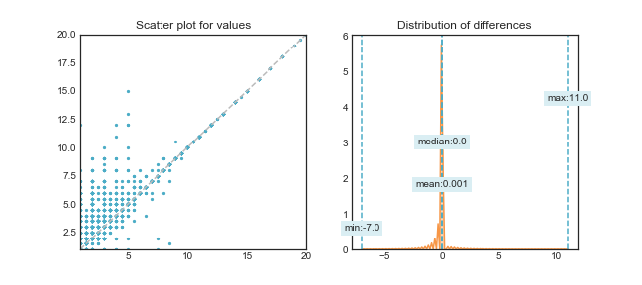
min diff% | -86.667
mean diff% | 0.077
median diff% | 0
max diff% | 1100

column | finishedfloor1squarefeet | consistency check
corr | 0.999 | 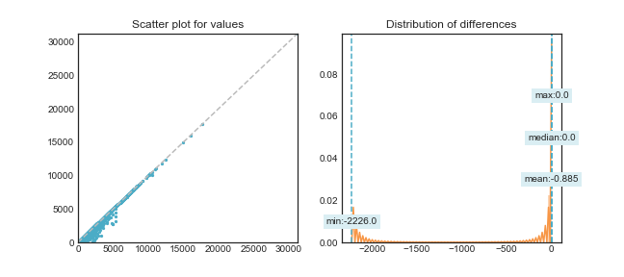
min diff% | -99.911
mean diff% | -0.048
median diff% | 0
max diff% | 0

column | calculatedfinishedsquarefeet | consistency check
corr | 0.999 | 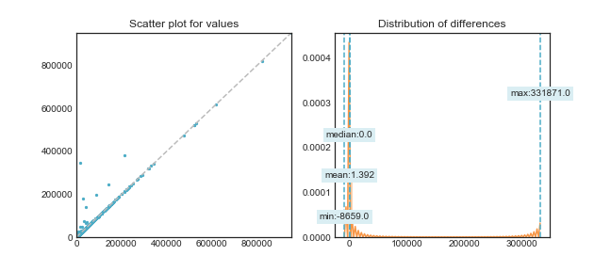
min diff% | -91.234
mean diff% | 0.065
median diff% | 0
max diff% | 2175.918

column | finishedsquarefeet12 | consistency check
corr | 1 | 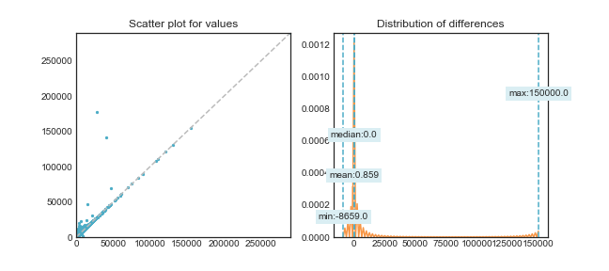
min diff% | -91.234
mean diff% | 0.047
median diff% | 0
max diff% | 1115.625

column | finishedsquarefeet13 | consistency check
corr | 1 | 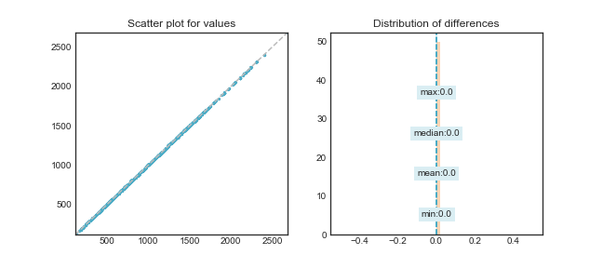
min diff% | 0
mean diff% | 0
median diff% | 0
max diff% | 0

column | finishedsquarefeet15 | consistency check
corr | 1 | 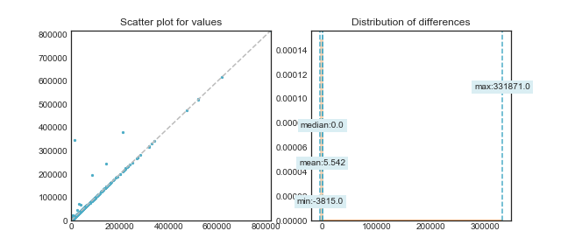
min diff% | -71.795
mean diff% | 0.062
median diff% | 0
max diff% | 2175.918

column | finishedsquarefeet50 | consistency check
corr | 0.998 | 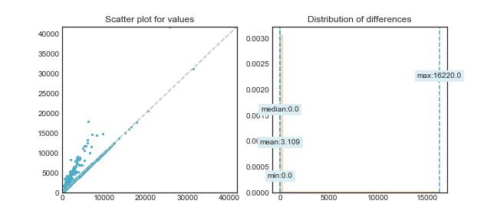
min diff% | 0
mean diff% | 0.181
median diff% | 0
max diff% | 1209.524

column | finishedsquarefeet6 | consistency check
corr | 1 | 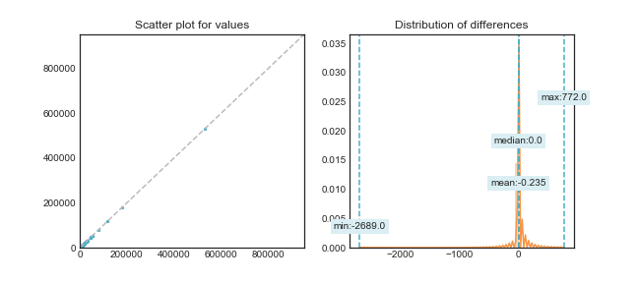
min diff% | -77.057
mean diff% | -0.002
median diff% | 0
max diff% | 146.212

column | fireplacecnt | consistency check
corr | 0.999 | 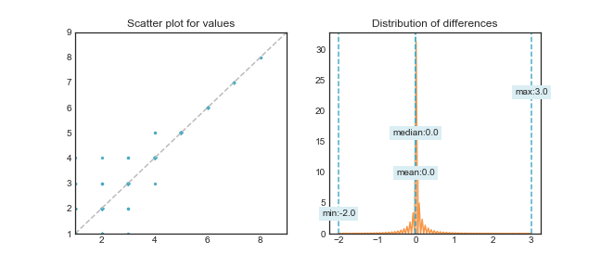
min diff% | -66.667
mean diff% | 0.014
median diff% | 0
max diff% | 300

column | fullbathcnt | consistency check
corr | 0.999 | 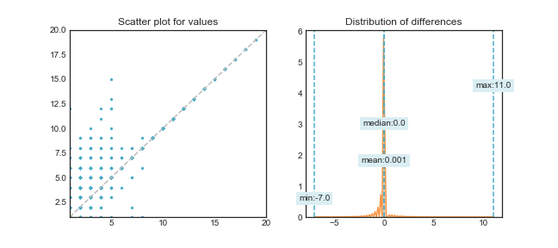
min diff% | -87.5
mean diff% | 0.079
median diff% | 0
max diff% | 1100

column | garagecarcnt | consistency check
corr | 0.997 | 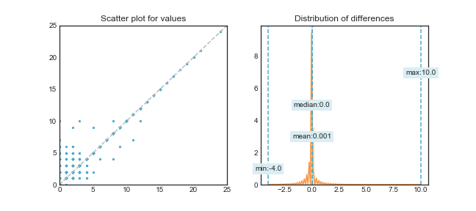
min diff% | -100
mean diff% | 0.021
median diff% | 0
max diff% | 500

column | garagetotalsqft | consistency check
corr | 0.998 | 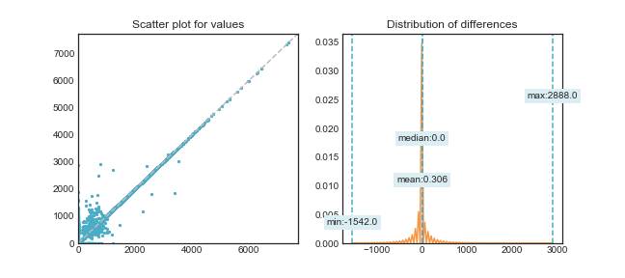
min diff% | -100
mean diff% | 0.019
median diff% | 0
max diff% | 2105.263

column | latitude | consistency check
corr | 1 | 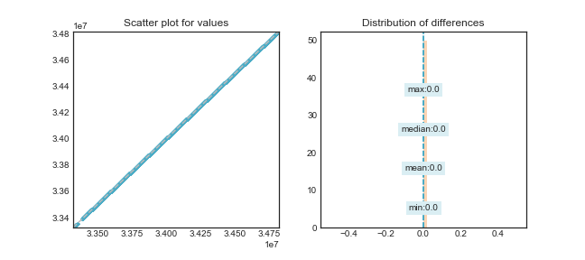
min diff% | 0
mean diff% | 0
median diff% | 0
max diff% | 0

column | longitude | consistency check
corr | 1 | 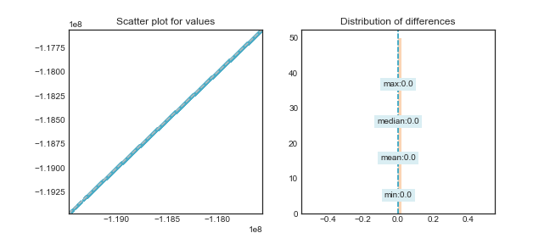
min diff% | 0
mean diff% | 0
median diff% | 0
max diff% | 0

column | lotsizesquarefeet | consistency check
corr | 1 | 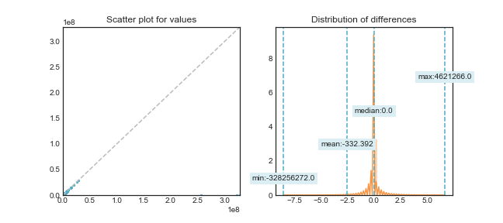
min diff% | -99.998
mean diff% | 0.015
median diff% | 0
max diff% | 10145.098

column | poolcnt | consistency check
corr |  | 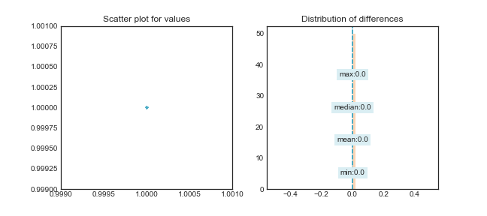
min diff% | 0
mean diff% | 0
median diff% | 0
max diff% | 0

column | poolsizesum | consistency check
corr | 1 | 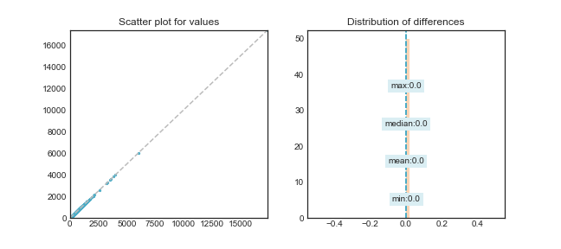
min diff% | 0
mean diff% | 0
median diff% | 0
max diff% | 0

column | roomcnt | consistency check
corr | 0.999 | 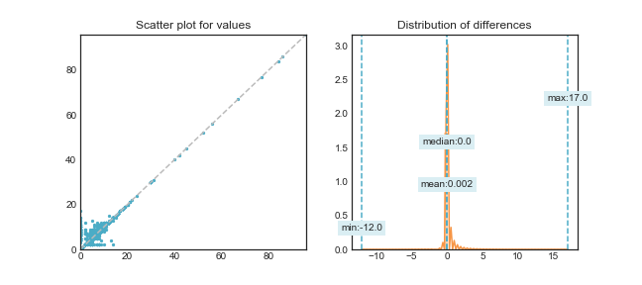
min diff% | -85.714
mean diff% | 0.016
median diff% | 0
max diff% | 500

column | threequarterbathnbr | consistency check
corr | 0.997 | 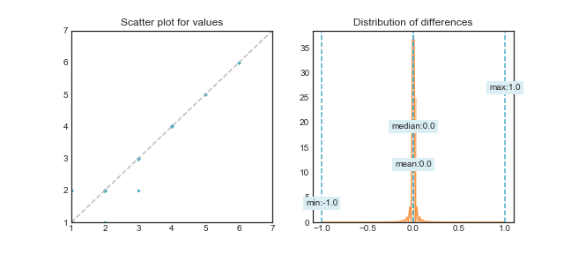
min diff% | -50
mean diff% | 0.005
median diff% | 0
max diff% | 100

column | unitcnt | consistency check
corr | 1 | 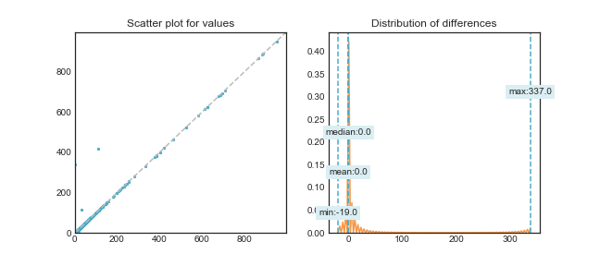
min diff% | -95
mean diff% | 0.008
median diff% | 0
max diff% | 11233.333

column | yardbuildingsqft17 | consistency check
corr | 0.995 | 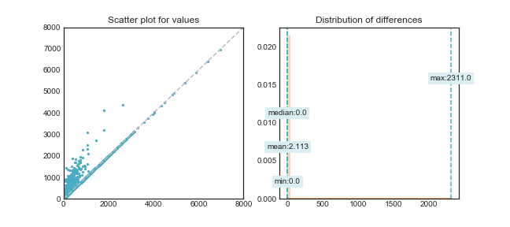
min diff% | 0
mean diff% | 0.86
median diff% | 0
max diff% | 7190.909

column | yardbuildingsqft26 | consistency check
corr | 1 | 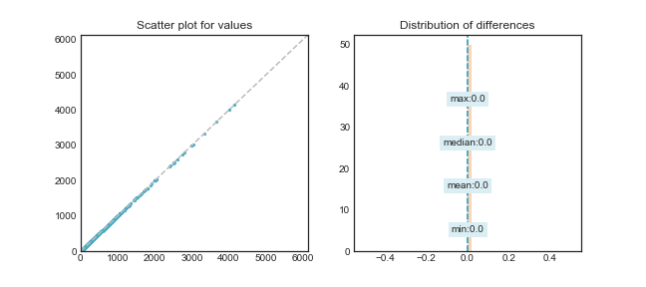
min diff% | 0
mean diff% | 0
median diff% | 0
max diff% | 0

column | numberofstories | consistency check
corr | 1 | 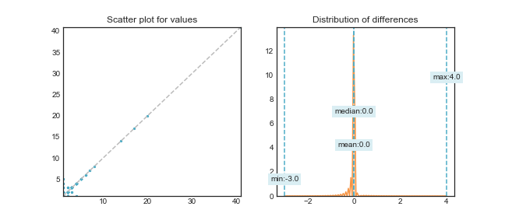
min diff% | -75
mean diff% | 0.006
median diff% | 0
max diff% | 400

column | structuretaxvaluedollarcnt | consistency check
corr | 0.982 | 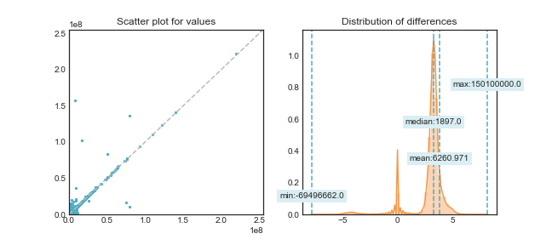
min diff% | -99.992
mean diff% | 8.922
median diff% | 1.525
max diff% | 1199900

column | taxvaluedollarcnt | consistency check
corr | 0.972 | 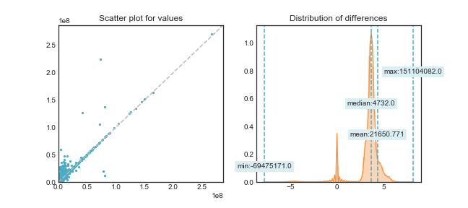
min diff% | -100
mean diff% | 24.078
median diff% | 1.525
max diff% | 29111011.111

column | landtaxvaluedollarcnt | consistency check
corr | 0.968 | 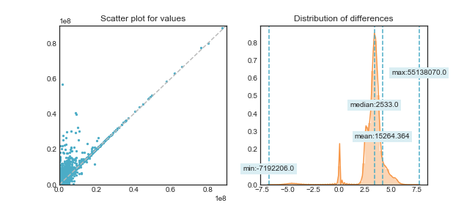
min diff% | -99.995
mean diff% | 29.751
median diff% | 1.525
max diff% | 29111011.111

column | taxamount | consistency check
corr | 0.997 | 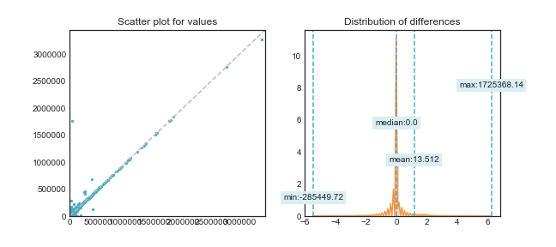
min diff% | -99.772
mean diff% | 0.614
median diff% | 0
max diff% | 15213.147

column | taxdelinquencyyear | consistency check
corr | 1 | 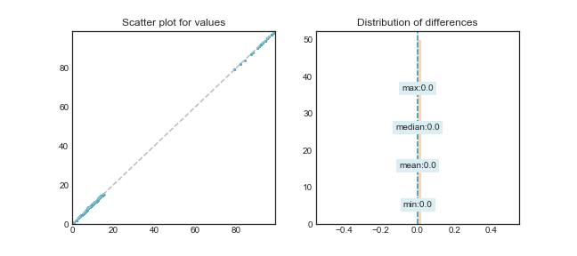
min diff% | 0
mean diff% | 0
median diff% | 0
max diff% | 0

