📊 Visual Charts
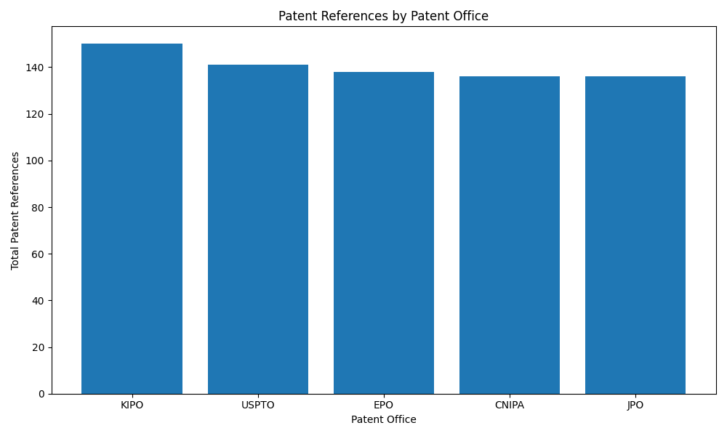
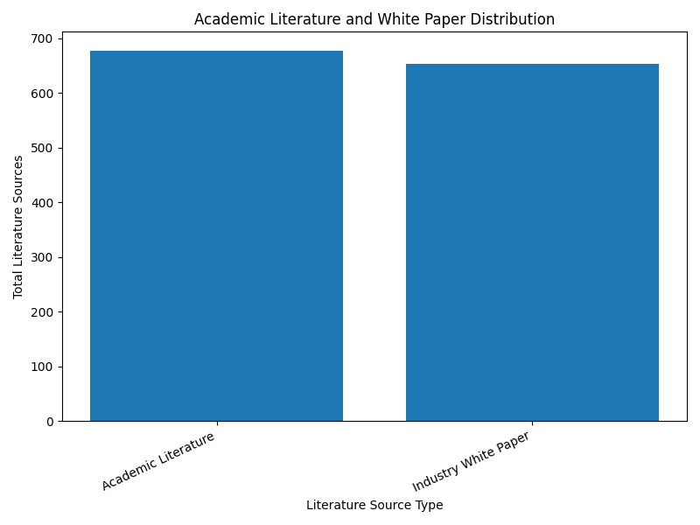
Python Visualization Gallery
Generated Charts for Market Trends, Risk, Priority, Competitor Activity, and Source Intelligence
Top Technologies by Priority Score | Category-wise Technology Trends
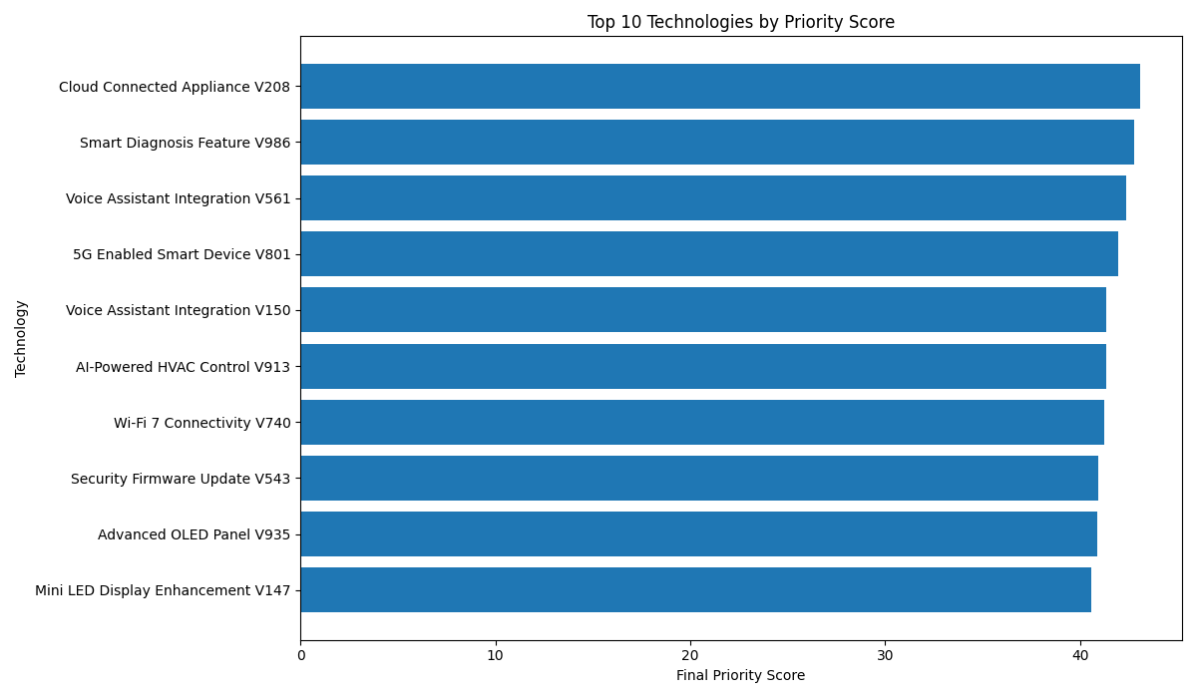
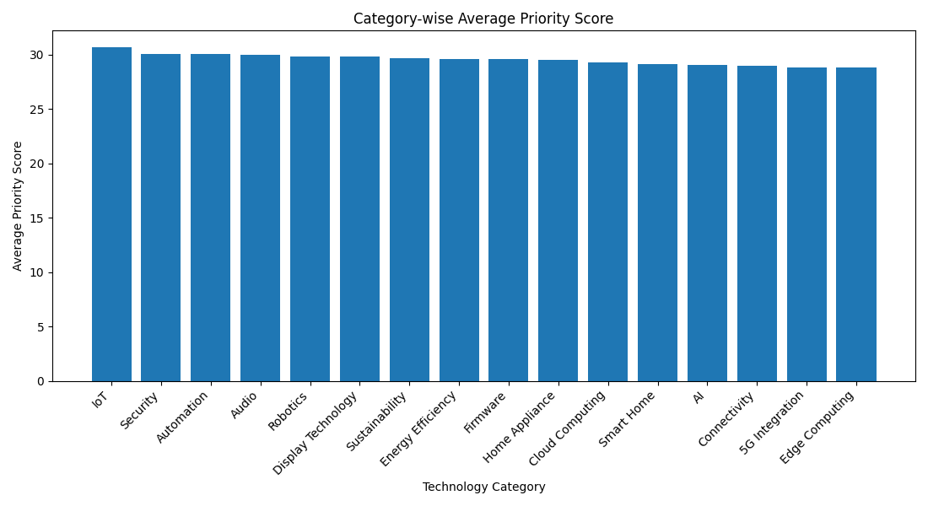

Competitor Activity Comparison | Risk Distribution
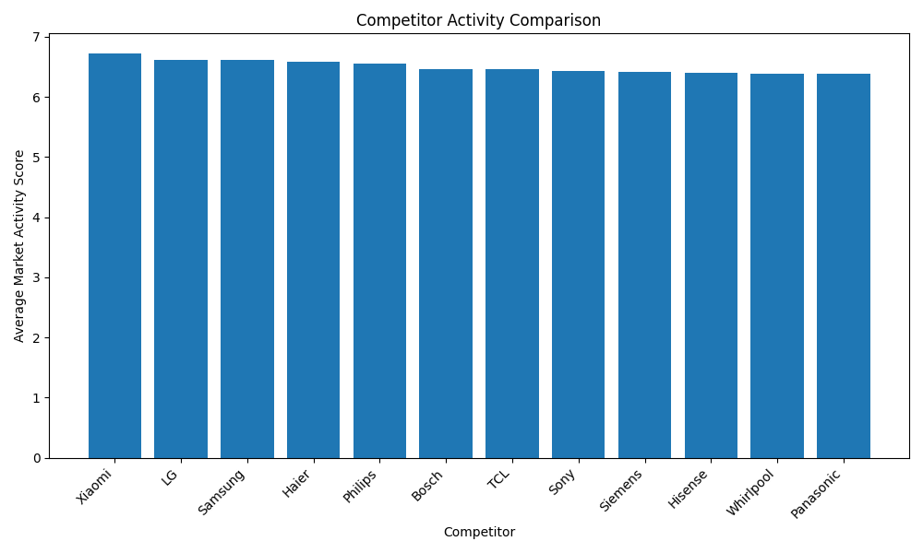
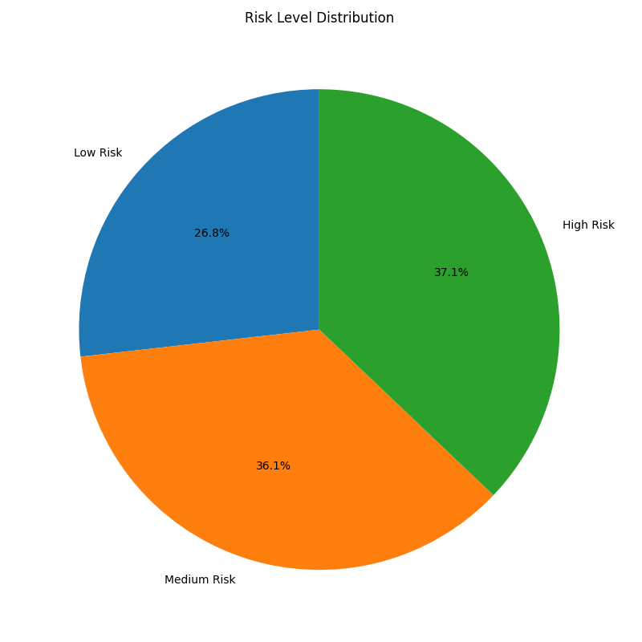

Research Source Distribution | Patent Reference Count
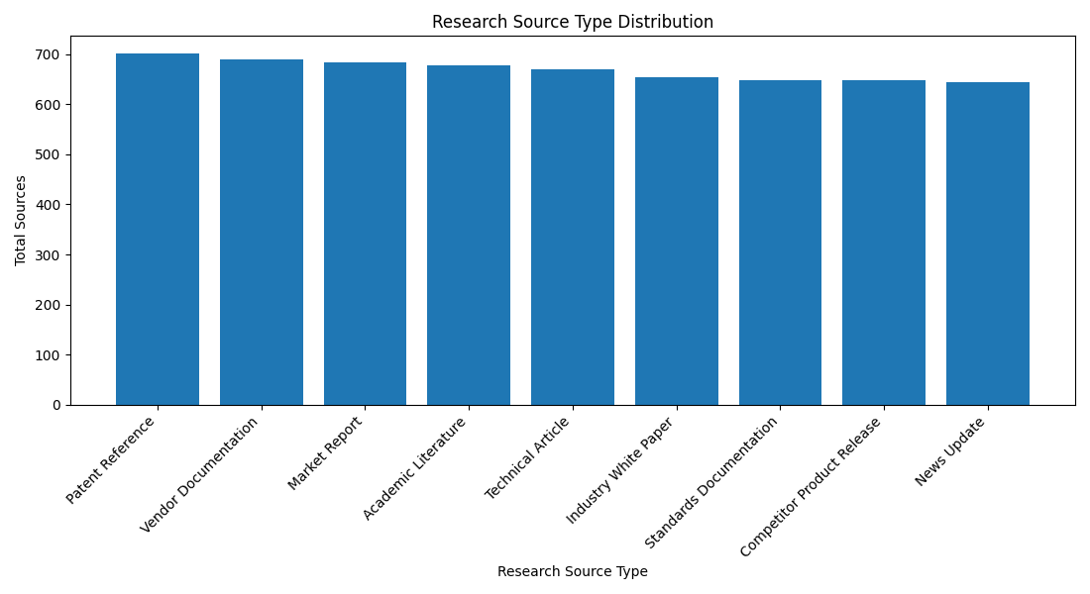
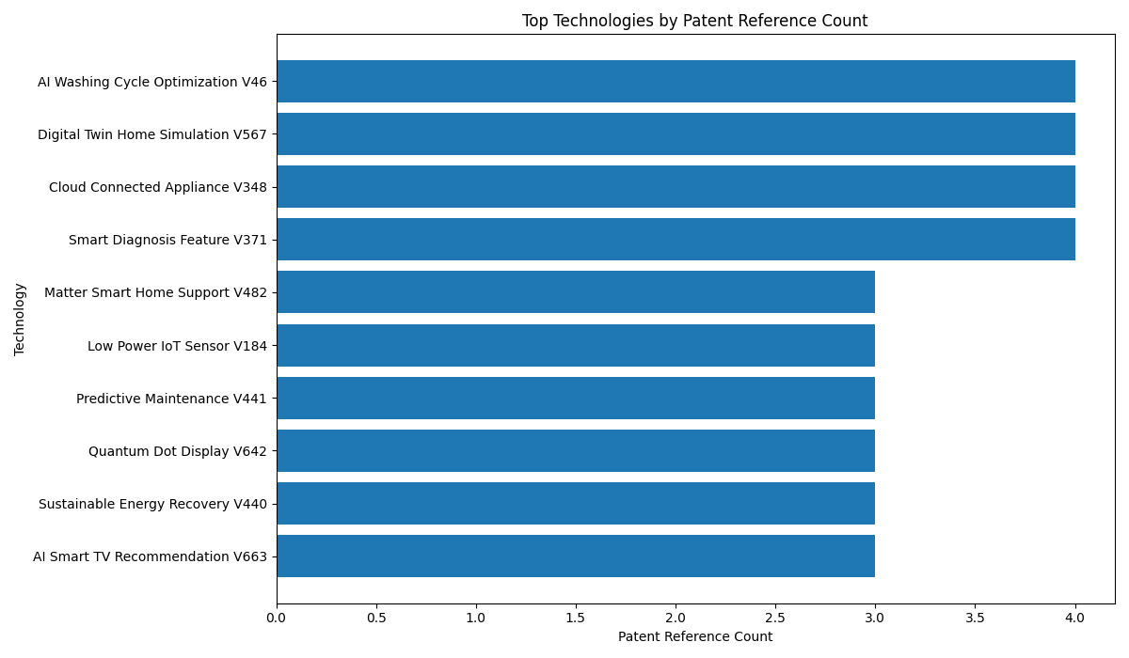

Release Timeline | Risk vs Priority Scatter Plot
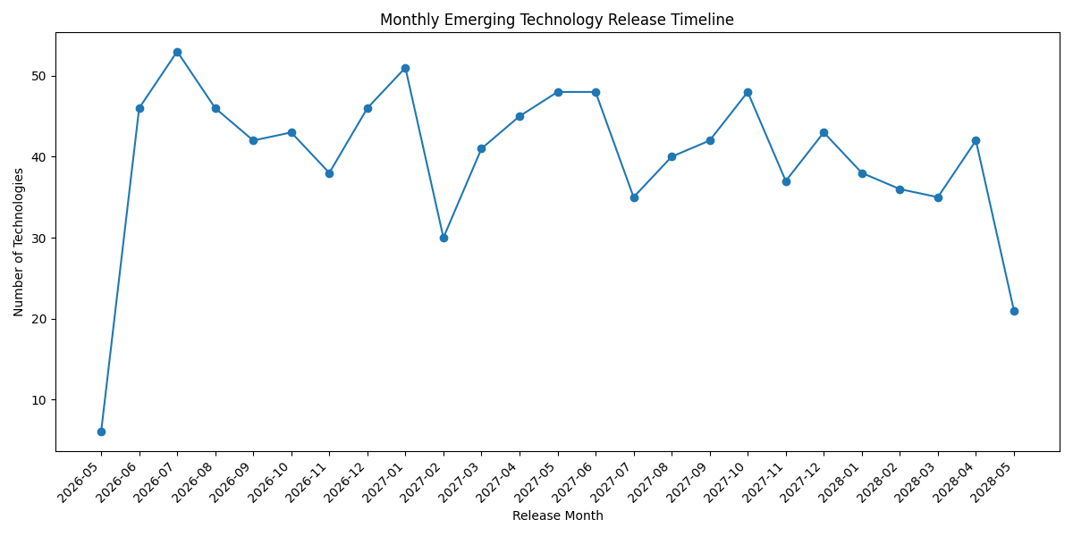
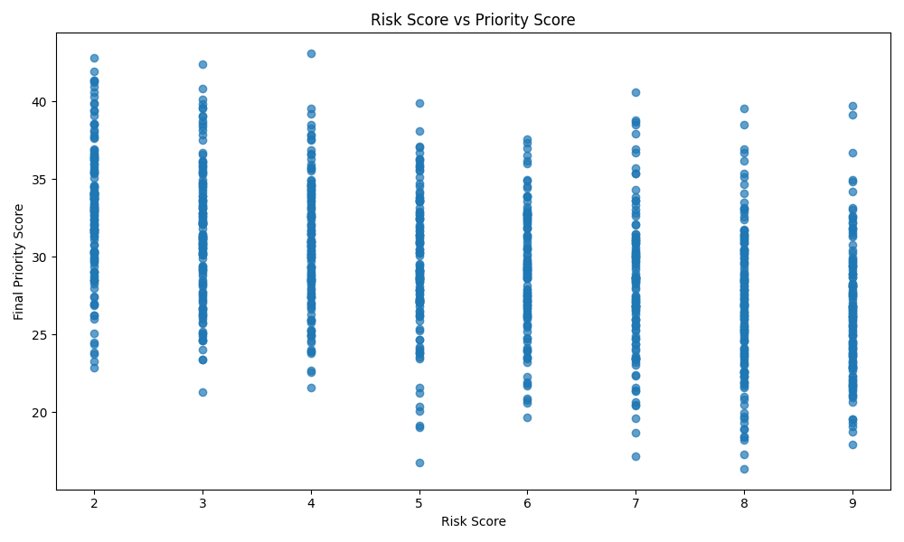

Patent Office Distribution | Literature Source Distribution

