Sheet1
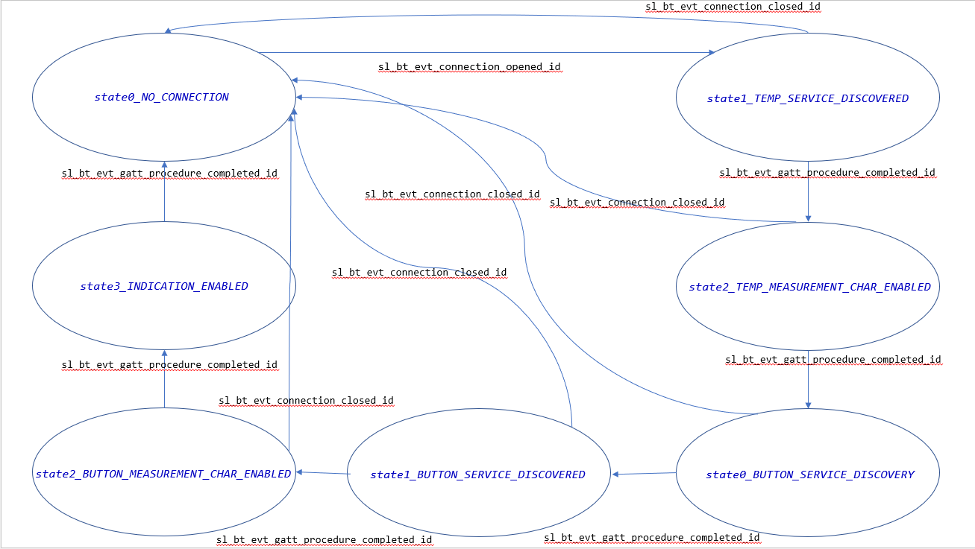
 | Client Command Table for A7

 | Use this table to help you design your program. Add rows as needed. | Use this column to describe when and what your LCD display changes to for rows like DISPLAY_ROW_CONNECTION | Use this column to denote if BT stack events cause your state machine to advance, you can put an X in the cell to note this. Drawing a bubble diagram of your state machine might also be a good idea 👍. | Commands that may be useful: sl_bt_gatt_discover_primary_services_by_uuid() sl_bt_gatt_discover_characteristics_by_uuid()
 | Event | LCD Display State | Advances State Machine | Commands called in response to event | Notes
Events Common to Slaves/Clients
 | sl_bt_evt_system_boot_id | DISPLAY_ROW_NAME - "Client" DISPLAY_ROW_BTADDR- Client Address DISPLAY_ROW_BTADDR2 - " " DISPLAY_ROW_TEMPVALUE - " " DISPLAY_ROW_CONNECTION - "Discovering" DISPLAY_ROW_ASSIGNMENT - "A9" |  | This event is generated on stack boot up | You can also document in column D values that need to be saved in response to receiving BT stack events.
 |  |  |  | sl_bt_scanner_set_mode()
 |  |  |  | sl_bt_scanner_set_timing()
 |  |  |  | sl_bt_connection_set_default_parameters()
 |  |  |  | sl_bt_scanner_start() | You should start and stop scanning just like you did with advertising for a Server.
 |  |  |  | sl_bt_sm_delete_bondings() | Deletes previously bonded devices

 | sl_bt_evt_connection_opened_id | DISPLAY_ROW_BTADDR2 - Server Address DISPLAY_ROW_CONNECTION - "Connected" | X | sl_bt_gatt_discover_primary_services_by_uuid() | Moved to discovery state machine for the individual services
 |  |  |  | sl_bt_sm_configure() | Configure the security parameters

 | sl_bt_evt_connection_closed_id | DISPLAY_ROW_NAME - "Client" DISPLAY_ROW_BTADDR- Client Address DISPLAY_ROW_BTADDR2 - " " DISPLAY_ROW_CONNECTION - "Discovering" | X | sl_bt_sm_delete_bondings() | Deletes previously bonded devices
 |  |  |  | sl_bt_scanner_start() | Moved to discovery state machine

 | sl_bt_evt_system_soft_timer_id |  |  | This event indicates that a soft timer has expired. displayUpdate() | The timer hits every 1 second. The displayUpdate() function is called which prevents charge buildup within the Liquid Crystal Cells

 | sl_bt_evt_system_external_signal_id |  |  | sl_bt_sm_passkey_confirm() | When the button 0 is pressed to confirm the passkey on both the server and client, the device is bonded.
 |  |  |  | sl_bt_gatt_set_characteristic_notification() | Toggles on the sequence of button [When PB0 is pressed, PB1 is pressed and released and then PB0 is released]. Indications for the button state characteristic are toggled.
 |  |  |  | sl_bt_gatt_read_characteristic_value() | On pressing PB1, the value of the server's PB0 stored in the local GATT database is read. The PB1 button on the client Gecko emulates as a read button on the GUI.

 | sl_bt_evt_sm_confirm_passkey_id | DISPLAY_ROW_PASSKEY - Passkey DISPLAY_ROW_ACTION - "Confirm with PB0" |  | None | Print passkey on the client LCD screen for the client to confirm.

 | sl_bt_evt_sm_bonded_id | DISPLAY_ROW_CONNECTION - "Bonded" |  | None | Event is triggered when bonding succeeds. Setting the user defined flag.

 | sl_bt_evt_sm_bonding_failed_id |  |  | None | Event is triggered when bonding fails. Clearing the user defined flag.

Events only for Masters/Clients
 | sl_bt_evt_scanner_scan_report_id |  |  | sl_bt_scanner_stop() sl_bt_connection_open() | Saving connection handle from sl_bt_connection_open() API for future use

 | sl_bt_evt_gatt_procedure_completed_id | DISPLAY_ROW_CONNECTION - "Handling Indications" | X | sl_bt_gatt_discover_characteristics_by_uuid() sl_bt_gatt_set_characteristic_notification() sl_bt_gatt_discover_primary_services_by_uuid() | Called in the discovery state machine
 |  |  |  | sl_bt_sm_increase_security() | When PB1 is hit the first time on the client without the devices being bonded, the read_characteristic_value API throws an error [ SL_STATUS_BT_ATT_INSUFFICIENT_ENCRYPTION]. This is when the security is increased and the bonding procedure is started.

 | sl_bt_evt_gatt_service_id |  |  | None | Saving service handle from the data structure associated with the event. This event is triggered when the service is found based on UUID provided

 | sl_bt_evt_gatt_characteristic_id |  |  | None | Saving the characteristic handle from the data structure associated with the event. This event is triggered when the characteristic is found based on UUID provided

 | sl_bt_evt_gatt_characteristic_value_id | DISPLAY_ROW_TEMPVALUE - Temp value DISPLAY_ROW_9 - Button Pressed/Released |  | sl_bt_gatt_send_characteristic_confirmation() | Acquire characteristic value (of the respective service and characteristic)

