Sheet1
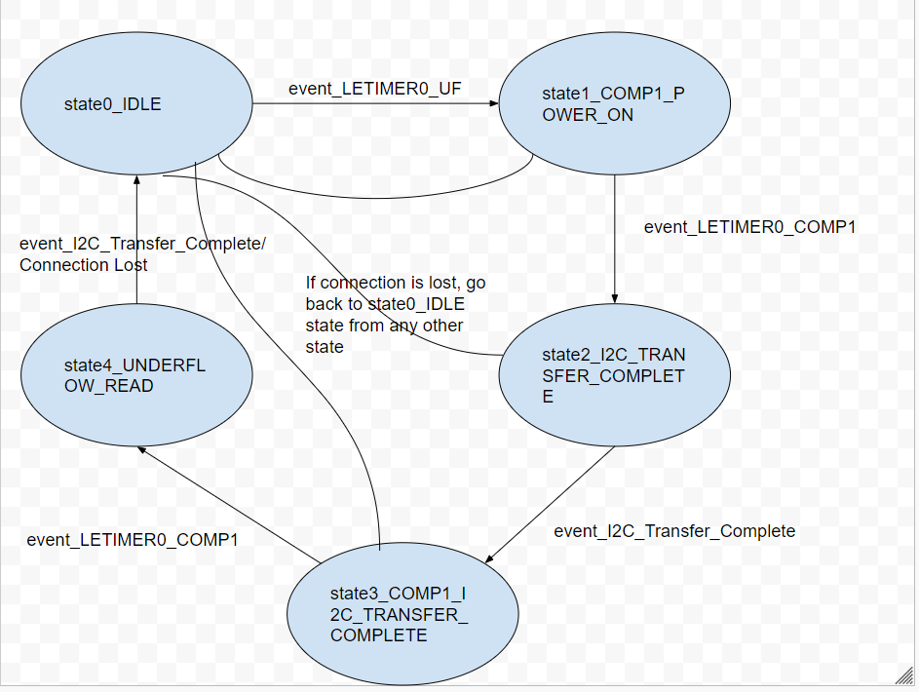
 | Client Command Table for A7

 | Use this table to help you design your program. Add rows as needed. | Use this column to describe when and what your LCD display changes to for rows like DISPLAY_ROW_CONNECTION | Use this column to denote if BT stack events cause your state machine to advance, you can put an X in the cell to note this. Drawing a bubble diagram of your state machine might also be a good idea 👍. | Commands that may be useful: sl_bt_gatt_discover_primary_services_by_uuid() sl_bt_gatt_discover_characteristics_by_uuid()
 | Event | LCD Display State | Advances State Machine | Commands called in response to event | Notes
Events Common to Slaves/Clients
 | sl_bt_evt_system_boot_id | DISPLAY_ROW_NAME - "Server" DISPLAY_ROW_BTADDR- Server Address DISPLAY_ROW_TEMPVALUE - " " DISPLAY_ROW_CONNECTION - "Advertising" DISPLAY_ROW_ASSIGNMENT - "A8" |  |  | This event is generated on stack boot up
 |  |  |  | sl_bt_system_get_identity_address() | Gets the address for server[Save the server address]
 |  |  |  | sl_bt_advertiser_create_set() | Creates the advertiser set
 |  |  |  | sl_bt_advertiser_set_timing() | Set timing parameters for the server as desired
 |  |  |  | sl_bt_advertiser_start() | You should start and stop scanning just like you did with advertising for a Server.
 |  |  |  | sl_bt_gatt_server_write_attribute_value() | Set the default setting of the button [gattdb] characteristic
 |  |  |  | sl_bt_sm_delete_bondings() | Deletes any previous bonding pairs

 | sl_bt_evt_connection_opened_id | DISPLAY_ROW_CONNECTION - "Connected" |  | sl_bt_advertiser_stop() | Stops advertising since connection found. Save connection handle
 |  |  |  | sl_bt_sm_delete_bondings() | Deletes any previous bonding pairs

 | sl_bt_evt_connection_closed_id | DISPLAY_ROW_CONNECTION - "Advertising" |  | sl_bt_scanner_start() | Start the advertising again since connection lost
 |  |  |  | sl_bt_sm_delete_bondings() | Deletes any previous bonding pairs

 | sl_bt_evt_system_soft_timer_id |  |  | For LCD displayUpdate() | The timer hits every 1 second. The displayUpdate() function is called which prevents charge buildup within the Liquid Crystal Cells
 |  |  |  | For circular buffer, 1.read_queue() 2. sl_bt_gatt_server_send_indication() | Read the circular buffer and send an indication if any on queue provided no indicationn is in flight

 | sl_bt_evt_connection_parameters_id |  |  | None | Can be used to log the timing parameters set
 | sl_bt_evt_system_external_signal_id | DISPLAY_ROW_9 - "Button Presses"/"Button Released" |  | sl_bt_gatt_server_write_attribute_value() | Write the button state to the local gatt database
 |  |  |  | sl_bt_sm_passkey_confirm() | API to confirm the passkey if the device is not already bonded
 |  |  |  | write_queue() | Write the pending indication to the queue if an indication is in flight.
 |  |  |  | sl_bt_gatt_server_send_indication() | Send an indication if none is in flight.

Events only for Server
 | sl_bt_evt_gatt_server_characteristic_status_id |  |  | None | Check if indications have been enabled and indications have completed and received confirmation for the same

 | sl_bt_evt_gatt_server_indication_timeout_id |  |  | None | If the indication sent time-outs without sending back a confirmation.

 | sl_bt_evt_sm_confirm_bonding_id |  |  | sl_bt_sm_bonding_confirm() | Confirms the bonding request.

 | sl_bt_evt_sm_bonded_id | DISPLAY_ROW_CONNECTION = "Bonded" |  | None | Event gets triggered when bonding is suceesfully completed

 | sl_bt_evt_sm_bonding_failed_id |  |  | None | Event triggered when bonding request fails

 | sl_bt_evt_sm_confirm_passkey_id | DISPLAY_ROW_PASSKEY = PASSKEY DISPLAY_ROW_ACTION = "Confirm with PB0" |  | None | Event triggered when passkey has to be confirmed to pair

