Weight&Market CAP
INDEX
Company Name | Free Float Share Value | weight
 | (Rs. cr) | market cap/total market cap | BETA
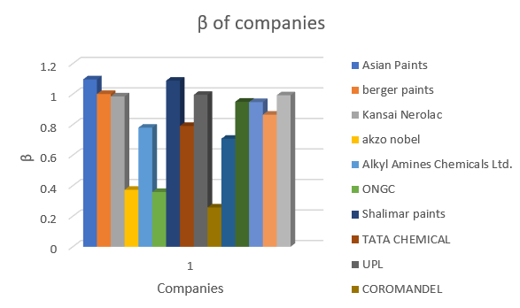
Asian Paints | 141037.06 | 34.08% | 1.096781
berger paints | 15040.07 | 3.63% | 1.001055
Kansai Nerolac | 5807.16 | 1.40% | 0.985046
akzo nobel | 2688.53 | 0.65% | 0.373311
Alkyl Amines Chemicals Ltd. | 3971.26 | 0.96% | 0.78056
ONGC | 72766.34 | 17.58% | 0.358865
Shalimar paints | 639.85 | 0.15% | 1.088376
TATA CHEMICAL | 16182.88 | 3.91% | 0.791644
UPL | 41072.49 | 9.93% | 0.995455
COROMANDEL | 11405.65 | 2.76% | 0.257402
DEEPAK NITRATEE | 15619.61 | 3.77% | 0.707995
PIDDILETE | 41361.66 | 10.00% | 0.950331
PI INDUSTRIES | 27692.49 | 6.69% | 0.94823
AARTI INDUSTRIES | 13410.53 | 3.24% | 0.86557
Chambal Fertilizers | 5117.05 | 1.24% | 0.992873
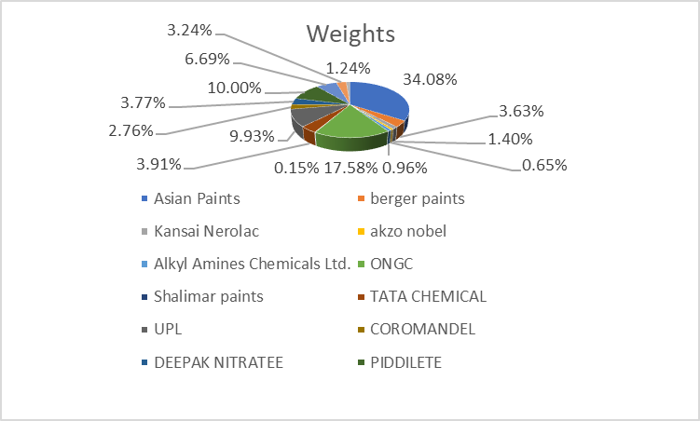
total market cap | 413812.65 | 100.00%

