UI
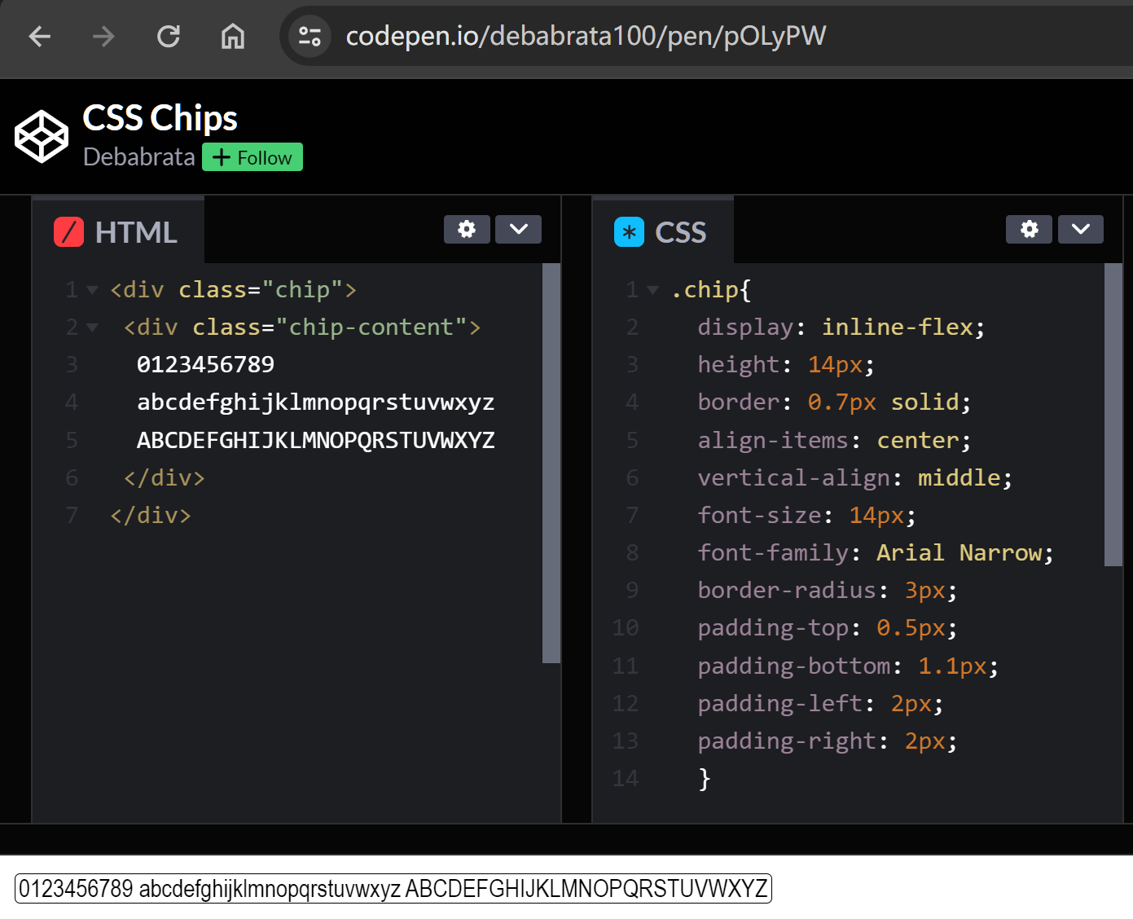
The UI design of 'Edit-ML-Text-dialog'
 |  |  | In Edit-ML-Text-dialog, by default, the system provides an empty ML-Text Item (Row 5 in diagram). See Figure 1.
Language(s) | Language-specific Rich-Text |  | When the Language field (Cell B5) is empty, the text field (Cell C5) is dimmed (cannot input).
_________⯆ |  |  | If the user leaves both B5 & C5 cells empty, meaning, the said ML-Text Item is NULL.
 |  |  | If Cell B5 or Cell C5 is empty, the current dialog cannot be "Saved" (button is dimmed).
(:DDT of Languages)
Language(s) | Language-specific Rich-Text |  | Figure 2: When user is editing the first 'Language-Specific Rich-text' of said ML-Text Item (the system enables 'Typeahead (i.e. Autocomplete)' in both B & C columns):
_English__⯆ | [… Font & Style Settings …] This is the English rich-text - Line 1 This is the English rich-text - Line 2 | X | The system enables 'Font & Style Settings' in said Rich-Text field - 'Only' when it is 'currently being Edited' by the user. If both B9 and C9 are not empty, the system adds a Delete symbol "X", as shown in Figure 2. If both B9 and C9 are not empty, the system adds a new empty row 11, as shown in Figure 2.
_________⯆ |  |  | The row 10 behaves the same as the row 5, it contains no data until the user edits it.
 |  |  | Note: The rows 9/10/11/… are "Sorted" by their corresponding Languages, according to the following sorting order: In All DDTs, all children Rows of Languages are listed in a particular order, this exact sorting order shall be followed here.

The UI design of 'Edit-Valid-Format-dialog'
 |  |  | In Edit-Valid-Format-dialog, by default, the system provides an empty Valid-Format Item (Row 17 in diagram). See Figure 3.
Region(s) | Region-specific Valid-Format |  | When the Region field (Cell B17) is empty, the text field (Cell C17) is dimmed (cannot input).
_____________⯆ |  |  | If the user leaves both B17 & C17 cells empty, meaning, the said 'Valid-Format' Item is NULL.
 |  |  | If Cell B17 or Cell C17 is empty, the current dialog cannot be "Saved" (button is dimmed).
(:DDT of Regions)
Region(s) | Region-specific Valid-Format |  | Figure 4: When user is editing the first 'Region-specific Valid-Format' of said Valid-Format Item (the system enables 'Typeahead (i.e. Autocomplete)' in both B & C columns):
United States⯆ | [… Font & Style Settings …] This is the Valid-Format for U.S. region | X | The system enables 'Font & Style Settings' in said Rich-Text field - 'Only' when it is 'currently being Edited' by the user. If both B21 and C21 are not empty, the system adds a Delete symbol "X", as shown in Figure 4. If both B21 and C21 are not empty, the system adds a new empty row 22, as shown in Figure 4.
_____________⯆ |  |  | The row 22 behaves the same as the row 17, it contains no data until the user edits it.
 |  |  | Note: The rows 21/22/23/… are "Sorted" by their corresponding Regions, according to the following sorting order: In All DDTs, all children Rows of Regions are listed in a particular order, this exact sorting order shall be followed here.

The UI design of 'Edit-Formula-dialog'
 |  |  | In Edit-Formula-dialog, by default, the system provides an empty Formula Item (Row 29 in diagram). See Figure 5.
Order(s) | Order-specific Formula |  | When the Order field (Cell B29) is empty, the text field (Cell C29) is dimmed (cannot input).
_______ |  |  | If the user leaves both B29 & C29 cells empty, meaning, the said 'Formula' Item is NULL.
 |  |  | If Cell B29 or Cell C29 is empty, the current dialog cannot be "Saved" (button is dimmed).
(:Int)
Order(s) | Order-specific Formula |  | Figure 6: When user is editing the first 'Order-specific Formula' of said Formula Item (the system enables 'Typeahead (i.e. Autocomplete)' in C column):
__-1___ | [… Font & Style Settings …] This is the Formula with Order = -1 | X | The system enables 'Font & Style Settings' in said Rich-Text field - 'Only' when it is 'currently being Edited' by the user. If both B33 and C33 are not empty, the system adds a Delete symbol "X", as shown in Figure 6. If both B33 and C33 are not empty, the system adds a new empty row 34, as shown in Figure 6.
_______ |  |  | The row 34 behaves the same as the row 29, it contains no data until the user edits it.
 |  |  | Note: The rows 33/34/35/… are "Sorted" by their Orders.

The design of 'Chip' - which is the UI of Buttons and (some) Items in the system.

