Components Required
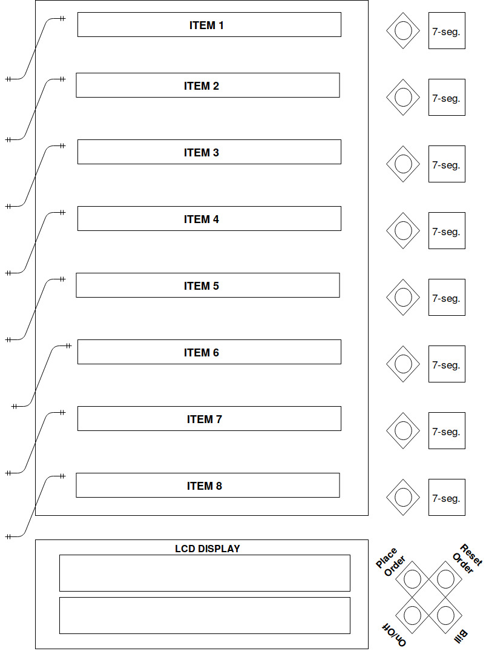
Main Components with Price for 2 prototypes

Item Name | Quantity | Price (per item) | Total
ESP8266 | 2 | 200 | 400
ATmega328P | 2 | 124 | 248
16x2 LCD Display | 2 | 134 | 268
LDR 8mm | 4 | 14 | 56
PushButtons | 24 | 4 | 96
Others | - | 100 | 200
7 segment LED | 8 | 9 | 72
IC 74LS47 | 1 | 22 | 22
Total |  |  | 1362

Pins required

Purpose | Nature | Pins Required

16x2 LCD Display | Digital Pins | 6
Order Selection Buttons | Digital Pins | 2
Order Config Buttons | Digital Pins | 1 min
On/Off Buttons | Digital Pins | 1 min
Page Turn Detection | Analog Pins | 4 min
7 segment LED | Digital Pins | 8

Total |  | More than 22

 |  |  |  | Proposed Layout

ESP32&ESP8266 Comparison
 | Usable pins on ESP32 and ESP8266 - A Comparison

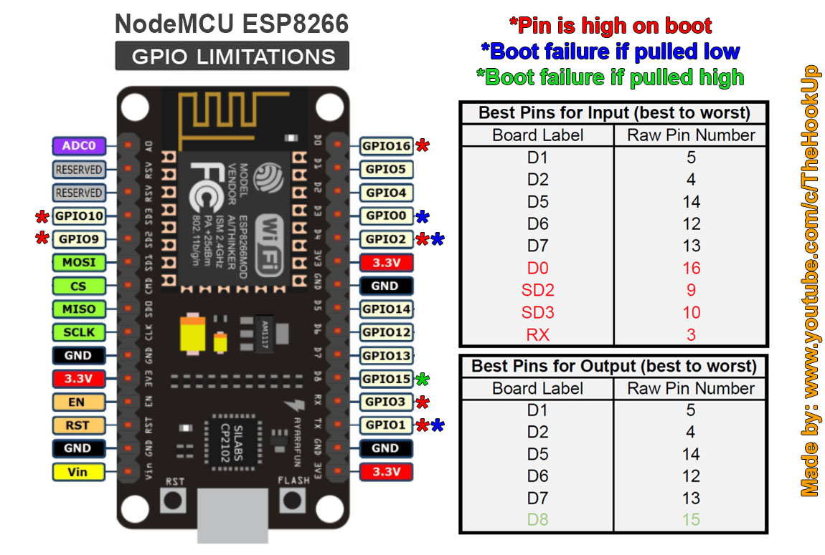
1 | ESP8266

 | Available GPIOs
 | 10
 | Best Suitable GPIOs
 | 5

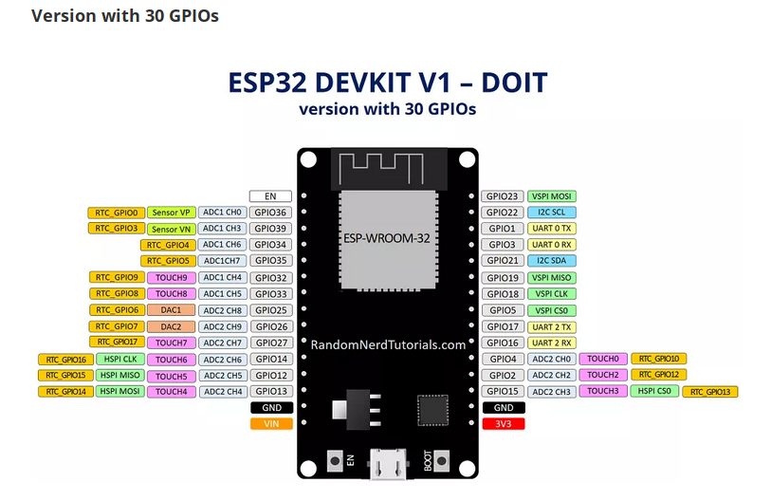
2 | ESP32

 | Available GPIOs
 | 25

