General info
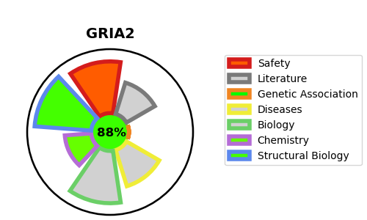
Gene_name | GRIA2 | Tractable | Tractability_probability
Synonyms | AMPA-selective glutamate receptor 2,GLUR2,GRIA2,GluA2,GluR-2,GluR-B,GluR-K2,Glutamate receptor 2,Glutamate receptor ionotropic, AMPA 2 | True | 88.62
Target_id | P42262 | In Training data set ?
Protein_class | AMPA receptor | No
Protein_class_desc | ion channel -> lgic -> glut -> ampa
Species | Homo sapiens (Human).
Number_isoforms | 4

DISEASE |  | PATHWAYS
disease_id | disease_name | Reactome | KEGG
 |  | Activation of AMPA receptors | Amyotrophic lateral sclerosis ALS
 |  | Activation of NMDA receptors and postsynaptic events | Long-term depression
 |  | Gene expression (Transcription) | Long-term potentiation
 |  | Generic Transcription Pathway | Neuroactive ligand-receptor interaction
 |  | Glutamate binding, activation of AMPA receptors and synaptic plasticity
 |  | Long-term potentiation
 |  | MECP2 regulates neuronal receptors and channels
 |  | Neuronal System
 |  | Neurotransmitter receptors and postsynaptic signal transmission
 |  | Post NMDA receptor activation events
 |  | RNA Polymerase II Transcription
 |  | Trafficking of AMPA receptors
 |  | Trafficking of GluR2-containing AMPA receptors
 |  | Transcriptional Regulation by MECP2
 |  | Transmission across Chemical Synapses
 |  | Unblocking of NMDA receptors, glutamate binding and activation

