Home
Launch Vendor Payment Form

Check
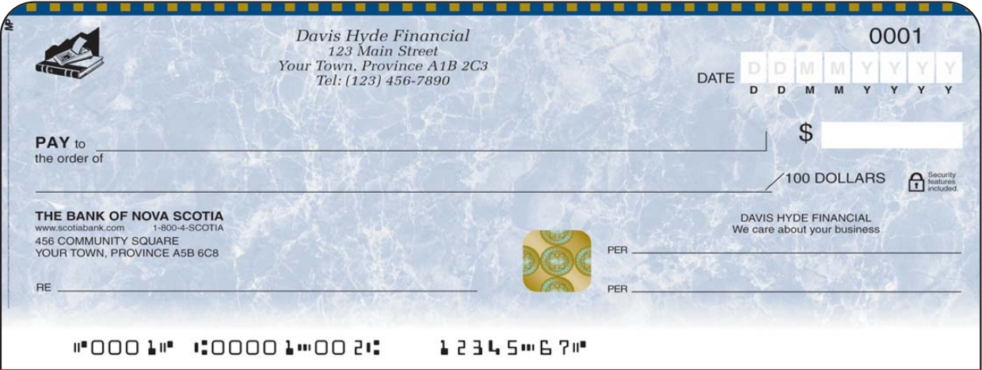
 | 2 | 0 | 2 | 0 | 0 | 3 | 1 | 8 |  | 2020-03-18
2
0
2
0
0
3
1
8

2,600.05
Canadian Shop Inc.
Two Thousand Six Hundred Dollars and Five Cents
05
Canadian Shop Inc. |  |  |  |  |  |  |  |  | 2,600.05

Two Thousand Six Hundred Dollars and Five Cents |  |  |  |  |  |  |  |  | 05
Invoice 6

Invoice 6

Database
Return to Vendor Payment Form
S.No | Print Check | Check No. | Payable to the Order of | Vendor Type | Date | Amount | Memo | Submitted By | Submitted On
1 |  | 10056 | Canadian Shop Inc. | Supplier | 2020-12-25 | 3,000.56 | Invoice 05 | Administrator | 1/27/20
3 |  | 10058 | Bytes Inc | Supplier | 2020-12-29 | 3,258.32 | Invoice 06 | Administrator | 1/28/20
4 |  | 10059 | Electronic Components | Supplier | 2020-12-30 | 35,000.33 | Invoice 07 | Administrator | 1/29/20
5 |  | 10060 | Electronic Components | Supplier | 2020-12-31 | 35,001.33 | Invoice 08 | Administrator | 1/30/20
6 |  | 10061 | Electronic Components | Supplier | 2020-01-01 | 35,002.33 | Invoice 09 | Administrator | 1/31/20
7 |  | 10062 | Electronic Components | Supplier | 2020-01-02 | 35,003.33 | Invoice 10 | Administrator | 2/1/20
8 |  | 10063 | Electronic Components | Supplier | 2020-01-03 | 35,004.33 | Invoice 11 | Administrator | 2/2/20
9 |  | 10064 | Electronic Components | Supplier | 2020-01-04 | 35,005.33 | Invoice 12 | Administrator | 2/3/20
10 |  | 10065 | Electronic Components | Supplier | 2020-01-05 | 35,006.33 | Invoice 13 | Administrator | 2/4/20
11 |  | 10066 | Electronic Components | Supplier | 2020-01-06 | 35,007.33 | Invoice 14 | Administrator | 2/5/20
12 |  | 10067 | Electronic Components | Supplier | 2020-01-07 | 35,008.33 | Invoice 15 | Administrator | 2/6/20
13 |  | 10068 | Electronic Components | Supplier | 2020-01-08 | 35,009.33 | Invoice 16 | Administrator | 2/7/20
14 |  | 10069 | Electronic Components | Supplier | 2020-01-09 | 35,010.33 | Invoice 17 | Administrator | 2/8/20
15 |  | 10070 | Electronic Components | Supplier | 2020-01-10 | 35,011.33 | Invoice 18 | Administrator | 2/9/20
16 |  | 10071 | Electronic Components | Supplier | 2020-01-11 | 35,012.33 | Invoice 19 | Administrator | 2/10/20
17 |  | 10072 | Electronic Components | Supplier | 2020-01-12 | 35,013.33 | Invoice 20 | Administrator | 2/11/20
18 |  | 10073 | Electronic Components | Supplier | 2020-01-13 | 35,014.33 | Invoice 21 | Administrator | 2/12/20
19 |  | 10074 | Kevin Smith | Employee | 2020-12-22 | 3,000.00 | Payroll | Administrator | 2/13/20
20 |  | 10075 | Kevin Smith | Employee | 2020-12-22 | 3,000.00 | Payroll | Administrator | 2/14/20
21 |  | 10076 | Kevin Smith | Employee | 2020-12-22 | 3,000.00 | Payroll | Administrator | 2/15/20
22 |  | 10077 | Kevin Smith | Employee | 2020-12-22 | 3,000.00 | Payroll | Administrator | 2/16/20
23 |  | 10078 | Kevin Smith | Employee | 2020-12-22 | 3,000.00 | Payroll | Administrator | 2/17/20
24 |  | 10079 | Kevin Smith | Employee | 2020-12-22 | 3,000.00 | Payroll | Administrator | 2/18/20
25 |  | 10080 | Kevin Smith | Employee | 2020-12-22 | 3,000.00 | Payroll | Administrator | 2/19/20
26 |  | 10081 | Kevin Smith | Employee | 2020-02-20 12:39:00 | 3,000.00 | Payroll | Administrator | 2/20/20
27 |  | 10082 | Kevin Smith | Employee | 2020-02-21 12:39:00 | 3,000.00 | Payroll | Administrator | 2/21/20
28 |  | 10083 | Kevin Smith | Employee | 2020-02-22 12:39:00 | 3,000.00 | Payroll | Administrator | 2/22/20
29 |  | 10084 | Kevin Smith | Employee | 2020-02-23 12:39:00 | 3,000.00 | Payroll | Administrator | 2/23/20
30 |  | 10085 | Kevin Smith | Employee | 2020-02-24 12:39:00 | 3,000.00 | Payroll | Administrator | 2/24/20
31 |  | 10086 | Kevin Smith | Employee | 2020-02-25 12:39:00 | 3,000.02 | Payroll | Administrator | 2/25/20
32 |  | 10087 | Electronic Components | Supplier | 2020-02-26 12:39:00 | 63,248.01 | Invoice 35 | Administrator | 2/26/20
33 |  | 10088 | Electronic Components | Supplier | 2020-02-27 12:39:00 | 63,249.01 | Invoice 36 | Administrator | 2/27/20
34 |  | 10089 | Electronic Components | Supplier | 2020-02-28 12:39:00 | 63,250.01 | Invoice 37 | Administrator | 2/28/20
35 |  | 10090 | Electronic Components | Supplier | 2020-02-29 12:39:00 | 63,251.01 | Invoice 38 | Administrator | 2/29/20
36 |  | 10091 | Electronic Components | Supplier | 2020-03-01 12:39:00 | 63,252.01 | Invoice 39 | Administrator | 3/1/20
37 |  | 10092 | Electronic Components | Supplier | 2020-03-02 12:39:00 | 63,253.01 | Invoice 40 | Administrator | 3/2/20
38 |  | 10093 | Electronic Components | Supplier | 2020-03-03 12:39:00 | 63,254.01 | Invoice 41 | Administrator | 3/3/20
39 |  | 10094 | Electronic Components | Supplier | 2020-03-04 12:39:00 | 63,255.01 | Invoice 42 | Administrator | 3/4/20
40 |  | 10095 | Electronic Components | Supplier | 2020-03-05 12:39:00 | 63,256.01 | Invoice 43 | Administrator | 3/5/20
41 |  | 10096 | Electronic Components | Supplier | 2020-03-06 12:39:00 | 63,257.01 | Invoice 44 | Administrator | 3/6/20
42 |  | 10097 | Electronic Components | Supplier | 2020-03-07 12:39:00 | 63,258.01 | Invoice 45 | Administrator | 3/7/20
43 |  | 10098 | Electronic Components | Supplier | 2020-03-08 12:39:00 | 63,259.01 | Invoice 46 | Administrator | 3/8/20
44 |  | 10099 | Electronic Components | Supplier | 2020-03-09 12:39:00 | 63,260.01 | Invoice 47 | Administrator | 3/9/20
45 |  | 10100 | Electronic Components | Supplier | 2020-03-10 12:39:00 | 63,261.01 | Invoice 48 | Administrator | 3/10/20
47 |  | 10102 | Electronic Components | Supplier | 2020-03-11 12:39:00 | 63,263.01 | Invoice 50 | Administrator | 3/11/20
48 |  | 10103 | Electronic Components | Supplier | 2020-03-12 12:39:00 | 63,264.01 | Invoice 51 | Administrator | 3/12/20
49 |  | 10104 | Electronic Components | Supplier | 2020-03-13 12:39:00 | 63,265.01 | Invoice 52 | Administrator | 3/13/20
50 |  | 10105 | Electronic Components | Supplier | 2020-03-14 12:39:00 | 63,266.01 | Invoice 53 | Administrator | 3/14/20
51 |  | 10106 | Electronic Components | Supplier | 2020-03-15 12:39:00 | 63,267.01 | Invoice 54 | Administrator | 3/15/20
52 |  | 10107 | Electronic Components | Supplier | 2020-03-16 12:39:00 | 63,268.01 | Invoice 55 | Administrator | 3/16/20
54 |  | 10108 | Canadian Shop Inc. | Supplier | 2020-03-17 12:39:00 | 650.02 | Invoice 988 | Administrator | 3/17/20
52 | X | 10300 | Canadian Shop Inc. | Supplier | 2020-03-18 12:39:00 | 2,600.05 | Invoice 6 | Administrator | 3/18/20

Database_Printed Checks
Return to Vendor Payment Form
S.No | Print Check | Check No. | Payable to the Order of | Vendor Type | Date | Amount | Memo | Submitted By | Submitted On
2 | X | 10057 | Kevin Smith | Employee | 2020-03-19 13:08:00 | 3,000.00 | Payroll | Administrator | 3/19/20
46 | X | 10101 | Electronic Components | Supplier | 2020-03-20 13:08:00 | 63,262.01 | Invoice 49 | Administrator | 3/20/20
53 | X | 12500 | Auto Parts | Supplier | 2020-03-21 13:08:00 | 1,500.00 | Invoice 3 | Administrator | 3/21/20
55 | X | 10133 | Canadian Shop Inc. | Supplier | 2020-03-22 13:08:00 | 660.22 | Inv 66 | Administrator | 3/22/20

Vendor List
Return to Vendor Payment Form
VENDOR LIST | ID NO.
Canadian Shop Inc. | 1
Kevin Smith | 2
Google | 3
Microsoft | 4
Oracle | 5
Sygma | 6
Xero | 7
Auto Parts | 8
Electronic Components | 9
Bytes Inc | 10
Resto Diner | 11

