Sheet1
Characteristics of portfolio (Please provide real numbers instead of percentages. For example, use 0.02 instead of 2%.) |  |  | Monthly Portfolio returns (Please provide real numbers instead of percentages. For example, use 0.02 instead of 2%.)
 | Value-weighted portfolio | Minimum variance portfolio |  | Value-weighted portfolio | Minimum variance portfolio
Annualized average return | 0.11418732771 | 0.043910151633 | Jan-14 | -0.034492636404 | -0.016723505692
Annualized volatility | 0.14206157228 | 0.142431829 | Feb-14 | 0.054571462408 | 0.04392716857
Annualized cumulative return | 0.10925524399 | 0.034080292067 | Mar-14 | 0.0058030318712 | 0.0016608011621
Sharp ratio | 0.79366858289 | 0.29795517543 | Apr-14 | 0.014843179738 | 0.02597511262
Minimum monthly return | -0.13183697197 | -0.20196051447 | May-14 | 0.01630514224 | 0.0066426562842
Maximum monthly return | 0.12913082324 | 0.12253314339 | Jun-14 | 0.011413740413 | 0.020250306358
Plot of the cumulative return |  | (insert your plot here) | Jul-14 | -0.023256714826 | -0.039370878562
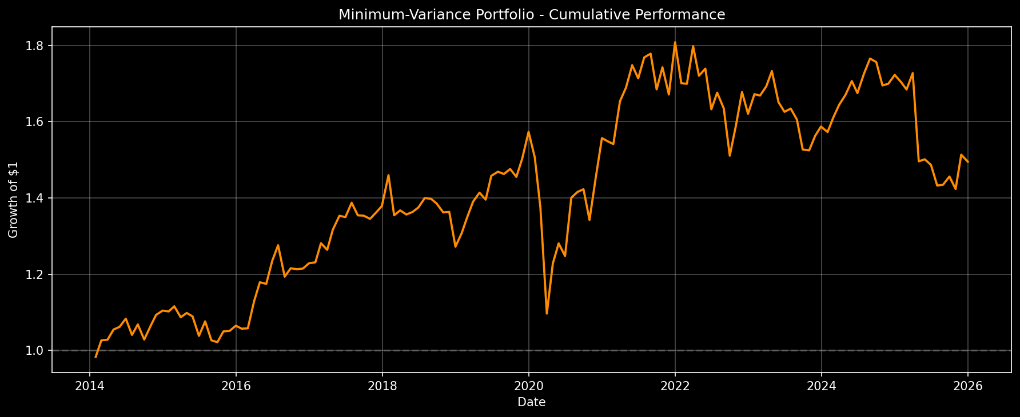
 |  |  | Aug-14 | 0.023784687999 | 0.026412205908
 |  |  | Sep-14 | -0.023870505853 | -0.037098498231
 |  |  | Oct-14 | 0.0044253455078 | 0.033823544675
 |  |  | Nov-14 | 0.025613282979 | 0.028107721888
 |  |  | Dec-14 | -0.018080418548 | 0.010304739688
 |  |  | Jan-15 | -0.023156481788 | -0.0019761873104
 |  |  | Feb-15 | 0.057436017509 | 0.012233246293
 |  |  | Mar-15 | -0.019498146227 | -0.025810581253
 |  |  | Apr-15 | 0.022644120372 | 0.010416772721
 |  |  | May-15 | 0.0023686692892 | -0.0081647830725
 |  |  | Jun-15 | -0.024137137687 | -0.046952949571
 |  |  | Jul-15 | 0.019482093453 | 0.036650189433
 |  |  | Aug-15 | -0.063721707293 | -0.046104814402
 |  |  | Sep-15 | -0.030869691686 | -0.0049670139828
 |  |  | Oct-15 | 0.075374404581 | 0.027753080957
 |  |  | Nov-15 | -0.0057414277477 | 0.0013549866721
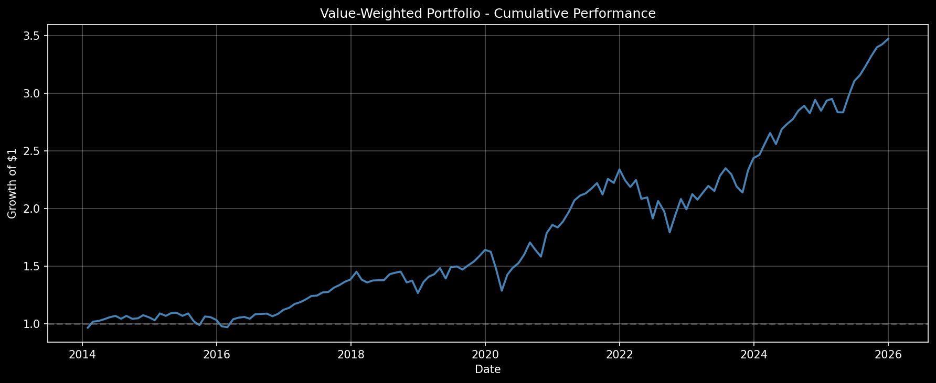
 |  |  | Dec-15 | -0.022928351625 | 0.012911396464
 |  |  | Jan-16 | -0.053157928945 | -0.0073332273818
 |  |  | Feb-16 | -0.0079536682105 | 0.00093256533816
 |  |  | Mar-16 | 0.070718638869 | 0.066718135558
 |  |  | Apr-16 | 0.013269612876 | 0.044459445925
 |  |  | May-16 | 0.0065996722335 | -0.0036116009288
 |  |  | Jun-16 | -0.014963808165 | 0.051819588811
 |  |  | Jul-16 | 0.037364062722 | 0.032814908126
 |  |  | Aug-16 | 0.0022831254193 | -0.064653500228
 |  |  | Sep-16 | 0.0027516508028 | 0.018554099168
 |  |  | Oct-16 | -0.020495964545 | -0.0021386471908
 |  |  | Nov-16 | 0.018208563175 | 0.0015177063507
 |  |  | Dec-16 | 0.032897448832 | 0.011336225367
 |  |  | Jan-17 | 0.016089387599 | 0.0020229786251
 |  |  | Feb-17 | 0.028204582432 | 0.040742347248
 |  |  | Mar-17 | 0.013863216288 | -0.013619941704
 |  |  | Apr-17 | 0.018243509236 | 0.041658881999
 |  |  | May-17 | 0.026534381957 | 0.027974910347
 |  |  | Jun-17 | 0.0025636195401 | -0.0026380801032
 |  |  | Jul-17 | 0.022342469868 | 0.027988619563
 |  |  | Aug-17 | 0.0027175077152 | -0.023905206321
 |  |  | Sep-17 | 0.028354637151 | -0.00055548774235
 |  |  | Oct-17 | 0.018651763915 | -0.0062798773564
 |  |  | Nov-17 | 0.021734911715 | 0.01245663829
 |  |  | Dec-17 | 0.013116548839 | 0.012516841651
 |  |  | Jan-18 | 0.049364640676 | 0.058691391594
 |  |  | Feb-18 | -0.047143708222 | -0.072215323959
 |  |  | Mar-18 | -0.017891065295 | 0.0096311841905
 |  |  | Apr-18 | 0.012548954101 | -0.007957595265
 |  |  | May-18 | 0.0015984792476 | 0.0049460486426
 |  |  | Jun-18 | 0.00010975308564 | 0.0086216693489
 |  |  | Jul-18 | 0.038402000629 | 0.018055745072
 |  |  | Aug-18 | 0.0088319559157 | -0.0014683528269
 |  |  | Sep-18 | 0.0065512311638 | -0.0087628993042
 |  |  | Oct-18 | -0.064615722065 | -0.016945185411
 |  |  | Nov-18 | 0.011084173141 | 0.0010639504766
 |  |  | Dec-18 | -0.078289352554 | -0.067061751567
 |  |  | Jan-19 | 0.076489112982 | 0.027873634457
 |  |  | Feb-19 | 0.033222746449 | 0.032413522656
 |  |  | Mar-19 | 0.014490787221 | 0.029877858471
 |  |  | Apr-19 | 0.037590109727 | 0.016974405606
 |  |  | May-19 | -0.060485445882 | -0.012878954674
 |  |  | Jun-19 | 0.070392234814 | 0.04471664888
 |  |  | Jul-19 | 0.0043206633694 | 0.0074025540656
 |  |  | Aug-19 | -0.018433818533 | -0.004129642458
 |  |  | Sep-19 | 0.024723771538 | 0.009053968971
 |  |  | Oct-19 | 0.021968255229 | -0.014088496232
 |  |  | Nov-19 | 0.029824663118 | 0.032749410688
 |  |  | Dec-19 | 0.035033016258 | 0.046988196479
 |  |  | Jan-20 | -0.0097061787964 | -0.042757991791
 |  |  | Feb-20 | -0.087857595468 | -0.087713326797
 |  |  | Mar-20 | -0.13183697197 | -0.20196051447
 |  |  | Apr-20 | 0.10766142525 | 0.11990576188
 |  |  | May-20 | 0.041420437067 | 0.042974224765
 |  |  | Jun-20 | 0.028442861026 | -0.025931478722
 |  |  | Jul-20 | 0.048603539275 | 0.12253314339
 |  |  | Aug-20 | 0.065413118641 | 0.010838578404
 |  |  | Sep-20 | -0.037976249065 | 0.0051345479548
 |  |  | Oct-20 | -0.035620292343 | -0.056654169646
 |  |  | Nov-20 | 0.12913082324 | 0.082324926958
 |  |  | Dec-20 | 0.039593679909 | 0.071669046379
 |  |  | Jan-21 | -0.011784765005 | -0.0054108050491
 |  |  | Feb-21 | 0.027235223814 | -0.0046968231696
 |  |  | Mar-21 | 0.045554205326 | 0.072941841184
 |  |  | Apr-21 | 0.050049202891 | 0.021616373489
 |  |  | May-21 | 0.020466963218 | 0.034835717482
 |  |  | Jun-21 | 0.0088573448714 | -0.019754022794
 |  |  | Jul-21 | 0.018731825576 | 0.032013393214
 |  |  | Aug-21 | 0.022784850765 | 0.0056357222316
 |  |  | Sep-21 | -0.044600916924 | -0.052757900118
 |  |  | Oct-21 | 0.06357446419 | 0.034429266025
 |  |  | Nov-21 | -0.01516955056 | -0.041021747991
 |  |  | Dec-21 | 0.052731158108 | 0.0820625124
 |  |  | Jan-22 | -0.041185436386 | -0.059408501833
 |  |  | Feb-22 | -0.025115248435 | -0.00090545128871
 |  |  | Mar-22 | 0.027494704741 | 0.058135690704
 |  |  | Apr-22 | -0.072527552928 | -0.043240279376
 |  |  | May-22 | 0.0058667610237 | 0.010895963459
 |  |  | Jun-22 | -0.087174244306 | -0.061347775788
 |  |  | Jul-22 | 0.079093062306 | 0.026755713115
 |  |  | Aug-22 | -0.04326884881 | -0.024708792107
 |  |  | Sep-22 | -0.092210286874 | -0.075836995347
 |  |  | Oct-22 | 0.08500074699 | 0.053064965461
 |  |  | Nov-22 | 0.070112234124 | 0.054620636556
 |  |  | Dec-22 | -0.042931962593 | -0.034024087639
 |  |  | Jan-23 | 0.06627231572 | 0.031734871085
 |  |  | Feb-23 | -0.022567432593 | -0.0022222227246
 |  |  | Mar-23 | 0.030786554964 | 0.014454694109
 |  |  | Apr-23 | 0.025731621717 | 0.023683747349
 |  |  | May-23 | -0.019883868655 | -0.046934337889
 |  |  | Jun-23 | 0.060786438048 | -0.015422614207
 |  |  | Jul-23 | 0.029228872931 | 0.0052033431179
 |  |  | Aug-23 | -0.02249614808 | -0.017612608723
 |  |  | Sep-23 | -0.046308657536 | -0.04893990351
 |  |  | Oct-23 | -0.023731299263 | -0.0014971034178
 |  |  | Nov-23 | 0.089969169815 | 0.025055159209
 |  |  | Dec-23 | 0.045146895255 | 0.015557580466
 |  |  | Jan-24 | 0.012009939365 | -0.0090353951186
 |  |  | Feb-24 | 0.039034659051 | 0.024601610592
 |  |  | Mar-24 | 0.036376111861 | 0.020496011112
 |  |  | Apr-24 | -0.036182189908 | 0.015968437904
 |  |  | May-24 | 0.050366490454 | 0.021432985173
 |  |  | Jun-24 | 0.016148421431 | -0.01854177609
 |  |  | Jul-24 | 0.016336627685 | 0.03077937606
 |  |  | Aug-24 | 0.026350595591 | 0.022603394009
 |  |  | Sep-24 | 0.014798313216 | -0.0051986775831
 |  |  | Oct-24 | -0.022291527014 | -0.034963064632
 |  |  | Nov-24 | 0.041152409009 | 0.0026566946429
 |  |  | Dec-24 | -0.032204813913 | 0.013658815934
 |  |  | Jan-25 | 0.030774071904 | -0.010691374454
 |  |  | Feb-25 | 0.005152892817 | -0.01165384488
 |  |  | Mar-25 | -0.039294648769 | 0.025578831672
 |  |  | Apr-25 | -0.00034366689993 | -0.13399299182
 |  |  | May-25 | 0.050311313678 | 0.0035316234978
 |  |  | Jun-25 | 0.043401550838 | -0.0098109990253
 |  |  | Jul-25 | 0.016831708369 | -0.036412538347
 |  |  | Aug-25 | 0.023712088 | 0.0014260096208
 |  |  | Sep-25 | 0.027481869358 | 0.015099252676
 |  |  | Oct-25 | 0.023177117329 | -0.02243870294
 |  |  | Nov-25 | 0.0073271669078 | 0.063181485909
 |  |  | Dec-25 | 0.014097101901 | -0.012256339232

