Dialysis data
HUMA
 | v001, v003, v011, v006, fistula published data not h2h

 | V007/NCT03183245
 | ph3, N=242, multi ctr, OL, randomized, HAV/ATEV vs AVF for hemodialysis
 | followed for 24mths and then for up to 5yrs
 | called it humacyl
 | looked at functional patency(?) at 6mths and secondary patency at 12mths co-primary endpts
 | ATEV | AVF
fcn pat, 6m | 81.30% | 66.40%
2nd pat, 12m | 68.30% | 62.20% | p=0.0071 for both |  | p=0.389 alone
 | "patients on ATEV also achieved a significantly longer duration of hemodialysis over the first 12 months, as compared to autogenous fistula (p=0.0162)"
 | more AEs w ATEV compared to AVF
 | primary pat??

 | functional patency

 | V-006/ NCT02644941
 | ph3, N=355, multi ntl, OL, randomized, comparison btwn 1of2 ePTFE and HAV/ATEV in hemodialysis access surgery
 | ePTFE
 | did not meet primary endpt, 2nd pat at 18mths
 | 2nd pat of HAV > ePTFE at 6,12mths but not 18,24mths

2nd pat | HAV | ePTFE
6m | 92% | 87%
12m | 82% | 80%
18m | 73% | 77%
24m | 67% | 74%

 | V011/ NCT04135417
 | n=30, multicenter, OL, single arm, patients w vascular access for dialysis
 | 24mths follow after implantation, visists eveyr 6mths
 | study completion 2022-03-02
 | Poland

 | Six-year outcomes of a phase II study of human-tissue engineered blood vessels for peripheral arterial bypass
 | https://pubmed.ncbi.nlm.nih.gov/36874956/

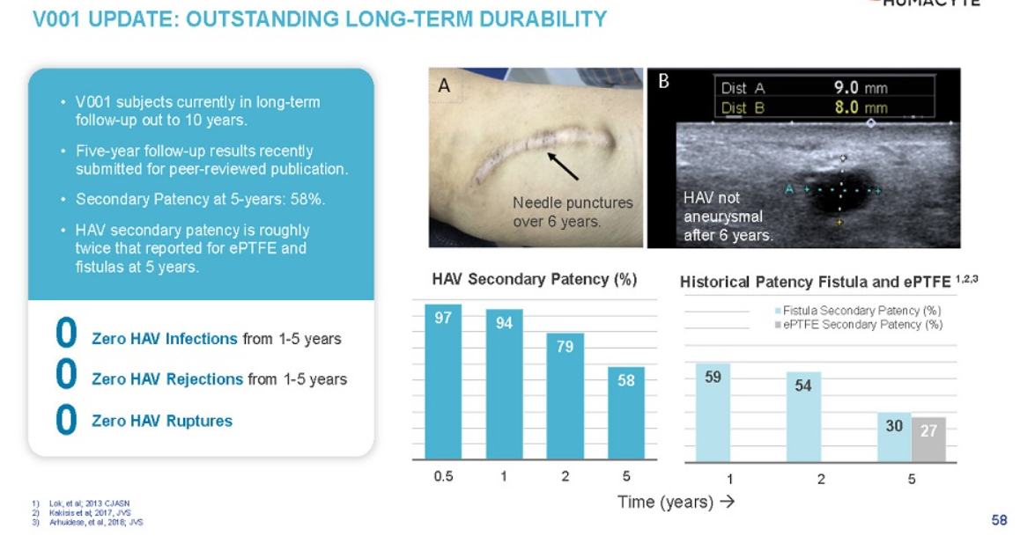
 | V001/ NCT01744418
 | interventional trial, n=40, vascular prosthesis for end-stage renal disease, pilot study
 | study start 11/22/2012
 | completion 12/2024

2018 | Utilization, patency, and complications associated with vascular access for hemodialysis in the United States
 | https://www.jvascsurg.org/article/S0741-5214(18)30403-8/fulltext
 | Meta analysis
 | AVF | prosthetic
N= | 73884 | 16533
maturation rate | 79% | 84%
mTime to maturation | 47d | 29d

 | True historical comparison for hemodyalisys surgery |  |  |  |  |  | Infection rates for AV access
primary pat | AVF | prosthethic |  |  |  |  | AVF | prosthetic | catheter
1yr | 42.7% | 31.5% |  |  |  | %infected p=0.001 | 0.50% | 5.00%
2 | 34.1% | 20.5% |  |  |  | N= | 925 | 2491
3 | 27.7% | 14.1% |  |  |  | aHR severe infection p=0.001 | best | 9.6 | 2.3
4 | 22.8% | 10.8% |  |  |  | severe infections mean they have to remove the graft
5 | 19.9% | 9.3% |  |  |  | all cause mortality p=0.001 | 29.50% | 36.70% | 42.20%

primary assisted | AVF | prosthethic |  |  | pt survival | 1yr | 84.0% | 78.2% | 69.6%
1yr | 53.3% | 39.7% |  |  |  | 2 | 72.3% | 64.4% | 58.8%
2 | 46.8% | 29.3% |  |  |  | 3 | 62.0% | 53.6% | 51.2%
3 | 42.0% | 22.7% |  |  |  | 4 | 53.5% | 44.9% | 45.2%
4 | 37.7% | 18.9% |  |  |  | 5 | 50.0% | 41.2% | 42.9%
5 | 34.9% | 16.3%

2nd pat | AVF | prosthethic
1yr | 59.5% | 56.8%
2 | 54.2% | 48.1%
3 | 50.3% | 41.7%
4 | 46.6% | 37.0%
5 | 43.9% | 33.2%

most patients in study that got AVF had allready used catheter
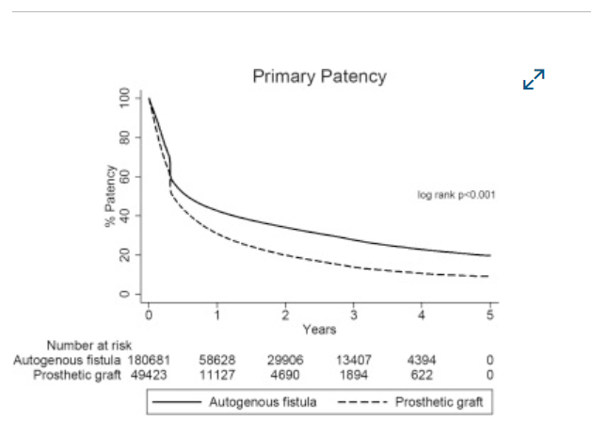

 |  |  |  |  | longer term data shows the difference much more easily in primary pat vs 2nd
 |  |  |  |  | the synth actually touches/ crosses AVF initially at the 4-6mth mark

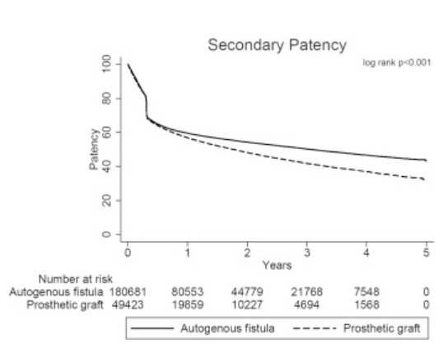
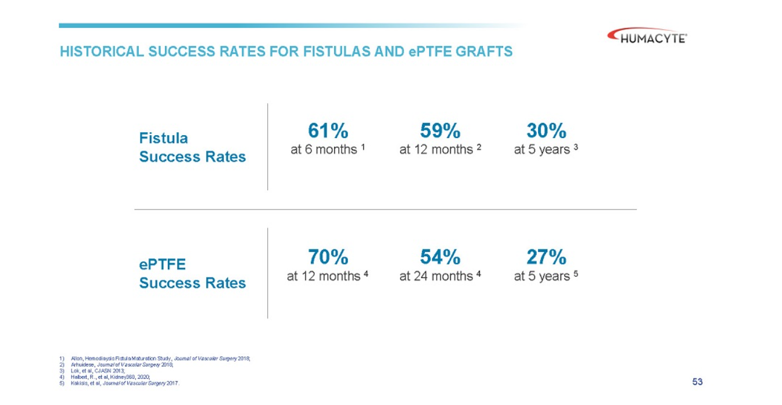
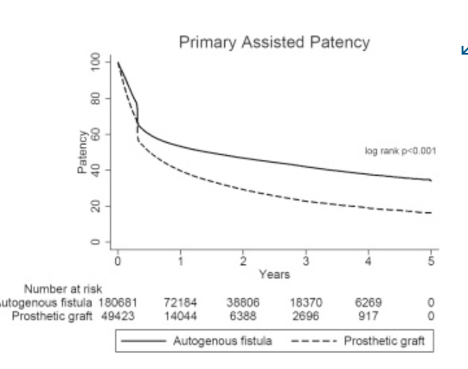

 | Lifeline, Cytograft USA |  | Autologous skin fibroblasts, cell sheets, seeded with vein EC
prim pat1m | 78%
prim pat 6m | 60%

2008 | Hemodialysis Arteriovenous Fistula Patency Revisited: Results of a Prospective, Multicenter Initiative
 | doi: 10.2215/CJN.02950707
 | prospective, multi-center study,standardized defns,

 | n=491 AVFs, n=395pts
 | 6m | 12m | 18m
functional patency | 90% | 88% | 86%
secondary patency | 75% | 70% | 67%

primary fail rate | 40%
thrombosis rate | 0.14/pt yr

2020 | Patency of ePTFE Arteriovenous Graft Placements in Hemodialysis Patients: Systematic Literature Review and Meta-Analysis
 | DOI: 10.34067/KID.0003502020
 | Laura did the review and meta-analysis

 | 6m | 12m | 18m | 24m
Primary | 56% | 41% | 34% | 28%
Primary assisted | 59% | 46% | 39% | 34%
Secondary | 80% | 70% | 59% | 54%

Trauma data
 | BLA submitted in December 2023, priority review granted in Feb 2024, PDUFA Aug 10, 2024

 | approval of the Human Acellular Vessel (HAV) in urgent arterial repair following extremity vascular trauma when synthetic graft is not indicated, and when autologous vein use is not feasible.

 | V005/ NCT03005418
 | ph2/3, n=72, multi ctr, non-randomized, with life or limb threatening vascular trauma |  |  |  |  |  |  | eligibility: Life expectancy of at least 1 year?
 | limb cohort and torso cohort, avg age 39 (18-81)
 |  | limb will include upper and lower body, mostly lower body
 |  | torso is thorax (minus heart), abdomen, and retrooperitineum |  |  |  |  |  | Study regd 2016-12-29
 | implanted as interposition vessel or bypass |  |  |  |  |  |  | Last update: 2023-10-31
 | active study 36mths |  |  |  |  |  |  | study start: 2018-09-01
 | 24mths of enrollment + 36mths follow up |  |  |  |  |  |  | enrollment done: 2020-09-01

 | Primary Outcomes:
 |  | HAV primary patency, 30days
 |  |  | the interval from the time of access placement until any intervention designed to maintain or reestablish patency, access thrombosis or the measurement of patency', i.e., patent without interventions
 |  | freq and severity of A.E.s, 36mths
 | Secondary outcomes:
 |  | limb viability, 36mths
 |  | HAV primary pat, primary asssisted, secondary, 36mths |  |  |  |  |  | originally wanted all these to be 12mths not 36mths
 |  | rate of HAV interventions, 36mths
 |  | patient survival, 36mths |  |  |  |  |  | exclusion:
 |  | HAV remodelling by histopathology of clin explants, 36mths |  |  |  |  |  | 1. Known medical condition which would preclude long term antiplatelet therapy after resolution of acute injuries
 |  | Freq of anastomotic bleeding or spont. Rupture, 36mths
 |  | Freq of HAV infection, 36mths
 |  | Freq of HAV thrombosis, 36mths
 |  | Freq of HAV pseudoaneurysm formation, 36mths
 |  | Freq of HAV aneurysm formation, 36mths
 |  | Freq of HAV hemodynamically sig. stenosis (>70% in duplex ultrasound), 36mths
 |  | Freq of HAV removal, 36mths
Topline data PR, 2023-12-12
n=69, 51 had vascular injury of extremities, evln group |  |  |  |  |  |  |  | From old SEC deck
 |  | HAV | Literature Review Synthetic Graft |  |  |  |  | Location
30day secondary pat |  | 90.20% | 78.90% |  |  |  |  | Lower ex | 29
primary pat (time??) |  | 84.30% | NOT POSSIBLE |  |  |  |  | Upper Ex | 9
amputation rate |  | 9.80% | 24.30% |  |  | explosive vs gunshot wounds ? |  | Torso | 3
infection |  | 2.00% | 8.40% |  |  | is this all 30d data?? |  |  | 41
 |  |  |  |  |  |  |  | Mechanism
Combo data |  |  |  |  |  |  |  | Gunshot | 18
2ndary pat, 30d | 91.50% |  |  |  |  |  |  | Motor vehicle | 6
amputation rates | 4.50% |  |  |  |  |  |  | Fall | 4
infection | 0.90% |  |  |  |  |  |  | Iatrogenic | 11
 |  |  |  |  |  |  |  | Industriall/ crush | 2

Topline data in slides:
 | 69 enrolled, 51 had vascular injury to the extremities were primary evaluation group
 | ATEV | historical synth graft??
30 day patency(??) | 90.20% | 81%
amputation rates | 9.80% | 20%
infection rate | 2.00% | 8%

 | V-017/ NCT05873959
 | retrospective, observational, n=16, retrospective, humanatarian basis, life or limb threatening trauma
 | pts had them btwn June 2022 and May 2023
 | ukraine
 | last update was aug 29, 2024
 | inclusion criteria much less stringent for this group
 | non-iatrogenic
 | mostly blast, less gunshot wounds. She actually admits this is better for outcomes

 | Pimary outcomes:
 |  | rate of adverse events up to 12mths
 |  | primary pat at 30days

 | Secondary outcomes:
 |  | frequency of adverse events of special interest (AESIs), up to 12mths
 |  | time frame when HAV has not been replaced, ligated or removed, up to 12mths
 |  | rate of affected limb salvage/ amputation, up to 12mths
 |  | patency of HAV (primary, secondary, primary assisted), up to 12mths

prim pat, 30d | 93.80%
2ndary pat, 30d | 93.80%
amputations | 0
infections | 0

2020 | Patency of arterial repairs from wartime extremity vascular injuries
 | doi: 10.1136/tsaco-2020-000616
 | https://www.ncbi.nlm.nih.gov/pmc/articles/PMC7768973/

 | reporting long term lower limb salvage rates of 74-82.7% (3,4)
 | early upper extremity amputation rates range 9.3%-12.1% (24, 35)
 | noting issue of not getting patency follow-up data, only amputation
 |  | VA Vascular Injury Study (VAVIS) (37,38), younger possibly fitter cohort
 |  | difference between explosive and gunshots. Gunshots worse
 |  | difference btwn civ and wartime
 |  |  | civ should be better
 | civ studies (32,33)
 | We did not find comparable patency studies in the literature on combat‐related arterial injuries.

 | Initial, short-term placement of prosthetic grafts with subsequent revision to a vein graft was defined as a temporizing procedure, and the patency of the vein graft was reported

2015 | VA Vascular Injury Study (VAVIS)

 | normaly patency is 50-60%, and the increase in patency rates affected by platelet agents/ statis/ yearly duplex ultrasound is no less than 12% (conservatively)
 | The Antiplatelet Trialists’ Collaboration found that antiplatelet therapy was associated with a relative risk reduction of 43% in graft occlusion

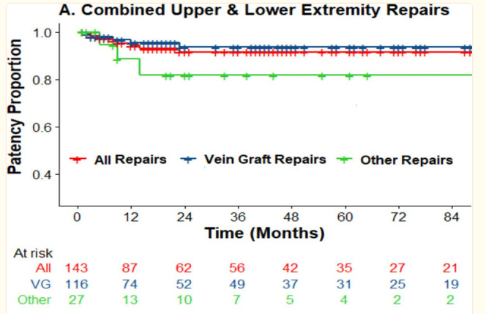
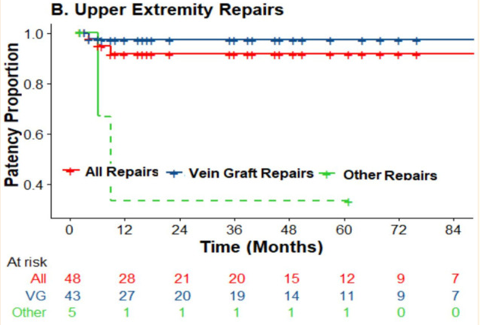
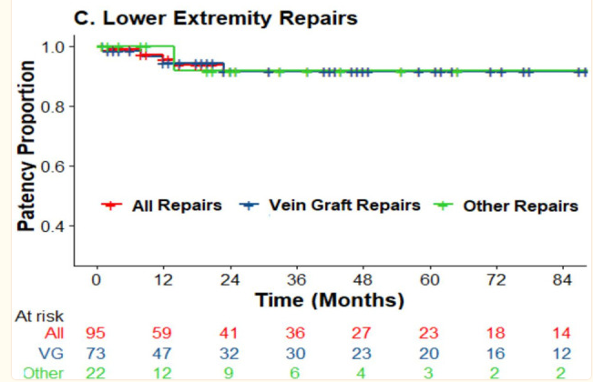

2002 | Limb Trauma with Arterial Injury: Long-term Performance of Venous Interposition Grafts
 | https://sci-hub.se/10.1055/s-2003-38986
 | Saphenous/ cephalic vein
 | n=10, got angiogrpahy
 | 9/10 patent postoperatively
 | mean follow up 59mths, (23-139mths)
 | n=17

DATA FOR HISTORICAL COMPARISON

2014 | Ischemia and functional status of the left arm and quality of life after left subclavian artery coverage during stent grafting of thoracic aortic diseases
 | https://www.jvascsurg.org/article/S0741-5214(14)00162-1/fulltext
 | Klocker paper
 | thoracic data. This is not in the patient population

2013 | A Retrospective Cohort Comparison of Expanded Polytetrafluorethylene to Autologous Vein for Vascular Reconstruction in Modern Combat Casualty Care
 | Watson paper
 | https://doi.org/10.1016/j.avsg.2014.12.026
 | n=49, age~25
 | ISS ~20, MESS ~6

 | AV | ePTFE
n= | 24 | 25
freedom from graft complications | 65% | 17% | p=0.13
carotid, subclavian, acillary pos | equal | equal | p=0.90
periphery, 8yr no Aes | 77% | 31% | p=0.044

2009 | The Use of Prosthetic Grafts in Complex Military Vascular Trauma: A Limb Salvage Strategy for Patients With Severely Limited Autologous Conduit
(wrong yr reported) | n=14, 95 total pts in cohort but 14 got prosthetic grafts for extremirt bypass for vascular injuries

blast injury | 6 |  |  | superficial femoral | 8 | L | 57.14%
gunshot wound | 6 |  |  | brachial | 3 | U | 21.43%
blunt trauma | 2 |  |  | common carotid | 1 | T | 7.14%
 | PTFE graft |  |  | subclavian | 1 | T | 7.14%
near term patency | 79% |  |  | axillary | 1 | T | 7.14%
 | then they got a AV graft
 | no deaths or blowouts
 | no patients had amputations
 | 3pts

PAD data
 | V002
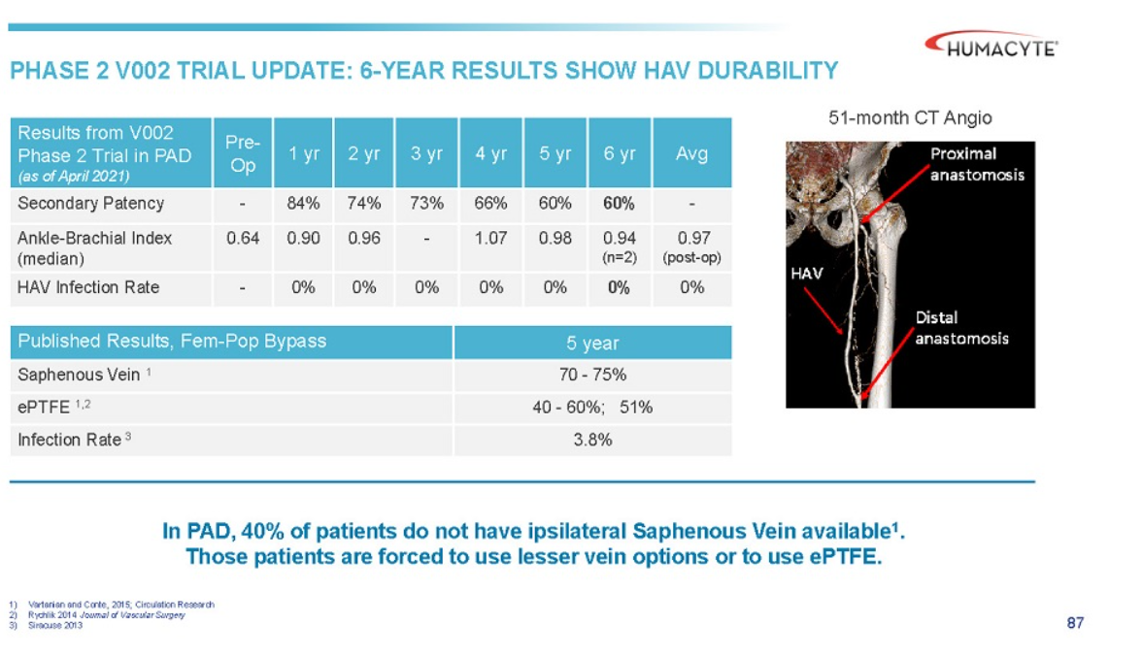

 | V004

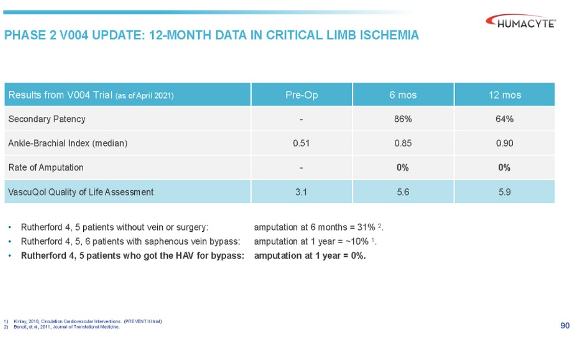

2024 | Comparative outcomes of arterial bypass using the human acellular vessel and great saphenous vein in patients with chronic limb ischemia
 | comparison btwn GSV and HAV in PAD
 | mostly in tibial bypass
 | group 1, n=34, got HAV
 | group 2, historical, multi-center, single-segment GSV, n=88

 | G1 | more smoking, more coronary artery disease (71% v 43%), prior grafting (38% v 14%)
 |  | more wounds, ischemia, foot infections stage 4 (weird stat, 56% v 33%)
 |  | previous leg revascularizations (97% v 53%)
 |  | 85% of pts had to have HAV sewn together
 |  | tibial vessels target of surgery 79% vs 100%

 | G1 | G2
mOperative time | 364mins | 464mins
amputation free survival | 73% | 81% | p=0.55
OS | 84% | 88% | p=0.20 | S
primary pat | 36% | 50% | p=0.44
prim assist pat | 45% | 72% | p=0.002
secondary pat | 64% | 72% | p=0.003

2024 | Outcomes of Arterial Bypass With the Human Acellular Vessel for Chronic Limb-Threatening Ischemia Performed Under the FDA Expanded Access Program
 | limb salvage, limb threatening ischemia, FDA expanded access program
 | n=14, older popln, 12men mAge 62+/- 14yrs

