Dialysis data
HUMA
 | v001, v003, v011, v006, fistula published data not h2h

 | V007/NCT03183245
 | ph3, N=242, multi ctr, OL, randomized, HAV/ATEV vs AVF for hemodialysis
 | followed for 24mths and then for up to 5yrs
 | called it humacyl
 | looked at functional patency(?) at 6mths and secondary patency at 12mths co-primary endpts
 | ATEV | AVF
fcn pat, 6m | 81.30% | 66.40%
2nd pat, 12m | 68.30% | 62.20% | p=0.0071 for both |  | p=0.31 alone
 | "patients on ATEV also achieved a significantly longer duration of hemodialysis over the first 12 months, as compared to autogenous fistula (p=0.0162)"
 | more AEs w ATEV compared to AVF
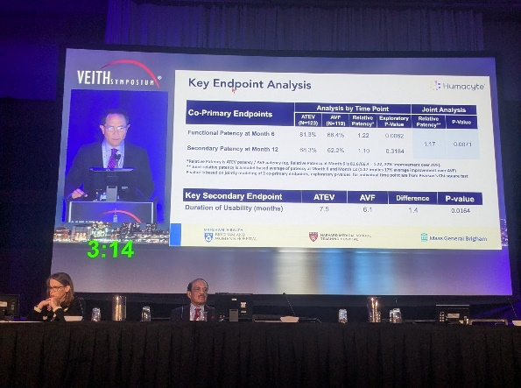
 | primary pat??

 | functional patency

 | V-006/ NCT02644941
 | ph3, N=355, multi ntl, OL, randomized, comparison btwn 1of2 ePTFE and HAV/ATEV in hemodialysis access surgery
 | ePTFE
 | did not meet primary endpt, 2nd pat at 18mths
 | 2nd pat of HAV > ePTFE at 6,12mths but not 18,24mths

2nd pat | HAV | ePTFE
6m | 92% | 87%
12m | 82% | 80%
18m | 73% | 77%
24m | 67% | 74%

 | V011/ NCT04135417
 | n=30, multicenter, OL, single arm, patients w vascular access for dialysis
 | 24mths follow after implantation, visists eveyr 6mths
 | study completion 2022-03-02
 | Poland

 | Six-year outcomes of a phase II study of human-tissue engineered blood vessels for peripheral arterial bypass
 | https://pubmed.ncbi.nlm.nih.gov/36874956/

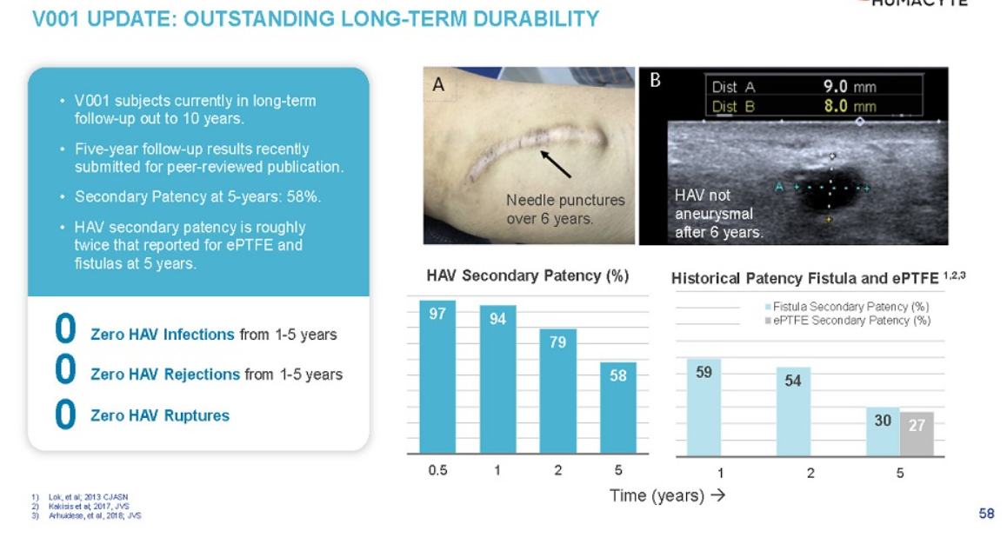
 | V001/ NCT01744418
 | interventional trial, n=40, vascular prosthesis for end-stage renal disease, pilot study
 | study start 11/22/2012
 | completion 12/2024

2018 | Utilization, patency, and complications associated with vascular access for hemodialysis in the United States
 | https://www.jvascsurg.org/article/S0741-5214(18)30403-8/fulltext
 | Meta analysis
 | AVF | prosthetic
N= | 73884 | 16533
maturation rate | 79% | 84%
mTime to maturation | 47d | 29d

 | True historical comparison for hemodyalisys surgery |  |  |  |  |  | Infection rates for AV access
primary pat | AVF | prosthethic |  |  |  |  | AVF | prosthetic | catheter
1yr | 42.7% | 31.5% |  |  |  | %infected p=0.001 | 0.50% | 5.00%
2 | 34.1% | 20.5% |  |  |  | N= | 925 | 2491
3 | 27.7% | 14.1% |  |  |  | aHR severe infection p=0.001 | best | 9.6 | 2.3
4 | 22.8% | 10.8% |  |  |  | severe infections mean they have to remove the graft
5 | 19.9% | 9.3% |  |  |  | all cause mortality p=0.001 | 29.50% | 36.70% | 42.20%

primary assisted | AVF | prosthethic |  |  | pt survival | 1yr | 84.0% | 78.2% | 69.6%
1yr | 53.3% | 39.7% |  |  |  | 2 | 72.3% | 64.4% | 58.8%
2 | 46.8% | 29.3% |  |  |  | 3 | 62.0% | 53.6% | 51.2%
3 | 42.0% | 22.7% |  |  |  | 4 | 53.5% | 44.9% | 45.2%
4 | 37.7% | 18.9% |  |  |  | 5 | 50.0% | 41.2% | 42.9%
5 | 34.9% | 16.3%

2nd pat | AVF | prosthethic
1yr | 59.5% | 56.8%
2 | 54.2% | 48.1%
3 | 50.3% | 41.7%
4 | 46.6% | 37.0%
5 | 43.9% | 33.2%

most patients in study that got AVF had allready used catheter
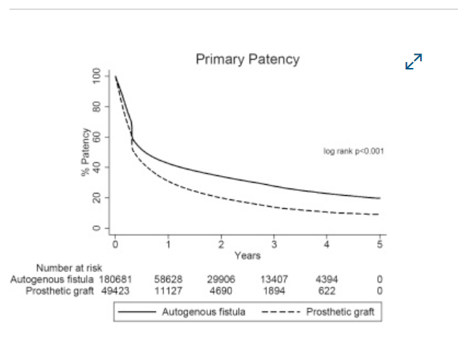

 |  |  |  |  | longer term data shows the difference much more easily in primary pat vs 2nd
 |  |  |  |  | the synth actually touches/ crosses AVF initially at the 4-6mth mark

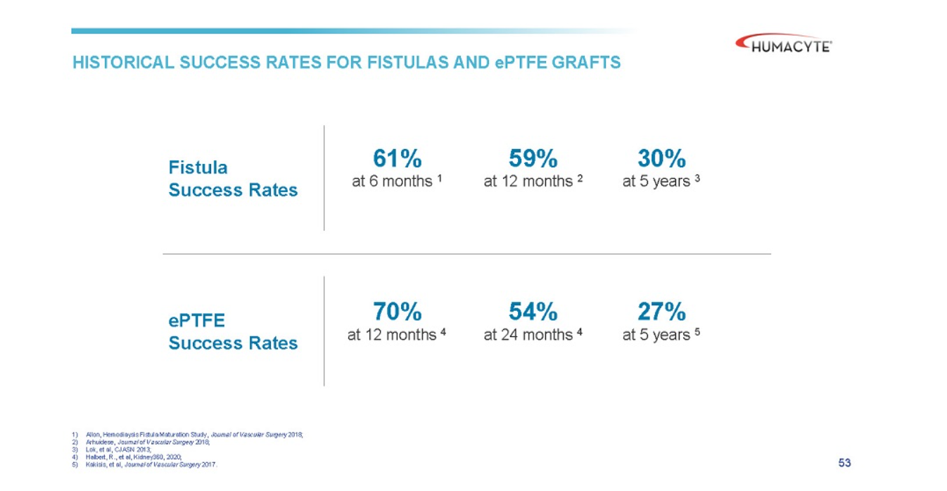
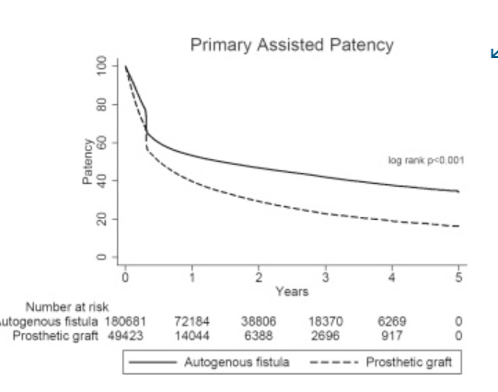
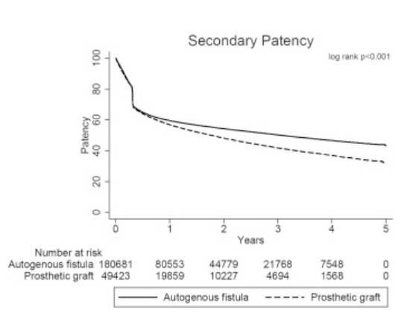

 | Lifeline, Cytograft USA |  | Autologous skin fibroblasts, cell sheets, seeded with vein EC
prim pat1m | 78%
prim pat 6m | 60%

2008 | Hemodialysis Arteriovenous Fistula Patency Revisited: Results of a Prospective, Multicenter Initiative
 | doi: 10.2215/CJN.02950707
 | prospective, multi-center study,standardized defns,

 | n=491 AVFs, n=395pts
 | 6m | 12m | 18m
functional patency | 90% | 88% | 86%
secondary patency | 75% | 70% | 67%

primary fail rate | 40%
thrombosis rate | 0.14/pt yr

2020 | Patency of ePTFE Arteriovenous Graft Placements in Hemodialysis Patients: Systematic Literature Review and Meta-Analysis
 | DOI: 10.34067/KID.0003502020
 | Laura did the review and meta-analysis

 | 6m | 12m | 18m | 24m
Primary | 56% | 41% | 34% | 28%
Primary assisted | 59% | 46% | 39% | 34%
Secondary | 80% | 70% | 59% | 54%

Trauma data
 | BLA submitted in December 2023, priority review granted in Feb 2024, PDUFA Aug 10, 2024

 | approval of the Human Acellular Vessel (HAV) in urgent arterial repair following extremity vascular trauma when synthetic graft is not indicated, and when autologous vein use is not feasible.

 | V005/ NCT03005418
 | ph2/3, n=72, multi ctr, non-randomized, with life or limb threatening vascular trauma |  |  |  |  |  |  |  | eligibility: Life expectancy of at least 1 year?
 | limb cohort and torso cohort, avg age 39 (18-81)
 |  | limb will include upper and lower body, mostly lower body
 |  | torso is thorax (minus heart), abdomen, and retrooperitineum |  |  |  |  |  |  | Study regd 2016-12-29
 | implanted as interposition vessel or bypass |  |  |  |  |  |  |  | Last update: 2023-10-31
 | active study 36mths |  |  |  |  |  |  |  | study start: 2018-09-01
 | 24mths of enrollment + 36mths follow up |  |  |  |  |  |  |  | enrollment done: 2020-09-01

 | Primary Outcomes:
 |  | HAV primary patency, 30days
 |  |  | the interval from the time of access placement until any intervention designed to maintain or reestablish patency, access thrombosis or the measurement of patency', i.e., patent without interventions
 |  | freq and severity of A.E.s, 36mths
 | Secondary outcomes:
 |  | limb viability, 36mths
 |  | HAV primary pat, primary asssisted, secondary, 36mths |  |  |  |  |  |  | originally wanted all these to be 12mths not 36mths
 |  | rate of HAV interventions, 36mths
 |  | patient survival, 36mths |  |  |  |  |  |  | exclusion:
 |  | HAV remodelling by histopathology of clin explants, 36mths |  |  |  |  |  |  | 1. Known medical condition which would preclude long term antiplatelet therapy after resolution of acute injuries
 |  | Freq of anastomotic bleeding or spont. Rupture, 36mths

 |  | Freq of HAV infection, 36mths
 |  | Freq of HAV thrombosis, 36mths
 |  | Freq of HAV pseudoaneurysm formation, 36mths
 |  | Freq of HAV aneurysm formation, 36mths
 |  | Freq of HAV hemodynamically sig. stenosis (>70% in duplex ultrasound), 36mths
 |  | Freq of HAV removal, 36mths
Topline data PR, 2023-12-12
n=69, 51 had vascular injury of extremities, evln group |  |  |  |  |  |  |  |  | From old SEC deck
 |  | HAV | Literature Review Synthetic Graft |  |  |  |  |  | Location
30day secondary pat |  | 90.20% | 78.90% |  |  |  |  |  | Lower ex | 29
primary pat (time??) |  | 84.30% | NOT POSSIBLE |  |  |  |  |  | Upper Ex | 9
amputation rate |  | 9.80% | 24.30% |  |  | explosive vs gunshot wounds ? |  |  | Torso | 3
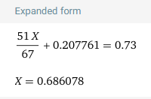
infection |  | 2.00% | S |  |  | is this all 30d data?? |  |  |  | 41
 |  |  |  |  |  |  |  |  | Mechanism
Combo data |  |  |  |  |  |  |  |  | Gunshot | 18
2ndary pat, 30d | 91.50% |  |  |  |  |  |  |  | Motor vehicle | 6
amputation rates | 4.50% |  |  |  |  |  |  |  | Fall | 4
infection | 0.90% |  |  |  |  |  |  |  | Iatrogenic | 11
 |  |  |  |  |  |  |  |  | Industriall/ crush | 2

Topline data in slides:
 | 69 enrolled, 51 had vascular injury to the extremities were primary evaluation group
 | ATEV | historical synth graft??
30 day patency(??) | 90.20% | 81%
amputation rates | 9.80% | 20%
infection rate | 2.00% | 8%

 | FDA interpretation of data
30d data | 54
Primary patency | 36 | 67%
Secondary patency | 39 | 72%
Vascular graft infections | 1 | 2%
Limb salvage | 41 | 76%

up to 3yr data
AEs >3%
Graft thrombosis | 15 | 28%
Pyrexia | 9 | 17%
Pain | 8 | 15%
Anastamotic stenosis | 5 | 9%
Rupture or anastamotic failure | 4 | 7%
Graft infection | 3 | 6%

 | V-017/ NCT05873959
 | retrospective, observational, n=16, retrospective, humanatarian basis, life or limb threatening trauma
 | pts had them btwn June 2022 and May 2023
 | ukraine
 | last update was aug 29, 2024
 | inclusion criteria much less stringent for this group
 | non-iatrogenic
 | mostly blast, less gunshot wounds. She actually admits this is better for outcomes

 | Pimary outcomes:
 |  | rate of adverse events up to 12mths
 |  | primary pat at 30days

 | Secondary outcomes:
 |  | frequency of adverse events of special interest (AESIs), up to 12mths
 |  | time frame when HAV has not been replaced, ligated or removed, up to 12mths
 |  | rate of affected limb salvage/ amputation, up to 12mths
 |  | patency of HAV (primary, secondary, primary assisted), up to 12mths

prim pat, 30d | 93.80%
2ndary pat, 30d | 93.80%
amputations | 0
infections | 0

2020 | Patency of arterial repairs from wartime extremity vascular injuries
 | doi: 10.1136/tsaco-2020-000616
 | https://www.ncbi.nlm.nih.gov/pmc/articles/PMC7768973/

 | reporting long term lower limb salvage rates of 74-82.7% (3,4)
 | early upper extremity amputation rates range 9.3%-12.1% (24, 35)
 | noting issue of not getting patency follow-up data, only amputation
 |  | VA Vascular Injury Study (VAVIS) (37,38), younger possibly fitter cohort
 |  | difference between explosive and gunshots. Gunshots worse
 |  | difference btwn civ and wartime
 |  |  | civ should be better
 | civ studies (32,33)
 | We did not find comparable patency studies in the literature on combat‐related arterial injuries.

 | Initial, short-term placement of prosthetic grafts with subsequent revision to a vein graft was defined as a temporizing procedure, and the patency of the vein graft was reported

2015 | VA Vascular Injury Study (VAVIS)

 | normaly patency is 50-60%, and the increase in patency rates affected by platelet agents/ statis/ yearly duplex ultrasound is no less than 12% (conservatively)
 | The Antiplatelet Trialists’ Collaboration found that antiplatelet therapy was associated with a relative risk reduction of 43% in graft occlusion

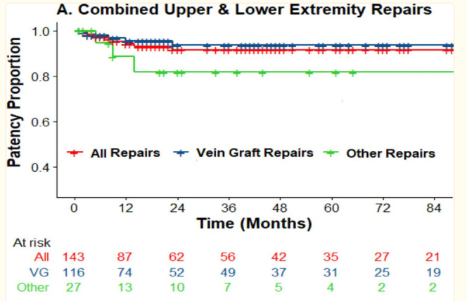
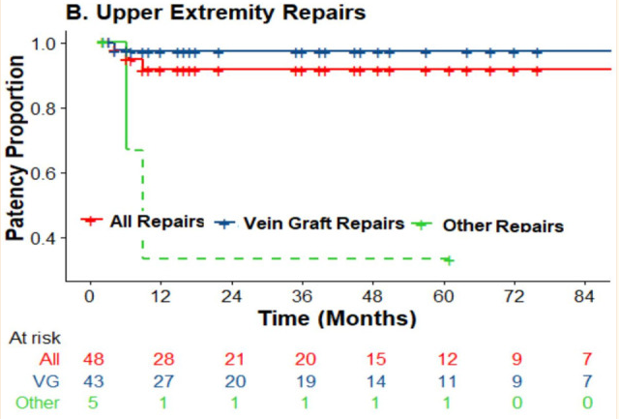
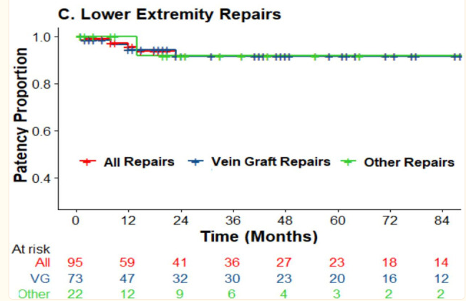

2002 | Limb Trauma with Arterial Injury: Long-term Performance of Venous Interposition Grafts
 | https://sci-hub.se/10.1055/s-2003-38986
 | Saphenous/ cephalic vein
 | n=10, got angiogrpahy
 | 9/10 patent postoperatively
 | mean follow up 59mths, (23-139mths)
 | n=17

DATA FOR SYNTH BENCHMARK

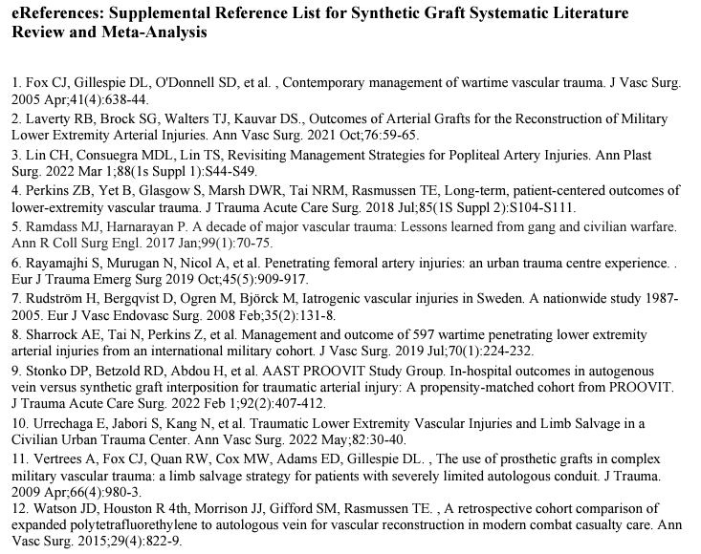

2014 | Ischemia and functional status of the left arm and quality of life after left subclavian artery coverage during stent grafting of thoracic aortic diseases
 | https://www.jvascsurg.org/article/S0741-5214(14)00162-1/fulltext
 | Klocker paper
 | thoracic data. This is not in the patient population

2013 | A Retrospective Cohort Comparison of Expanded Polytetrafluorethylene to Autologous Vein for Vascular Reconstruction in Modern Combat Casualty Care |  |  |  |  |  |  |  |  |  |  |  |  |  |  | 1
 | Watson paper
 | https://doi.org/10.1016/j.avsg.2014.12.026
 | n=49, age~25
 | ISS ~20, MESS ~6

 | AV | ePTFE
n= | 24 | 25
follow up time | 62m | 71m
freedom from graft complications | 65% | 17% | p=0.13
carotid, subclavian, acillary pos | equal | equal | p=0.90 | so only exetremities were different
periphery, 8yr no AEs | 77% | 31% | p=0.044

2009 | The Use of Prosthetic Grafts in Complex Military Vascular Trauma: A Limb Salvage Strategy for Patients With Severely Limited Autologous Conduit |  |  |  |  |  |  |  |  |  |  |  |  |  |  | 2
(wrong yr reported) | Vertrees paper
 | n=14, 95 total pts in cohort but 14 got prosthetic grafts for extremirt bypass for vascular injuries
 | 38mths study
 | they got the graft and were flown home |  |  |  |  |  |  |  | 3 were taken out in <30d
 |  |  |  |  |  |  |  |  | 3 were taken out for thrombosis
blast injury | 6 |  |  | superficial femoral | 8 | L | 57.14% |  | 3 taken out for stenosis
gunshot wound | 6 |  |  | brachial | 3 | U | 21.43% |  | 4 taken out for being exposed, assumed infection
blunt trauma | 2 |  |  | common carotid | 1 | T | 7.14%
 | PTFE graft |  |  | subclavian | 1 | T | 7.14% |  | one yr later 2/9 were left
near term patency | 79% |  |  | axillary | 1 | T | 7.14%
 | then they got a AV graft
 | no deaths or blowouts
 | no patients had amputations
 | 3pts

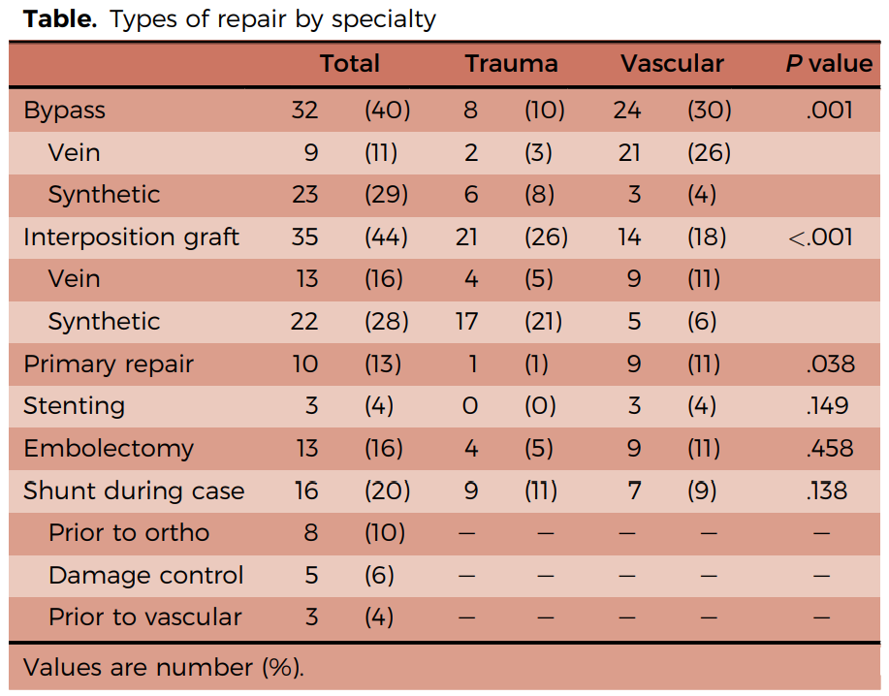
 | Traumatic Lower Extremity Vascular Injuries and Limb Salvage in a Civilian Urban Trauma Center |  |  |  |  |  |  |  |  |  | 3
2021 | Urechagga paper
 | retrospective analysis of lvl 1 trauma center btwn 2013-2020
 | primary objective was to look at limb salvage
 | secondary objective was mortality, mobility and complications
 | n=80
 | mostly short term follow-ups, only about a month or so. No long term data
 | 91% male, 68% penetrating, mISS 13
 | mortality 5%, amputation 10% in survivors
 | we don’t really know how outcomes differ btwn AVG and PTFE. But overall 90% limb salvage

2022 | In-Hospital Outcomes in Autogenous Vein Versus Synthetic Graft Interposition for Traumatic Arterial Injury: A Propensity-Matched Cohort From PROOVIT |  |  |  |  |  |  |  |  |  |  |  |  |  |  | 4
 | Stonko paper
 | Proovit database comparison, headline:
 | Prosthetic conduits work as well as autologous vein for interposition grafts in trauma
 | n=460, 402 SVG, 58 plastic (45 PTFE, 8 Dacron, 5 others)
 | plastic group pts were worse off. Higher ISS, more gunshot wounds, more lactate and transfusion reqs,
 | lower BP, pH, and hemoglobin
 | after propensity matching they had 87 AVGs and 51 PGs
 | endovascular intervention, reoperation, pseudoaneurysm and infection were same
 | no mention of long term outcomes or amputation data

2019 | Management and outcome of 597 wartime penetrating lower extremity arterial injuries from an international military cohort |  |  |  |  |  |  |  |  |  |  |  | 5
 | Sharrock paper, Rasmussen last author
 | The objective of this study was to provide a comprehensive examination of penetrating lower extremity arterial injury and to characterize long-term limb salvage and differences related to mechanisms of injury
 | compared explosion (group 1) and gunshot (group 2)
patients | 568
injuries | 597
 | explosion | gunnshot | total
n | 416 | 181
ISS | 19.5 | 15.2 | 18.19
MESS | 6.27 | 5.07 | 5.91
more blood | yes
more amputation | yes
patency similar in both
5.5yr amputation free | 68% | 89% |  |  |  |  |  |  |  |  |  |  |  | infection |  | Amputation
 |  |  |  |  |  |  |  |  |  |  | Count | Author | Synth ITT | Infection |  | Synth ITT | Amputation
 | mentioned amputations often occur weeks after initial surgery |  |  |  |  |  |  |  |  |  | 1 | Watson 13 | 25 | N/I |  | 25 | N/I
 | again, not really chopping up the data on PTFE vs AVG. this was looking at lower body explosion vs gunshot |  |  |  |  |  |  |  |  |  | 2 | Vertrees 09 | 14 | 4 |  | 14 | 3 | elective
 |  |  |  |  |  |  |  |  |  |  | 3 | Urechagga 21 | 45 | N/I |  | 45 | N/I
2016 | Long-term, patient-centered outcomes of Lower Extremity Vascular Trauma |  |  |  |  |  |  |  | 6 |  | 4 | Stonko 22 | 51 | 3 | assume 5% | 51 | N/I
 | Perkins paper Rasmussen last author |  |  |  |  |  |  |  |  |  | 5 | Sharrock 19 | 21 | 1 |  | 21 | 7 | 3.2% (not dif in two groups)
 | GWOT-VII database |  |  |  |  |  |  |  |  |  | 6 | Perkins 16 | N/I | N/I |  | N/I | N/I | 5&6 same database
 | from JTTR registry |  |  |  |  |  |  |  |  |  | 7 | Rayamaji 18 | 16 | 1 |  | 16 | 1
Topline |  |  |  |  |  |  |  |  |  |  | 8 | Fox 05 | 5 | 5 |  | 5 | 5
ex. injuries, n= | 579 |  |  |  |  |  |  |  |  |  | 9 | Ramdass 16 | 58 | 0 |  | 58 | 3 | 8 total amputations out of 232, not 8 PTFE. This is wrong. | 1
primary amputation | 49 | 8% |  |  |  |  |  |  |  |  | 10 | Lin 22 |  |  |  | 9 | 6 | dacron
salvage surgery | 530 | 92% |  |  |  |  |  |  |  |  | 11 | Laverty 21 | N/I | N/I |  | N/I | N/I
sec amp | 90 | 17% | these are amputations that had a salvage attempted |  |  |  |  |  |  |  | 12 | Rudstrom 08 | iatrogenic injuries |  |  | 84 | 7 | excluded
sec. amp, <30d | 60 |  | better comparator |  |  |  |  |  |  |  |  | total | 165 | 14 | 8.48% | 123 | 25 | 20.33%
sec. amp, >30d | 30
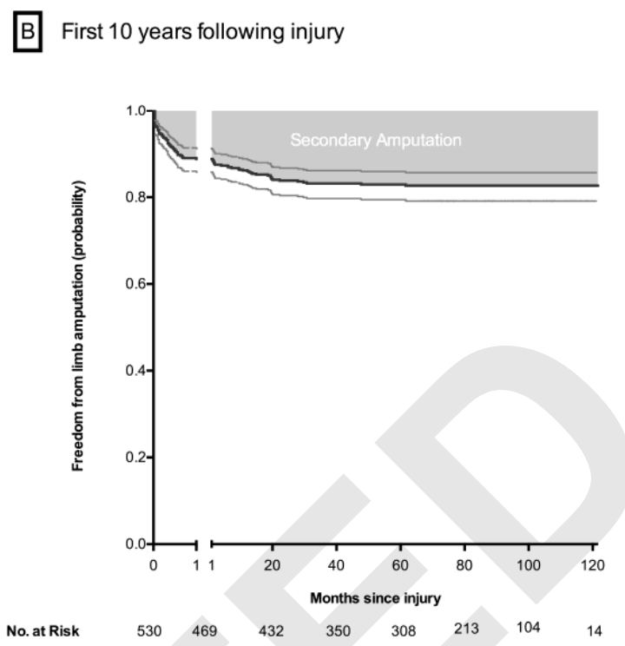
10yr amp. Free | 438 | 83%
deaths | 4 | 0.69% | 3 <24h, 1 2m later
total amp | 139 | 24% | this is their amputation comparator |  |  |  |  |  |  |  |  |  |  | 18M artegraft
 |  |  | this includes primary and secondary amputations |  |  |  |  |  |  |  |  |  |  | $6000 per | 3000

Reasons for amputation
n | 139
necrosis of tissue | 58
rzn for necrosis
before arrival | 14
revasculaized, pre-op | 14
fail vasc, thrombosis | 27
haemorhage | 2
drug AE | 1
 | they note that they get fewer amputations and better results in soldiers than civillians

 | 10 year data
 |  | Overall | Salvage | Pri. Amp | Sec. Amp
 | AVG | 247 | 205 | 8 | 55
 |  |  | 83.00% | 3.24% | 22.27%
 | PG | 21 | 14 | 2 | 5
 |  |  | 66.67% | 9.52% | 23.81%

2018 | Penetrating femoral artery injuries: an urban trauma centre experience |  |  |  |  |  |  | 7
 | Rayamaji paper
 | all femoral injuries at Groote Shurr hospital (Germany), 2002-2012
 | n=158, 81 repairs, 53 AVG, 16 PTFE
primary amp | 4 | 2.53%
sec amp | 10 | 6.33%

 | 16 PTFE grafts |  |  | n=16
 | 1 PTFE amputation, Sec. amp |  |  | 6.25% | PTFE amp rate
 | 1 PTFE sepsis, resolved, graft saved

2005 | Contemporary management of wartime vascular trauma |  |  |  |  |  |  | 8
 | Fox study, single center, Walter Reed Bethesda, MD
 | from Dec 2001 to Mar 2004
soldiers evacd | 3057
battle injuries | 1524
vascular injuries | 107 | study group
explosive wound | 68
gunshot | 27
blunt trauma | 12
repair in theater | 48
prim amp | 21
sec amp, repaired | 8
 | 5 had mangled extremities w infections/ contaminated wounds

 | Fox says 5/5 PTFE grafts failed
 | but also that mISS was about 40, range 16-75 in about a 1/3 of pts he had looked at
 | he didn't report on it, "was looking into that", might be a follow-on study

2016 | A decade of major vascular trauma: Lessons learned from gang and civilian warfare |  |  |  |  |  |  |  | 9
 | Ramdass study, trinidad
 | meta analysis
 | counting 58 PTFE grafts, 8 total amputations, no infections reported
 | going to just count 5 of the 8 as PTFE failures

2022 | Revisiting Management Strategies for Popliteal Artery Injuries |  |  |  |  |  |  | 10
 | Lin study, Taiwan and Phillipines
 | n=45, n=20 AVG, n=9 Dacron
 | looked at Gore-tex (Dacron, not PTFE)
 |  |  |  | 45 |  | need full paper
 |  |  |  | 6 amp w/o vasc |  | 7 repairs worked
 |  |  |  | 0.087640449438 |  | 7amps after initial
 |  |  |  | 0.71111111111
 |  |  |  |  |  | 3 ligation? Guess

2021 | Outcomes of Arterial Grafts for the Reconstruction of Military Lower Extremity Arterial Injuries |  |  |  |  |  |  |  |  | 11
 | Laverty paper, TX/ MD

 | n=222 grafts, 56 w GC, 8 synthetics
 |  | 3 no GC, 5 w GC

 | mention that battlefield results are worse than civ setting due to resources constraints

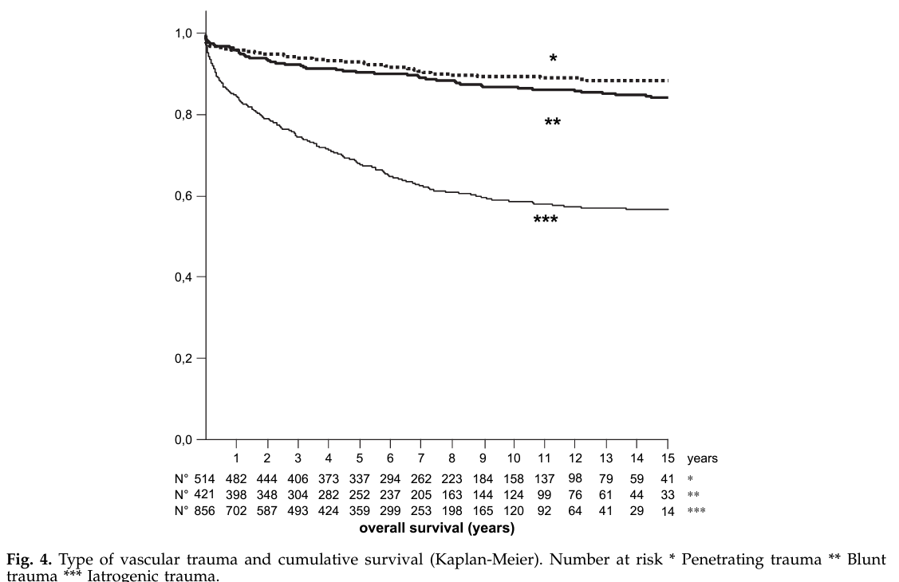
2008 | Iatrogenic Vascular Injuries in Sweden. A Nationwide Study 1987–2005 |  |  |  |  |  |  |  |  | 12
 | Swedish study, Rudstrom
 | inappropriate to include. They excluded iatrogenic injuries from their actual CT
 | iatrogenic OS way lower over time

 |  | vein | synth
 | n | 66 | 84
 | amputation | 6 | 7
 | % | 9.09% | 8.33%
 | occlusion | 5 | 8
 | infection | same | same

Artegraft
2022 | Evaluation Of The Artegraft Conduit For Lower Extremity Revascularization: Retrospective Analysis Of Outcomes WhenUsedInTheSituation Of No Available Autologous Saphenous Vein For Conduit In Lower Extremity Bypass Procedures
 | Shanberg paper |  |  |  |  |  |  | 1
 | retrospective multi-center analysis btwn 2011-2016
 | n=60 pts, n=67 LE bypass
 | 1yr primary patency 62.7% |  |  | 6.0% amputation
 | Limb salvage 1yr 94% |  |  |  |  |  | 0.11666666667
 | during yrs of follow up 7 had aneurysmal degradation |  |  |  |  |  |  |  |  |  |  |  | Sec. Patency, 1yr |  |  | Infection
 |  |  |  |  |  |  |  |  |  |  | Dialysis | N= | BCAG | PTFE | p-value | BCAG | PTFE
2019 | Comparison of Autologous Vein and Bovine Carotid Artery Graft as a Bypass Conduit in Arterial Trauma |  |  |  |  |  |  |  |  | 3 | Katzman 1971 | 100 | 89% |  |  | 5%
 | Reilly paper |  |  |  |  |  |  |  |  | 4 | Harlander 2014 | 17 | 89%
 | n=30, 18 AVG, 12 BCAG |  |  |  |  |  |  |  |  | 5 | Abdoli 2018 | 63 | 74% |  |  | 2%
 | similar co-morbidities |  |  |  |  |  |  |  |  | 6 | Naazie 2022 | 51 | 91.60% |  |  | 4%
 | mean follow up 19+/- 13mths |  |  |  |  |  |  |  |  | 7 | Heindel 2024 | 92 | 91.40% | 75.20% | N/I |  |  | 3yr patency
 | no infections in either group
 |  |  |  |  |  |  |  |  |  | 8 | Aziz 2023 | 74 | 81% | 36.00% | 0.07
Overall outcomes |  |  |  |  |  |  |  |  |  | 9 | Kennealey 2011 | 26 | 81% |  |  | 8% | 10.40%
 | BCAG | AVG | P-value |  |  |  |  |  |  | 10 | Pineada 2017 | 134 | 78%
Prim. Pat. | 78% | 85% | 0.68 |  |  |  |  |  |  | 11 | Arhuidese 2017 | 68 | 67% | 48% | 0.01 | 15.40% | 20.60% | ESRD
Sec. Pat. | 78% | 100% | 0.16 |  |  |  |  |  |  |  | Total | 625 | 82%
Limb Salvage | 82% | 94% | 0.28
Infection | 0% | 0%

LE outcomes
 | BCAG | AVG | pvalue
Prim. Pat. | 50% | 71% | 0.4
Sec. Pat. | 75% | 100% | 0.23
Limb Salvage | 80% | 86% | 0.76

1971 | BOVINE ARTEGRAFT ARTERIOVENOUS FISTULAS FOR HEMODIALYSIS IN ONE-HUNDRED PATIENTS AFTER "CONVENTIONAL" ARTERIOVENOUS FISTULAS FAILED |  |  |  |  |  |  |  |  |  |  |  |  |  |  |  | 3
 | Katzman paper
 | n=100 |  |  |  | incredible!
 | secondary patency 89% at 18mths
 | infection 5%
 | thrombosis 7%

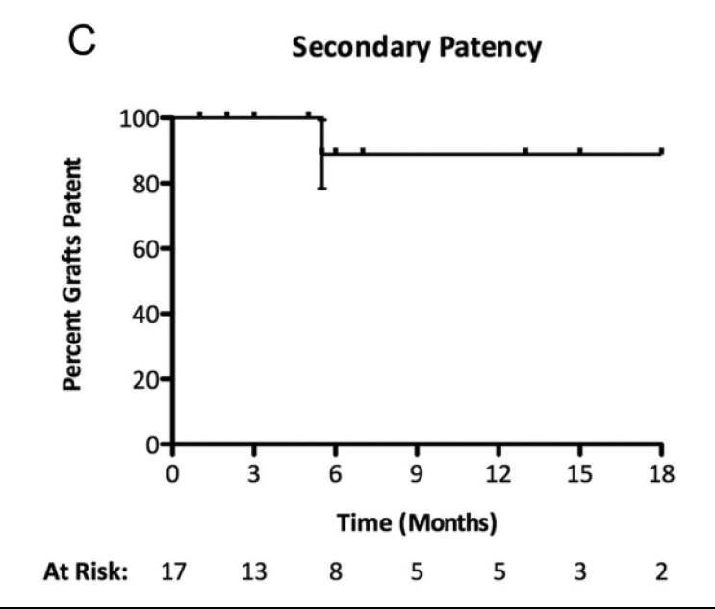
2014 | Bovine Carotid Artery (Artegraft) as a Hemodialysis Access Conduit in Patients Who Are Poor Candidates for Native Arteriovenous Fistulae |  |  |  |  |  |  |  |  |  |  |  |  | 4
 | Harlander-Locke paper
 | n=17 hemodialysis pts btwn Jan 2012 Jun 2013
18m |  |  | cost
prim pat | 73.30% |  | ePTFE | BCAG | Heparin bonded PTFE
prim assist | 67% |  | $614 | $1,059 | $1,233
sec pat | 89%

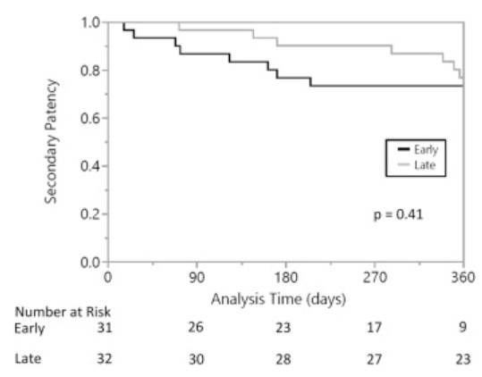
2018 | Early cannulation of bovine carotid artery grafts (Artegraft) after primary vascular access and fistula revision procedures |  |  |  |  |  |  |  |  |  |  |  | 5
 | Abdoli paper
 | n=63 BCAGs
 | secondary patency at 1yr 74%
 | 1 death, 1 infection

2022 | Revision of Aneurysmal Arteriovenous Access with Immediate Use Graft Is Safe and Avoids Prolonged Use of Tunneled Hemodialysis Catheters |  |  |  |  |  |  |  |  |  |  |  |  |  |  | 6
 | Naazie paper
 | n=51
 | artegraft, av access point for dialysis

1yr
prim pat | 54.90%
prim as. Pat | 79.40%
sec pat | 91.60%
infection | 3.90% | n=2

2024 | Comparative effectiveness of bovine carotid artery xenograft and polytetrafluoroethylene in hemodialysis access revision |  |  |  |  |  |  |  |  |  |  |  | 7
 | Heindel paper
 | n=159, BCAG=92, PTFE=67
 | BCAG | PTFE
Loss of sec. pat | 8.60% | 24.80%
Sec Pat | 91.4 | 75.2

2023 | A Retrospective Review of Bovine Artery Graft Patency: A Single-Site Study |  |  |  |  |  |  |  | 8
 | Aziz paper
 | BCAG | PTFE
N= | 74 | 48
sec pat 12m | 81% | 36%
infection | 8.10% | 10.40%

2011 | A prospective, randomized comparison of bovine carotid artery and expanded polytetrafluoroethylene for permanent hemodialysis vascular access |  |  |  |  |  |  |  |  |  |  |  |  |  |  | 9
 | Kennealey paper
 | PTFE vs. BCA in prospective study
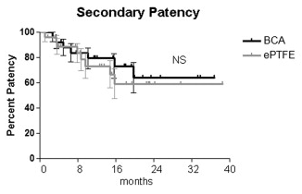
 | n=26 BCA, n=27 PTFE
 | not a lot of long term data

 |  |  |  |  | 2yr
1yr | BCA | PTFE | p value |  | BCA | PTFE
prim. Pat | 60.50% | 10.10% | 0.0062
prim. As. Pat | 60.50% | 20.80% | 0.012
sec. pat | 81% | 73% | NS |  | 64.10% | 59.20%

2017 | Bovine carotid artery xenografts for hemodialysis access |  |  |  |  |  | 10
 | Pineada paper
 | n=134, 126pts all BCAG
1yr |  |  | 2yr
prim pat | 32% |  | 15%
prim as. Pat | 49% |  | 35%
sec pat | 78% |  | 60%
infection | 7% | n=10

2018 | A prospective randomized study of bovine carotid artery biologic graft and expanded polytetrafluoroethylene for permanent hemodialysis access
 | Aridi paper
 | BCA vs PTFE, ESRD pts |  |  | NOT DONE??

1yr | BCA | PTFE
prim pat
prim as. Pat
sec pat
fcn. Pat
infection

2017 | Bovine carotid artery biologic graft outperforms expanded polytetrafluoroethylene for hemodialysis access |  |  |  |  |  |  |  |  |  | 11
 | Arhuidese paper
 | retrospective, BCA (n=68) vs PTFE (n=52), ESRD |  |  |  | 2yr

1yr | BCA | PTFE | pvalue |  | BCA | PTFE
prim pat | 30% | 43% | 0.25 |  | 16% | 29%
prim as. Pat | 36% | 45% | 0.67 |  | 24% | 35%
sec pat | 67% | 48% | 0.01 |  | 67% | 38%
fcn. Pat | 96% | 84%
infection | 15.40% | 20.60%
mortality |  |  |  |  | 8% | 27% | 0.01

 |  |  |  |  |  |  |  |  | Incidence | Unit cost | Total cost
 |  |  |  |  |  |  |  | PTFE | 100 | $1,200 | $120,000
 |  |  |  |  |  |  |  | Amputation | 20 | $90,000 | $1,800,000
 |  |  |  |  |  |  |  |  |  | Total | $1,920,000
 |  |  |  |  |  |  |  | ATEV | 100 | $25,000 | $2,500,000
 |  |  |  |  |  |  |  | Amputation | 10 | $90,000 | $900,000
 |  |  |  |  |  |  |  |  |  | Total | $3,400,000
 |  |  |  |  |  |  |  | Artegraft | 100 | $3,000 | $300,000
 |  |  |  |  |  |  |  | Amputation | 10 | $90,000 | $900,000
 |  |  |  |  |  |  |  |  |  | Total | $1,200,000

Artegraft patent lit
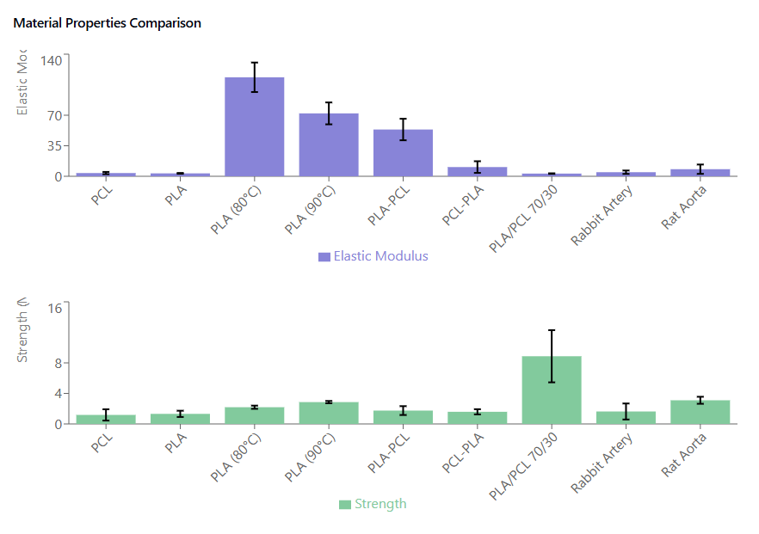
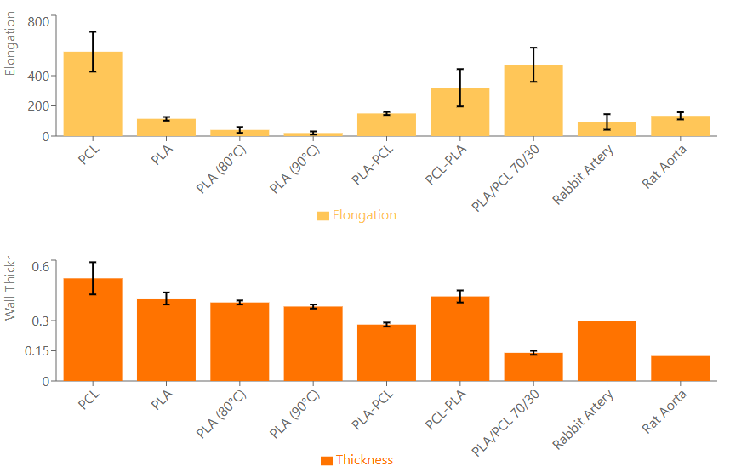
New Russian polymer matrix

https://patents.google.com/patent/RU2808880C1/en?q=(artegraft)&q=(%22artegraft%22)

PAD data
 | V002
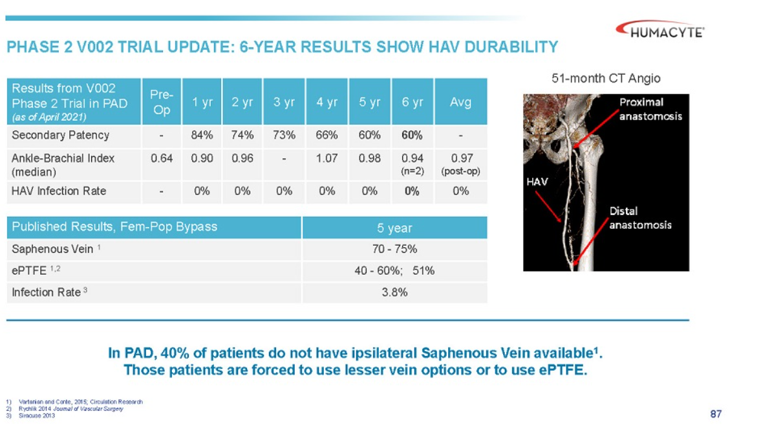

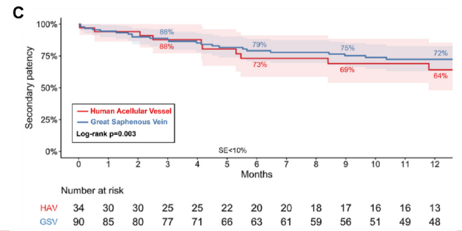

 | V004

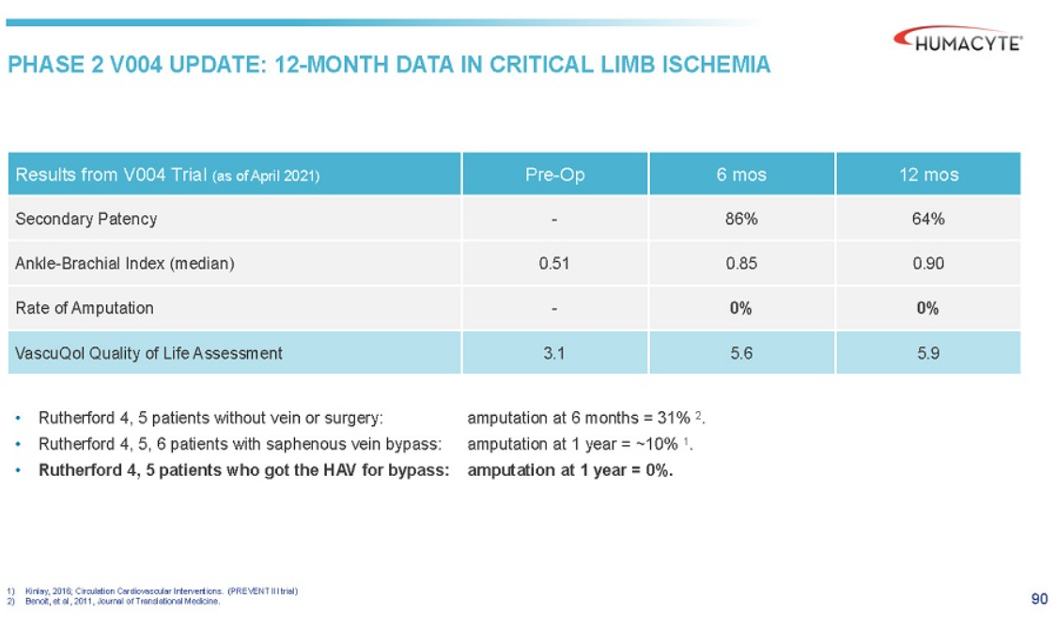

2024 | Comparative outcomes of arterial bypass using the human acellular vessel and great saphenous vein in patients with chronic limb ischemia
 | comparison btwn GSV and HAV in PAD
 | mostly in tibial bypass
 | group 1, n=34, got HAV
 | group 2, historical, multi-center, single-segment GSV, n=88

 | G1 | more smoking, more coronary artery disease (71% v 43%), prior grafting (38% v 14%)
 |  | more wounds, ischemia, foot infections stage 4 (weird stat, 56% v 33%)
 |  | previous leg revascularizations (97% v 53%)
 |  | 85% of pts had to have HAV sewn together
 |  | tibial vessels target of surgery 79% vs 100%

 | G1 | G2

amputation free survival | 73% | 81% | p=0.55
OS | 84% | 88% | p=0.20 |  |  | S
primary pat | 36% | 50% | p=0.044
prim assist pat | 45% | 72% | p=0.002
secondary pat | 64% | 72% | p=0.003

2024 | Outcomes of Arterial Bypass With the Human Acellular Vessel for Chronic Limb-Threatening Ischemia Performed Under the FDA Expanded Access Program
 | limb salvage, limb threatening ischemia, FDA expanded access program
 | n=14, older popln, 12men mAge 62+/- 14yrs

Secondary Patency, 12m |  |  |  |  |  |  | Secondary Patency, 24m
Indication | ATEV | Synth | AVF | AVG | BCAG |  | Indication | ATEV | Synth | AVF | AVG | BCAG
Trauma |  |  |  |  |  |  | Trauma
V005 | 68.90% | N/I |  |  |  |  | V005 | 68.90% | N/I
V017 | 87% | N/I |  |  |  |  | V017 | 87% | N/I
Comp |  |  |  |  | 78% |  | Comp |  |  |  |  | 78%
Hemodialysis |  |  |  |  |  |  | Hemodialysis
V001 | 94% | 56% | 59% |  |  |  | V001 | 79% | 48% | 54%
V006 | 82% | 80% |  |  |  |  | V006 | 67% | 74%
V007 | 68.30% |  | 62.20% |  |  |  | V007 | N/I | N/I
Comp |  |  |  |  | 82% |  | Comp |  |  |  |  | N/I
PAD | 64% |  |  | 72%

