Dialysis data
HUMA
 | v001, v003, v011, v006, fistula published data not h2h

 | V007/NCT03183245
 | ph3, N=242, multi ctr, OL, randomized, HAV/ATEV vs AVF for hemodialysis
 | followed for 24mths and then for up to 5yrs
 | called it humacyl
 | looked at functional patency(?) at 6mths and secondary patency at 12mths co-primary endpts
 | ATEV | AVF
fcn pat, 6m | 81.30% | 66.40%
2nd pat, 12m | 68.30% | 62.20% | p=0.0071 for both |  | p=0.31 alone
 | "patients on ATEV also achieved a significantly longer duration of hemodialysis over the first 12 months, as compared to autogenous fistula (p=0.0162)"
 | more AEs w ATEV compared to AVF
 | primary pat??

 | functional patency

 | V-006/ NCT02644941
 | ph3, N=355, multi ntl, OL, randomized, comparison btwn 1of2 ePTFE and HAV/ATEV in hemodialysis access surgery
 | ePTFE
 | did not meet primary endpt, 2nd pat at 18mths
 | 2nd pat of HAV > ePTFE at 6,12mths but not 18,24mths

2nd pat | HAV | ePTFE
6m | 92% | 87%
12m | 82% | 80%
18m | 73% | 77%
24m | 67% | 74%

 | V011/ NCT04135417
 | n=30, multicenter, OL, single arm, patients w vascular access for dialysis
 | 24mths follow after implantation, visists eveyr 6mths
 | study completion 2022-03-02
 | Poland

 | Six-year outcomes of a phase II study of human-tissue engineered blood vessels for peripheral arterial bypass
 | https://pubmed.ncbi.nlm.nih.gov/36874956/

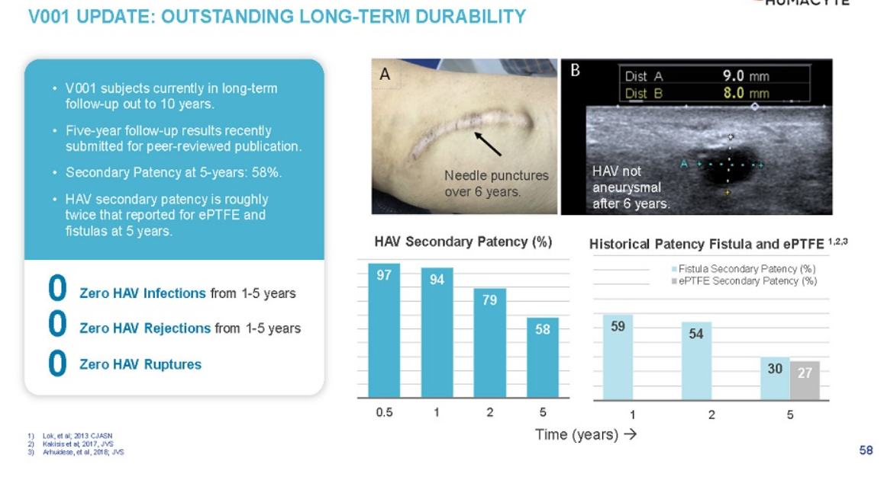
 | V001/ NCT01744418
 | interventional trial, n=40, vascular prosthesis for end-stage renal disease, pilot study
 | study start 11/22/2012
 | completion 12/2024

2018 | Utilization, patency, and complications associated with vascular access for hemodialysis in the United States
 | https://www.jvascsurg.org/article/S0741-5214(18)30403-8/fulltext
 | Meta analysis
 | AVF | prosthetic
N= | 73884 | 16533
maturation rate | 79% | 84%
mTime to maturation | 47d | 29d

 | True historical comparison for hemodyalisys surgery |  |  |  |  |  | Infection rates for AV access
primary pat | AVF | prosthethic |  |  |  |  | AVF | prosthetic | catheter
1yr | 42.7% | 31.5% |  |  |  | %infected p=0.001 | 0.50% | 5.00%
2 | 34.1% | 20.5% |  |  |  | N= | 925 | 2491
3 | 27.7% | 14.1% |  |  |  | aHR severe infection p=0.001 | best | 9.6 | 2.3
4 | 22.8% | 10.8% |  |  |  | severe infections mean they have to remove the graft
5 | 19.9% | 9.3% |  |  |  | all cause mortality p=0.001 | 29.50% | 36.70% | 42.20%

primary assisted | AVF | prosthethic |  |  | pt survival | 1yr | 84.0% | 78.2% | 69.6%
1yr | 53.3% | 39.7% |  |  |  | 2 | 72.3% | 64.4% | 58.8%
2 | 46.8% | 29.3% |  |  |  | 3 | 62.0% | 53.6% | 51.2%
3 | 42.0% | 22.7% |  |  |  | 4 | 53.5% | 44.9% | 45.2%
4 | 37.7% | 18.9% |  |  |  | 5 | 50.0% | 41.2% | 42.9%
5 | 34.9% | 16.3%

2nd pat | AVF | prosthethic
1yr | 59.5% | 56.8%
2 | 54.2% | 48.1%
3 | 50.3% | 41.7%
4 | 46.6% | 37.0%
5 | 43.9% | 33.2%

most patients in study that got AVF had allready used catheter
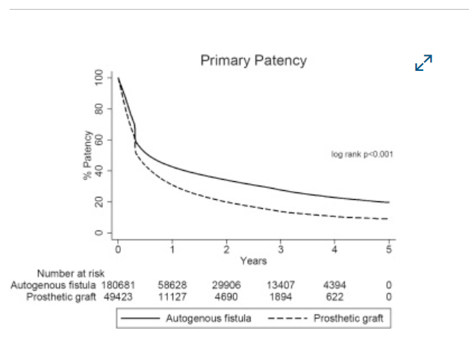

 |  |  |  |  | longer term data shows the difference much more easily in primary pat vs 2nd
 |  |  |  |  | the synth actually touches/ crosses AVF initially at the 4-6mth mark

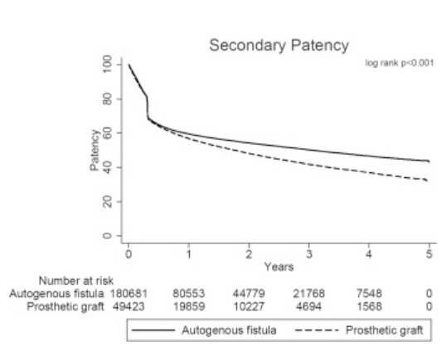
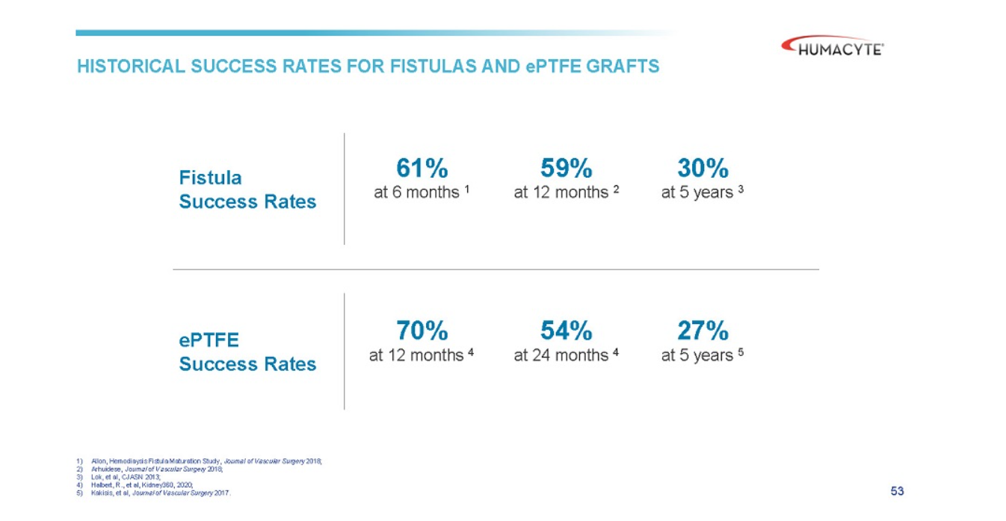
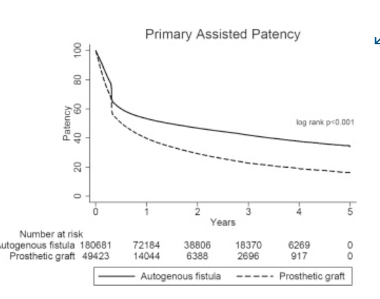

 | Lifeline, Cytograft USA |  | Autologous skin fibroblasts, cell sheets, seeded with vein EC
prim pat1m | 78%
prim pat 6m | 60%

2008 | Hemodialysis Arteriovenous Fistula Patency Revisited: Results of a Prospective, Multicenter Initiative
 | doi: 10.2215/CJN.02950707
 | prospective, multi-center study,standardized defns,

 | n=491 AVFs, n=395pts
 | 6m | 12m | 18m
functional patency | 90% | 88% | 86%
secondary patency | 75% | 70% | 67%

primary fail rate | 40%
thrombosis rate | 0.14/pt yr

2020 | Patency of ePTFE Arteriovenous Graft Placements in Hemodialysis Patients: Systematic Literature Review and Meta-Analysis
 | DOI: 10.34067/KID.0003502020
 | Laura did the review and meta-analysis

 | 6m | 12m | 18m | 24m
Primary | 56% | 41% | 34% | 28%
Primary assisted | 59% | 46% | 39% | 34%
Secondary | 80% | 70% | 59% | 54%

Trauma data
 | BLA submitted in December 2023, priority review granted in Feb 2024, PDUFA Aug 10, 2024

 | approval of the Human Acellular Vessel (HAV) in urgent arterial repair following extremity vascular trauma when synthetic graft is not indicated, and when autologous vein use is not feasible.

 | V005/ NCT03005418
 | ph2/3, n=72, multi ctr, non-randomized, with life or limb threatening vascular trauma |  |  |  |  |  |  | eligibility: Life expectancy of at least 1 year?
 | limb cohort and torso cohort, avg age 39 (18-81)
 |  | limb will include upper and lower body, mostly lower body
 |  | torso is thorax (minus heart), abdomen, and retrooperitineum |  |  |  |  |  | Study regd 2016-12-29
 | implanted as interposition vessel or bypass |  |  |  |  |  |  | Last update: 2023-10-31
 | active study 36mths |  |  |  |  |  |  | study start: 2018-09-01
 | 24mths of enrollment + 36mths follow up |  |  |  |  |  |  | enrollment done: 2020-09-01

 | Primary Outcomes:
 |  | HAV primary patency, 30days
 |  |  | the interval from the time of access placement until any intervention designed to maintain or reestablish patency, access thrombosis or the measurement of patency', i.e., patent without interventions
 |  | freq and severity of A.E.s, 36mths
 | Secondary outcomes:
 |  | limb viability, 36mths
 |  | HAV primary pat, primary asssisted, secondary, 36mths |  |  |  |  |  | originally wanted all these to be 12mths not 36mths
 |  | rate of HAV interventions, 36mths
 |  | patient survival, 36mths |  |  |  |  |  | exclusion:
 |  | HAV remodelling by histopathology of clin explants, 36mths |  |  |  |  |  | 1. Known medical condition which would preclude long term antiplatelet therapy after resolution of acute injuries
 |  | Freq of anastomotic bleeding or spont. Rupture, 36mths
 |  | Freq of HAV infection, 36mths
 |  | Freq of HAV thrombosis, 36mths
 |  | Freq of HAV pseudoaneurysm formation, 36mths
 |  | Freq of HAV aneurysm formation, 36mths
 |  | Freq of HAV hemodynamically sig. stenosis (>70% in duplex ultrasound), 36mths
 |  | Freq of HAV removal, 36mths
Topline data PR, 2023-12-12
n=69, 51 had vascular injury of extremities, evln group |  |  |  |  |  |  |  | From old SEC deck
 |  | HAV | Literature Review Synthetic Graft |  |  |  |  | Location
30day secondary pat |  | 90.20% | 78.90% |  |  |  |  | Lower ex | 29
primary pat (time??) |  | 84.30% | NOT POSSIBLE |  |  |  |  | Upper Ex | 9
amputation rate |  | 9.80% | 24.30% |  |  | explosive vs gunshot wounds ? |  | Torso | 3
infection |  | 2.00% | S |  |  | is this all 30d data?? |  |  | 41
 |  |  |  |  |  |  |  | Mechanism
Combo data |  |  |  |  |  |  |  | Gunshot | 18
2ndary pat, 30d | 91.50% |  |  |  |  |  |  | Motor vehicle | 6
amputation rates | 4.50% |  |  |  |  |  |  | Fall | 4
infection | 0.90% |  |  |  |  |  |  | Iatrogenic | 11
 |  |  |  |  |  |  |  | Industriall/ crush | 2

Topline data in slides:
 | 69 enrolled, 51 had vascular injury to the extremities were primary evaluation group
 | ATEV | historical synth graft??
30 day patency(??) | 90.20% | 81%
amputation rates | 9.80% | 20%
infection rate | 2.00% | 8%

 | V-017/ NCT05873959
 | retrospective, observational, n=16, retrospective, humanatarian basis, life or limb threatening trauma
 | pts had them btwn June 2022 and May 2023
 | ukraine
 | last update was aug 29, 2024
 | inclusion criteria much less stringent for this group
 | non-iatrogenic
 | mostly blast, less gunshot wounds. She actually admits this is better for outcomes

 | Pimary outcomes:
 |  | rate of adverse events up to 12mths
 |  | primary pat at 30days

 | Secondary outcomes:
 |  | frequency of adverse events of special interest (AESIs), up to 12mths
 |  | time frame when HAV has not been replaced, ligated or removed, up to 12mths
 |  | rate of affected limb salvage/ amputation, up to 12mths
 |  | patency of HAV (primary, secondary, primary assisted), up to 12mths

prim pat, 30d | 93.80%
2ndary pat, 30d | 93.80%
amputations | 0
infections | 0

2020 | Patency of arterial repairs from wartime extremity vascular injuries
 | doi: 10.1136/tsaco-2020-000616
 | https://www.ncbi.nlm.nih.gov/pmc/articles/PMC7768973/

 | reporting long term lower limb salvage rates of 74-82.7% (3,4)
 | early upper extremity amputation rates range 9.3%-12.1% (24, 35)
 | noting issue of not getting patency follow-up data, only amputation
 |  | VA Vascular Injury Study (VAVIS) (37,38), younger possibly fitter cohort
 |  | difference between explosive and gunshots. Gunshots worse
 |  | difference btwn civ and wartime
 |  |  | civ should be better
 | civ studies (32,33)
 | We did not find comparable patency studies in the literature on combat‐related arterial injuries.

 | Initial, short-term placement of prosthetic grafts with subsequent revision to a vein graft was defined as a temporizing procedure, and the patency of the vein graft was reported

2015 | VA Vascular Injury Study (VAVIS)

 | normaly patency is 50-60%, and the increase in patency rates affected by platelet agents/ statis/ yearly duplex ultrasound is no less than 12% (conservatively)
 | The Antiplatelet Trialists’ Collaboration found that antiplatelet therapy was associated with a relative risk reduction of 43% in graft occlusion

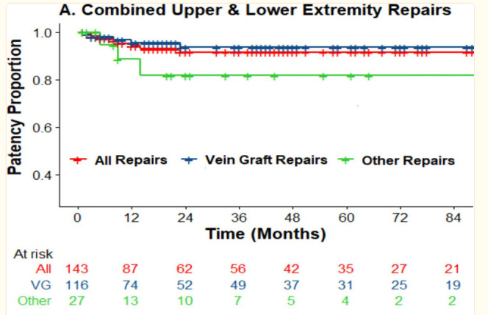
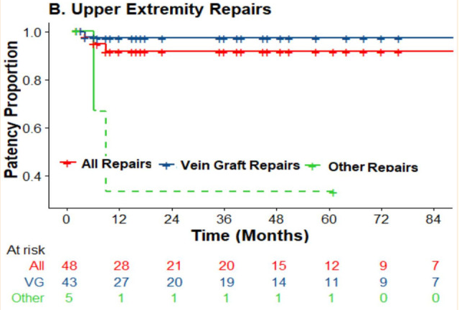
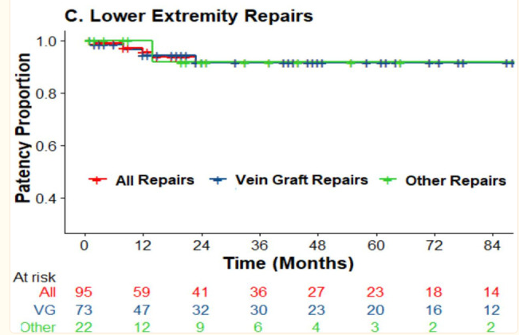

2002 | Limb Trauma with Arterial Injury: Long-term Performance of Venous Interposition Grafts
 | https://sci-hub.se/10.1055/s-2003-38986
 | Saphenous/ cephalic vein
 | n=10, got angiogrpahy
 | 9/10 patent postoperatively
 | mean follow up 59mths, (23-139mths)
 | n=17

DATA FOR SYNTH BENCHMARK

2014 | Ischemia and functional status of the left arm and quality of life after left subclavian artery coverage during stent grafting of thoracic aortic diseases
 | https://www.jvascsurg.org/article/S0741-5214(14)00162-1/fulltext
 | Klocker paper
 | thoracic data. This is not in the patient population

2013 | A Retrospective Cohort Comparison of Expanded Polytetrafluorethylene to Autologous Vein for Vascular Reconstruction in Modern Combat Casualty Care
 | Watson paper
 | https://doi.org/10.1016/j.avsg.2014.12.026
 | n=49, age~25
 | ISS ~20, MESS ~6

 | AV | ePTFE
n= | 24 | 25
follow up time | 62m | 71m
freedom from graft complications | 65% | 17% | p=0.13
carotid, subclavian, acillary pos | equal | equal | p=0.90 | so only exetremities were different
periphery, 8yr no AEs | 77% | 31% | p=0.044

2009 | The Use of Prosthetic Grafts in Complex Military Vascular Trauma: A Limb Salvage Strategy for Patients With Severely Limited Autologous Conduit
(wrong yr reported) | Vertrees paper
 | n=14, 95 total pts in cohort but 14 got prosthetic grafts for extremirt bypass for vascular injuries

blast injury | 6 |  |  | superficial femoral | 8 | L | 57.14%
gunshot wound | 6 |  |  | brachial | 3 | U | 21.43%
blunt trauma | 2 |  |  | common carotid | 1 | T | 7.14%
 | PTFE graft |  |  | subclavian | 1 | T | 7.14%
near term patency | 79% |  |  | axillary | 1 | T | 7.14%
 | then they got a AV graft
 | no deaths or blowouts
 | no patients had amputations
 | 3pts

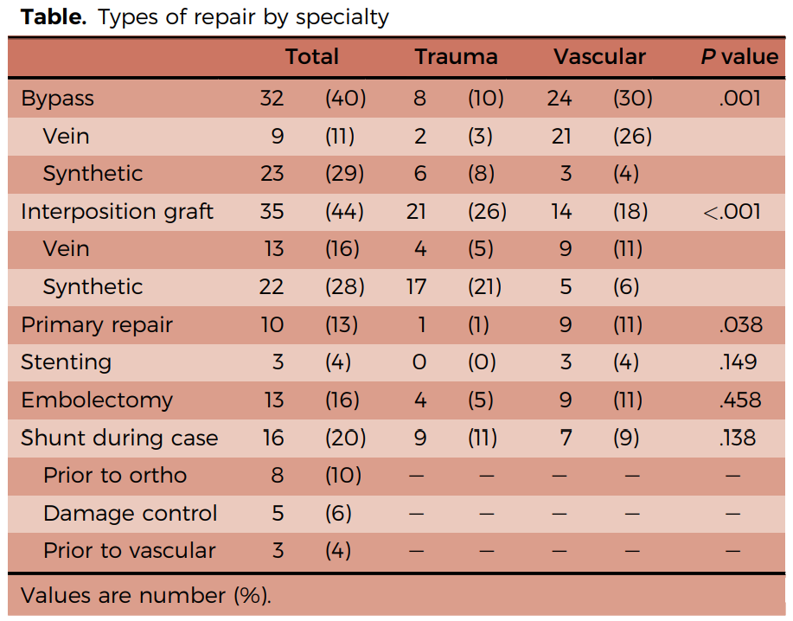
 | Traumatic Lower Extremity Vascular Injuries and Limb Salvage in a Civilian Urban Trauma Center
2021 | Urechagga paper
 | retrospective analysis of lvl 1 trauma center btwn 2013-2020
 | primary objective was to look at limb salvage
 | secondary objective was mortality, mobility and complications
 | n=80
 | mostly short term follow-ups, only about a month or so. No long term data
 | 91% male, 68% penetrating, mISS 13
 | mortality 5%, amputation 10% in survivors
 | we don’t really know how outcomes differ btwn AVG and PTFE. But overall 90% limb salvage

2022 | In-Hospital Outcomes in Autogenous Vein Versus Synthetic Graft Interposition for Traumatic Arterial Injury: A Propensity-Matched Cohort From PROOVIT
 | Stonko paper
 | Proovit database comparison, headline:
 | Prosthetic conduits work as well as autologous vein for interposition grafts in trauma
 | n=460, 402 SVG, 58 plastic (45 PTFE, 8 Dacron, 5 others)
 | plastic group pts were worse off. Higher ISS, more gunshot wounds, more lactate and transfusion reqs,
 | lower BP, pH, and hemoglobin
 | after propensity matching they had 87 AVGs and 51 PGs
 | endovascular intervention, reoperation, pseudoaneurysm and infection were same
 | no mention of long term outcomes or amputation data

2019 | Management and outcome of 597 wartime penetrating lower extremity arterial injuries from an international military cohort
 | Sharrock paper, Rasmussen last author
 | The objective of this study was to provide a comprehensive examination of penetrating lower extremity arterial injury and to characterize long-term limb salvage and differences related to mechanisms of injury
 | compared explosion (group 1) and gunshot (group 2)
patients | 568
injuries | 597
 | explosion | gunnshot
n | 416 | 181
ISS
MESS
more blood | yes
more amputatin | yes
patency similar in both
5.5yr amputation free | 68% | 89%

 | mentioned amputations often occur weeks after initial surgery
 | again, not really chopping up the data on PTFE vs AVG. this was looking at lower body explosion vs gunshot

2016 | Long-term, patient-centered outcomes of Lower Extremity Vascular Trauma
 | Perkins paper Rasmussen last author
 | GWOT-VII database
 | from JTTR registry
Topline
ex. injuries, n= | 579
primary amputation | 49 | 8%
salvage surgery | 530 | 92%
sec amp | 90 | 17% | these are amputations that had a salvage attempted
sec. amp, <30d | 60 |  | better comparator
sec. amp, >30d | 30
10yr amp. Free | 438 | 83%
deaths | 4 | 0.69% | 3 <24h, 1 2m later
total amp | 139 | 24% | this is their amputation comparator
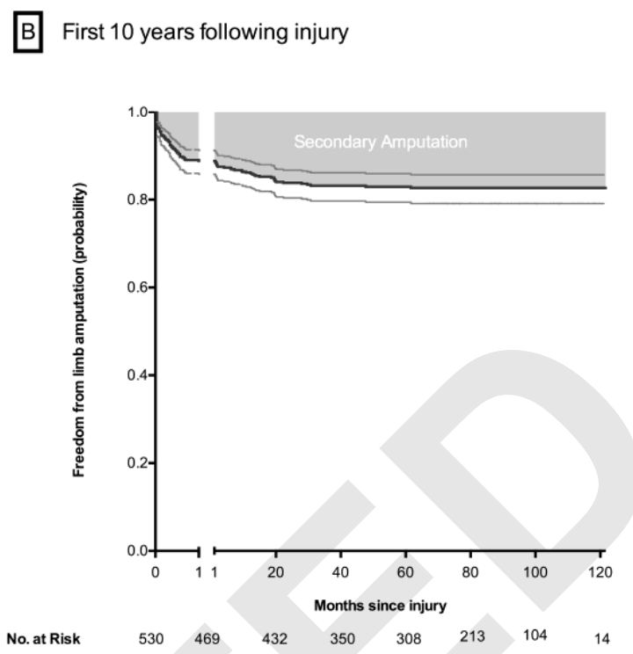
 |  |  | this includes primary and secondary amputations

Reasons for amputation
n | 139
necrosis of tissue | 58
rzn for necrosis
before arrival | 14
revasculaized, pre-op | 14
fail vasc, thrombosis | 27
haemorhage | 2
drug AE | 1
 | they note that they get fewer amputations and better results in soldiers than civillians

 | 10 year data
 |  | Overall | Salvage | Pri. Amp | Sec. Amp
 | AVG | 247 | 205 | 8 | 55
 |  |  | 83.00% | 3.24% | 22.27%
 | PG | 21 | 14 | 2 | 5
 |  |  | 66.67% | 9.52% | 23.81%

2018 | Penetrating femoral artery injuries: an urban trauma centre experience
 | Rayamaji paper
 | all femoral injuries at Groote Shurr hospital (Germany), 2002-2012
 | n=158, 81 repairs, 53 AVG, 16 PTFE
primary amp | 4 | 2.53%
sec amp | 10 | 6.33%

 | 16 PTFE grafts |  |  | n=16
 | 1 PTFE amputation, Sec. amp |  |  | 6.25% | PTFE amp rate
 | 1 PTFE sepsis, resolved, graft saved

2005 | Contemporary management of wartime vascular trauma
 | Fox study, single center, Walter Reed Bethesda, MD
 | from Dec 2001 to Mar 2004
soldiers evacd | 3057
battle injuries | 1524
vascular injuries | 107 | study group
explosive wound | 68
gunshot | 27
blunt trauma | 12
repair in theater | 48
prim amp | 21
sec amp, repaired | 8
 | 5 had mangled extremities w infections/ contaminated wounds

 | Fox says 5/5 PTFE grafts failed
 | but also that mISS was about 40, range 16-75 in about a 1/3 of pts he had looked at
 | he didn't report on it, "was looking into that", might be a follow-on study

PAD data
 | V002
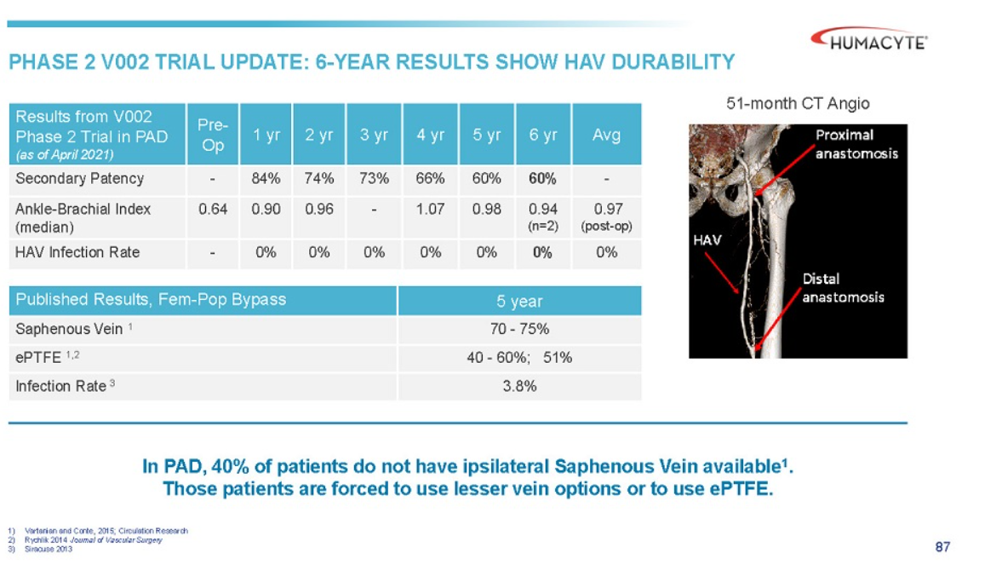

 | V004

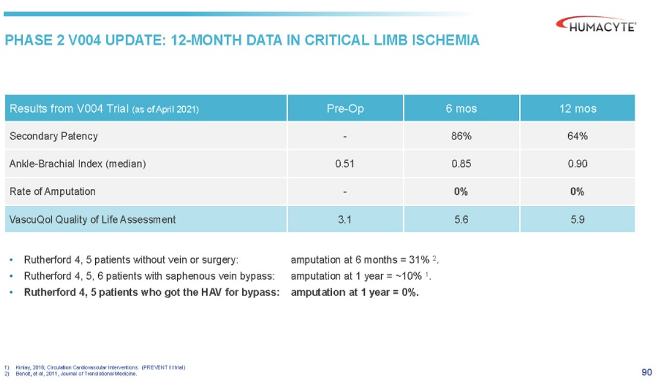

2024 | Comparative outcomes of arterial bypass using the human acellular vessel and great saphenous vein in patients with chronic limb ischemia
 | comparison btwn GSV and HAV in PAD
 | mostly in tibial bypass
 | group 1, n=34, got HAV
 | group 2, historical, multi-center, single-segment GSV, n=88

 | G1 | more smoking, more coronary artery disease (71% v 43%), prior grafting (38% v 14%)
 |  | more wounds, ischemia, foot infections stage 4 (weird stat, 56% v 33%)
 |  | previous leg revascularizations (97% v 53%)
 |  | 85% of pts had to have HAV sewn together
 |  | tibial vessels target of surgery 79% vs 100%

 | G1 | G2
mOperative time | 364mins | 464mins
amputation free survival | 73% | 81% | p=0.55
OS | 84% | 88% | p=0.20 | S
primary pat | 36% | 50% | p=0.44
prim assist pat | 45% | 72% | p=0.002
secondary pat | 64% | 72% | p=0.003

2024 | Outcomes of Arterial Bypass With the Human Acellular Vessel for Chronic Limb-Threatening Ischemia Performed Under the FDA Expanded Access Program
 | limb salvage, limb threatening ischemia, FDA expanded access program
 | n=14, older popln, 12men mAge 62+/- 14yrs

