Dialysis data
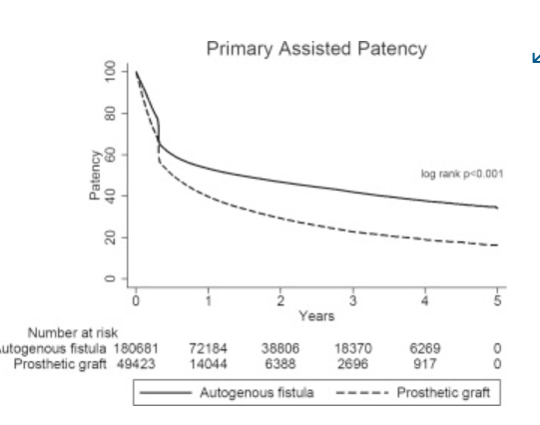
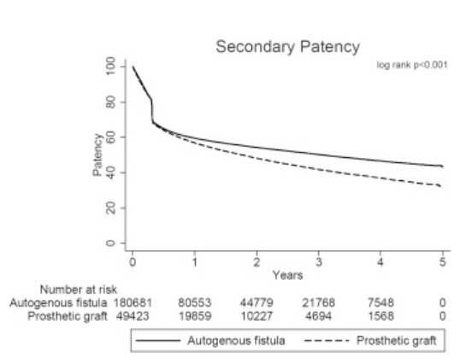
HUMA
 | v001, v003, v011, v006, fistula published data not h2h

 | V007/NCT03183245
 | ph3, N=242, multi ctr, OL, randomized, HAV/ATEV vs AVF for hemodialysis
 | followed for 24mths and then for up to 5yrs
 | called it humacyl
 | looked at functional patency(?) at 6mths and secondary patency at 12mths co-primary endpts
 | ATEV | AVF
fcn pat, 6m | 81.30% | 66.40%
2nd pat, 12m | 68.30% | 62.20% | p=0.0071 for both | p=0.389 alone
 | "patients on ATEV also achieved a significantly longer duration of hemodialysis over the first 12 months, as compared to autogenous fistula (p=0.0162)"
 | more AEs w ATEV compared to AVF
 | primary pat??

 | V-006/ NCT02644941
 | ph3, N=355, multi ntl, OL, randomized, comparison btwn 1of2 ePTFE and HAV/ATEV in hemodialysis access surgery
 | ePTFE
 | did not meet primary endpt, 2nd pat at 18mths
 | 2nd pat of HAV > ePTFE at 6,12mths but not 18,24mths

 | V011/ NCT04135417
 | n=30, multicenter, OL, single arm, patients w vascular access for dialysis
 | 24mths follow after implantation, visists eveyr 6mths
 | study completion 2022-03-02
 | Poland

 | V001/ NCT01744418
 | interventional trial, n=40, vascular prosthesis for end-stage renal disease, pilot study
 | study start 11/22/2012
 | completion 12/2024

2018 | Utilization, patency, and complications associated with vascular access for hemodialysis in the United States
 | https://www.jvascsurg.org/article/S0741-5214(18)30403-8/fulltext
 | Meta analysis
 | AVF | prosthetic
N= | 73884 | 16533
maturation rate | 79% | 84%
mTime to maturation | 47d | 29d

 | True historical comparison for hemodyalisys surgery |  |  |  |  | Infection rates for AV access
primary pat | AVF | prosthethic |  |  |  | AVF | prosthetic | catheter
1yr | 42.7% | 31.5% |  |  | %infected p=0.001 | 0.50% | 5.00%
2 | 34.1% | 20.5% |  |  | N= | 925 | 2491
3 | 27.7% | 14.1% |  |  | aHR severe infection p=0.001 | best | 9.6 | 2.3
4 | 22.8% | 10.8% |  |  | severe infections mean they have to remove the graft
5 | 19.9% | 9.3% |  |  | all cause mortality p=0.001 | 29.50% | 36.70% | 42.20%

primary assisted | AVF | prosthethic |  | pt survival | 1yr | 84.0% | 78.2% | 69.6%
1yr | 53.3% | 39.7% |  |  | 2 | 72.3% | 64.4% | 58.8%
2 | 46.8% | 29.3% |  |  | 3 | 62.0% | 53.6% | 51.2%
3 | 42.0% | 22.7% |  |  | 4 | 53.5% | 44.9% | 45.2%
4 | 37.7% | 18.9% |  |  | 5 | 50.0% | 41.2% | 42.9%
5 | 34.9% | 16.3%

2nd pat | AVF | prosthethic
1yr | 59.5% | 56.8%
2 | 54.2% | 48.1%
3 | 50.3% | 41.7%
4 | 46.6% | 37.0%
5 | 43.9% | 33.2%

most patients in study that got AVF had allready used catheter
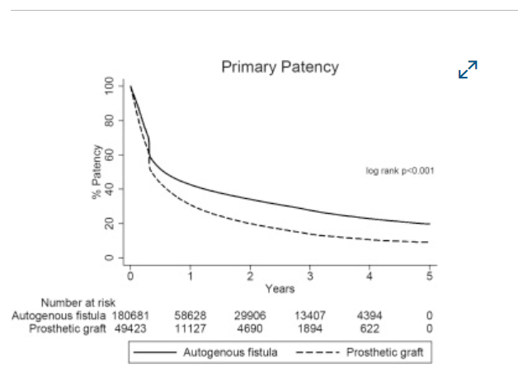

 |  |  |  | longer term data shows the difference much more easily in primary pat vs 2nd
 |  |  |  | the synth actually touches/ crosses AVF initially at the 4-6mth mark

