Clim_Seasonal_trends
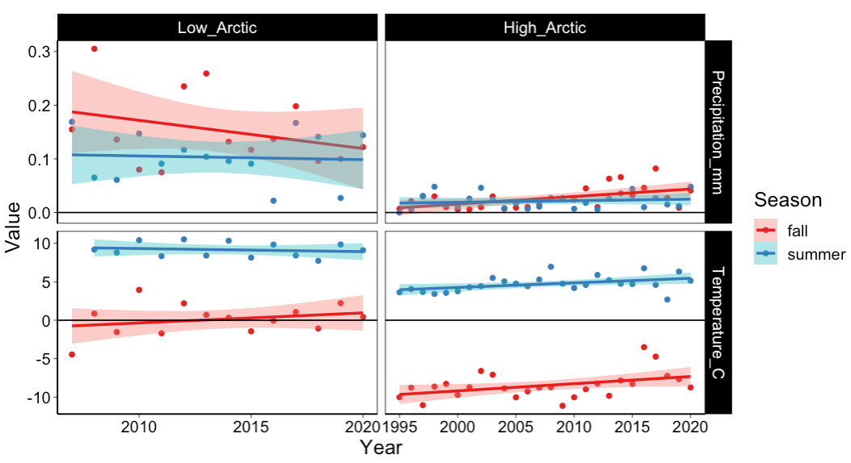
 | Estimate | std.error | t | p
a) High Arctic
Precipitation
(Intercept) | -1.67 | 0.615 | -2.72 | 0.009
Year:Season_fall | 0.001 | 0.0003 | 2.76 | 0.008
Year:Season_summer | 0.001 | 0.0003 | 2.75 | 0.008
Temperature
(Intercept) | -155.5 | 47.9 | -3.25 | 0.002
Year:Season_fall | 0.073 | 0.024 | 3.07 | 0.003
Year:Season_summer | 0.08 | 0.024 | 3.35 | 0.001
b) Low Arctic
Precipitation
(Intercept) | 6.11 | 5.65 | 1.08 | 0.3
Year:Season_fall | -0.003 | 0.003 | -1.06 | 0.3
Year:Season_summer | -0.003 | 0.003 | -1.06 | 0.3
Temperature
(Intercept) | -105.43 | 193 | -0.635 | 0.5
Year:Season_fall | 0.052 | 0.082 | 0.640 | 0.5
Year:Season_summer | 0.057 | 0.082 | 0.695 | 0.5

Snow_melt
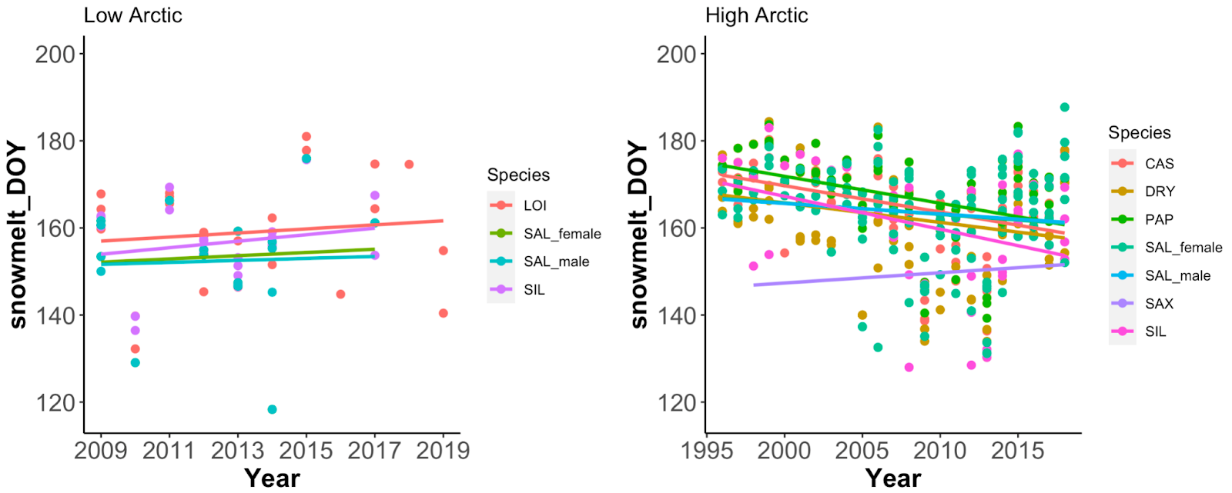
 | Estimate | std.error | t | p
a) High Arctic
Year:Species_CAS | -0.603 | 0.141 | -4.28 | <0.001
Year:Species_DRY | -0.447 | 0.182 | -2.45 | 0.01
Year:Species_PAP | -0.619 | 0.147 | -4.21 | <0.001
Year:Species_SAL_female | -0.260 | 0.177 | -1.47 | 0.1
Year:Species_SAL_male | -0.240 | 0.179 | -1.34 | 0.1
Year:Species_SAX | 0.235 | 0.476 | 0.493 | 0.6
Year:Species_SIL | -0.755 | 0.309 | -2.44 | 0.01
b) Low Arctic
Year:Species_LOI | 0.466 | 0.875 | 0.544 | 0.592
Year:Species_SAL_female | 0.369 | 1.65 | 0.224 | 0.826
Year:Species_SAL_male | 0.230 | 1.39 | 0.165 | 0.871
Year:Species_SIL | 0.747 | 0.859 | 0.869 | 0.395

