Cover


HUMAN CAPITAL INDEX 2020

The Human Capital Project: Overall Context
Investments in human capital are central to development, delivering substantial economic benefits in the long term. However, the benefits of these investments often take time to materialize and their benefits to society are not always visible, leading to underinvestment in human capital. In 2018, the World Bank launched the Human Capital Project (HCP) — a program of advocacy, measurement, and analytical work to raise awareness and increase demand for interventions to build human capital. The HCP has three components: (i) a cross-country metric—the Human Capital Index (HCI), (ii) a program of measurement and research to inform policy action, and (iii) a program of support for country strategies to accelerate investment in human capital. This Excel document features the first component of the HCP: the Human Capital Index. It provides the most recently-available data at the country level as of March 2020 for each of the components of the Human Capital Index as well as for the overall index. As such, the HCI 2020 is calculated as a pre-COVID-19 baseline. In addition, where data availability permits, it provides the HCI and its components circa 2010 to enable analysis of trends over the past decade. Finally, it reports the back-calculated HCI for 2018, which reflects new vintages and updates for data up to 2018 and is the appropriate benchmark for short-term comparisons. The "Methodology" tab describes in more detail the different components of the index and its unit of measurement.

For more information on the Human Capital Project, please visit www.worldbank.org/humancapitalproject.

Contents
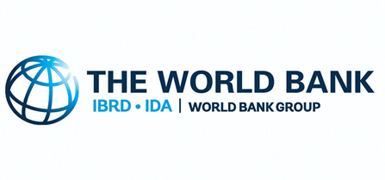
Human Capital Index (2020) and Components

Date file created: | September 2020
Country: | Mozambique

 | Contents (click on hyperlink to get to specific sheet)
 | Methodology
 | HCI 2020 Summary Table
 | Comparison Over a Decade
 | Graphs
 | Regional and Income Group Benchmarks
 | Probability of Survival to Age 5
 | Expected Years of School
 | Harmonized Test Scores
 | Adult Survival
 | Fraction of Children under 5 not stunted
 | Enrollment Details
 | HCI 2020 and HCI 2018 (original and back-calculated)

Summary Table

 | Human Capital Index (2020) and Components: Summary Table
 | Database: | HCI September 2020 Vintage
 | Country: | Mozambique

Indicator | Most Recent Estimate |  |  | Year of Most Recent Estimate |  |  | Source
 | Male + Female | Male Only | Female Only | Male + Female | Male Only | Female Only
HCI Component 1: Survival
Probability of Survival to Age 5 | 0.927 | 0.922 | 0.932 | 2018 | 2018 | 2018 | UN Interagency Group for Child Mortality Estimates
HCI Component 2: School
Expected Years of School | 7.6 |  |  | 2018 |  |  | World Bank Staff Estimates
Harmonized Test Scores | 368 | 365 | 371 | 2007 | 2007 | 2007 | Patrinos and Angrist (2018), 2020 Update
HCI Component 3: Health
Survival Rate from Age 15-60 | 0.681 | 0.617 | 0.737 | 2019 | 2019 | 2019 | UN Population Division, Interpolated
Fraction of Children Under 5 Not Stunted | 0.577 | 0.532 | 0.620 | 2015 | 2015 | 2015 | UNICEF-WHO-WB Joint Malnutrition Estimates
Human Capital Index (HCI) 2020 | 0.36 |  |  |  |  |  | World Bank Staff Estimates
Uncertainty Interval | [0.34,0.38] |  |  |  |  |  | World Bank Staff Estimates

Human Capital Index and Components: Summary Table
Note: This table reports the Human Capital Index (HCI) and its components for the year 2020. “Most Recent Estimate” reports the most recently-available observation for each component, going back up to 10 years to fill in missing observations. “Year of Most Recent Estimate” indicates the year from which the most recent observation is taken. Empty cells indicate missing data. • Probability of Survival measures the probability of surviving to age 5. • Expected Years of School measures the number of years of school a child progressing through the current pattern of enrollment rates can expect to obtain by the age of 18, up to a maximum of 14 years. • Harmonized Test Scores measure performance on international testing programs that have been converted into common units with a mean of 500 and a standard deviation of 100 across students. • Adult Survival Rates measure the probability of surviving from age 15 to age 60. • Fraction of Children not Stunted measures the fraction of children under 5 who are not two standard deviations or more below the normal height-for-age (i.e. 1-stunting rate). The last row reports the overall HCI score. The HCI combines the components above into a measure of productivity as a future worker of a child born today, relative to the benchmark of complete education and full health. The index ranges from zero to one, and a value of X means that a worker of the next generation will be only X×100 percent as she would be under the benchmark of complete education and full health. The uncertainty intervals reflect the imprecision in the components and the overall index. They are obtained by recalculating the HCI using estimates of the lower and upper bounds of each of the components of the HCI, that reflect the measurement error in the components. While the uncertainty intervals constructed here do not have a rigorous statistical interpretation, a rule of thumb is that if for two countries they overlap substantially, the differ

Graphs
Human Capital Index (2020) and Components: Graphs
Database: | HCI September 2020 Vintage
Country: | Mozambique

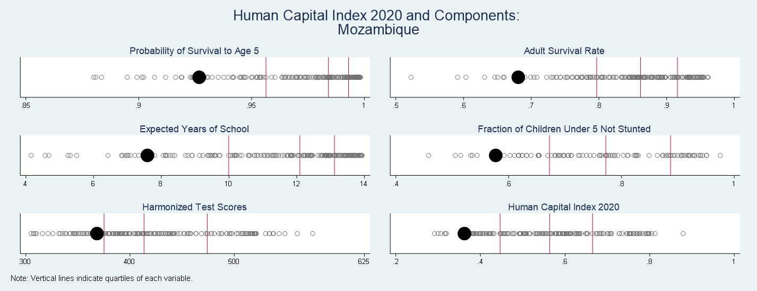

Human Capital Index and Components: Distribution between Countries
Note: The graphs above shows the distribution of the 5 components of the Human Capital Index as well as the distribution of the overall Human Capital Index 2020 based on the latest data available. The red vertical lines indicate the quartiles of each variable. The black marker shows where the country is located in the distribution of the data for all countries, as indicated by the grey circles.

Human Capital Index and Components plotted against GDP Per Capita

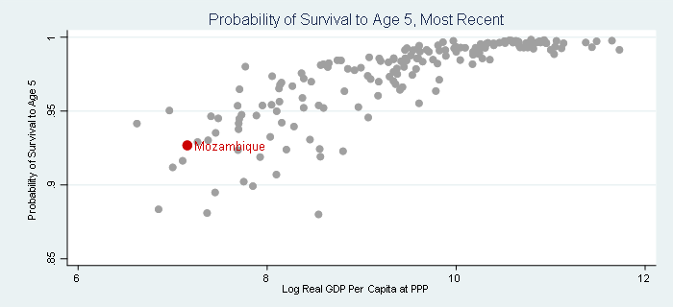
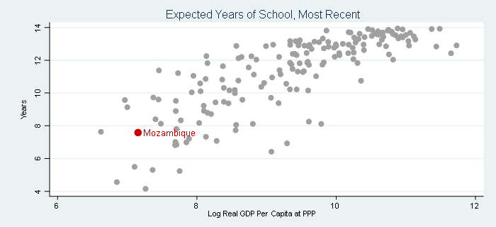

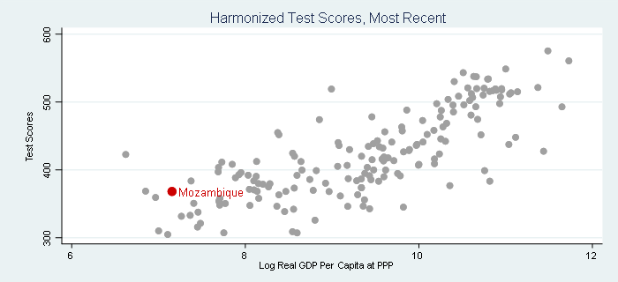
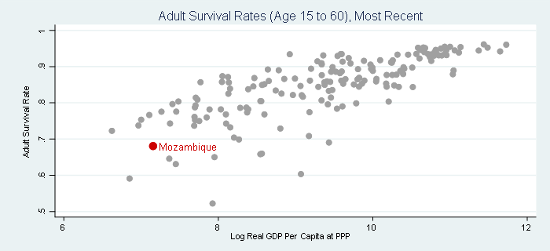

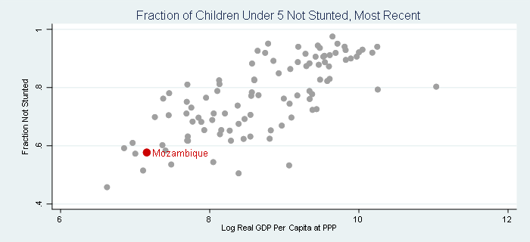
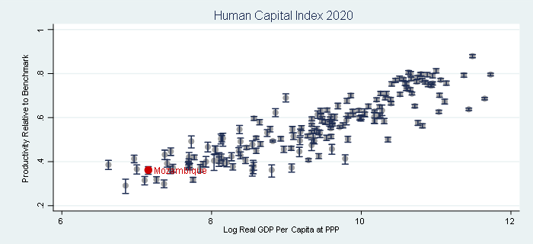

Human Capital Index and Components plotted against GDP
Note: The graphs above plot the Human Capital Index (2020) and its components (on the vertical axis) against the logarithm of real GDP per capita (on the horizontal axis). Real GDP per capita adjusted for differences in purchasing power parity is taken from the Penn World Tables (Feenstra et. al. (2015)), with missing countries filled using data from World Bank estimates of GDP at PPP. The graphs show cross-sections of the most recently-available data. The graph for the overall HCI reports uncertainty intervals as vertical lines around the estimated HCI for each country.

Human Capital Index and Components: 2020 plotted against 2010

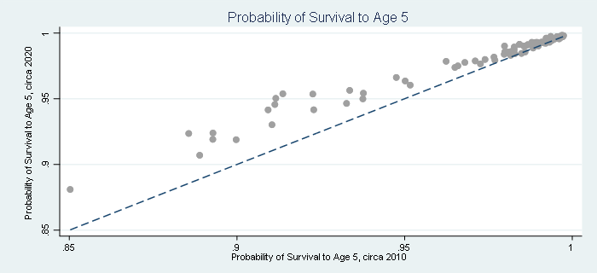
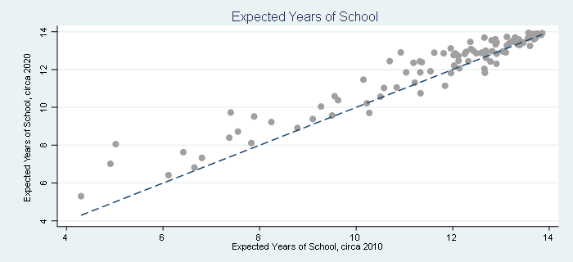

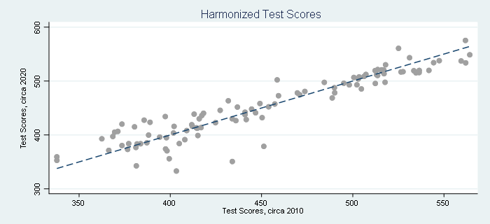
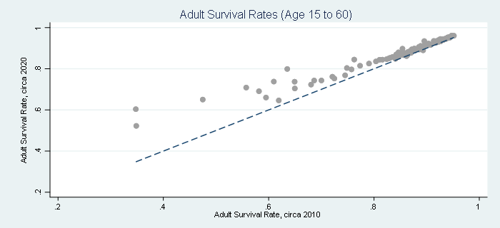

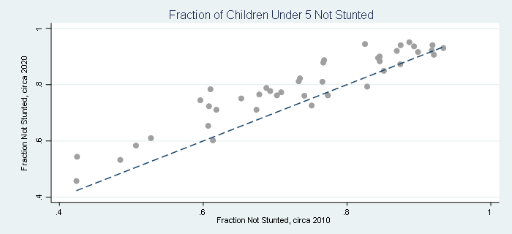
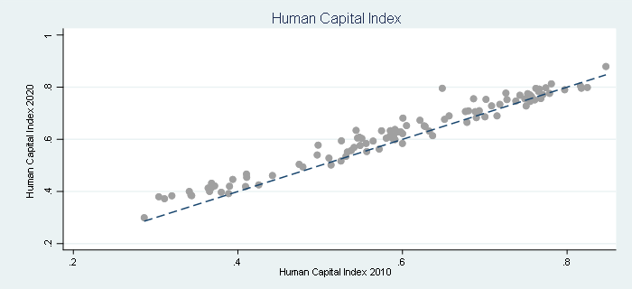

Human Capital Index and Components: 2020 plotted against 2010
Note: The graphs above plot the Human Capital Index 2020 and its components (on the vertical axis) against the Human Capital Index 2010 and its components (on the horizontal axis). The dashed line indicates the 45-degree line. Points above (below) this line correspond to an increase (decrease) in the 2020 value over the 2010 value.

Graphs_HCCI
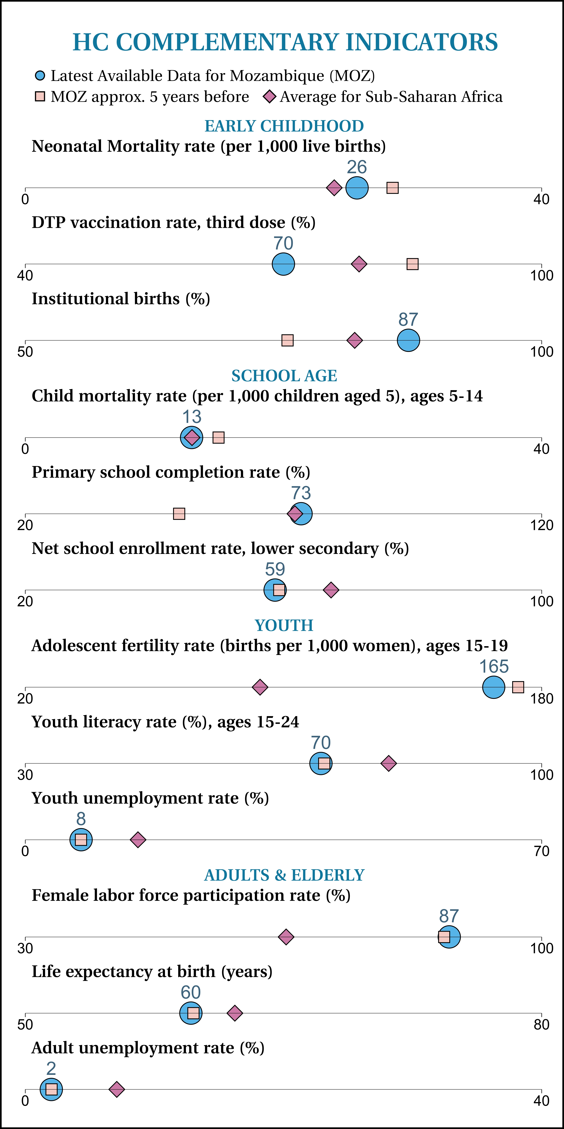
Human Capital Complementary Indicators (HCCI): Graphs

