SET1A5
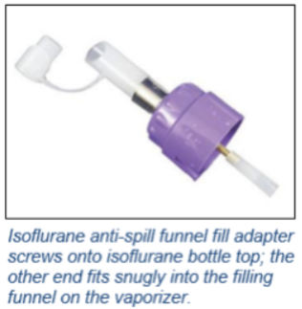
 | MODULE 1, SUB-MODULE 1A

item | WHO item code | WHO item description | UoM | Quantity (unit)
 | KMEDTESM1ADG-A1 | (TESK 2019 module 1A) SET, DRUGS, DANGEROUS GOODS | 1 Set
1 |  | HALOTHANE, 250ml, btl. |  | 2

 |  | due to discontinuation of Halothane
 |  | CHANGED FOR

 | SET1A5 | KMEDTESM1ADG-A1 (TESK 2019 module 1A) SET, DRUGS, DANGEROUS GOODS

item | WHO item code | WHO item description | UoM | Quantity (unit)
 | KMEDTESM1ADG-A1 | (TESK 2019 module 1A) SET, DRUGS, DANGEROUS GOODS | 1 Set
1 |  | ISOFLURANE 100ml | 100ml | 6
2 |  | Funnel fill adaptor | unit | 1

