general information
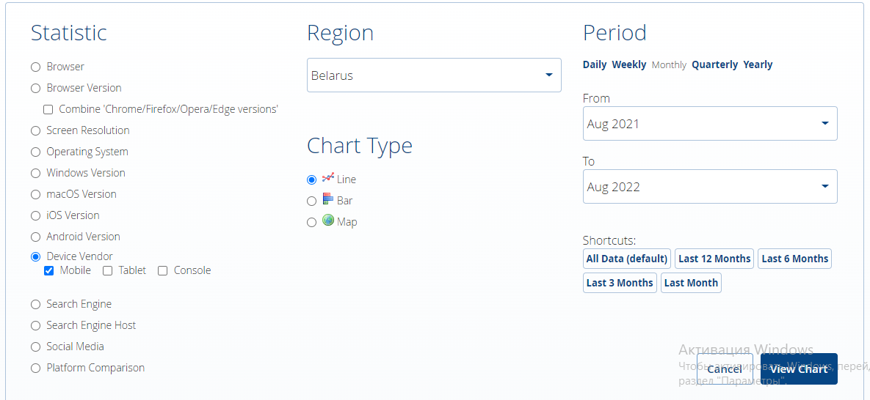

info(mob)
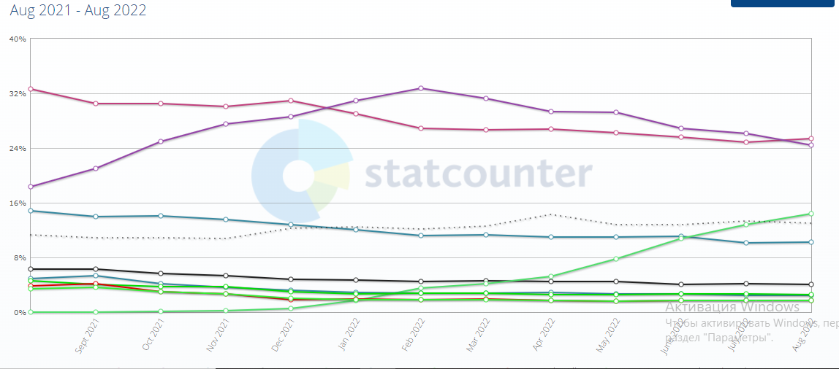
№ | company (mob)
1 | Apple
2 | Xiaomi
3 | Samsung
4 | Huawei

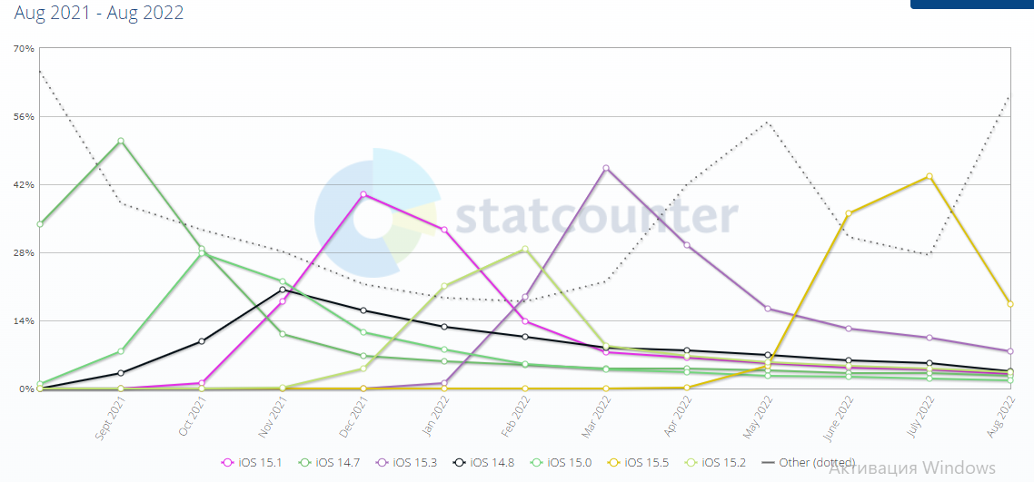
№ | OS (IOS)
1 | 2022-06-15
2 | 2022-05-15
3 | 2022-04-15

№ | OS (Android)
1 | 10.0
2 | 11.0
3 | 12.0

info (tab)
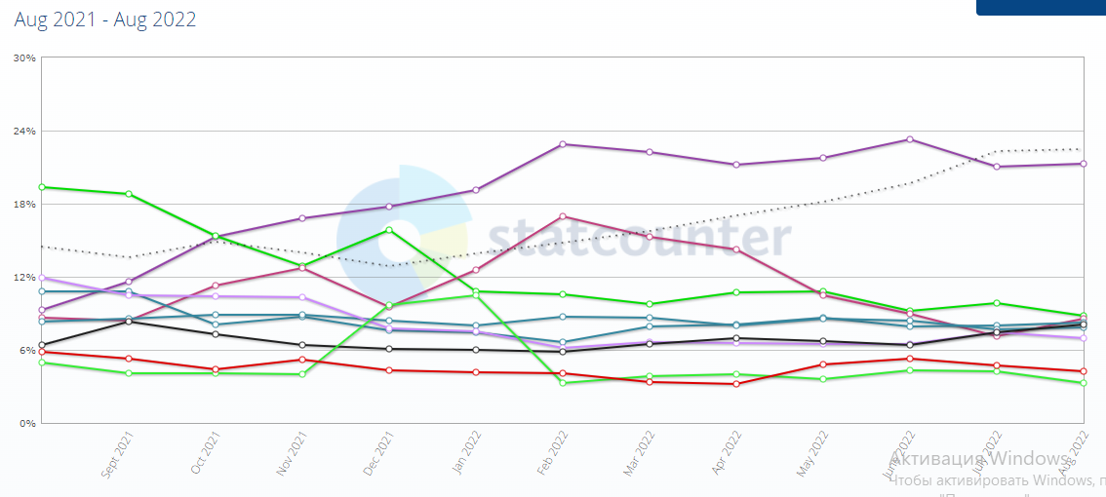
№ | company (tab)
1 | Samsung
2 | Apple

№ | OS (IOS)
1 | 2022-06-15
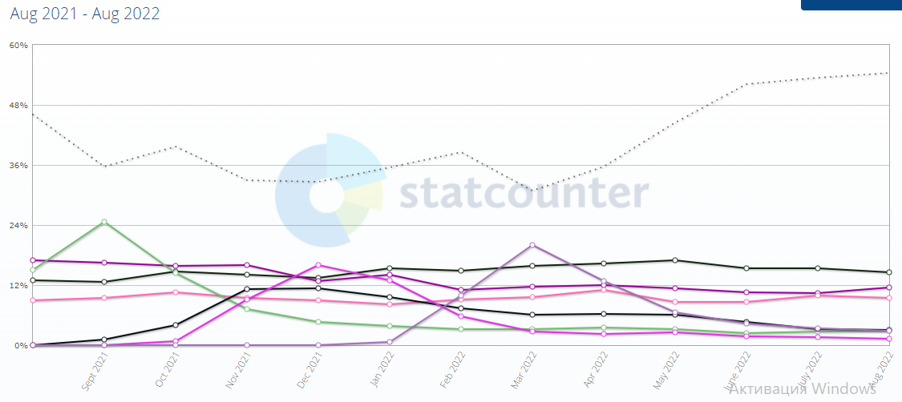

№ | OS (Android)
1 | 11.0

