Battery_Effect
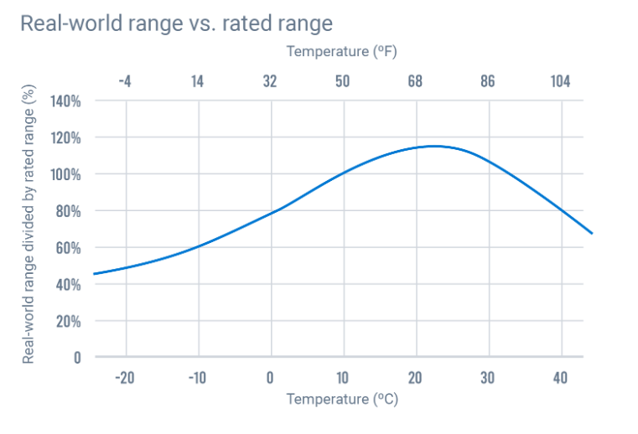
Data from 1990-2020
 | Mean (Celsius)
Month | Trondheim | Tromso | Oslo | Kristiansand | Bergen | Mean | Effect on battery
January | -1.1 | -2.9 | -2.3 | 0.2 | 2.6 | -0.7 | 0.8
February | -1 | -3.2 | -1.8 | 0.3 | 2.5 | -0.64 | 0.8
March | 1.2 | -1.9 | 1.6 | 2.5 | 4.1 | 1.5 | 0.8
April | 5.3 | 1.2 | 6.5 | 6.2 | 7.5 | 5.34 | 0.9
May | 9.5 | 5.7 | 11.7 | 10.7 | 11 | 9.72 | 1
June | 13 | 9.5 | 15.6 | 14.2 | 13.8 | 13.22 | 1.05
July | 15.6 | 12.5 | 18 | 16.7 | 16.1 | 15.78 | 1.1
August | 15 | 11.5 | 16.9 | 16 | 15.8 | 15.04 | 1.1
September | 11.4 | 8 | 12.5 | 12.6 | 13 | 11.5 | 1.02
October | 6.1 | 3.2 | 6.7 | 8 | 8.9 | 6.58 | 0.92 |  |  |  |  |  |  |  | Sources:
November | 1.8 | 0.2 | 2.2 | 3.9 | 5.3 | 2.68 | 0.82 |  |  |  |  |  |  |  | https://www.geotab.com/blog/ev-range/
December | -0.8 | -1.6 | -1.4 | 0.7 | 3.1 | 0.00 | 0.8 |  |  |  |  |  |  |  | https://www.climatestotravel.com/climate/norway
Year | 6.35 | 3.55 | 7.25 | 7.7 | 8.65 |  |  |  |  |  |  |  |  |  | https://www.recurrentauto.com/research/winter-ev-range-loss

Trondheim |  |  |  |  |  |  |  | Tromso |  |  |  |  |  |  | Oslo
Month | Min (°C) | Max (°C) | Mean (°C) | Min (°F) | Max (°F) | Mean (°F) |  | Month | Min (°C) | Max (°C) | Mean (°C) | Min (°F) | Max (°F) | Mean (°F) | Month | Min (°C) | Max (°C) | Mean (°C) | Min (°F) | Max (°F) | Mean (°F)
January | -4 | 2 | -1.1 | 25 | 35 | 30 |  | January | -5 | 0 | -2.9 | 22 | 31 | 26.8 | January | -5 | 0 | -2.3 | 24 | 32 | 27.9
February | -4 | 2 | -1 | 25 | 36 | 30.1 |  | February | -6 | -1 | -3.2 | 22 | 31 | 26.2 | February | -5 | 1 | -1.8 | 24 | 34 | 28.8
March | -2 | 5 | 1.2 | 28 | 40 | 34.1 |  | March | -4 | 1 | -1.9 | 24 | 33 | 28.7 | March | -2 | 5 | 1.6 | 28 | 42 | 34.9
April | 1 | 9 | 5.3 | 35 | 49 | 41.6 |  | April | -2 | 4 | 1.2 | 29 | 39 | 34.2 | April | 2 | 11 | 6.5 | 36 | 52 | 43.8
May | 5 | 14 | 9.5 | 41 | 57 | 49.2 |  | May | 3 | 9 | 5.7 | 37 | 48 | 42.2 | May | 7 | 17 | 11.7 | 44 | 62 | 53.1
June | 9 | 17 | 13 | 48 | 63 | 55.3 |  | June | 7 | 12 | 9.5 | 44 | 54 | 49.2 | June | 11 | 20 | 15.6 | 51 | 69 | 60.1
July | 11 | 20 | 15.6 | 53 | 68 | 60.1 |  | July | 9 | 16 | 12.5 | 49 | 60 | 54.4 | July | 13 | 23 | 18 | 56 | 73 | 64.5
August | 11 | 19 | 15 | 52 | 66 | 59.1 |  | August | 8 | 15 | 11.5 | 47 | 58 | 52.7 | August | 13 | 21 | 16.9 | 55 | 70 | 62.5
September | 8 | 15 | 11.4 | 46 | 59 | 52.5 |  | September | 5 | 11 | 8 | 41 | 51 | 46.4 | September | 9 | 16 | 12.5 | 48 | 62 | 54.5
October | 3 | 9 | 6.1 | 37 | 49 | 42.9 |  | October | 1 | 5 | 3.2 | 34 | 42 | 37.7 | October | 4 | 10 | 6.7 | 39 | 49 | 44.1
November | -1 | 5 | 1.8 | 30 | 40 | 35.2 |  | November | -2 | 2 | 0.2 | 28 | 36 | 32.3 | November | 0 | 4 | 2.2 | 32 | 40 | 35.9
December | -4 | 2 | -0.8 | 25 | 36 | 30.6 |  | December | -4 | 1 | -1.6 | 25 | 34 | 29.2 | December | -4 | 1 | -1.4 | 25 | 34 | 29.5
Year | 2.8 | 10 | 6.35 | 37 | 49.9 | 43.5 |  | Year | 0.9 | 6.2 | 3.55 | 33.6 | 43.2 | 38.5 | Year | 3.6 | 10.9 | 7.25 | 38.5 | 51.6 | 45

Kristiansand |  |  |  |  |  |  |  | Bergen
Month | Min (°C) | Max (°C) | Mean (°C) | Min (°F) | Max (°F) | Mean (°F) |  | Month | Min (°C) | Max (°C) | Mean (°C) | Min (°F) | Max (°F) | Mean (°F)
January | -3 | 3 | 0.2 | 27 | 38 | 32.4 |  | January | 1 | 5 | 2.6 | 33 | 40 | 36.8
February | -3 | 4 | 0.3 | 27 | 39 | 32.6 |  | February | 0 | 5 | 2.5 | 32 | 41 | 36.5
March | -1 | 6 | 2.5 | 30 | 43 | 36.4 |  | March | 1 | 7 | 4.1 | 34 | 44 | 39.4
April | 2 | 10 | 6.2 | 35 | 51 | 43.2 |  | April | 4 | 11 | 7.5 | 39 | 52 | 45.5
May | 6 | 15 | 10.7 | 43 | 60 | 51.2 |  | May | 7 | 15 | 11 | 45 | 59 | 51.8
June | 10 | 19 | 14.2 | 49 | 66 | 57.6 |  | June | 10 | 18 | 13.8 | 50 | 64 | 56.8
July | 12 | 21 | 16.7 | 54 | 70 | 62 |  | July | 12 | 20 | 16.1 | 54 | 67 | 61
August | 12 | 20 | 16 | 53 | 69 | 60.8 |  | August | 12 | 19 | 15.8 | 54 | 67 | 60.5
September | 9 | 16 | 12.6 | 48 | 62 | 54.7 |  | September | 10 | 16 | 13 | 50 | 61 | 55.5
October | 5 | 11 | 8 | 40 | 53 | 46.4 |  | October | 6 | 12 | 8.9 | 43 | 53 | 48
November | 1 | 7 | 3.9 | 34 | 44 | 39 |  | November | 3 | 8 | 5.3 | 37 | 46 | 41.5
December | -2 | 4 | 0.7 | 28 | 39 | 33.3 |  | December | 1 | 5 | 3.1 | 34 | 41 | 37.5
Year | 3.9 | 11.5 | 7.7 | 39 | 52.8 | 46 |  | Year | 5.7 | 11.7 | 8.65 | 42.2 | 53 | 47.5

Charging_Time_Per_Charger_KW
Station Etiquette
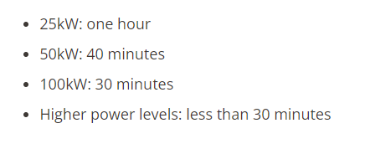
The charging time for an electric vehicle (EV) depends on various factors such as the battery size, the state of charge, the charging station's power output, and the charging curve of the battery. However, we can estimate the charging time for a given battery capacity and charging power using the following formula:
Charging time (hours) = Battery capacity (kWh) / Charging power (kW)
Set-Up: 10% of time

350.00000 100 300.00000 1 250.00000 1 200.00000 1 180.00000 3 175.00000 2 150.00000 1066 135.00000 48 129.00000 11 125.00000 1 120.00000 54 100.00000 146 75.00000 3 62.50000 5 62.00000 4 60.00000 3 55.00000 2 50.00000 2668 48.00000 4 44.00000 32 43.00000 248 25.00000 11 22.00000 4174
Types of chargers (and amount) | kW | Avg.kWh | Charging time(hours) | Cars per hour | Set-Up time deducted | Average Battery Capacity of EV's sold in March (source: OFV)
 | 350 | 68 | 0.194 | 5.147 | 4.6 | 68
 | 300 | 68 | 0.227 | 4.412 | 4.0 | https://www.solarquotes.com.au/blog/norway-ev-batteries/
 | 250 | 68 | 0.272 | 3.676 | 3.3
 | 200 | 68 | 0.340 | 2.941 | 2.6
 | 180 | 68 | 0.378 | 2.647 | 2.4
 | 175 | 68 | 0.389 | 2.574 | 2.3
 | 150 | 68 | 0.453 | 2.206 | 2.0
 | 135 | 68 | 0.504 | 1.985 | 1.8
 | 129 | 68 | 0.527 | 1.897 | 1.7
 | 125 | 68 | 0.544 | 1.838 | 1.7
 | 120 | 68 | 0.567 | 1.765 | 1.6
 | 100 | 68 | 0.680 | 1.471 | 1.3
 | 75 | 68 | 0.907 | 1.103 | 1.0
 | 62.5 | 68 | 1.088 | 0.919 | 0.8
 | 62 | 68 | 1.097 | 0.912 | 0.8
 | 60 | 68 | 1.133 | 0.882 | 0.8
 | 55 | 68 | 1.236 | 0.809 | 0.7
 | 50 | 68 | 1.360 | 0.735 | 0.7
 | 48 | 68 | 1.417 | 0.706 | 0.6
 | 44 | 68 | 1.545 | 0.647 | 0.6
 | 43 | 68 | 1.581 | 0.632 | 0.6

