StatisticsByWords
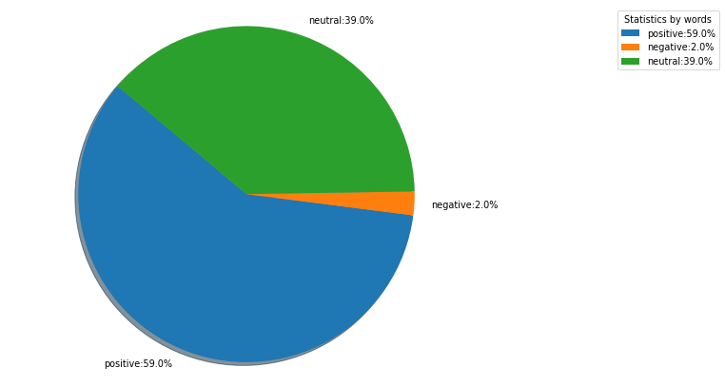
Type | Words' number
positive | 26
negative | 1
neutral | 17

StatisticsByPosts
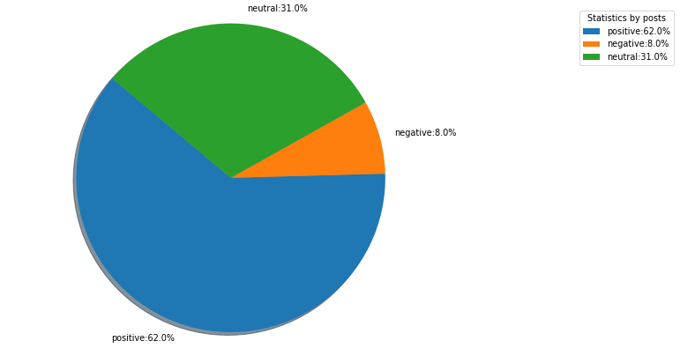
Type | Posts' number
positive | 8
negative | 1
neutral | 4

