Foglio1
ELECTRODES | POSITION_VALUE_X | POSITION_VALUE_Y | Circumference Length (Model Forearm) | Section
ME | 57 mm | 0 mm | 241,4 mm | Elbow Section
US | 120 mm | 265,2 mm | 168,8 mm | Wrist Section
ECR1 | 134,93 mm | 39,23 mm | 247,3 mm | ECR1 electrode Section
ECR2 | 121,67 mm | 68,16 mm | 247,0 mm | ECR2 electrode Section
ED1 | 95,35 mm | 212,23 mm | 181,5 mm | ED1 eledcrode Section
ED2 | 100,61 mm | 181,81 mm | 191 mm | ED2 electrode Section
FCR1 | 22,36 mm | 48,65 mm | 247,1 mm | FCR1 elctrode Section
FCR2 | 28,68 mm | 78,77 mm | 243,1 mm | FCR2 electrode Section
FDS1 | 44,18 mm | 210,14 mm | 182,7 mm | FDS1 electrode Section
FDS2 | 38,10 mm | 178,79 mm | 190,7 mm | FDS2 electrode Section
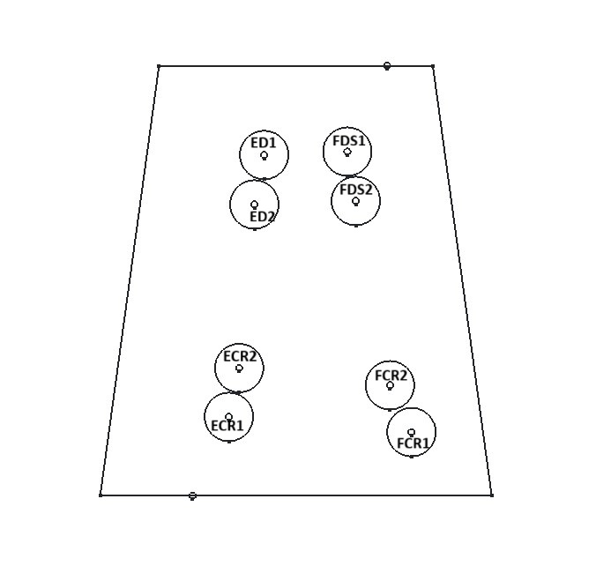

SLEEVE_MEASUREMENT | MEASUREMENT_VALUE
Forearm's Length | 265,2 mm

