Foglio1
ELECTRODES | POSITION_VALUE_X | POSITION_VALUE_Y | Circumference Length (Model Forearm) | Section
ME | 81,0 mm | 0 mm | 259,5 mm | Elbow Section
US | 21,1 mm | 254,1 mm | 167,1 mm | Wrist Section
ECR1 | 32,3 mm | 46,45 mm | 267,9 mm | ECR1 electrode Section
ECR2 | 40.2 mm | 75,16 mm | 259,8 mm | ECR2 electrode Section
ED1 | 38,6 mm | 210,30 mm | 171,3 mm | ED1 eledcrode Section
ED2 | 36,2 mm | 180,60 mm | 188,0 mm | ED2 electrode Section
FCR1 | 91,8 mm | 44,13 mm | 266,6 mm | FCR1 elctrode Section
FCR2 | 98,5 mm | 72,38 mm | 258,9 mm | FCR2 electrode Section
FDS1 | 81,3 mm | 202,87 mm | 176,5 mm | FDS1 electrode Section
FDS2 | 82,3 mm | 171,70 mm | 195,7 mm | FDS2 electrode Section

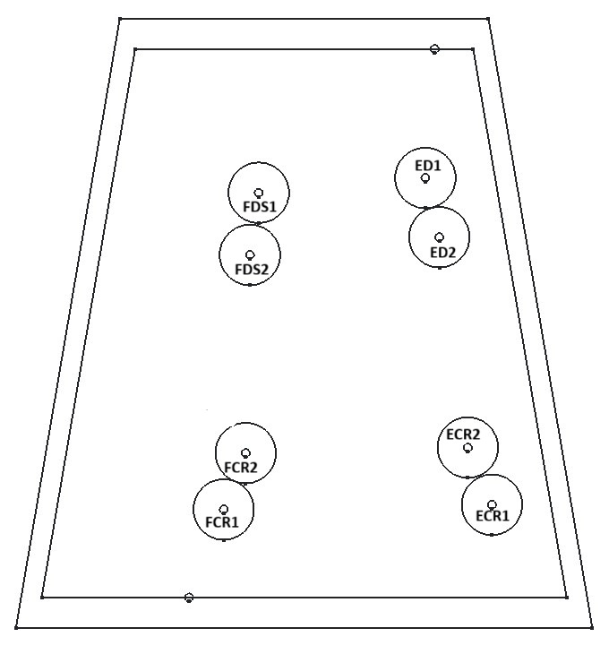

SLEEVE_MEASUREMENT | MEASUREMENT_VALUE
Forearm's Length | 254,1 mm

