RIEP_COINS
CREDITI AL 27/05/2023
playfifa1rs+1@gmail.com | 1,231,019
playfifa1rs+2@gmail.com | 386.903
playfifa1rs+3@gmail.com | 1,236,932
playfifa1rs+4@gmail.com | 924.536
playfifa1rs+5@gmail.com | 800.491
playfifa1rs+6@gmail.com | banned
playfifa1rs+7@gmail.com | 763,200
playfifa1rs+8@gmail.com | 335,378
playfifa1rs+9@gmail.com | 690,239
playfifa1rs+10@gmail.com | 187.217

CREDITI AL 05/06/2023
playfifa1rs+1@gmail.com | 689,000
playfifa1rs+2@gmail.com | 364,928
playfifa1rs+3@gmail.com | 552,591
playfifa1rs+4@gmail.com | 341,980
playfifa1rs+5@gmail.com | 1,166,499
playfifa1rs+6@gmail.com | BANNED
playfifa1rs+7@gmail.com | 829,964
playfifa1rs+8@gmail.com | 698,493
playfifa1rs+9@gmail.com | 800,356
playfifa1rs+10@gmail.com | 900,445

CREDITI AL 09/06/2023
playfifa1rs+1@gmail.com | 443.234
playfifa1rs+2@gmail.com | 406,405 (se resell va ok)
playfifa1rs+3@gmail.com | 389,595 (se resell va ok)
playfifa1rs+4@gmail.com | 891,088 (se resell va ok)
playfifa1rs+5@gmail.com | 671.717
playfifa1rs+6@gmail.com | BANNED
playfifa1rs+7@gmail.com | 105.771
playfifa1rs+8@gmail.com | 525,672 (se resell va ok)
playfifa1rs+9@gmail.com | 608.321
playfifa1rs+10@gmail.com | 194,371 (se resell va ok)

CREDITI AL 13/06/2023
playfifa1rs+1@gmail.com | 91.169
playfifa1rs+2@gmail.com | 679,081 (se resell va ok)
playfifa1rs+3@gmail.com | 628.362
playfifa1rs+4@gmail.com | 611.61
playfifa1rs+5@gmail.com | 746.119
playfifa1rs+6@gmail.com | BANNED
playfifa1rs+7@gmail.com | 224,292 (se resell va ok)
playfifa1rs+8@gmail.com | 530,798 (se resell va ok)
playfifa1rs+9@gmail.com | 505,294 (se resell va ok)
playfifa1rs+10@gmail.com | 333,925 (se resell va ok)

CREDITI AL 14/06/2023
playfifa1rs+1@gmail.com | 120.104
playfifa1rs+2@gmail.com | 697.305
playfifa1rs+3@gmail.com | 755.033
playfifa1rs+4@gmail.com | 684.715
playfifa1rs+5@gmail.com | 863.545
playfifa1rs+6@gmail.com | BANNED
playfifa1rs+7@gmail.com | 316.196
playfifa1rs+8@gmail.com | 627.687
playfifa1rs+9@gmail.com | 615.855
playfifa1rs+10@gmail.com | 408.578

CREDITI AL 15/06/2023
playfifa1rs+1@gmail.com | 154.277
playfifa1rs+2@gmail.com | 831.837
playfifa1rs+3@gmail.com | 875.576
playfifa1rs+4@gmail.com | 740.926
playfifa1rs+5@gmail.com | 982.032
playfifa1rs+6@gmail.com | BANNED
playfifa1rs+7@gmail.com | 434.762
playfifa1rs+8@gmail.com | 773.527
playfifa1rs+9@gmail.com | 779.564
playfifa1rs+10@gmail.com | 555.315

CREDITI AL 21/06/2023
playfifa1rs+1@gmail.com | 509.344
playfifa1rs+2@gmail.com | 498.75
playfifa1rs+3@gmail.com | 967.765
playfifa1rs+4@gmail.com | 826.183
playfifa1rs+5@gmail.com | 200.487
playfifa1rs+6@gmail.com | BANNED
playfifa1rs+7@gmail.com | 1,185,843
playfifa1rs+8@gmail.com | 621.051
playfifa1rs+9@gmail.com | 611.137
playfifa1rs+10@gmail.com | 92.453

CREDITI AL 26/07/2023

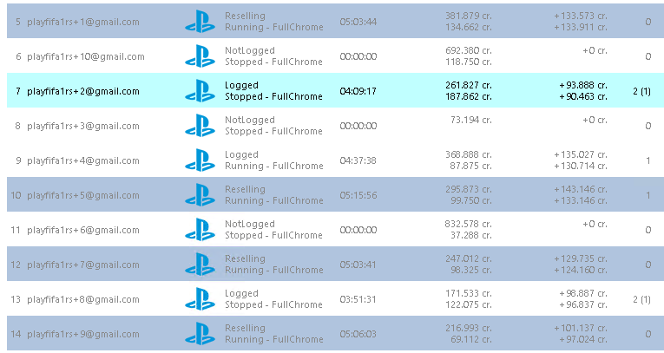

CREDITI AL 02/08/2023

CREDITI AL 02/08/2023

CREDITI AL 30/08/2023

VENDITE_COINS
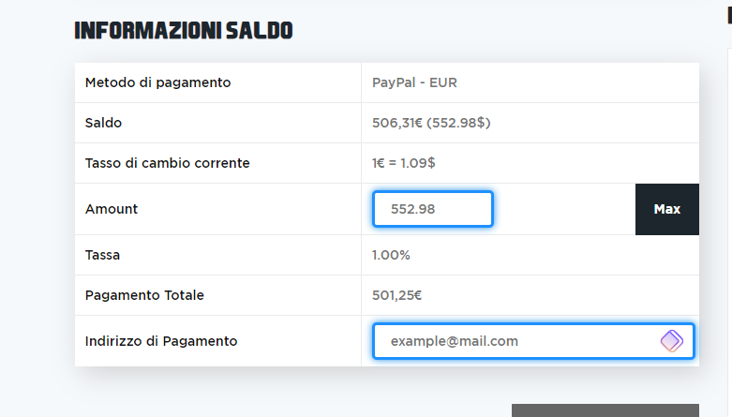
Offerta | Prezzo Card | Totale offerta | Player | account | Euro a testa | Euro Ricevuti | Data offerta | Ora | TOT EURO | TOT EURO A TESTA | Netto a testa | API | <---AL 30/08/2023 | API con TASSE | 2 | MILIONI VENDUTI AD API
1,221,000 | / | 0.00 | Barnes | playfifa1rs+5@gmail.com | €15.00 | €30.00 | 17/05/2023 |  | € 1,414.85 | € 456.80 | € 457.43 | € 501.25 |  | € 506.31
850.00 | / | 850.00 | Kane | playfifa1rs+3@gmail.com | €12.00 | €24.00 | 17/05/2023 | ora 23.10
445.00 | / | 445.00 | Perisic | playfifa1rs+7@gmail.com | €15.00 | €30.00 | 18/05/2023 | ora 15:07
700.00 | / | 700.00 | Kane | playfifa1rs+1@gmail.com | €- |  | 18/05/2023 | ora 15:07
999.00 | / | 999.00 | Morientes |  | €12.00 | €24.00 | 22/05/2023
540.00 | / | 540.00 | Morientes |  | €3.50 | €7.00 | 22/05/2023
850.00 | / | 850.00 | Kane |  | €-
1,219,000 | / | 0.00 | Barnes |  | €12.50 | €25.00 | 23/05/2023
1,110,000 | / | 0.00 | Morientes |  | €12.00 | €24.00 | 27/05/2023
1,209,000 | / | 0.00 | Barnes | playfifa1rs+1@gmail.com | €12.50 | €25.00 | 29/05/2023
0.27 | / | 0.27 | Barnes | playfifa1rs+4@gmail.com | €15.00 | €30.00 | 31/05/2023
23.17 | / | 23.17 | Perisic | playfifa1rs+8@gmail.com | €20.00 | €40.00 | 31/05/2023
587.00 | / | 587.00 | Kane | playfifa1rs+2@gmail.com |  |  | 31/05/2023
692.00 | / | 692.00 | Kane | playfifa1rs+7@gmail.com |  |  | 31/05/2023
456.00 | / | 456.00 | Perisic | playfifa1rs+5@gmail.com | €5.00 | €10.00 | 01/06/2023 | ora 16.20
536.00 | / | 536.00 | Perisic | playfifa1rs+9@gmail.com | €6.25 | €12.50 | 01/06/2023
879.00 | / | 879.00 | Kane | playfifa1rs+5@gmail.com | €10.00 | €20.00 | 05/06/2023
335.00 | / | 335.00 | Thiago Silva | playfifa1rs+2@gmail.com | €3.75 | €7.50 | 2023-06-08
596.00 | / | 596.00 | Thiago Silva | playfifa1rs+9@gmail.com | €6.25 | €12.50 | 08/06/2023
343.00 | / | 343.00 | Guerriero | playfifa1rs+1@gmail.com | €3.75 | €7.50 | 08/06/2023
540.00 | / | 540.00 | Perisic | playfifa1rs+8@gmail.com | €6.25 | €12.50 | 08/06/2023
1,070,000 | / | 0.00 | Goncalo Ramos | playfifa1rs+7@gmail.com | €12.50 | €25.00 | 09/06/2023 |  | Pagato da Stefano ad Antonio 12,5
329.00 | / | 329.00 | Guerreiro | playfifa1rs+5@gmail.com | €3.75 | €7.50 | 09/06/2023 | 21.27
1,025,000 | / | 0.00 | Barnes | playfifa1rs+10@gmail.com | €11.25 | €22.50 | 09/06/2023 | 18:54:00
719.00 | / | 719.00 | Goncalo Ramos | playfifa1rs+4@gmail.com | €8.13 | €16.25 | 10/06/2023
591.00 | / | 591.00 | Thiago Silva | playfifa1rs+1@gmail.com | €6.88 | €13.75 | 10/06/2023
565.00 | / | 565.00 | Perisic | playfifa1rs+9@gmail.com | €6.25 | €12.50 | 10/06/2023
315,000.00 | 28,000.00 | 343,000.00 | Guerriero | playfifa1rs+9@gmail.com | €3.45 | €6.90 | 16/06/2023
942,000.00 | 158,000.00 | 1,100,000.00 | Barnes | playfifa1rs+5@gmail.com | €5.40 | €10.80 | 16/06/2023
500,000.00 | 36,000.00 | 536,000.00 | Perisic | playfifa1rs+2@gmail.com | €5.75 | €11.50 | 16/06/2023
370,750.00 | 45,250.00 | 416,000.00 | Diogo Dalot |  | €4.25 | €8.50 | 16/06/2023
353,750.00 | 40,250.00 | 394,000.00 | Thiago Silva | playfifa1rs+2@gmail.com | €4.00 | €8.00 | 17/06/2023
640,000.00 | 40,250.00 | 680,250.00 | Thiago Silva | playfifa1rs+4@gmail.com | €6.90 | €13.80 | 16/06/2023
660,000.00 | 40,250.00 | 700,250.00 | Thiago Silva | playfifa1rs+3@gmail.com | €7.00 | €14.00
900,000.00 | 49,000.00 | 949,000.00 | Kane | playfifa1rs+8@gmail.com | €10.00 | €20.00
1,000,000.00 | 138,000.00 | 1,138,000.00 | Barnes | playfifa1rs+10@gmail.com | €11.50 | €23.00 | 19/06/2023
525,000.00 | 35,250.00 | 560,250.00 | Perisic | playfifa1rs+1@gmail.com | €5.75 | €11.50 | 19/06/2023
950,000.00 | 90,000.00 | 1,040,000.00 | Foden | playfifa1rs+3@gmail.com | €10.93 | €21.85 | 22/06/2023
741,000.00 | 59,000.00 | 800,000.00 | Kane | playfifa1rs+8@gmail.com | €8.05 | €16.10 | 22/06/2023
410,000.00 | 40,250.00 | 450,250.00 | Thiago Silva | playfifa1rs+9@gmail.com | €4.60 | €9.20 | 22/06/2023
570,000.00 | 35,250.00 | 605,250.00 | Perisic |  | €6.50 | €13.00 | 23/06/2023
755,000.00 | 54,000.00 | 809,000.00 | Kane | playfifa1rs+4@gmail.com | €8.63 | €17.25 | 23/06/2023
1,000,000.00 | 89,000.00 | 1,089,000.00 | Foden | playfifa1rs+7@gmail.com | €11.50 | €23.00 | 24/06/2023
550,000.00 | 35,250.00 | 585,250.00 | Perisic | playfifa1rs+2@gmail.com | €5.50 | €11.00 | 01/07/2023
293,250.00 | 25,750.00 | 319,000.00 | Gavi |  | €2.95 | €5.90 | 01/07/2023
455,000.00 | 30,250.00 | 485,250.00 | Dumfries |  | €4.55 | €9.10 | 01/07/2023
294,000.00 | 25,000.00 | 319,000.00 | Gavi | playfifa1rs+7@gmail.com | €2.95 | €5.90 | 01/07/2023
525,000.00 | 36,000.00 | 561,000.00 | Perisic | playfifa1rs+10@gmail.com | €5.20 | €10.40 | 02/07/2023
160,000.00 | 24,000.00 | 184,000.00 | Gavi | playfifa1rs+3@gmail.com | €1.60 | €3.20 | 03/07/2023
1,000,000.00 | 93,000.00 | 1,093,000.00 | Barnes | playfifa1rs+8@gmail.com | €10.00 | €20.00 | 03/07/2023
420,000.00 | 36,000.00 | 456,000.00 | Perisic | playfifa1rs+3@gmail.com | €4.20 | €8.40 | 05/07/2023
295,000.00 | 24,000.00 | 319,000.00 | Gavi | playfifa1rs+4@gmail.com | €2.95 | €5.90 | 05/07/2023
2,000,000.00 | 176,000.00 | 2,176,000.00 | Rijkaard | playfifa1rs+5@gmail.com | €20.00 | €40.00 | 06/07/2023
315,000.00 | 26,000.00 | 341,000.00 | Guerriero | playfifa1rs+5@gmail.com | €3.15 | €6.30 | 08/07/2023 |  | non pagato
1,477,000.00 | 152,000.00 | 1,629,000.00 | Rijkaard | playfifa1rs+2@gmail.com | €14.70 | €29.40 | 08/07/2023 |  | non pagato
660,000.00 | 41,000.00 | 701,000.00 | Thiago Silva | playfifa1rs+8@gmail.com | €6.60 | €13.20 | 10/07/2023 |  | non pagato
525,000.00 | 36,000.00 | 561,000.00 | Perisic | playfifa1rs+7@gmail.com | €5.25 | €10.50 | 10/07/2023 |  | non pagato
350,000.00 | 40,000.00 | 390,000.00 | Thiago Silva | playfifa1rs+2@gmail.com | €3.90 | €7.80 | 14/07/2023 |  | non pagato
350,000.00 | 40,000.00 | 390,000.00 | Thiago Silva | playfifa1rs+5@gmail.com | €3.90 | €7.80 | 14/07/2023 |  | non pagato
1,150,000.00 | 100,000.00 | 1,250,000.00 | Barnes | playfifa1rs+8@gmail.com | €9.00 | €18.00 | 17/07/2023 |  | non pagato da me ad Antonio
1,150,000.00 | 100,000.00 | 1,250,000.00 | Barnes | playfifa1rs+4@gmail.com | €9.00 | €18.00 | 17/07/2023 |  | non pagato da me ad Antonio
500,000.00 | 35,250.00 | 535,250.00 | Perisic | playfifa1rs+5@gmail.com | €3.75 | €7.50 | 18/07/2023 |  | non pagato da me ad Antonio
525,000.00 | 41,000.00 | 566,000.00 | Thiago Silva | playfifa1rs+2@gmail.com | €3.95 | €7.90 | 31/07/2023
 |  | 0.00 |  |  | €- | €-
 |  | 0.00 |  |  | €- | €-
 |  | 0.00 |  |  | €- | €-
 |  |  |  |  | €- | €-
 |  |  |  |  | €- | €-
 |  |  |  |  | €- | €-
 |  |  |  |  | €- | €-
 |  |  |  |  | €- | €-
 |  |  |  |  | €- | €-
 |  |  |  |  | €- | €-
 |  |  |  |  | €- | €-
 |  |  |  |  | €-

