XLOOKUP_2
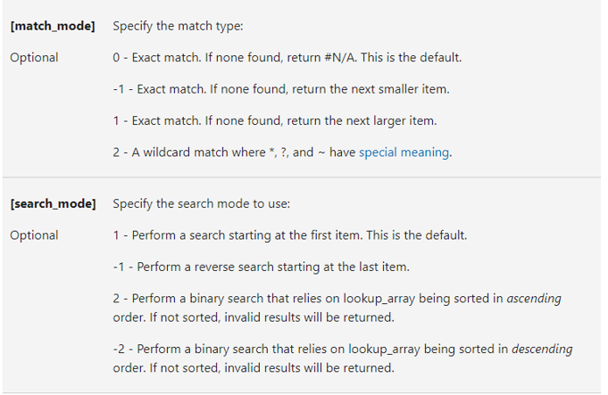
Customer ID | Name
9934 | Tres Delicious | First customer that starts with a W
7418 | ABC Groceries | Name | Wholesome Foods
5399 | ACME Bites
7997 | Wholesome Foods
7630 | Park & Shop Convenience Stores
2548 | Wally's Groceries

Customer | Order Date | When was Lola's Last Order?
Lola | 1/16/2020 | 7/13/2020
Sarah | 1/29/2020
Luna | 2020-02-02
Kendra | 2020-07-02
Daisy | 2/27/2020
Luna | 2/29/2020
Bill | 2020-10-03
Bill | 3/19/2020
Rajani | 3/23/2020
Rajani | 4/14/2020
Sarah | 4/26/2020
Patrick | 2020-06-05
Bob | 5/28/2020
Patrick | 5/30/2020
Rajani | 5/31/2020
Kevin | 2020-08-06
Lola | 2020-11-06
Lola | 7/13/2020
Lucy | 9/22/2020
Patrick | 2020-03-10
Lucy | 2020-10-10
Daisy | 10/29/2020
Kevin | 2020-12-11
Bill | 2020-01-12
Kendra | 12/19/2020
Kevin | 12/23/2020
Kendra | 2021-05-01
Daisy | 2021-06-01
Luna | 1/28/2021
Bob | 2/25/2021
Bob | 2021-05-03

