Decile analysis
Test |  |  | Train
Deciles | actual | pred | Deciles | actual | pred
0 | 298.07420267 | 235.30805337 | 0 | 293.271976 | 230.44280284
1 | 384.82183467 | 291.50056859 | 1 | 327.72087429 | 285.83674962
2 | 386.25325067 | 327.03011315 | 2 | 367.87202286 | 319.47974065
3 | 390.99142517 | 357.78715392 | 3 | 409.42585029 | 350.86990212
4 | 431.11448054 | 389.36341118 | 4 | 413.62739314 | 380.49750518
5 | 488.54466667 | 420.94307561 | 5 | 457.10198629 | 411.95444375
6 | 572.49344371 | 457.43902395 | 6 | 493.79585029 | 446.64932623
7 | 597.03234631 | 500.90727617 | 7 | 588.709592 | 492.00579612
8 | 664.47598133 | 568.25641974 | 8 | 678.55097486 | 567.03314047
9 | 781.99557867 | 760.81762591 | 9 | 878.12779543 | 752.14568007
Test Deciles
Train Deciles

Important Variables
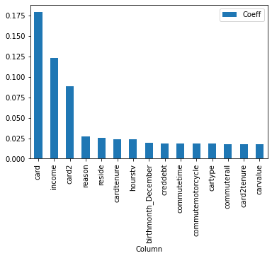
Column1 | Column | Coeff
0 | card | 0.17908876
1 | income | 0.1231831
2 | card2 | 0.08829742
3 | reason | 0.026857654
4 | reside | 0.025387656
5 | cardtenure | 0.024124485
6 | hourstv | 0.023729185
7 | birthmonth_December | 0.019242365
8 | creddebt | 0.018915737
9 | commutetime | 0.01889423
10 | commutemotorcycle | 0.018760417
11 | cartype | 0.018715747
12 | commuterail | 0.017538732
13 | card2tenure | 0.017504277
14 | carvalue | 0.01746108

