Statistics
RETURN METRICS
CAGR | 7.73%
Total Return | 7.73%
Final Capital | Rs. 107,725.37
Avg Daily PnL | Rs. 31.28
Avg Trade PnL | Rs. 15.64

RISK METRICS
Max Drawdown | -4.32%
Max DD Date | 2023-01-18
Sharpe Ratio | 1.1382
Sortino Ratio | 1.5843
Calmar Ratio | 1.7880

WIN / LOSS ANALYSIS
Group | Winners | Losers | Total | Win % | Loss %
CE | 122 | 125 | 247 | 49.4% | 50.6%
PE | 122 | 125 | 247 | 49.4% | 50.6%
Combined | 244 | 250 | 494 | 49.4% | 50.6%

AVG % P&L BY OPTION TYPE & EXPIRY
Category | Avg % PnL
CE_Expiry | 27.23%
CE_NonExpiry | 0.57%
PE_Expiry | -0.35%
PE_NonExpiry | 1.01%
Combined_Expiry | 13.44%
Combined_NonExpiry | 0.79%

MONTHLY P&L
Month | Start NAV | End NAV | % P&L | Abs P&L (Rs.)
2023-01 | 100 | 98.4 | -1.60 | -1,600.87
2023-02 | 98.4 | 97.2 | -1.22 | -1,201.87
2023-03 | 97.2 | 99.49 | +2.36 | +2,294.25
2023-04 | 99.49 | 100.58 | +1.09 | +1,087.87
2023-05 | 100.58 | 103.65 | +3.05 | +3,069.38
2023-06 | 103.65 | 105.43 | +1.72 | +1,783.87
2023-07 | 105.43 | 105.9 | +0.44 | +466.87
2023-08 | 105.9 | 104.48 | -1.34 | -1,414.88
2023-09 | 104.48 | 104.47 | -0.02 | -18.75
2023-10 | 104.47 | 105.82 | +1.29 | +1,351.50
2023-11 | 105.82 | 107.19 | +1.30 | +1,371.75
2023-12 | 107.19 | 107.54 | +0.33 | +354.75
2024-01 | 107.54 | 107.73 | +0.17 | +181.50

ADDITIONAL STATISTICS
Total SL Hits | 245
CE SL Hits | 122
PE SL Hits | 123
Avg Premium Collected | Rs. 49.40
Max Single Trade Profit | Rs. 968.25
Max Single Trade Loss | Rs. -459.75
Total Trading Days | 247
Total Legs Traded | 494

EQUITY CURVE
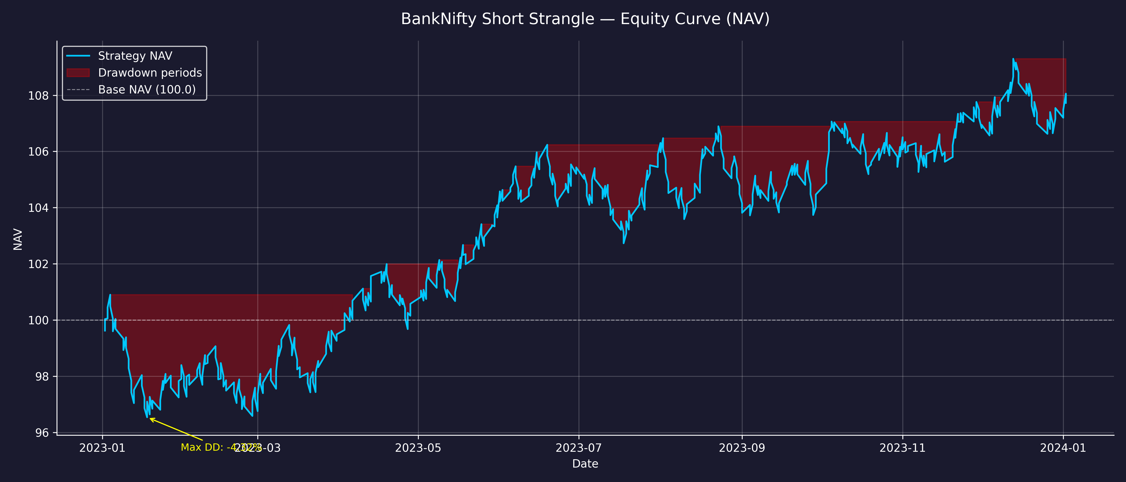

DRAWDOWN CHART

