Sheet1
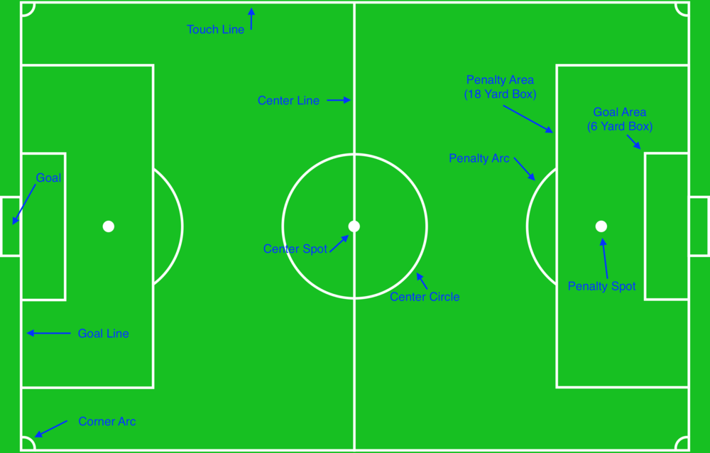
Test Scenarios for FLs related to distance between ball and player
2 vs 2, 5 min match
Sl No. | GameState/Precondition | Test Scenario | Expected Result | Reference
1 | Kick off | Other player from ball awarded team is <2 m away from ball | Rule violation detected | Task ID - 08.3.1.C
2 | Free kick | Other player from ball awarded team is <2 m away from ball | Rule violation detected | Task ID - 13.4.2/3/4.C
3 | Throw in | Other player from ball awarded team is <2 m away from ball | Rule violation detected | Task ID - 15.1.(3).B
4 | Goal kick | Other player from ball awarded team is <2 m away from ball | Rule violation detected | Task ID - 16.1.(3).B
5 | Corner kick | Other player from ball awarded team is <2 m away from ball | Rule violation detected | Task ID - 17.1.(3).B
6 | Kick off | Any player from the opposite team (NOT ball awarded team) is <3m away from ball | Rule violation detected | Task ID - 08.3.1.D
7 | Free kick | Any player from the opposite team (NOT ball awarded team) is <3m away from ball | Rule violation detected | Task ID - 13.4.2/3/4.A
8 | Goal kick | Any player from the opposite team (NOT ball awarded team) is <3m away from ball | Rule violation detected | Task ID - 16.1.(3).C
9 | Throw in | Any* player from opposing team (NOT ball awarded team) are <3 m away from ball Exception - *one player from opposing team is allowed inside the penalty area except goal area; this one player has no restriction on the distance to the ball) | Rule violation detected | Task ID - 15.1.(3).D
10 | Corner kick | Any* player from opposing team (NOT ball awarded team) are <3 m away from ball Exception - *one player from opposing team is allowed inside the penalty area except goal area; this one player has no restriction on the distance to the ball) | Rule violation detected | Task ID - 17.1.(3).D
11 | Dropped ball | Any* player is <1m away from ball Exception - *one player can remain in own penalty area (except goal area) regardless of distance | Rule violation detected | Task ID - 08.6.4.B
 |  | Ball crossing the touch line
 |  | One goal

