SoccerRobot
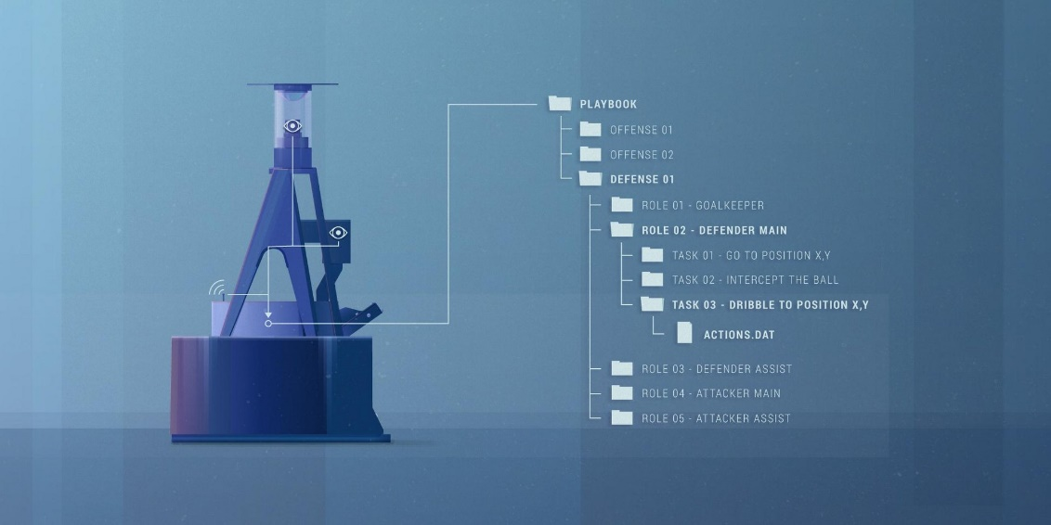
Components | Functionalities | Capabilities
'OmniVison' camera | To see the pitch and oponents and anything in the filed | A 0.3-megapixel camera aimed at a convex mirror on top with the field of view (FOV) of 6 m. Limited to 80 cm height view.
A Microsoft Kinect 2 camera | To see the depth | A 2-megapixel camera. Recognize the depth ( and the ball when it is above 80 cm)
System of rotating wheels | To dribble
Shooting mechanism (electromagnet, metal pin and capacitor) | To pass/kick the ball | Within 19 milliseconds capacitor can transfer the charged energy to the electromagnet, which blows away the metal pin. The power is adjustable and so the height.
3 wheels for motion | To move/accelerate fast | Max acceloration = 1.7 m/s^2
Software | 0) To recognize white lines (expects them being curved) on the green floor 1) To search for the ball (expects it oval) 2) To look at which object pitch the ball?? | Checks transitions between colors from green to white and vice versa ("Blob Tracker"). Calculates where the ball has to land in order to score based on the locations of lines and height of the goal.
Compass | To distinguish the half of the field of own team from the oppenent's half.
Defcon software | To determine strategy | interprets the information known from environment (world map); defines the role for robots (attacker, defender, goalkeeper); assign actions based on the tasks that the certain role must fulfill.
WiFi | To communicate with other robots and referee

 |  |  | Units | Components
 |  |  | Communication | WiFi

 |  |  | Sensors | OmniVision'camera
 |  |  | Sensors | Kinect (in front)

 |  |  | Hardware

Referee
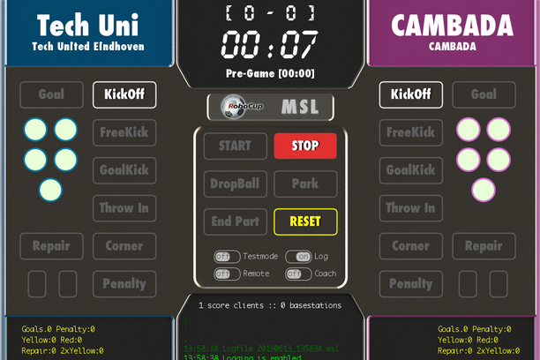
Referee
By the program called "Refbox", referees can communicate to the robots. The referee signals the kick-off by clicking on the START button. When team scored he/she clicks on the GOAL button. The referee can signal for free kick or when a robot can throw in the ball. Yellow and red cards are given by pressing a button. At the end of the game the referee blows the whistle and stops the robots.

